1. User Authentication
Test Case

Project Name | Mahfil
Module Name | sign up ,log in and password recovery
Reference Document | Qtec Careers
Created By | Dilruba Khatun
Date of Creation | 2024-08-03
Date of Review | 2024-08-03

Test Case ID | Test Case description | Expected result | Actual Result | Test Steps | Test Data | Bug Screen Shot | Status
1 | Verify that the sign-up page is accessible and functional. | The sign-up page loads correctly without any errors. | Found as per expectation | 1.download and install the Mahfil app on your device. 2.click left side sine ≡ 3.click Live Dashboard | N/A | N/A | Pass
2 | Verify with valid user phone number and ensure successful login | Should accept the provided input | Found as per expectation | 1.download and install the Mahfil app on your device. 2.click left side sine ≡ 3.click Live Dashboard 4.Enter valid phone number | 1789111593 | N/A | Pass
3 | Verify with invalid user phone number and ensure successful login | Should not accept the provided input | not accept invalid number or string and not send OTP code | 1.download and install the Mahfil app on your device. 2.click left side sine ≡ 3.click Live Dashboard 4.Enter invalid phone number | 1111111111 | 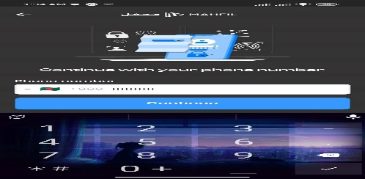 | Fail
4 | Test with missing fields and verify proper error handling | Should not accept the provided input | Not Found as per expectation | 1.download and install the Mahfil app on your device. 2.click left side sine ≡ 3.click Live Dashboard 4.Enter Null phone number | Null | 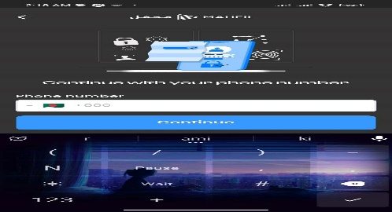 | Fail
5 | Verify with mail and ensure successful login | Should accept the provided input | Found as per expectation | 1.download and install the Mahfil app on your device. 2.click left side sine ≡ 3.click Live Dashboard 4.click Sign in with Google | rotno99@gmail.com | N/A | Pass
6 | Verify sign up with valid name and mail | Should accept the provided input | Found as per expectation | 1.download and install the Mahfil app on your device. 2.click left side sine ≡ 3.click Live Dashboard 4.Enter Name and enter Email field | 1.Name:dilruba 2.Email:rotno99@gmail.com | N/A | Pass
7 | Verify sign up with invalid name and mail | Should not accept the provided input | Found as per expectation | 1.download and install the Mahfil app on your device. 2.click left side sine ≡ 3.click Live Dashboard 4.Enter Name and enter Email field | 1.Name:empty 2.Email:rotno99@g | N/A | Pass

Content Categories
Test Case

Project Name | Mahfil
Module Name | 2. Content Categories
Reference Document | Qtec Careers
Created By | Dilruba Khatun
Date of Creation | 2024-08-03
Date of Review | 2024-08-03

Test Case ID | Test Case description | Expected result | Actual Result | Test Steps | Test Data | Bug Screen Shot | Status
1 | Click on a live video thumbnail or title within the chosen category. | Should be play video | Not Found as per expectation | 1.Login successfully 2.click the Live Dashboard 3.click live video | N/A | 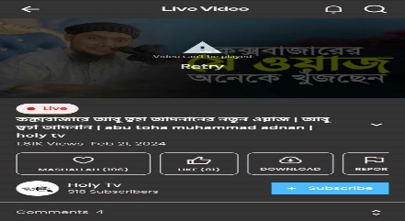 | Fail
2 | Click on the play button to start live video playback | Should be play video | Not Found as per expectation | 1.Login successfully 2.click the Live Dashboard 3.click live video | N/A | N/A | Fail
3 | Verify that the live video starts playing without any significant delays | Should be play video | Not Found as per expectation | 1.Login successfully 2.click the Live Dashboard 3.click live video | N/A |  | Fail
4 | Click on a video share in newfeed or title within the chosen category | Should be play video | Found as per expectation | 1.Login successfully 2.click the Live Dashboard 3.click share newsfeed video | N/A | N/A | Pass
5 | Verify that videos load quickly and play smoothly without buffering issues. | Should be play video without buffering | video did not play | 1.Login successfully 2.click the Live Dashboard 3.click live video | N/A |  | Fail
6 | Check for features like any video | Should be like any video | can as per expectation | 1.Login successfully 2.click the Live Dashboard 3.click live video 4.click like sign | N/A | N/A | Pass
7 | Check for features video pause, play and autoplay. | Should be proper work video pause, play and autoplay. | work as per expectation | 1.Login successfully 2.click the Live Dashboard 3.click live video 4.click auto play 5.click pause | N/A | N/A | Pass
8 | Verify that the content available on the app is unique and aligns with Islamic principal | Should be show unique video and aligns with Islamic principal | work as per expectation | 1.Login successfully 2.click the Live Dashboard 3.click live video | N/A | N/A | Pass
9 | Check for any duplicate or inappropriate content. | Should not shoe any dublicate content | Found as per expectation | 1.Login successfully 2.click the Live Dashboard 3Searching or scralling newsfed | N/A | N/A | Pass
10 | Verify that the download button/icon is visible and clickable | Should be visible | Found as per expectation | 1.Login successfully 2.click the Home 3.click any video | N/A | N/A | Pass
11 | Verify that the user receives appropriate feedback | Should be download | Not Found as per expectation | 1.Login successfully 2.click the Home 3.click any video 4.click download icone | N/A | 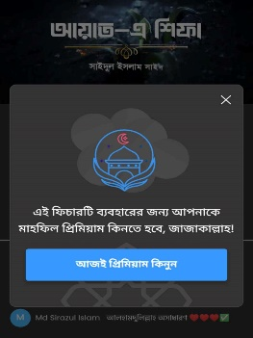 | Fail
12 | Verify that users can download videos for offline viewing. | Should not be download | Found as per expectation | 1. go to offline | N/A | N/A | Pass

