Sheet1
Date | Instructor | Assignment Topic | Assignment Number | Assignment Details
 |  |  | 1 | Create a web page to show the information about different technologies 1. Create the main heading "Web Technology" 2. Create a sub-heading with the following content "Html" 3.Add 3 to 4 paragraphs under the html heading 4.Create the following sub-heading "Css","Js","React.js" and respective paragraph under each sub heading
 |  |  | 2 | Develop multiple web page for different technologies. Each web page should content details like "heading","Paragraph","Images" and link all the webpages with each other using anchor element
 |  |  | 3 | Create a Login Form Input User Name Input Password and Two Buttons of Login and Register
 |  |  | 4 | Create a form of Fligh arrival and departure date two form input of Date.
 |  |  | 5 | Create a form of Fligh arrival and departure time two form input of time.
 |  |  | 6 | Create a Registeration form using all types of input elements
 |  |  | 7 | Create auto suggestion feature using data list First make an input feild and align it with search buttion. And under it make a box in which Search suggestion will be shown
 |  |  | 8 | Create the following UI(use any images)
 |  |  |  | 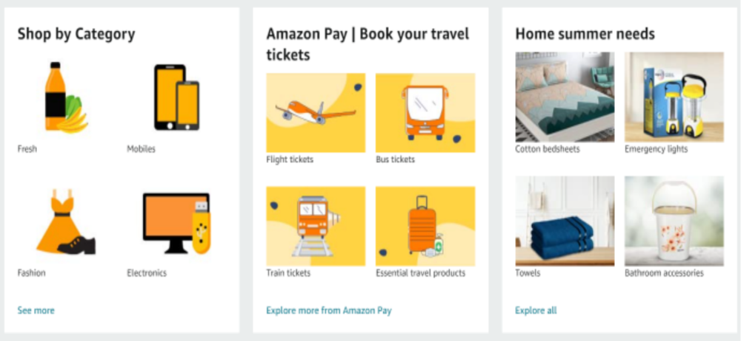
 |  |  | 9 | Create this table
 |  |  |  | 