Sheet1
Date | Assignment Number | Instructor | Assignment Topic | Assignment Details | Assignment Host Link
 | 1 | Kabir Sir | Html structure and tags {para,heading} | Create a web page to show the information about different technologies 1. Create the main heading "Web Technology" 2. Create a sub-heading with the following content "Html" 3.Add 3 to 4 paragraphs under the html heading 4.Create the following sub-heading "Css","Js","React.js" and respective paragraph under each sub heading | https://dilshaudayanperuvadathu.github.io/Apr22-Web-Fundamentals_Assignments/April/Week_2/Assignment_1/index.html
 | 2 | Kabir Sir | Anchor tag | Develop multiple web page for different technologies. Each web page should content details like "heading","Paragraph","Images" and link all the webpages with each other using anchor element | https://dilshaudayanperuvadathu.github.io/Apr22-Web-Fundamentals_Assignments/April/Week_2/Assignment_2/Structure.html
 | 3 | Kabir Sir | input filed and button | Create a Login Form Input User Name Input Password and Two Buttons of Login and Register | https://dilshaudayanperuvadathu.github.io/Apr22-Web-Fundamentals_Assignments/April/Week_3/Assignment_3/LoginPageWithCSS.html | https://dilshaudayanperuvadathu.github.io/Apr22-Web-Fundamentals_Assignments/April/Week_3/Assignment_3/LoginPage.html
 | 4 | Kabir Sir | date picker | Create a form of Fligh arrival and departure date two form input of Date. | https://dilshaudayanperuvadathu.github.io/Apr22-Web-Fundamentals_Assignments/April/Week_3/Assignment_4/Date.html
 | 5 | Kabir Sir | time picker | Create a form of Fligh arrival and departure time two form input of time. | https://dilshaudayanperuvadathu.github.io/Apr22-Web-Fundamentals_Assignments/April/Week_3/Assignment_5/Time.html
 | 6 | Kabir Sir | dropdown, textarea,radio button and checkbox | Create a Registeration form using all types of input elements | https://dilshaudayanperuvadathu.github.io/Apr22-Web-Fundamentals_Assignments/April/Week_3/Assignment_6/RegistrationForm.html
 | 7 | Kabir Sir | css | Create auto suggestion feature using data list First make an input feild and align it with search buttion. And under it make a box in which Search suggestion will be shown | https://dilshaudayanperuvadathu.github.io/Apr22-Web-Fundamentals_Assignments/April/Week_3/Assignment_7/SearchEngine.html
 | 8 | Kabir Sir | table with images | 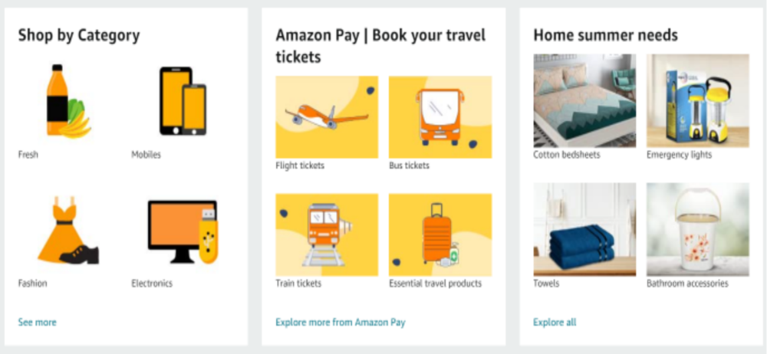 Create the following UI(use any images) | https://dilshaudayanperuvadathu.github.io/Apr22-Web-Fundamentals_Assignments/April/Week_4/Assignment_8/AmazonAds_Table.html
 | 9 | Kabir Sir | merge rows in table | 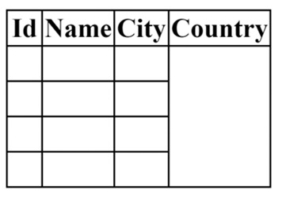 Create this table | https://dilshaudayanperuvadathu.github.io/Apr22-Web-Fundamentals_Assignments/April/Week_4/Assignment_9/TableWithMergeCol.html
2022-04-25 | 10 | Kabir Sir | Css |  Design the navbar with linear gradiant as background | https://dilshaudayanperuvadathu.github.io/Apr22-Web-Fundamentals_Assignments/April/Week_4/Assignment_10/Navbar.html
2022-04-25 | 11 | Kabir Sir | CSS | 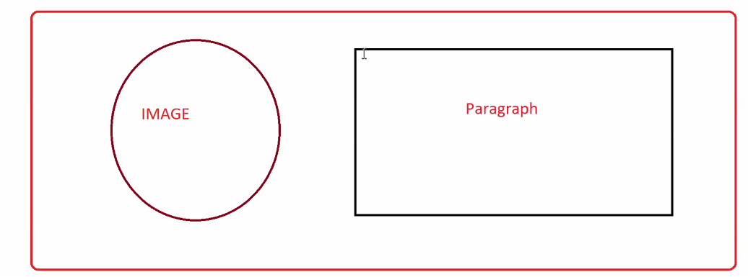 Create a bow with one image and paragraph | https://dilshaudayanperuvadathu.github.io/Apr22-Web-Fundamentals_Assignments/April/Week_4/Assignment_11/BoxWithImagePara.html
2022-04-27 | 12 | Abhishek Sir | Flex Box | https://drive.google.com/drive/folders/1iaP3v3sI6nc5-VYPDTHDJhddFuh_QfWa?usp=sharing
2022-04-28 | 13 | Kabir Sir | Flex Box | 