Analysis Results
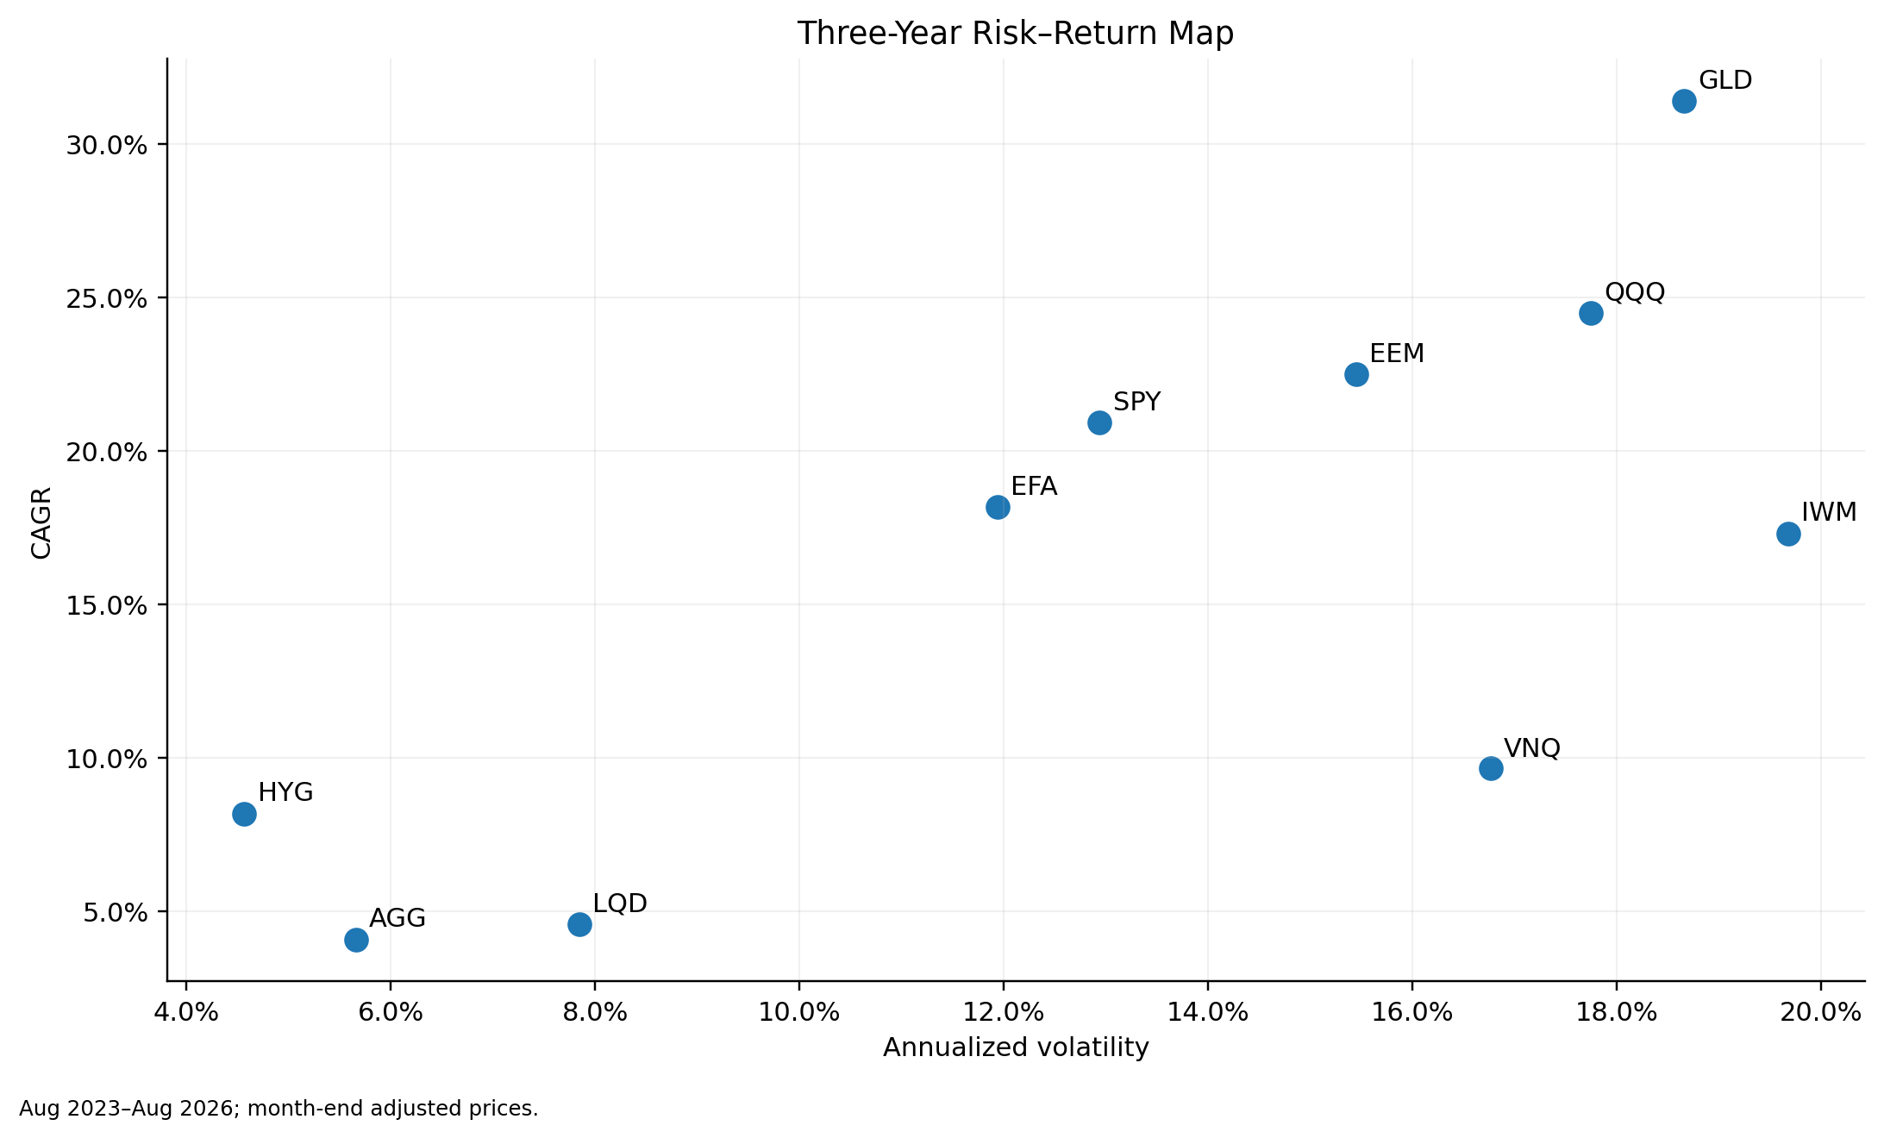
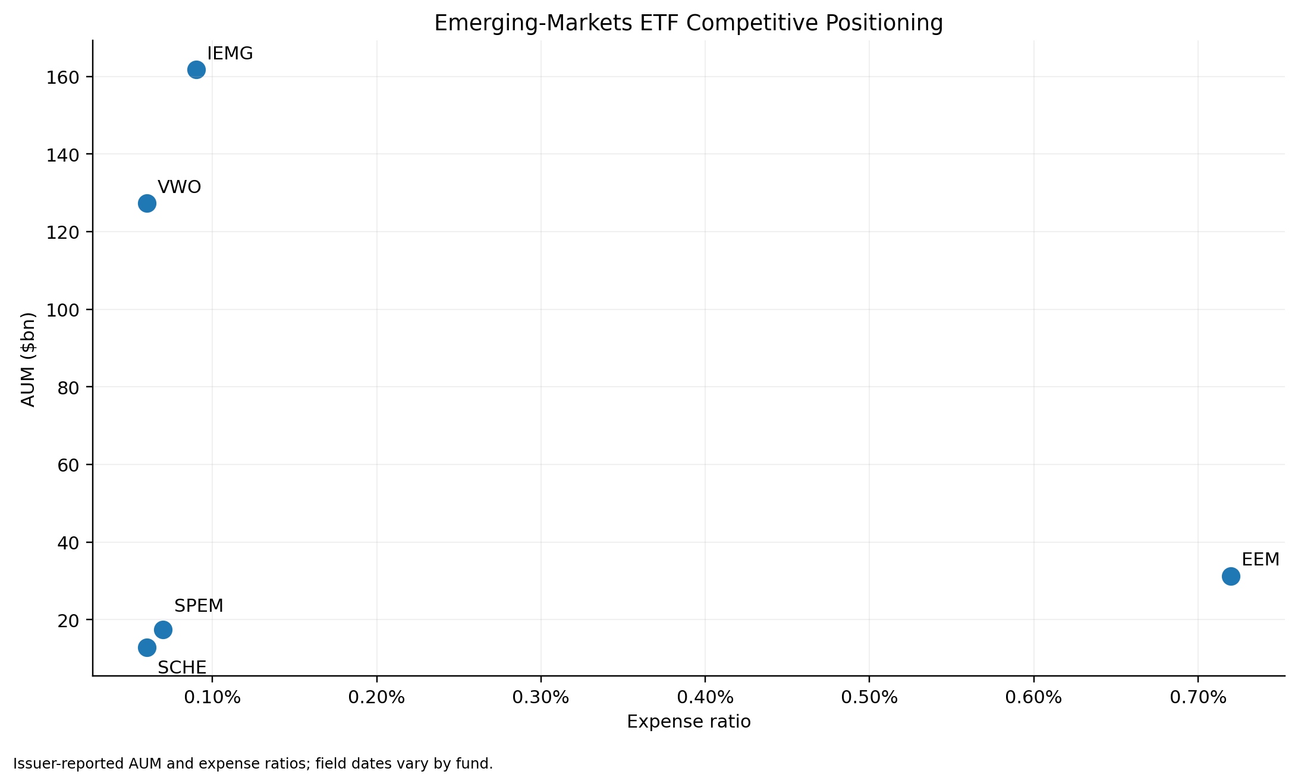
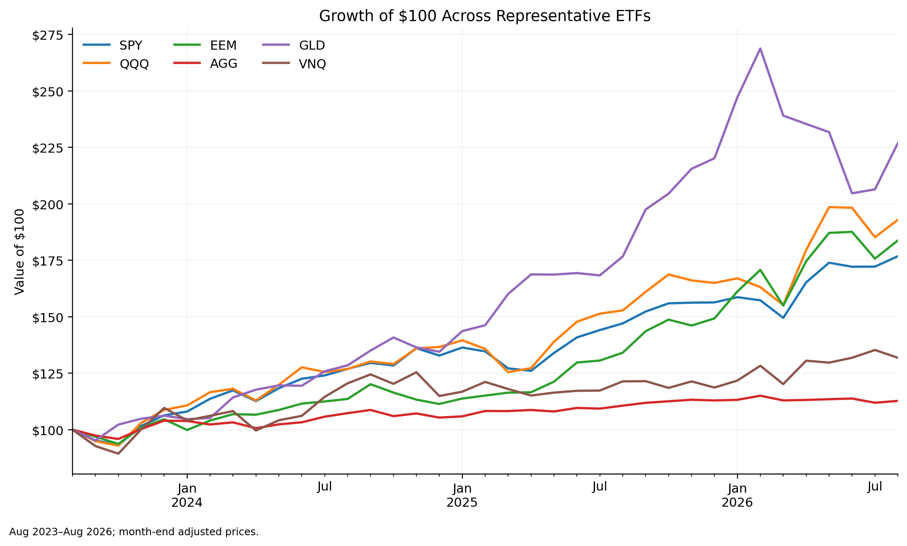
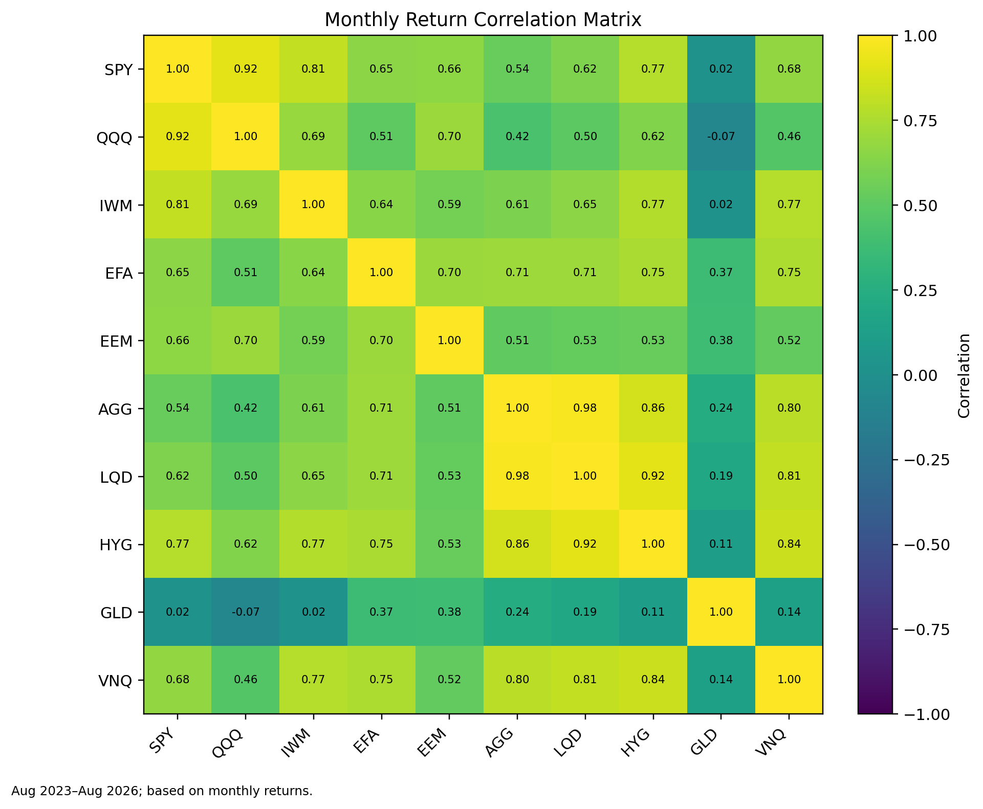
Analysis Results | Product Strategy + Multi-Asset Risk
Three-year window: Aug 2023–Aug 2026 | Month-end adjusted prices | Historical analysis, not an investment recommendation.

Key Findings

1 | EEM: 22.5% CAGR with 15.4% volatility and 0.79x beta to SPY — strong participation, but not a low-risk substitute for developed-market equity.
2 | SPY vs QQQ: QQQ added 3.6% of CAGR, while annualized volatility was 4.8% higher. The return premium came with materially more risk.
3 | GLD: 0.02 correlation with SPY, yet a 23.8% month-end drawdown. Diversification benefit and standalone risk are separate questions.
4 | Fixed income: AGG and LQD reduced volatility; HYG earned more but its 0.77 correlation with SPY shows meaningful risk-asset sensitivity.
5 | Product read-through: broad EM fees are compressed, so the more defensible entry point is differentiated systematic exposure rather than another low-cost beta clone.
Decision takeaway: the analysis supports testing differentiated product architecture, not competing on fee alone.
Charts

