Лист1
T | 120
r | 0.32
S(0) | 80000
S(t)=S(0)(1+rT)
S(t)= |  | 88533.333333

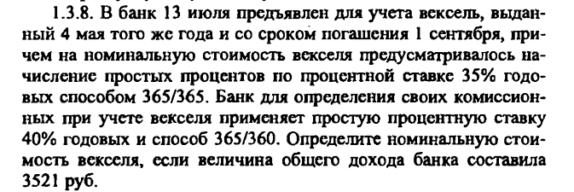

T | 121
r | 0.35
d | 0.4
t | 71
(1+rT)= |  |  | 1.1160273973
 | (1-dt)= | 0.92111111111
S(T)-S(t)=3521
 | S(T)-(S(T)* | 1.0279852359 | )=3521
 | -0.027985235921 | (S(T)) | 3521
 | S(T)= | 125816.34152
 | S(0)= | 115890.83013

S(0) | 40000
t | 20
S(T)-S(t) | 800
S(T)-(S(T)(1-dt))=800
S(0)dt(1+rT)=800
 | 40000 | d* | 0.055555555556 | (1+rT) | 800

