Лист1
r | 0.35 |  |  |  | S(t) | 19300.00000
T | 36.00 | 2019-03-28 | 2019-02-20
S(t)=S(0)(1+rT)
S(0)=S(t)/(1+rT) |  |  | 18647.3430
 | S(0)=
 | 652.65700483

d | 0.3
S(t) | 34216
S2(T) | 10000
T1 | 20.00 | 2023-06-09 | 2023-06-29 | 2023-07-23
T2 | 44
S(t)=S(T)(1-dT)
S2(0)= | 9633.3333333
S1(T)= | 24582.666667
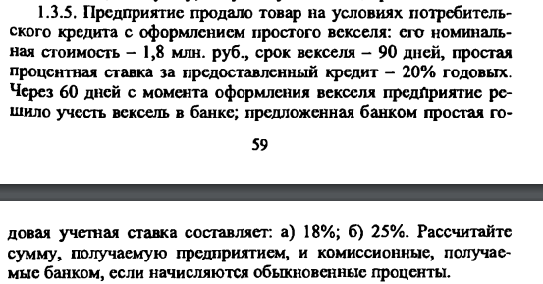

S(0) | 1800000
T | 90
r | 0.2
a) | d | 0.18
 | d | 0.25
Tуч | 60
S(T)=S(0)(1+rT)
S(t)=S(T)(1-dT)
S(T) | 1890000
S(t)а | 1833300 | 56700
S(t)б | 1811250 | 78750

S(0) | 80000
T | 120
r | 0.32

