Лист1
S(T) | 50
d | 0.3
T | 0.25
S(0) | 46.25

t1 | S(T)
0.33333333333 | 51.388888889
0.16666666667 | 48.684210526

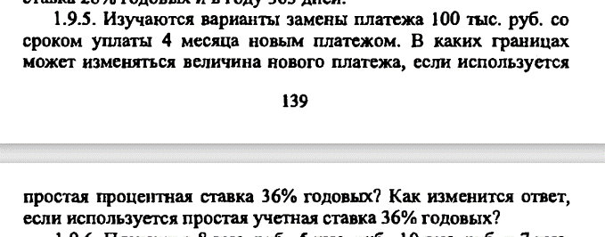

S(T) | 100
T | 0.33333333333
r | 0.36
d | 0.36 | S(0)d
S(0) | 89.285714286 | 88

t | S(T)r | S(T)d
1 | 91.964285714 | 90.721649485
2 | 94.642857143 | 93.617021277
3 | 97.321428571 | 96.703296703
4 | 100 | 100
5 | 102.67857143 | 103.52941176
6 | 105.35714286 | 107.31707317
7 | 108.03571429 | 111.39240506
8 | 110.71428571 | 115.78947368
9 | 113.39285714 | 120.54794521
10 | 116.07142857 | 125.71428571
11 | 118.75 | 131.34328358
12 | 121.42857143 | 137.5

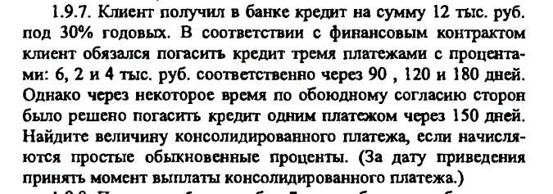

r | 0.3
S(T) | T | S(0) | S(0)s | t | S(t)
6 | 0.25 | 5.5813953488 | 10.877838037 | 0.41666666667 | 12.237567791
2 | 0.33333333333 | 1.8181818182
4 | 0.5 | 3.4782608696

r | 0.3
S(T) | T | S(0) | S(0)s | S(t) | t | t_дней
4 | 0.22222222222 | 3.75 | 22.076241135 | 25 | 0.44146387171 | 158.92699382
12 | 0.41666666667 | 10.666666667
9 | 0.58333333333 | 7.6595744681

r | 0.36
S(T) | T | S(0) | S(0)s | t | S(t)
12 | 0.5 | 10.169491525 | 33.761972915 | 0.5 | 39.83912804
12 | 1 | 8.8235294118
12 | 1.5 | 7.7922077922
12 | 2 | 6.976744186

