Лист1
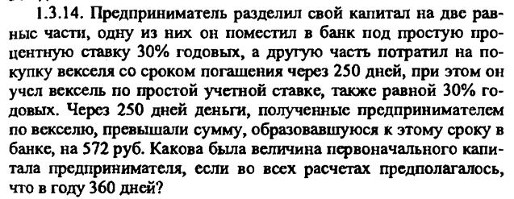

 | r1 | 0.3
 | d2 | 0.3
 | T2=T1 | 250
 | S2(T)-S1(T) | 572
 | S1(0)=S2(0)

 | (1+rT)(1-dT)= |  |  |  | 0.95659722222
 | 0.043402777778 |  | S1(T)= | 547.17361111
 |  |  | S1(T)= | 12606.88
 | S(0)= |  |  | 25213.76

 | S(0) | 50000
 | r | 0.24
 | T | 180
 | S(T)=S(0)(1+rT)
 | S(T) | 56000

 | r | 0.25
 | S(T) | 10000
 | T | 189
365/365
 | S(0)= | 8853.8508187
365/360
 | S(0)= | 8839.7790055
360/360
 | t= | 207
 | S(0)= | 8743.1693989

 | S(0) | 10000
 | r | 0.12
 | T | 4
 | S(T)= | 14800
 | S(1/4T)= | 11200
 | S(2/4T)= | 12400
 | S(3/4T)= | 13600

