3 - Results & Interpretation
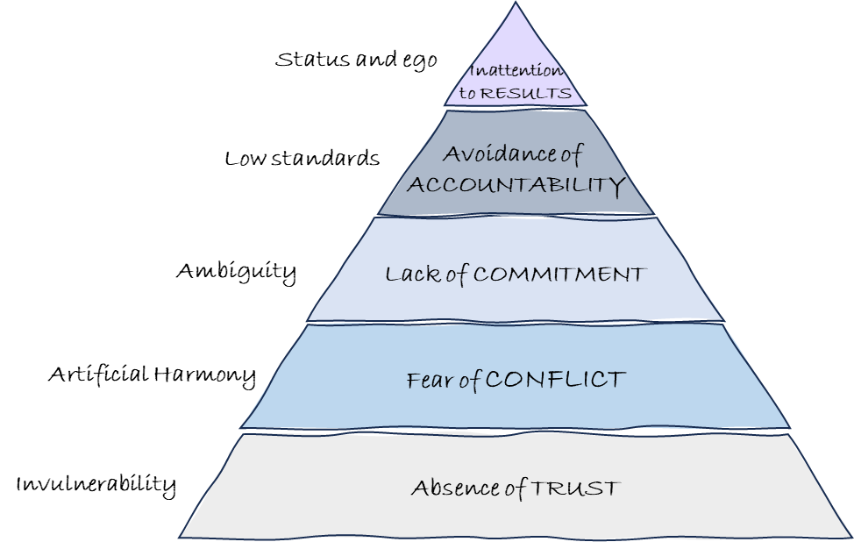
Assessment results |  | High ≥3.75 | Medium 3.25-3.74 | Low <3.25
ATTENTION TO RESULTS = | #VALUE! | Your team values collective outcomes more than individual recognition and attainment of status. | Members of your team may be placing too much importance on individual or departmental recognition and ego, rather than focusing on the collective goals of the team. | Your team needs to place greater value on the collective achievement of outcomes, rather than individual or departmental recognition and ego.
ACCOUNTABILITY = | #VALUE! | Your team does not hesitate to confront one another about performance and behavioural concerns. | Your team may be hesitating to confront one another about performance and behavioural concerns. | Your team hesitates to confront one another about performance and behavioural concerns.
COMMITMENT = | #VALUE! | Your team is able to buy-in to clear decisions leaving little room for ambiguity and second-guessing. | Your team may struggle at times to buy-in to clear decisions. This could be creating ambiguity within the organization. | Your team is not able to buy-in to clear decisions, leaving room for ambiguity and second-guessing.
HEALTHY CONFLICT = | #VALUE! | Your team is comfortable engaging in unfiltered discussion around important topics. | Your team may need to learn to engage in more unfiltered discussion around important topics. | Your team is not comfortable engaging in unfiltered discussion around important topics.
TRUST = | #VALUE! | Your team has created an environment where vulnerability and openness are the norm. | Your team may need to get more comfortable being vulnerable and open with one another about individual strengths, weaknesses, mistakes and needs for help. | Your team lacks necessary levels of openness and vulnerability about individual strengths, weaknesses, mistakes and needs for help.

