Лист1
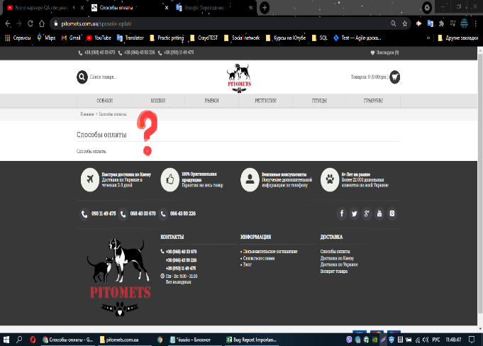
Module name: | Missing information page Payment method
 |  |  |  | Attachment
ID | 000.2 | Designed by: | Lutsenko D
Severity: | High | Designed date: | 2021-04-15
Priopity: | Medium | Environment: | Windows 10 Chrome
Discription: | There is no required information about the Payment Method.

Pre-conditions: | URL: https://pitomets.com.ua/
Data for testing:

 | Step | Expected Result | Actual Result
1 | Scroll down the page | The page about the information Payment method is opened. | Missing information page Payment method
2 | Click on the Payment Method in the Delivery section.

