Лист1
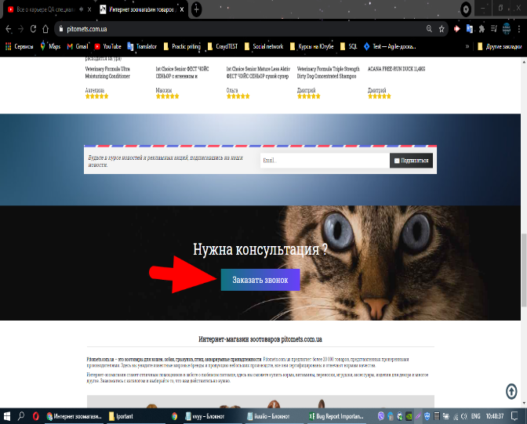
Module name:
 |  |  |  | Attachment
ID | 000.1 | Designed by: | Lutsenko D
Severity: | Critical | Designed date: | 2021-04-15
Priopity: | Medium | Environment: | Windows 10 Chrome
Discription: | Phone field validation does not work when entering characters.

Pre-conditions: | URL:https://pitomets.com.ua/
Data for testing:

 | Step | Expected Result | Actual Result
1 | Click on the Request a call button. | Validation in the telephone input should work. | The check on the telephone input does not work.
2 | Enter symbols in the phone input.
3 | Click on the "Order" button.

