GanttChard(Dev-Summarized)
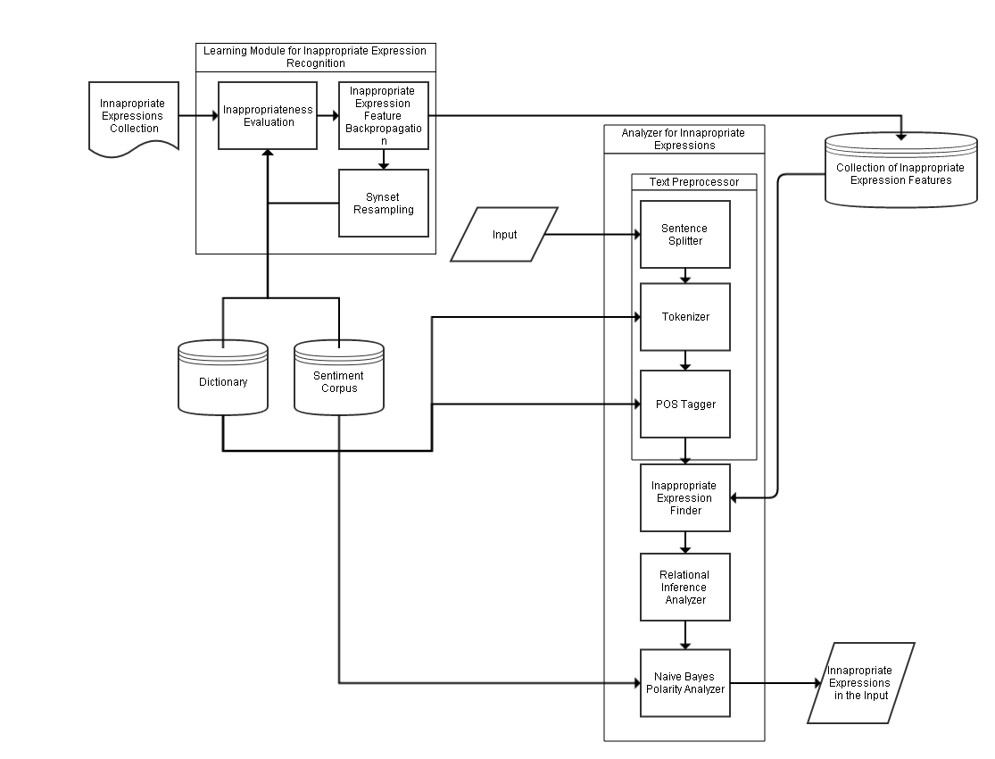
 | Week 1 | Week 2 | Week 3 | Week 4 | Week 5 | Week 6 | Week 7 | Week 8 | Week 9 | Week 10 | Week 11
 | October |  | November |  |  |  |  | December
Time/Task | 2015-10-19 | 2015-10-26 | 2015-11-02 | 2015-11-09 | 2015-11-16 | 2015-11-23 | 2015-11-30 | 2015-12-07 | 2015-12-14 | 2015-12-21 | 2015-12-28
Create Sentiment Analyzer Module
Create Word Normalizer
Create Learner Module
Recalibrate Relational Inference Analyzer
Modules Integration

