Selenium
 |  | Points :
 |  | 1 | Brefing |  |  |  |  | Click Here to See Respective Details |  |  | https://www.selenium.dev/documentation/overview/
 |  | 2 | WebDriver |  |  |  |  | Click Here to See Respective Details
 |  | 3 | Locators |  |  |  |  | Click Here to See Respective Details
 |  | 4 | WebElement(Types) |  |  |  |  | Click Here to See Respective Details
 |  | 5 | Advanced Concepts |  |  |  |  | Click Here to See Respective Details
 |  | 6 | Waits |  |  |  |  | Click Here to See Respective Details
 |  | 7 | TestNG |  |  |  |  | Click Here to See Respective Details
 |  | 8 | ScrollBy_Selenium |  |  |  |  | Click Here to See Respective Details
 |  | 9 | PageObjectMode(POM) |  |  |  |  | Click Here to See Respective Details
 |  | 10 | DataDriven |  |  |  |  | Click Here to See Respective Details
 |  | 11 | Selenim Exceptions |  |  |  |  | Click Here to See Respective Details
 |  | 12 | Log4j |  |  |  |  | Click Here to See Respective Details
 |  | 13 | 13 |  |  |  |  | Click Here to See Respective Details

Brefing

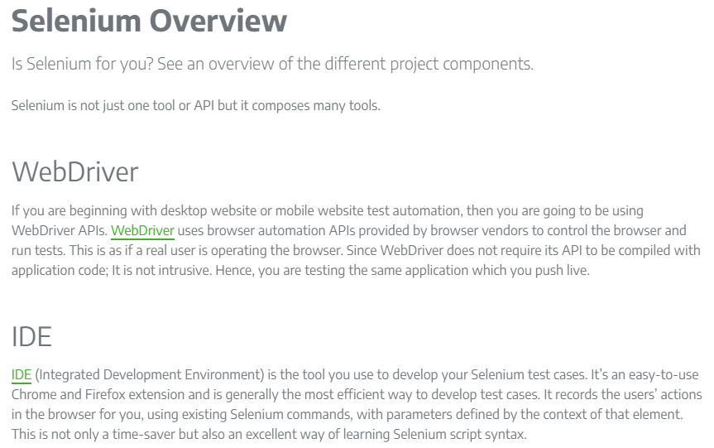

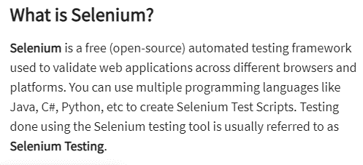

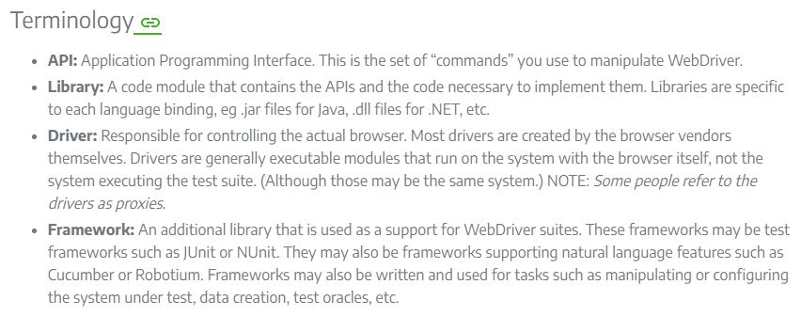

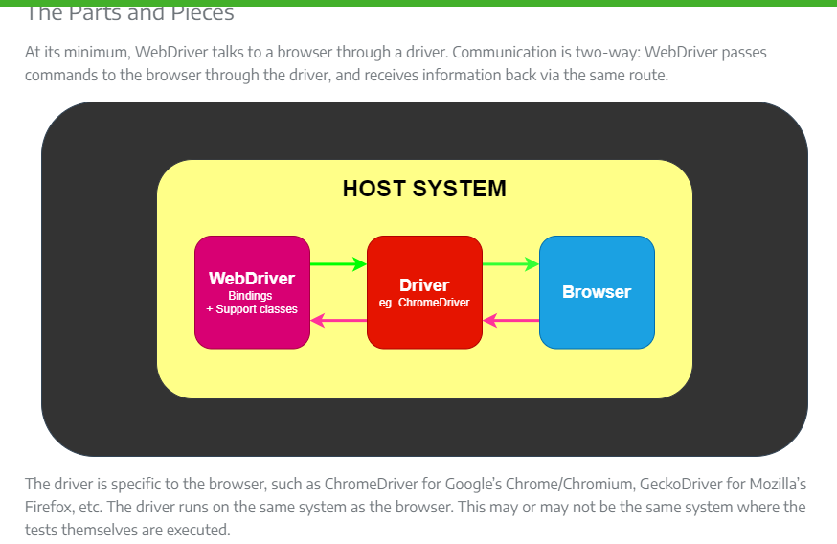

WebDriver

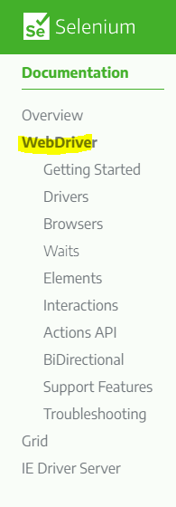

Getting Started

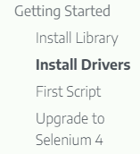

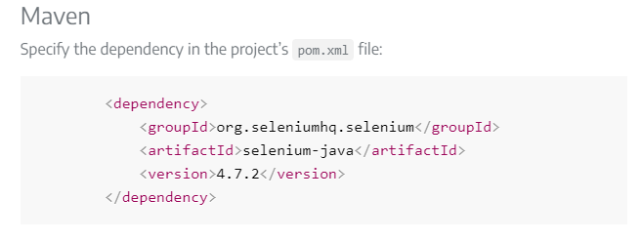
 | 1

 | 2

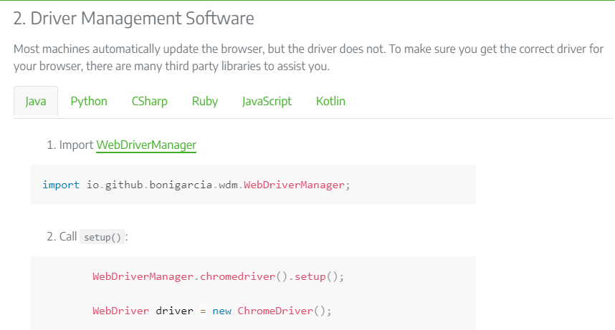

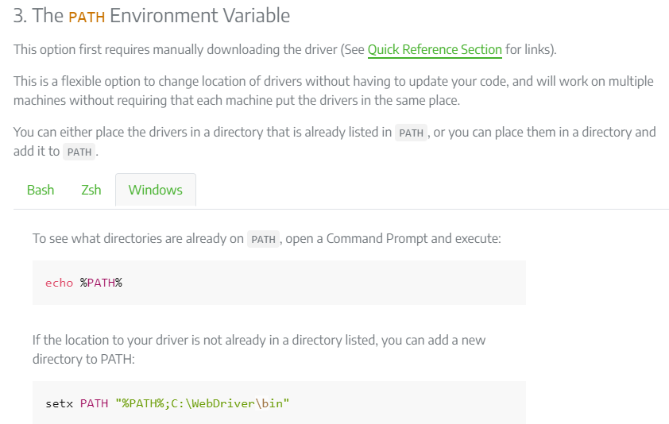

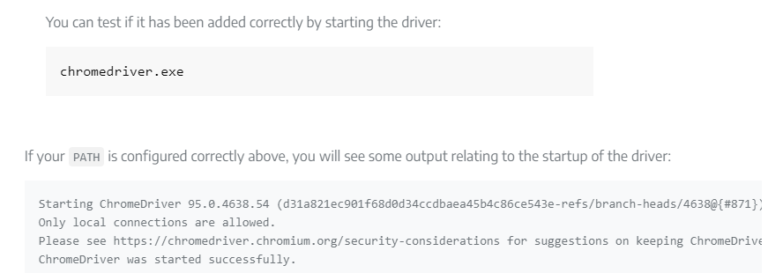

Locators

 |  |  |  |  | Syntax
 | 1 | Id | High Priority |  | driver.findElement(By.id("elementId"));
 | 2 | Name |  |  | driver.findElement(By.name("elementName"));
 | 3 | ClassName |  |  | driver.findElement(By.className("className"));
 | 4 | TagName |  |  | driver.findElement(By.tagName("elementTagName"));
 | 5 | LinkText |  |  | driver.findElement(By.linkText("linkText"));
 | 6 | PartialLinkText |  |  | driver.findElement(By.partialLinkText("partialText"));
 | 7 | CssSelector(CascadeStyleSheet) |  |  | driver.findElement(By.cssSelector(".className"));
 | 8 | Xpath |  |  | driver.findElement(By.xpath("xPath"));

 |  |  |  |  | Document Object Model (DOM)

Xpath

 | 1 | Abosolute Xpath
 | 2 | Relative Xpath

 | 1. Abosolute OR Full Xpath : Stared with Single Slash

 | Syntax | /html/body/div/div/main/div/div[1].

 | 2. Relative Xpath : Stared with Double Slash

 | Syntax | //ElementName[@Attribute='Value'] |  | <-- Imp for Dynamic Xpaths
 |  | //*[@id="tags-standard"]

 | i | By Visible Text : (Exact Match)
 |  | //*[text()='Business Entity']

 | ii | By Visible Text : (Partial Match)
 |  | //*[contains(text(),'Business')]

 | iii | By Multiple Attributes :
 |  | //*[@id='Business Entity'][@name='BEntity'][@class='BE']

 | iv | By starts-with
 |  | //*[starts-with(text(),'Business')]

 | v | By Dynamic Attribute Values
 |  | //*[contains(@attribute,'part of the values')]
 |  | //*[starts-with(@attribute,'Fixed Prefix of the values')]

 | vi | Locating Elements Relative to Known Element.
 |  | //*[contains(text(),'MuiPickersYear')]
 |  | //*[contains(@class,'MuiTypography-alignCenter')]

WebElement(Types)

 | Syntax To Store a Web Element :
 |  | WebElement element = driver.finElement(By.id("value"))
 |  | (Its an 'Interface')

 | Common WebElments
 | 1 | Text Box |  |  |  |  |  | Click Here to See Respective Details
 | 2 | Radio Btns & Check Box |  |  |  |  |  | Click Here to See Respective Details
 | 3 | Dropdowns |  |  |  |  |  | Click Here to See Respective Details
 | 4 | Buttons |  |  |  |  |  | Click Here to See Respective Details
 | 5 | Links |  |  |  |  |  | Click Here to See Respective Details
 | 6 | Alert |  |  |  |  |  | Click Here to See Respective Details

Text Box

 | Preferred Locators :
 | 1 | Id
 | 2 | Name
 | 3 | ClassName
 | 4 | Xpath

 | Frequent Methods Used Upon :
 |  | sendKeys()
 |  | clear()
 |  | getAttributes() | to get defaulted value
 |  | getText()
 |  | isEnabled() | Returns 'True' if Enabled, Else 'False' If Disabled.

Radio Btns & Check Box

 | Preferred Locators :
 | 1 | Id
 | 2 | Name
 | 3 | ClassName
 | 4 | Xpath

 | Frequent Methods Used Upon :
 |  | click()
 |  | isSelected()

Dropdowns

 | Preferred Locators :
 | 1 | Id
 | 2 | Name
 | 3 | ClassName
 | 4 | Xpath

 | Special Case
 |  | "Select" | -> Class
 |  |  | Dropdown HTML Tag - 'Select'
 |  |  | Syntax : Select drpdwn = new Select(element);

 | Frequent Methods Used Upon :
 |  | selectByIndex()
 |  | selectByValue()
 |  | selectByVisibleText()

 |  | getOptions() | Returns "List<WebElement>"

 |  | deSelectByIndex()
 |  | deSelectByValue()
 |  | deSelectByVisibleText()

Buttons

 | Preferred Locators :
 | 1 | Id
 | 2 | Name
 | 3 | ClassName
 | 4 | TagName
 | 5 | Xpath

 | Frequent Methods Used Upon :
 |  | click()

 |  | getLocation() | a. Find Postion.
 |  |  | b. Returns 'Point'-Class(Returned Value Combined of 'X', 'Y')
 |  |  | c. To Split It, getLocation().getX() - Returns 'int', getLocation().getY() - Returns 'int')

 |  | getCssValue() | Find Color(CSS Properties)(Ex : getCssValue("background-color"))

 |  | getSize() | Find Size.
 |  |  | Returns 'int'-Class (Height[getSize().getHeight()] & Width[getSize().getWidth()])

Links

 | Preferred Locators :
 | 1 | LinkText
 | 2 | PartialLinkText

 | Frequent Methods Used Upon :
 |  | click()

Alert

 | Preferred Locators :
 | 1 | Id
 | 2 | Name
 | 3 | ClassName
 | 4 | Xpath

 | Special Case
 |  | "Alert" | -> Interface
 |  |  | Syntax : Alert alert = driver.switchTo().alert();

 | Different Types in Alerts
 | 1 | Alert Box | -> Only one option, like "Ok"
 | 2 | Confirm Box | -> Two option, like "Ok", "Cancel"
 | 3 | Prompt Box | -> Two option, like "Ok", "Cancel" With "SendKeys"

 | Frequent Methods Used Upon :
 |  | click()
 |  | switchTo()
 |  | alert()

 |  | getText()
 |  | sendKeys()

 |  | accept()
 |  | dismiss()

Advanced Concepts

 | 1 | Window Handling |  |  |  |  |  | Click Here to See Respective Details
 | 2 | Drag&Drop("Actions") |  |  |  |  |  | Click Here to See Respective Details
 | 3 | File Download |  |  |  |  |  | Click Here to See Respective Details
 | 4 | File Upload |  |  |  |  |  | Click Here to See Respective Details
 | 5 | Calenders |  |  |  |  |  | Click Here to See Respective Details
 | 6 | ScreenShot |  |  |  |  |  | Click Here to See Respective Details
 | 7 | Working With 'Tables' |  |  |  |  |  | Click Here to See Respective Details

Window Handling

 | Frequent Methods Used Upon :
 |  | getWindowHandle()
 |  | getWindowHandles()

 |  | switchTo()
 |  | close()

Drag&Drop("Actions")

 | Special Case
 |  | "Actions" | -> Class
 |  |  | Syntax : Actions actions = new Actions(driver);

 | Frequent Methods Used Upon "Actions" :
 | Way '1'
 |  | clickAndHold(from_element)
 |  | moveToElement(to_element)
 |  | release()
 |  | build() | build, perform should be Mandatory for 'Actions' execution. If Not Function Not Performed.
 |  | perform()

 | Way '2'
 |  | dragAndDrop(Source, target)
 |  | build()
 |  | perform()

 | Other "Actions" Method
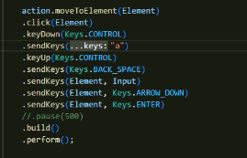

 | Notes

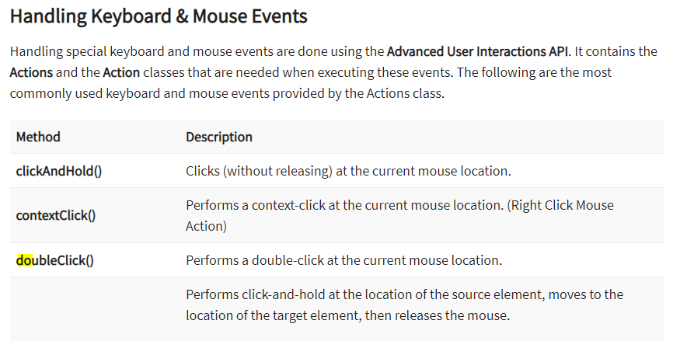

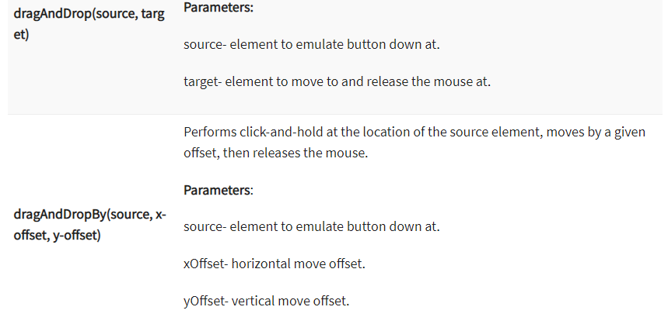

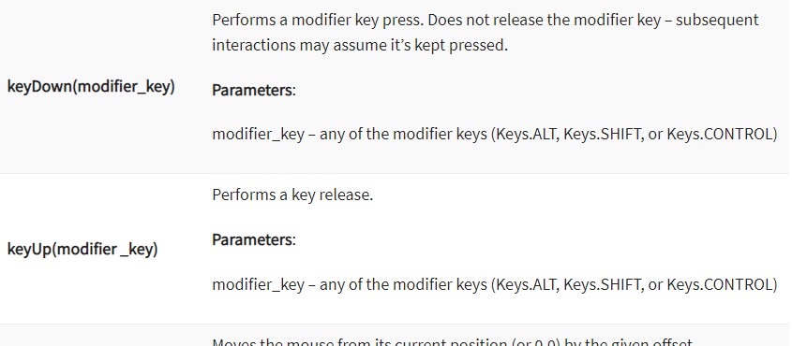

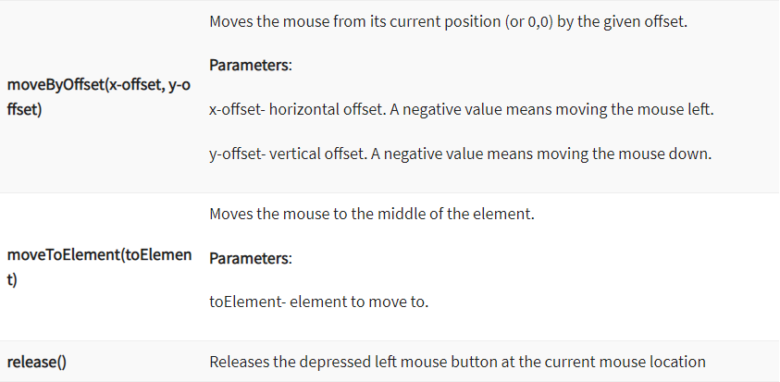

File Download

 | Notes
 |  | "Selenium" Doesnot Supports "Window" Opertions, As It is Automate the Browser Only
 |  | To Verify File is Downloaded, We can Use Java to Achieve that.

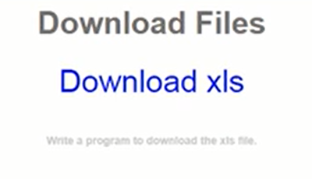

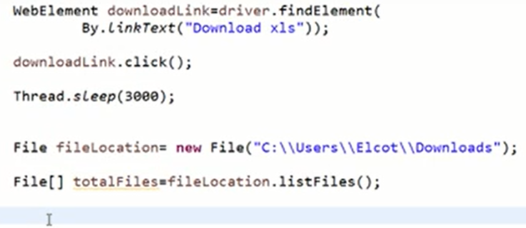

File Upload

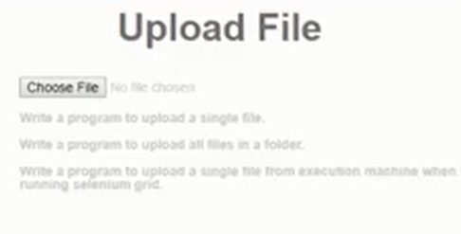

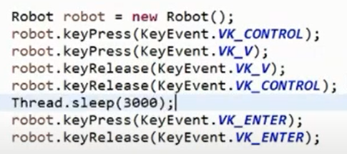

 |  |  |  |  |  |  | "VK_" --> Virtual Keys

 | Notes
 | 1 | StringSelection

 | 2 | Toolkit | Windows Settings

 | 3 | getDefaultToolKit() | Windows Default Settings

 | 4 | getSystemClipboard() | Using Clipboard to Copy/Pase the File Location to Windows.

 | 5 | setContents() | Insert Value into 'Clipboard' For Copy/Paste Purpose.

 | Diffr Btw "Actions" AND "Robot" - Classes
 | 1 | Both is Used to Simulate "Mouse Actions" & "Keyboard Actions"
 | 2 | "Actions" - Suitable For 'WebBasedActions" in Browser
 | 3 | "Robot" - Suitable For 'WindowsBasedActions" Using "Virtual Keyboard"

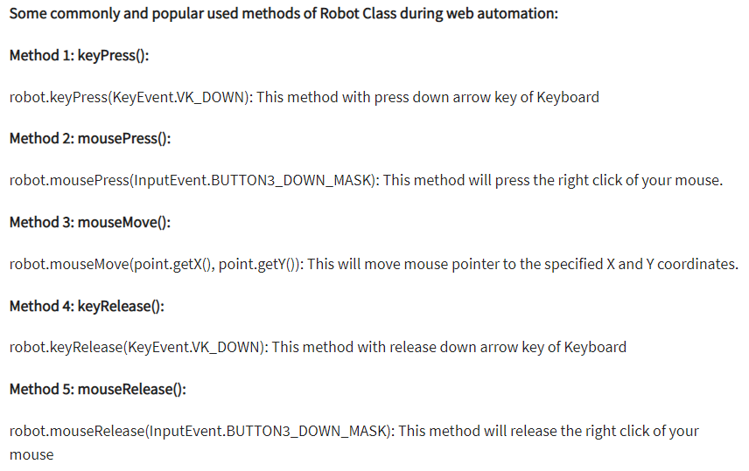

Calenders

 |  | Refer the Codes

ScreenShot

Working With 'Tables'

Waits

 | 1 | Implicit Wait
 | 2 | Explicit Wait
 | 3 | Fluent Wait

Implicit Wait

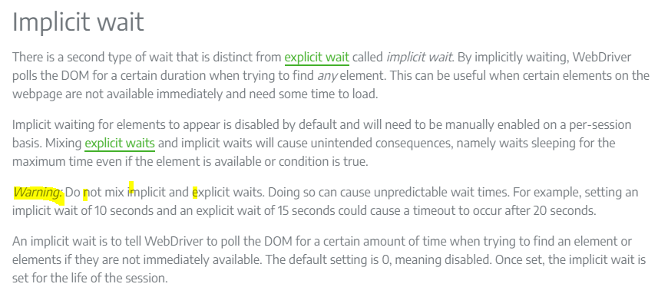

 | Syntax
 |  | WebDriver driver = new FirefoxDriver();
 |  | driver.manage().timeouts().implicitlyWait(Duration.ofSeconds(10));
 |  | driver.get("http://somedomain/url_that_delays_loading");
 |  | WebElement myDynamicElement = driver.findElement(By.id("myDynamicElement"));

Explicit Wait

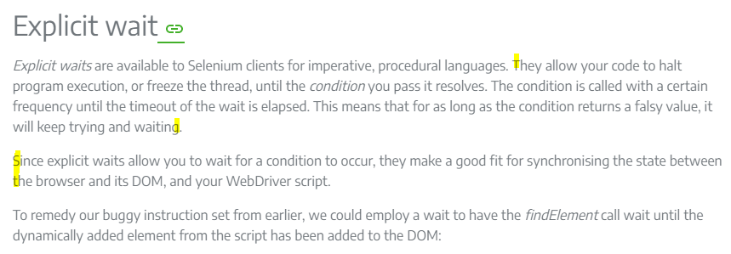

 | Syntax | WebDriver driver = new ChromeDriver();
 |  | driver.get("https://google.com/ncr");
 |  | driver.findElement(By.name("q")).sendKeys("cheese" + Keys.ENTER);
 |  | // Initialize and wait till element(link) became clickable - timeout in 10 seconds
 |  | WebElement firstResult = new WebDriverWait(driver, Duration.ofSeconds(10))
 |  | .until(ExpectedConditions.elementToBeClickable(By.xpath("//a/h3")));
 |  | // Print the first result
 |  | System.out.println(firstResult.getText());

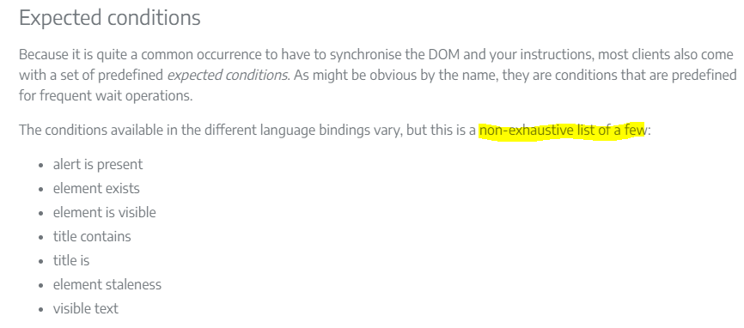

 | The followings are Some of Expected Conditions that can be used in Selenium Explicit Wait
 | 1 | alertIsPresent()
 |  |  |  |  | Refer For More Conditions
 | 2 | elementSelectionStateToBe() |  |  | https://seleniumhq.github.io/selenium/docs/api/java/org/openqa/selenium/support/ui/ExpectedConditions.html
 | 3 | elementToBeClickable()
 | 4 | elementToBeSelected()
 | 5 | frameToBeAvaliableAndSwitchToIt()
 | 6 | invisibilityOfTheElementLocated()
 | 7 | invisibilityOfElementWithText()

 | 8 | presenceOfAllElementsLocatedBy()
 | 9 | presenceOfElementLocated()
 | 10 | textToBePresentInElement()
 | 11 | textToBePresentInElementLocated()
 | 12 | textToBePresentInElementValue()

 | 13 | titleIs()
 | 14 | titleContains()

 | 15 | visibilityOf()
 | 16 | visibilityOfAllElements()
 | 17 | visibilityOfAllElementsLocatedBy()
 | 18 | visibilityOfElementLocated()

Fluent Wait

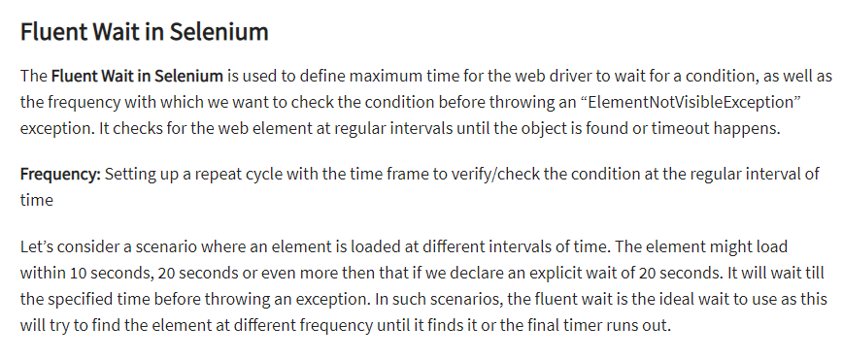

 | Syntax | // Waiting 30 seconds for an element to be present on the page, checking for its presence once every 5 seconds.
 |  | Wait<WebDriver> wait = new FluentWait<WebDriver>(driver)
 |  | .withTimeout(Duration.ofSeconds(30))
 |  | .pollingEvery(Duration.ofSeconds(5))
 |  | .ignoring(NoSuchElementException.class);

 |  | WebElement foo = wait.until(driver -> {
 |  | return driver.findElement(By.id("foo"));
 |  | });

TestNG

 | Order Of Excecution : |  |  | In Eclipse -> Before Run TestNG Tests, Need "TestNG Plugin For Eclipse" From Marketplace.
 | 1 | @BeforeSuite
 | 2 | @BeforeTest
 | 3 | @BeforeClass
 | 4 | @BeforeMethod |  |  | https://www.toolsqa.com/testng/testng-reports/

 | 5 | @Test |  |  | https://www.guru99.com/all-about-testng-and-selenium.html

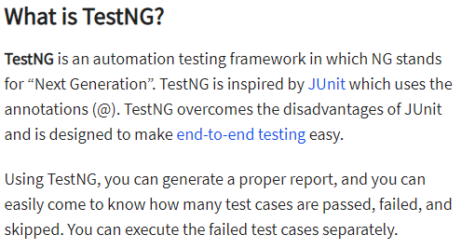
 | 6 | @AfterMethod
 | 7 | @AfterClass
 | 8 | @AfterTest
 | 9 | @AfterSuite

 | NOTES :
 |  | @Test(priority=0)
 |  | @Test(priority=0,enabled=false)
 |  | @Test(dependsOnMethods="login")

ScrollBy_Selenium

 | We've Two Options :
 | 1 | JavascriptExecutor
 | 2 | Robot Class

 | 1. BY JavascriptExecutor
 |  | Can Use Either "scrollBy(X,Y)" OR "scroll(x,y)
 |  | scrollBy(X,Y). Here, 'X'-Horizontal Scroll, 'Y'-Vertical Scroll. |  |  |  | For Scroll Down Value Would Be '+plus'
 |  |  |  |  |  | For Scroll Up Value Would Be '-Minus'

 | i | Scroll to Bottom Of a page
 |  | (window.scrollTo(0,document.body.scrollHeight)

 | ii | Scroll to Top Of a page
 |  | (window.scrollTo(0,0)

 | iii | Scroll To Particular Element
 |  | ("arguments[0].scrollIntoView(true);",element)

 | 2. BY Robot Class
 |  | Robot robot = new Robot();
 |  | robot.KeyPress(KeyEvent.VK_PAGE_DOWN)
 |  | robot.KeyRelease(KeyEvent.VK_PAGE_DOWN)

PageObjectMode(POM)

 |  | POM Class: "Login_Elements"
 |  | @FindBy(xpath="")
 |  | public static WebElement username; //NOTE : 'static' is must For PageFactory.

 |  | Test Case Class : "Login"
 |  | PageFactory.initElements(driver, Login_Elements.class);

 |  | Login_Elements.username.sendKeys("Test");

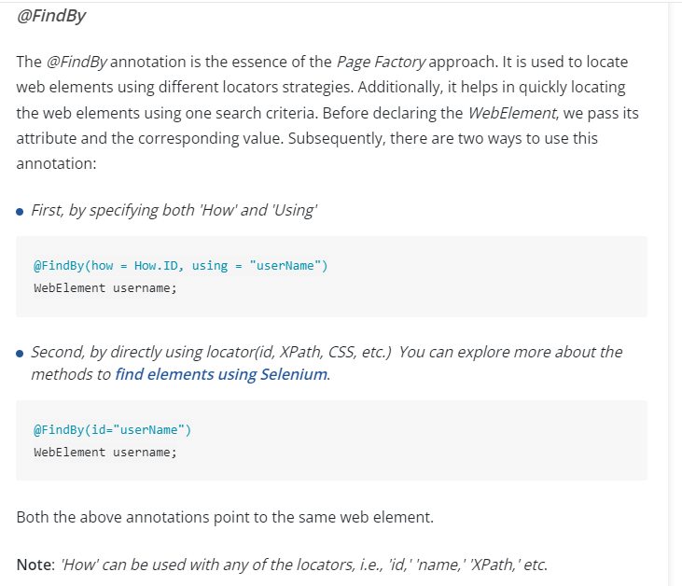

 | Notes :

 | 1 | We Can Find the Element Without Using "driver.findElements(by.xpath(""))", By Using 'PageFactory'(i.e, @FindBy).

 | 2 | We Even Also Find Element Without "@FindBy".
 | i | i. POM First Looking the "id" & then "class" By Using 'varible'-name of WebElement(i.e "WebElement loginBtn" - Here, the Actual '@id=loginBtn'.)
 | ii | Thats the Reason We Always look For "id" & "class".

 | 3 | @Findby - Can Applicable Both "findElement" & "findElements"
 | i | It Can be Differentiated by "Declaring the WebElement Varible"
 | ii | Ex :
 |  | WebElement element; -> Will Return Single Element(i.e 'findElement' Concept)
 |  | List<WebElement> element; -> Will Return Multiple Elements(i.e 'findElements' Concept)

 | 4 | Few More Annotations also there like blw.
 |  | @FindBys
 |  | @FindAll

 | @FindBys |  |  |  |  |  |  |  | @FindAll
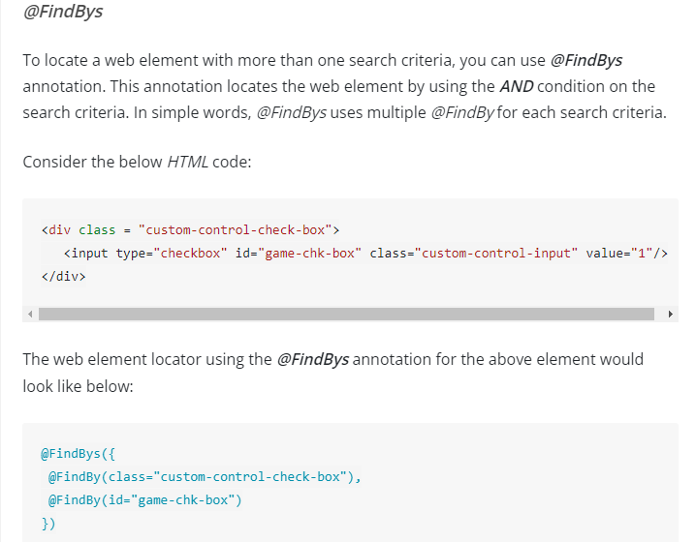
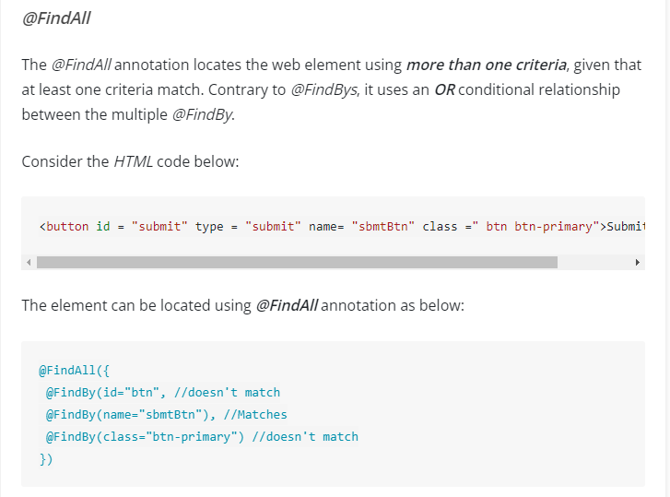

DataDriven

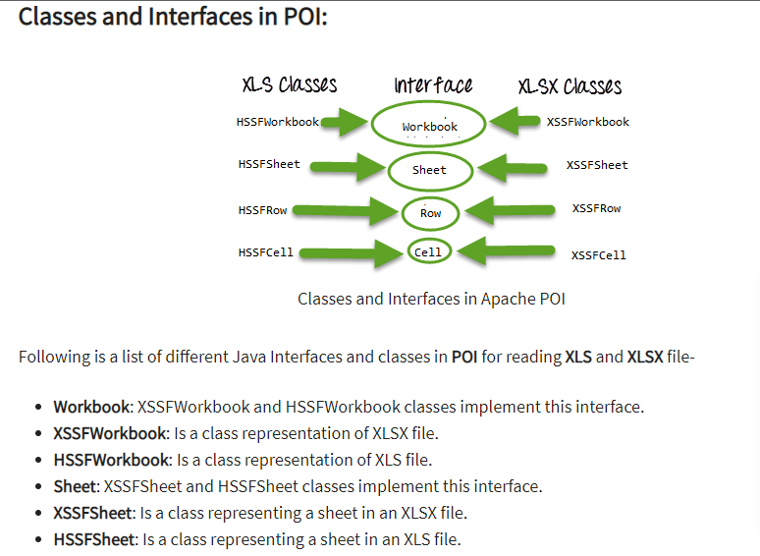
 |  |  |  |  |  |  |  |  |  | https://www.toolsqa.com/selenium-webdriver/keyword-driven-framework/data-driven-technique/

Selenim Exceptions

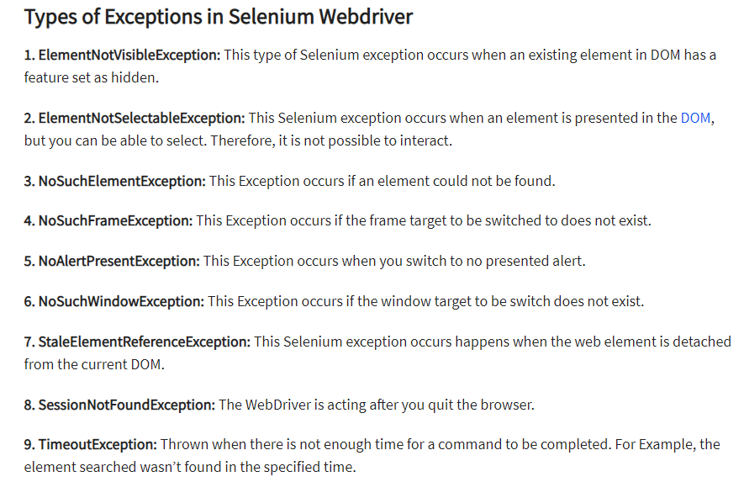

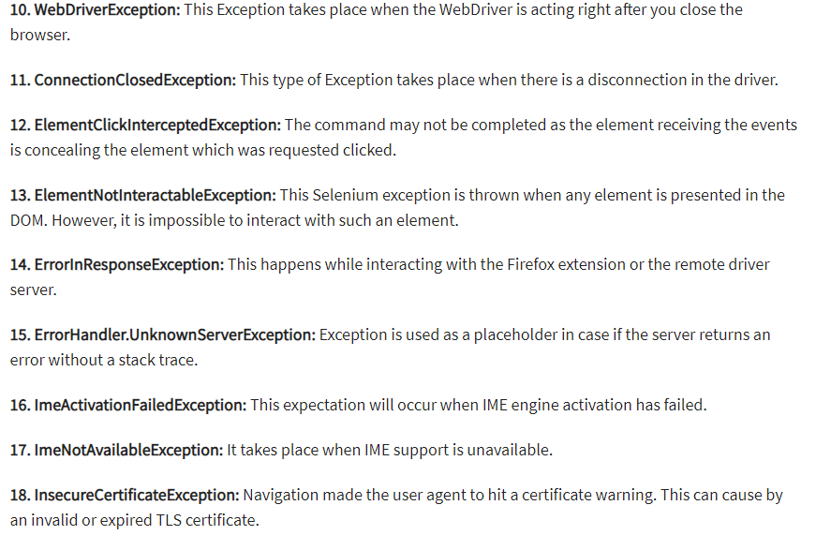

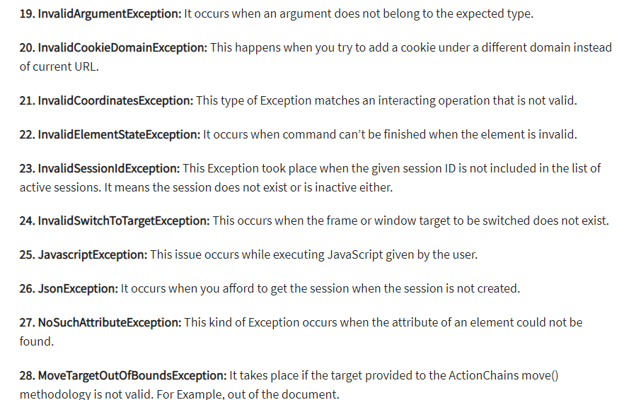

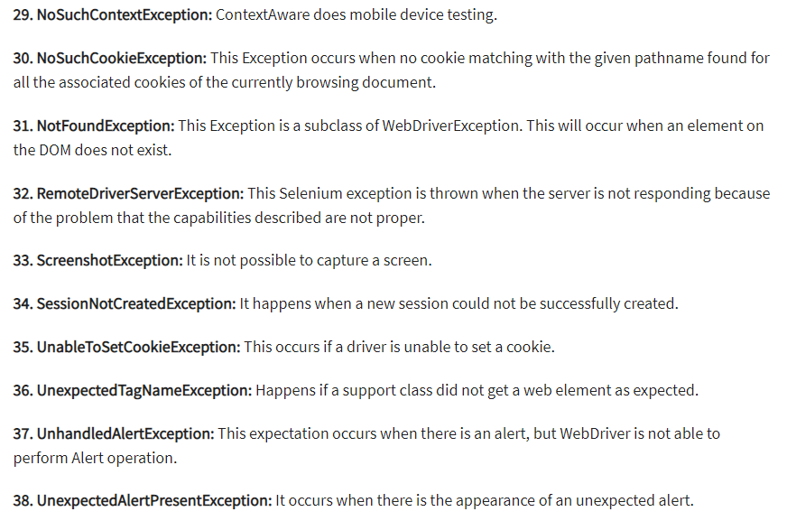

Log4j

 |  | https://www.toolsqa.com/selenium-webdriver/keyword-driven-framework/log4j-logging/

13

