Sheet1
列1 | 列2
于欣烈 | https://www.zhihu.com/people/yuxinlie
陆丁 | https://www.zhihu.com/people/lu-ding
刘淳 | https://www.zhihu.com/people/imason
周中石 | https://www.zhihu.com/people/vinciarts
赵杨 | https://www.zhihu.com/people/zhaoyang
周士钧 | https://www.zhihu.com/people/shijun
mimiqiao | https://www.zhihu.com/people/mimiqiao
Fenng | https://www.zhihu.com/people/fenng
黄海均 | https://www.zhihu.com/people/oxygen
米嘉 | https://www.zhihu.com/people/mijia
李雪 | https://www.zhihu.com/people/Xue
luliang | https://www.zhihu.com/people/luliang
Yucy | https://www.zhihu.com/people/yucy
宋星 | https://www.zhihu.com/people/song-xing
启冲 | https://www.zhihu.com/people/qichong
张小白 | https://www.zhihu.com/people/david
苏昌茂 | https://www.zhihu.com/people/suchangmao
涛吴 | https://www.zhihu.com/people/Metaphox
liyong03 | https://www.zhihu.com/people/liyong03
杨沛 | https://www.zhihu.com/people/ungetting
JackFeng | https://www.zhihu.com/people/jackfeng
困困 | https://www.zhihu.com/people/kun-kun
姚俊杰 | https://www.zhihu.com/people/snowland
小诺诺 | https://www.zhihu.com/people/smallnuo
李作刚 | https://www.zhihu.com/people/leegang
刘白光 | https://www.zhihu.com/people/lightory
laopan233 | https://www.zhihu.com/people/laopan233
黄海旻 | https://www.zhihu.com/people/bruce
岳占仁 | https://www.zhihu.com/people/yuezhanren
黄小毛 | https://www.zhihu.com/people/alex
李戎 | https://www.zhihu.com/people/mikko
Linda Jiang | https://www.zhihu.com/people/linda-jiang
DING YI | https://www.zhihu.com/people/deeyee
Blau | https://www.zhihu.com/people/blau
穆黎森 | https://www.zhihu.com/people/mu-li-sen
shellcode | https://www.zhihu.com/people/shellcode
殷建东 | https://www.zhihu.com/people/linklion
郅帅杰 | https://www.zhihu.com/people/JoeyZhi
杨小光 | https://www.zhihu.com/people/shawn
董铭轩 | https://www.zhihu.com/people/dong-ming-xuan
万峰 | https://www.zhihu.com/people/HeyWfs
于佳 | https://www.zhihu.com/people/yu-jia
吕杰爵 | https://www.zhihu.com/people/J-Lui
背包 | https://www.zhihu.com/people/hanling
张晨晖 | https://www.zhihu.com/people/zhang-chen-hui
熊自诚 | https://www.zhihu.com/people/xiongharry
OurDearAmy | https://www.zhihu.com/people/ourdearamy
skyxqc | https://www.zhihu.com/people/skyxqc
TtForward | https://www.zhihu.com/people/TtForward
安在 | https://www.zhihu.com/people/anzai3
达叔 | https://www.zhihu.com/people/li-da
kentzhu | https://www.zhihu.com/people/kentzhu
王柯 | https://www.zhihu.com/people/wang
shane.liu | https://www.zhihu.com/people/shane.liu
暖鱼 | https://www.zhihu.com/people/liang
康伟 | https://www.zhihu.com/people/kang-wei
王瓏錫 | https://www.zhihu.com/people/wanglongxi
骆永华 | https://www.zhihu.com/people/luo-yong-hua
睡袋熊 | https://www.zhihu.com/people/garfield
微子 | https://www.zhihu.com/people/changsheng
麦田 | https://www.zhihu.com/people/maitian
大头马 | https://www.zhihu.com/people/datouma
一丁 | https://www.zhihu.com/people/yiding-28-23
野果子 | https://www.zhihu.com/people/ture
阿企 | https://www.zhihu.com/people/livevol
heymi | https://www.zhihu.com/people/heymi
EcSeeker林少勇 | https://www.zhihu.com/people/ecseeker
猎国博士 | https://www.zhihu.com/people/mifan
pmpan | https://www.zhihu.com/people/pmpan
肖利民 | https://www.zhihu.com/people/xiaolimin
周勇亮 | https://www.zhihu.com/people/zhou-yong-liang
Jophie | https://www.zhihu.com/people/jophie
王立洲 | https://www.zhihu.com/people/wanglizhou
DingLi | https://www.zhihu.com/people/dingli
吕晋 | https://www.zhihu.com/people/udoo
香蕉痞 | https://www.zhihu.com/people/xjpp
王新宇 | https://www.zhihu.com/people/master
刘新征 | https://www.zhihu.com/people/liuxinzheng
杨洋 | https://www.zhihu.com/people/yangyang
孙昱 | https://www.zhihu.com/people/sunyu
小气的神 | https://www.zhihu.com/people/mobile
明城 | https://www.zhihu.com/people/mingcheng
郭瑾 | https://www.zhihu.com/people/guo-jin
日色提 | https://www.zhihu.com/people/riset
唐兴通 | https://www.zhihu.com/people/along5418
NullPointer | https://www.zhihu.com/people/nullpointer
Thruth | https://www.zhihu.com/people/Thruth
劣松 | https://www.zhihu.com/people/lyingsong
琉森 | https://www.zhihu.com/people/luzern
刘江 | https://www.zhihu.com/people/liujiang
耿新跃 | https://www.zhihu.com/people/flycondor
苏娟 | https://www.zhihu.com/people/susuhere
刘悦 | https://www.zhihu.com/people/cdma2000
毛小萦 | https://www.zhihu.com/people/mao-xiao-ying
张昭 | https://www.zhihu.com/people/zoezhang
陈浩 | https://www.zhihu.com/people/haohappy
高欣艺 | https://www.zhihu.com/people/abjkl
ahlon | https://www.zhihu.com/people/ahlon
黑马 | https://www.zhihu.com/people/ichifan
老哈 | https://www.zhihu.com/people/laoha
周正麦 | https://www.zhihu.com/people/zhou-zheng-mai
pigtwo | https://www.zhihu.com/people/pigtwo
秦亚非 | https://www.zhihu.com/people/micy
晨闻曦月 | https://www.zhihu.com/people/chenwenxiyue
于利宁 | https://www.zhihu.com/people/gelivable
吴达 | https://www.zhihu.com/people/wuda
iPaid | https://www.zhihu.com/people/iPaid
愆伏 | https://www.zhihu.com/people/tortorse
邹游 | https://www.zhihu.com/people/zouyou
顾惜朝 | https://www.zhihu.com/people/guxizhao
王守崑 | https://www.zhihu.com/people/wangshoukun
qichangxing | https://www.zhihu.com/people/qichangxing
吴钊 | https://www.zhihu.com/people/mg12
程三国 | https://www.zhihu.com/people/cheng-san-guo
杨林 | https://www.zhihu.com/people/yanglin13
AlpLee | https://www.zhihu.com/people/alplee
三皮 | https://www.zhihu.com/people/san-pi
Vingel | https://www.zhihu.com/people/vingel
贾鹏 | https://www.zhihu.com/people/jia-peng
路人甲 | https://www.zhihu.com/people/royxiao
张升 | https://www.zhihu.com/people/huasheng
刘静 | https://www.zhihu.com/people/liujing
抽屉(chouti) | https://www.zhihu.com/people/chouti
chel | https://www.zhihu.com/people/chel
黄劲 | https://www.zhihu.com/people/huang-jing
孟爽paula | https://www.zhihu.com/people/meng-shuang-paula
shizhao | https://www.zhihu.com/people/shizhao
赵望野 | https://www.zhihu.com/people/zeke
pos8345 | https://www.zhihu.com/people/wate666
唐竞新 | https://www.zhihu.com/people/mengtoy
研科 | https://www.zhihu.com/people/jary
路不韦 | https://www.zhihu.com/people/lubuwei
mysgld | https://www.zhihu.com/people/mysgld
taocwang | https://www.zhihu.com/people/etao
Ben | https://www.zhihu.com/people/maidou
曹婷婷 | https://www.zhihu.com/people/cao-ting-ting
张磊 | https://www.zhihu.com/people/blogkid
戎一人 | https://www.zhihu.com/people/rongyiren
Vernsu | https://www.zhihu.com/people/vernsu
蒋星博 | https://www.zhihu.com/people/jiang-xing-bo
Peter | https://www.zhihu.com/people/peter-20
何明科 | https://www.zhihu.com/people/he-ming-ke
柯婧 @chrisky | https://www.zhihu.com/people/chrisky
阮志勇 | https://www.zhihu.com/people/santiago
肖恩李 | https://www.zhihu.com/people/shaun-the-sheep
毕扬 | https://www.zhihu.com/people/soolby
FunnyJoker | https://www.zhihu.com/people/fang-hong-jun
鱼叔 | https://www.zhihu.com/people/luobenyu
nesthan | https://www.zhihu.com/people/ecmoment
邬洁林 | https://www.zhihu.com/people/magmawu
李创奇 | https://www.zhihu.com/people/mouce
江晖 | https://www.zhihu.com/people/jianghui
pppcccxxx | https://www.zhihu.com/people/pppcccxxx
Shoppen | https://www.zhihu.com/people/shoppen
杨寅 | https://www.zhihu.com/people/yang-yin
柳杨 | https://www.zhihu.com/people/liu-yang
刘健 | https://www.zhihu.com/people/jianliu
廖维建 | https://www.zhihu.com/people/anslugal
gelei | https://www.zhihu.com/people/gelei
齐小七 | https://www.zhihu.com/people/kennyqi77
阿德 | https://www.zhihu.com/people/joearde
Iven | https://www.zhihu.com/people/ediven
辛泉预 | https://www.zhihu.com/people/think2action
张炜 | https://www.zhihu.com/people/zhang-wei-93
王远洲 | https://www.zhihu.com/people/ecmvp
陳蓮誠 | https://www.zhihu.com/people/tabris
微蓝 | https://www.zhihu.com/people/weilan
桃花岛主 | https://www.zhihu.com/people/herro
李继超 | https://www.zhihu.com/people/lijc
Celery | https://www.zhihu.com/people/celery
仲晨 | https://www.zhihu.com/people/zhong-chen
路人乙 | https://www.zhihu.com/people/lei40251
杨冰 | https://www.zhihu.com/people/starbury
风中彷徨 | https://www.zhihu.com/people/windhk
McBuder | https://www.zhihu.com/people/mcbuder
WinsunChen | https://www.zhihu.com/people/winsunchen
吴名 | https://www.zhihu.com/people/wyxxxx1983
kxboy | https://www.zhihu.com/people/kxboy
Mrnetman | https://www.zhihu.com/people/mrnetman
易蒙 | https://www.zhihu.com/people/yimeng
闫斌 | https://www.zhihu.com/people/yanbin
吴雪青 | https://www.zhihu.com/people/wu-xue-qing
陈义 | https://www.zhihu.com/people/chen_1st
张凯朝 | https://www.zhihu.com/people/zhangkaizhao
G_will | https://www.zhihu.com/people/g_will
RainKa | https://www.zhihu.com/people/RainKa
章宁 | https://www.zhihu.com/people/rafiki
邢硕 | https://www.zhihu.com/people/xingshuo
张伟方 | https://www.zhihu.com/people/zhangweifang
毛心宇 | https://www.zhihu.com/people/maoxinyu
曾令剑 | https://www.zhihu.com/people/mutou1
Patrick Gowers | https://www.zhihu.com/people/patrick-gowers
yeyue | https://www.zhihu.com/people/yeyue
侯丕然 | https://www.zhihu.com/people/perryhau
宋传胜 | https://www.zhihu.com/people/chris
陈小槑 | https://www.zhihu.com/people/chen-xiao-mei
田卓 | https://www.zhihu.com/people/tianzhuo
Florence Wu | https://www.zhihu.com/people/florence-wu
王玄 | https://www.zhihu.com/people/wangping
谢东 | https://www.zhihu.com/people/deanxie
阿囧 | https://www.zhihu.com/people/a-jiong-15
往生浮沉 | https://www.zhihu.com/people/wang-sheng-fu-chen
KrzyCube | https://www.zhihu.com/people/krzycube
鲍小斯 | https://www.zhihu.com/people/malance1019
半醒 | https://www.zhihu.com/people/wangqiang
世超 | https://www.zhihu.com/people/xarcher
柏拉图 | https://www.zhihu.com/people/tujian
郑彬 | https://www.zhihu.com/people/icezh
薛滨 | https://www.zhihu.com/people/sprite
显进 | https://www.zhihu.com/people/smallcolor
treec | https://www.zhihu.com/people/treec
文丁丁 | https://www.zhihu.com/people/wenjun
邱俊 | https://www.zhihu.com/people/qiujun
危建安 | https://www.zhihu.com/people/snakeeye
吴童子 | https://www.zhihu.com/people/wutongzi
曾毅 | https://www.zhihu.com/people/zengyi
夏天 | https://www.zhihu.com/people/isummers
陈恭明 | https://www.zhihu.com/people/chengongming
詹妮 | https://www.zhihu.com/people/wooddawn
吴顺荣 | https://www.zhihu.com/people/wu-shun-rong
龙辉 | https://www.zhihu.com/people/huihoo
困惑 | https://www.zhihu.com/people/mazesoul
王亮 | https://www.zhihu.com/people/brightwang
文刀 | https://www.zhihu.com/people/jasonliu
Bazingstone | https://www.zhihu.com/people/zingstone
樊海涛 | https://www.zhihu.com/people/fan-hai-tao
鲁欣 | https://www.zhihu.com/people/luxin
崔小强 | https://www.zhihu.com/people/imqiang
chaim | https://www.zhihu.com/people/chaim
何李石 | https://www.zhihu.com/people/ikbear
姜沈励 | https://www.zhihu.com/people/jiangshenli
董亚朋 | https://www.zhihu.com/people/dongyapeng
贾赟婧 | https://www.zhihu.com/people/jia-yun-jing-20
闫晓婷 | https://www.zhihu.com/people/yan-xiao-ting
laowushi | https://www.zhihu.com/people/laowushi
许哲 | https://www.zhihu.com/people/xuzhe1224
Junyu Zeng | https://www.zhihu.com/people/zeng-jun-yu
裘然 | https://www.zhihu.com/people/qiuran
xLight | https://www.zhihu.com/people/xlight
jadexlaw | https://www.zhihu.com/people/jadexlaw
pedro | https://www.zhihu.com/people/yang-pan-yu
半颗卤蛋 | https://www.zhihu.com/people/bankeludan
Joseph | https://www.zhihu.com/people/tom_and_jerry
左岸™ | https://www.zhihu.com/people/blue
林清漂 | https://www.zhihu.com/people/lin-qing-piao
picobird | https://www.zhihu.com/people/picobird
董舒婷 | https://www.zhihu.com/people/dongshuting
陈伯乐 | https://www.zhihu.com/people/avenger
王伟琼 | https://www.zhihu.com/people/firefly
楊甚麽 | https://www.zhihu.com/people/yangbingli
wavesand | https://www.zhihu.com/people/wavesand
Bloodyxu | https://www.zhihu.com/people/bloodyxu
李牧 | https://www.zhihu.com/people/limumu
黎小黎 | https://www.zhihu.com/people/li-xiao-li
郭颖 | https://www.zhihu.com/people/guo-ying-90
Radon | https://www.zhihu.com/people/radon
powerisam | https://www.zhihu.com/people/isam
任平生 | https://www.zhihu.com/people/happiness
水婴 | https://www.zhihu.com/people/shuiying
Sonatina | https://www.zhihu.com/people/sonatina
MadBigg | https://www.zhihu.com/people/madbigg
冰厚 | https://www.zhihu.com/people/bing-hou-20
刘小童 | https://www.zhihu.com/people/liuxiaotong
宫乐天 | https://www.zhihu.com/people/gong-le-tian
杨德华 | https://www.zhihu.com/people/yangdehua
CatPlus | https://www.zhihu.com/people/catplus
李奎HD | https://www.zhihu.com/people/vaguer
呢喃 | https://www.zhihu.com/people/ling-long-72-52
雷少 | https://www.zhihu.com/people/leishao
天全 | https://www.zhihu.com/people/socialhub
zhoujk1126 | https://www.zhihu.com/people/zhoujiankui
xj chao | https://www.zhihu.com/people/chaoxj
lichd | https://www.zhihu.com/people/lichd
牙疼毅语 | https://www.zhihu.com/people/ya-teng-yi-yu
Yishan | https://www.zhihu.com/people/costi
小欧 | https://www.zhihu.com/people/xiaoo
赵鑫 | https://www.zhihu.com/people/shanechao
马之舟 | https://www.zhihu.com/people/ma-zhi-zhou
...
列1 | 列2
董建丽 | https://www.zhihu.com/people/dong-jian-li
Jason Cheung | https://www.zhihu.com/people/jason-cheung-95
chmsword | https://www.zhihu.com/people/chmsword
L聪 | https://www.zhihu.com/people/lcong
吴丽娜 | https://www.zhihu.com/people/yin-rui-74
陈青鸾 | https://www.zhihu.com/people/chen-qing-luan
BLUES | https://www.zhihu.com/people/blueslan
爱吃鱼的阿狸 | https://www.zhihu.com/people/daydayup929
Channnnnnn | https://www.zhihu.com/people/chen-zi-hao-95
李方燃 | https://www.zhihu.com/people/li-fang-ran
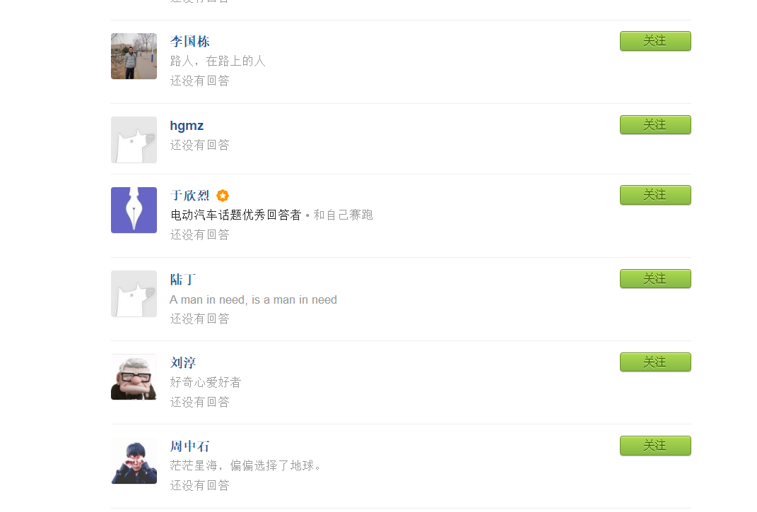
陌上花开 | https://www.zhihu.com/people/mo-shang-hua-kai-47
由子 | https://www.zhihu.com/people/zhangmin.name
dehiker | https://www.zhihu.com/people/dehiker
Robin彦博 | https://www.zhihu.com/people/yanboq
瓦洛佳 | https://www.zhihu.com/people/wa-luo-jia
闪亮 | https://www.zhihu.com/people/shan-liang-19
anymcu | https://www.zhihu.com/people/anymcu
Adam | https://www.zhihu.com/people/adam-lee
蒲飞飞 | https://www.zhihu.com/people/pu-fei-fei
冯庆强 | https://www.zhihu.com/people/feng-qing-qiang
浓浓 | https://www.zhihu.com/people/nong-nong
陈良 | https://www.zhihu.com/people/chasegalaxy
汪洋 | https://www.zhihu.com/people/wang-yang-2-38
费米的海洋 | https://www.zhihu.com/people/zhang-chi-40-60
长法包 | https://www.zhihu.com/people/chang-fa-bao
张三毛 | https://www.zhihu.com/people/zhang-rui-zhi
文十初 | https://www.zhihu.com/people/liu-huan-78
周开立 | https://www.zhihu.com/people/xie-jun-7
王英楠Jeff | https://www.zhihu.com/people/wang-ying-nan-jeff
李国栋 | https://www.zhihu.com/people/li-guo-dong-53
hgmz | https://www.zhihu.com/people/stillbemyself

