eval
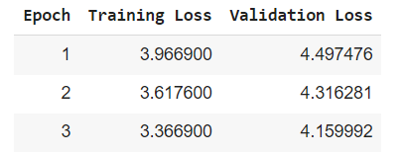
facebook/mbart-large-cc25

