Sheet1
QTY | ITEM | IMAGE | LINK
1 | Arduino UNO | 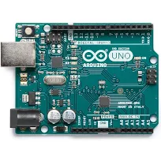 | https://store.arduino.cc/usa/arduino-uno-rev3
1 | Polulu Motor Driver | 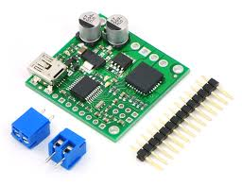 | https://coolcomponents.co.uk/products/jrk-21v3-usb-motor-controller-with-feedback-fully-assembled?variant=45223123918&gclid=CjwKCAjwo_HdBRBjEiwAiPPXpNz4xgpL7U6n4qPT4Y1LRuD8ukLQVzoA5_KsBCFyvRQVbbDKt1zKYRoCGTQQAvD_BwE
1 | Linear Actuator | 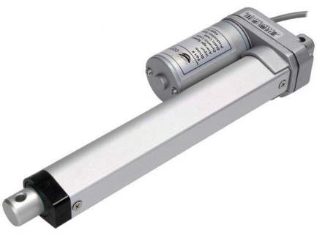 | https://www.ebay.co.uk/i/192674782713
1 | 300W PSU Set to 12V | 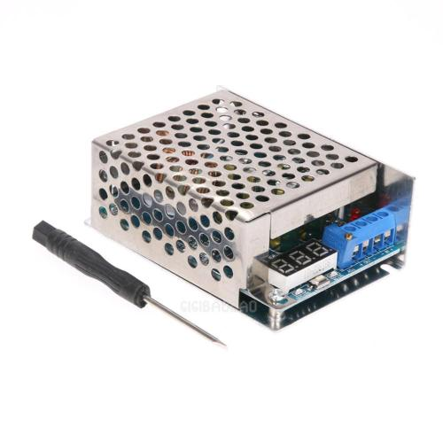 | https://www.ebay.co.uk/itm/1pc-10A-300W-DC-DC-Adjustable-Voltage-Step-Down-Converter-Regulator-Module-gib/172847035221?hash=item283e7c7355:g:xLgAAOSwFWVZnrL1
1 | 300W PSU Set to 16V |  | https://www.ebay.co.uk/itm/1pc-10A-300W-DC-DC-Adjustable-Voltage-Step-Down-Converter-Regulator-Module-gib/172847035221?hash=item283e7c7355:g:xLgAAOSwFWVZnrL1
1 | FUSE |  | https://www.ebay.co.uk/itm/BRAND-NEW-STANDARD-INLINE-CAR-FUSE-BLADE-HOLDER-30AMP-12V-SPLASH-PROOF-K265/170976134151?epid=23017011962&hash=item27cef8c407:g:NvoAAOSwtGNZzh9k
1 | SWITCH | 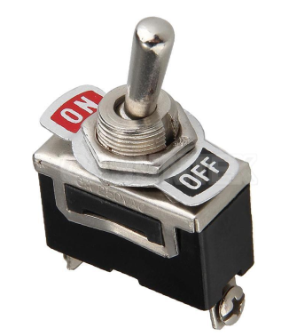 | https://www.ebay.co.uk/itm/12V-HEAVY-DUTY-25A-UNIVERSAL-METAL-SPRING-MOMENTARY-ON-OFF-TOGGLE-FLICK-SWITCH/231257116468?epid=1229817686&hash=item35d7ff8f34:g:f50AAOSwq5lTmZKx
1 | RELAY |  | https://www.ebay.co.uk/itm/5V-DC-1-Channel-LED-Relay-Module-Shield-for-Arduino-Uno-Mega-Raspberry-Pi-Due-UK/161821517993?epid=1188835987&hash=item25ad5068a9:g:rAYAAOSwLqFV8RbK
1 | DMH PUSH BUTTON | 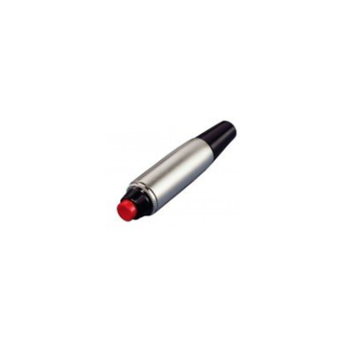 | https://www.ebay.co.uk/itm/Philmore-30-825-SPST-Hand-Held-Push-Button-Switch-N-O/253746249505?epid=17011384611&hash=item3b14747f21:g:GdEAAOSwdA5bRopR
1 | MCP4725 DAC | 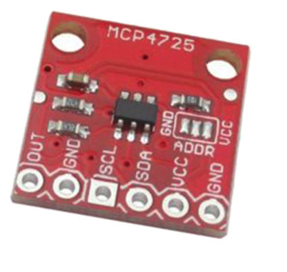 | https://www.ebay.co.uk/itm/MCP4725-I2C-DAC-Breakout-Module-12Bit-Resolution-Arduino-Raspberry-Pi-UK-/202400708553
1 | Arduino Connection Cables Female to Male 200mm | 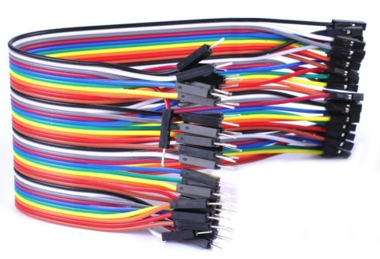 | https://www.ebay.co.uk/itm/UK-40-Pin-Dupont-Wire-Line-Ribbon-Jumper-Cables-Breadboard-Arduino-10-20-30CM/323248272555?_trkparms=aid%3D555017%26algo%3DPL.CASSINI%26ao%3D1%26asc%3D20151005190540%26meid%3Dc4bd166726ca479d8c051afaeb171ad5%26pid%3D100505%26rk%3D1%26rkt%3D1%26%26itm%3D323248272555&_trksid=p2045573.c100505.m3226

