F02.CFG-Paths
 |  | VVSS, Info Romana, 2020-2021

F02. Afisarea task-rilor planificate intr-o anumita perioada de timp, precizata ca data si ora de inceput si data si ora de sfarsit.

F02. Covered source code |  |  | F02. Control Flow Graph (CFG) | F02. Cyclomatic Complexity (CC)

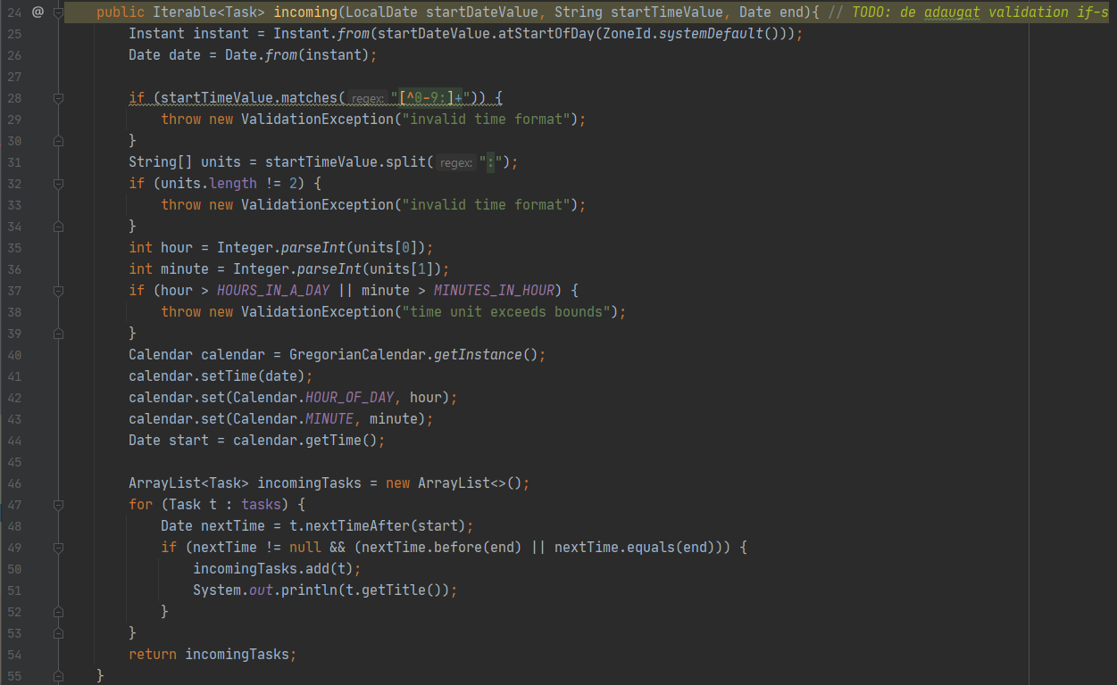
Line No. | Source code |  | Please insert the CFG for this associated source code | CC1 = No. of regions = |  | 6
Req02_L01 | … |  | It may be a screenshot, picture, etc. | CC2 = Edges - Nodes + 2 = |  | 6
Req02_L02 | … |  | <Req02 CFG > | CC3 = No. of Conditions + 1 = |  | 6
Req02_L03 | …
... | …
.. | … |  |  | F02. Individual Paths
... | …
 |  |  |  | Path No. | Path
 |  |  |  | F02_P01 | (25-27)-28-29-55
 |  |  |  | F02_P02 | (25-27)-28-(30-31)-32-33-55
 |  |  |  | F02_P03 | (25-27)-28-(30-31)-32-(34-36)-37-38-55
 |  |  |  | F02_P04 | (25-27)-28-(30-31)-32-(34-36)-37-(39-46)-47-48-49-52-53-47-48-49-(50-51)-53-47-54-55

