resultados
re

 | Performance measurements | Beta Regression | Bagging of Beta Regression | Gradient Boosting of Beta Regression | RF Beta Regression | Support Vector Regression | Random Forest Regression
 | MAE
 | MSE
 | RMSE
 | $R^2$
Gráfico das densidades estimadas por cada modelo e a densidade real
 | Model | Execution Time
 | Beta Regression
 | Bagging of Beta Regression
 | Gradient Boosting of Beta Regression |  |  | Gráfico de linhas para o k-fold cross validation para cada modelo tunado
 | RF Beta Regression
 | Support Vector Regression
 | Random Forest Regression

tuning_parameters_models
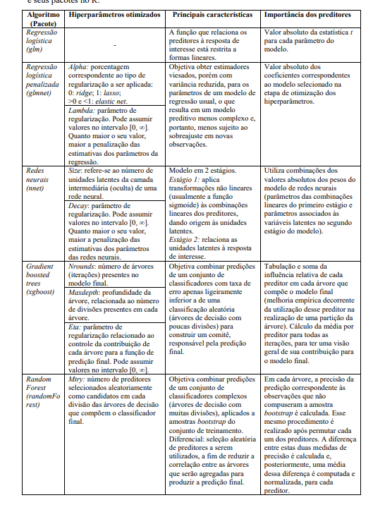
Model | Hiperparameters tuned
Beta Regression | -
Bagging of Beta Regression | Number os estimators, Sample Size
Gradient Boosting of Beta Regression
RF Beta Regression | Number os estimators, Number of features, Sample Size
Support Vector Regression
Random Forest Regression | Number of features

