ReadMe
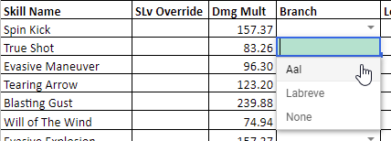
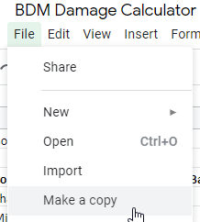
How to setup for your character: | Other Sheets: | Description | Date | Changes | Created by Aftermath
1. Create a copy by selecting File and Make a Copy... | Enchantment Calculator | See which rolls have the best damage increase. | 2020-02-20 | Created changelog. Added Ranger skill hits. Edited required AP formula from EnemyDP/3 to EnemyDP/2.5.Changed level scaling back to 5% reduction per 10 levels.
 |  |  | 2020-02-20 | Moved to v0.3. Updated Branch formulas for priority recommendations. Added Witch Meteor Shower AoE skill damage/dps.
 |  |  | 2020-02-26 | Added Witch Ascension class. Changed layout for skill damage range and totals.
 |  |  | 2020-02-28 | Added Ranger Ascension class, aside from damage scaling. Will probably need to split calculator into two sheets in order to reduce formula lag.
 |  |  | 2020-03-10 | Updated Archmage skill damage

2. On the Damage Calculator, fill in your character stat info from the My Info screen

 |  |  | pets | pickup cd | pickups 1hr | pickups 2hr
 |  |  | t1 | 105 | 34.29 | 68.57
 |  |  | t2 | 100 | 36.00 | 72.00
 |  |  | t3 | 92.5 | 38.92 | 77.84
 |  |  | t4 | 85 | 42.35 | 84.71

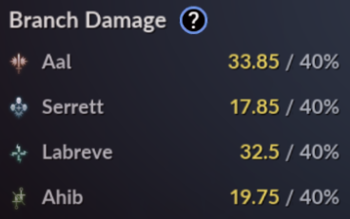
 |  |  | pets | Stamina lv10 | pickup cost | Minutes alive
 |  |  | t1 | 435 | 4 | 189
 |  |  | t2 | 465 | 4 | 193
 |  |  | t3 | 575 | 4 | 220
 |  |  | t4 | 835 | 4 | 295

3. Assign the Branch Damage to your skills using the dropdown menu

