RECEIPT TEMPLATE
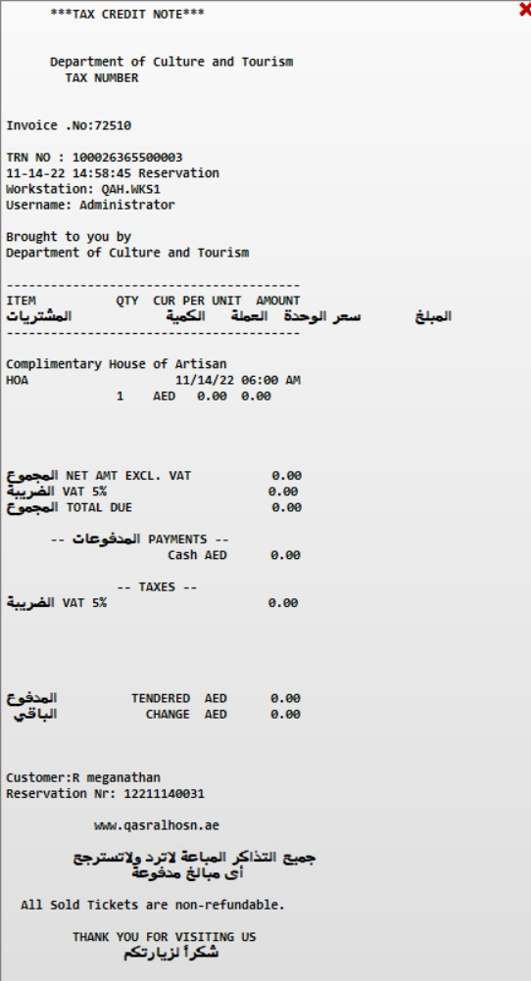
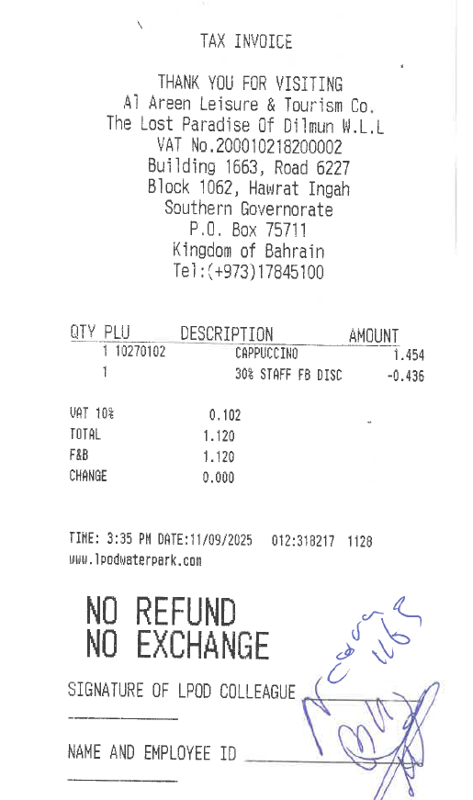
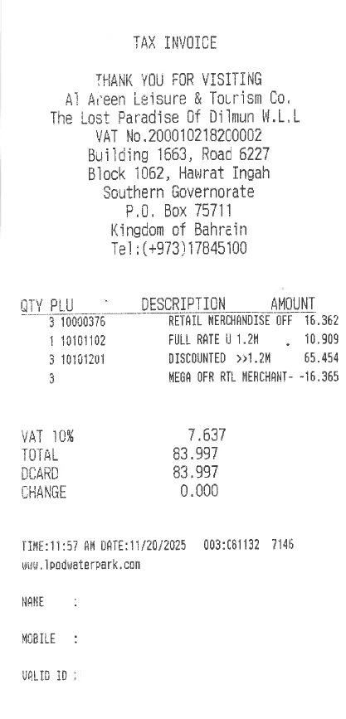
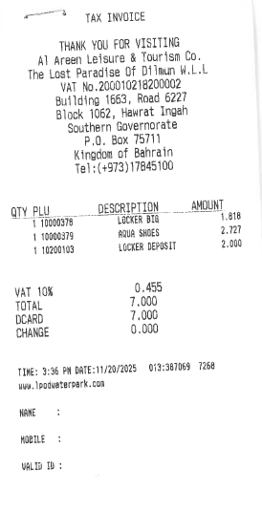
Viva Ticket Sample | Existing System
 | Ticketing Receipt | Retail | Food & Beverage | Gift Shop & Habitat (F&B) Receipts
 |  |  |  | The terms and conditions for each facility (Ticketing, Retails or F&B).

 | Note: Concern Departments Will Provide the Terms & Conditions

