instructions
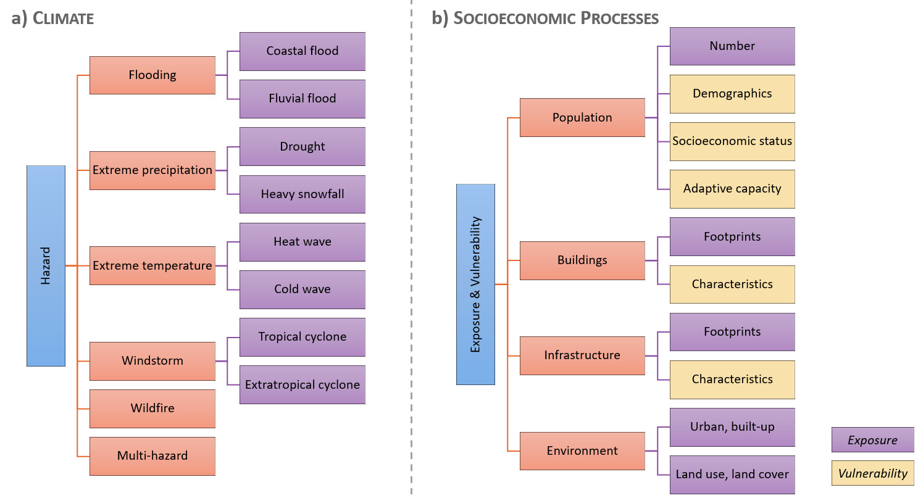
Instructions: How to fill in the data sheet?
1) select the right data category and subcategory (see hierarchical structure below)
2) follow the formatting of the example data provided (see 'description_attributes' tab for further details)
3) use the drop-down menus. If an item is not defined yet, please add it in the 'lists' tab in the respective table (row 1 = hazard data; row 15 = exposure-vulnerability data (if different from hazard))
4) provide the links to each data file if possible (column 'assets')

