instructions
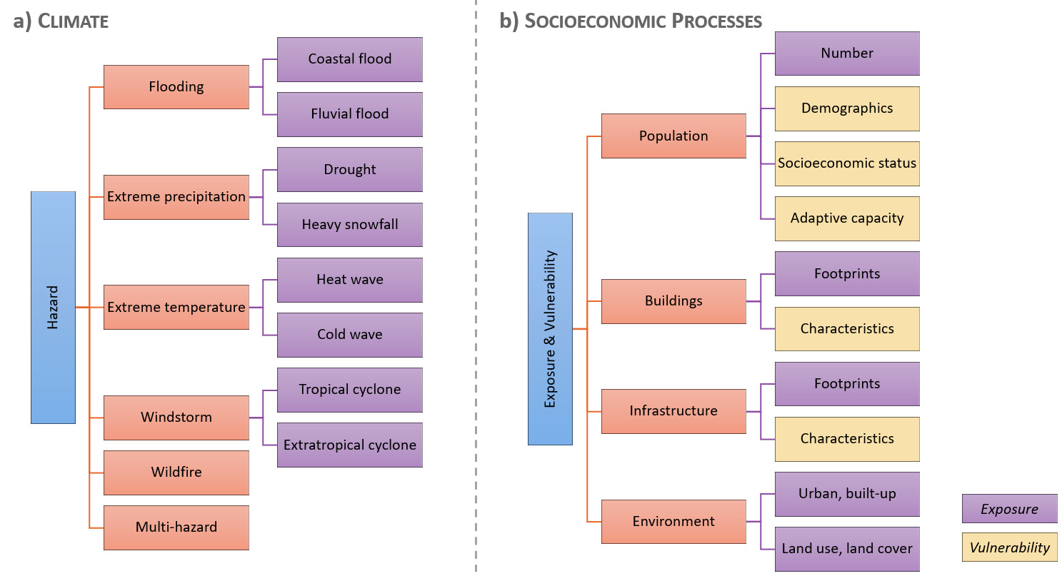
Instructions: How to fill in the data sheet?
1) select the right data tab (i.e. hazard or exposure-vulnerability)
2) select the right data category (see hierarchical structure below; please do not change)
3) fill in the relevant subcategories as defined in the 'lists' tab (for hazard if >1 separate with ";", for exposure-vulnerability use drop-down menu)
4) fill in the remaining columns (see 'description_attributes' tab for inputs required per column): dark orange = crucial; light orange = necessary; yellow = please revise
5) use the drop-down menus. If an item is not defined yet, please add it in the 'lists' tab in the respective table: row 1 = hazard data; row 16 = exposure-vulnerability data (if different from hazard)

Please provide as much detail as possible, including the links to each data file if possible (column 'assets'). Mark cells with missing information in yellow.
Please only provide data available at global or European scale.

