instructions
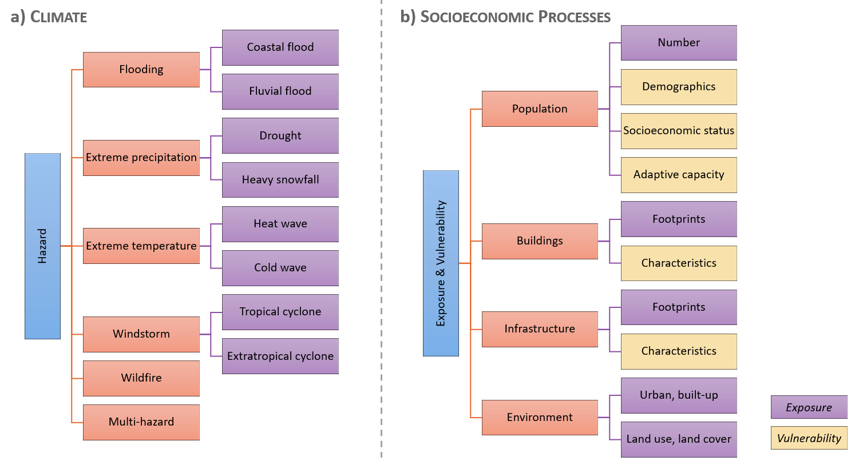
Instructions: How to fill in the data sheet?
1) select the right data tab (i.e. hazard or exposure-vulnerability)
2) select the right data category and subcategory (if applicable): see hierarchical structure below
3) follow the formatting of the example data provided (see 'description_attributes' tab for inputs required per column)
4) use the drop-down menus. If an item is not defined yet, please add it in the 'lists' tab in the respective table: row 1 = hazard data; row 15 = exposure-vulnerability data (if different from hazard)

Please provide as much detail as possible, including the links to each data file (column 'assets'). Mark cells with missing information in yellow.
Please only provide data available at global or European scale.

