page_1
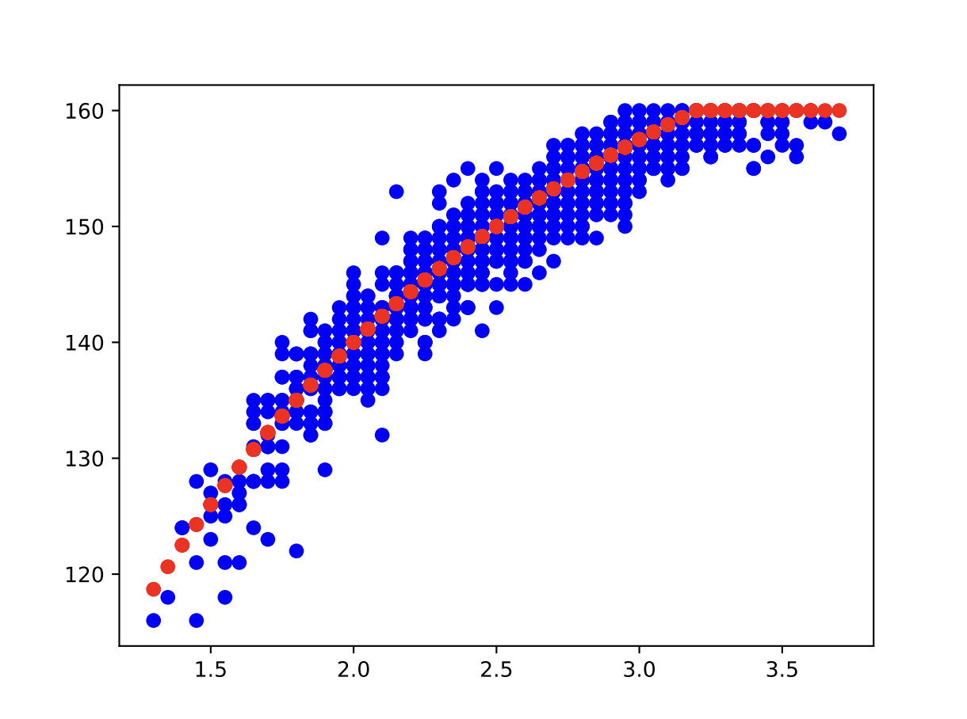
 | 0 | 1 | 2 | 3 | 4
0 | 0.05 | 0.05 | 0.05 | 0.85 | 157
1 | 0.05 | 0.05 | 0.1 | 0.8 | 159
2 | 0.05 | 0.05 | 0.15 | 0.75 | 160
3 | 0.05 | 0.05 | 0.2 | 0.7 | 158
4 | 0.05 | 0.05 | 0.25 | 0.65 | 160
5 | 0.05 | 0.05 | 0.3 | 0.6 | 159
6 | 0.05 | 0.05 | 0.35 | 0.55 | 160
7 | 0.05 | 0.05 | 0.4 | 0.5 | 158
8 | 0.05 | 0.05 | 0.45 | 0.45 | 159
9 | 0.05 | 0.05 | 0.5 | 0.4 | 158
10 | 0.05 | 0.05 | 0.55 | 0.35 | 159
11 | 0.05 | 0.05 | 0.6 | 0.3 | 159
12 | 0.05 | 0.05 | 0.65 | 0.25 | 157
13 | 0.05 | 0.05 | 0.7 | 0.2 | 157
14 | 0.05 | 0.05 | 0.75 | 0.15 | 153
15 | 0.05 | 0.05 | 0.8 | 0.1 | 151
16 | 0.05 | 0.05 | 0.85 | 0.05 | 154
17 | 0.05 | 0.1 | 0.05 | 0.8 | 157
18 | 0.05 | 0.1 | 0.1 | 0.75 | 158
19 | 0.05 | 0.1 | 0.15 | 0.7 | 160
20 | 0.05 | 0.1 | 0.2 | 0.65 | 160
21 | 0.05 | 0.1 | 0.25 | 0.6 | 160
22 | 0.05 | 0.1 | 0.3 | 0.55 | 158
23 | 0.05 | 0.1 | 0.35 | 0.5 | 159
24 | 0.05 | 0.1 | 0.4 | 0.45 | 160
25 | 0.05 | 0.1 | 0.45 | 0.4 | 160
26 | 0.05 | 0.1 | 0.5 | 0.35 | 158
27 | 0.05 | 0.1 | 0.55 | 0.3 | 158
28 | 0.05 | 0.1 | 0.6 | 0.25 | 158
29 | 0.05 | 0.1 | 0.65 | 0.2 | 157
30 | 0.05 | 0.1 | 0.7 | 0.15 | 159
31 | 0.05 | 0.1 | 0.75 | 0.1 | 153
32 | 0.05 | 0.1 | 0.8 | 0.05 | 151
33 | 0.05 | 0.15 | 0.05 | 0.75 | 159
34 | 0.05 | 0.15 | 0.1 | 0.7 | 160
35 | 0.05 | 0.15 | 0.15 | 0.65 | 160
36 | 0.05 | 0.15 | 0.2 | 0.6 | 159
37 | 0.05 | 0.15 | 0.25 | 0.55 | 160
38 | 0.05 | 0.15 | 0.3 | 0.5 | 159
39 | 0.05 | 0.15 | 0.35 | 0.45 | 158
40 | 0.05 | 0.15 | 0.4 | 0.4 | 158
41 | 0.05 | 0.15 | 0.45 | 0.35 | 159
42 | 0.05 | 0.15 | 0.5 | 0.3 | 157
43 | 0.05 | 0.15 | 0.55 | 0.25 | 156
44 | 0.05 | 0.15 | 0.6 | 0.2 | 159
45 | 0.05 | 0.15 | 0.65 | 0.15 | 157
46 | 0.05 | 0.15 | 0.7 | 0.1 | 153
47 | 0.05 | 0.15 | 0.75 | 0.05 | 153
48 | 0.05 | 0.2 | 0.05 | 0.7 | 156
49 | 0.05 | 0.2 | 0.1 | 0.65 | 159
50 | 0.05 | 0.2 | 0.15 | 0.6 | 157
51 | 0.05 | 0.2 | 0.2 | 0.55 | 159
52 | 0.05 | 0.2 | 0.25 | 0.5 | 160
53 | 0.05 | 0.2 | 0.3 | 0.45 | 160
54 | 0.05 | 0.2 | 0.35 | 0.4 | 158
55 | 0.05 | 0.2 | 0.4 | 0.35 | 158
56 | 0.05 | 0.2 | 0.45 | 0.3 | 157
57 | 0.05 | 0.2 | 0.5 | 0.25 | 157
58 | 0.05 | 0.2 | 0.55 | 0.2 | 154
59 | 0.05 | 0.2 | 0.6 | 0.15 | 154
60 | 0.05 | 0.2 | 0.65 | 0.1 | 154
61 | 0.05 | 0.2 | 0.7 | 0.05 | 151
62 | 0.05 | 0.25 | 0.05 | 0.65 | 160
63 | 0.05 | 0.25 | 0.1 | 0.6 | 159
64 | 0.05 | 0.25 | 0.15 | 0.55 | 160
65 | 0.05 | 0.25 | 0.2 | 0.5 | 157
66 | 0.05 | 0.25 | 0.25 | 0.45 | 157
67 | 0.05 | 0.25 | 0.3 | 0.4 | 158
68 | 0.05 | 0.25 | 0.35 | 0.35 | 159
69 | 0.05 | 0.25 | 0.4 | 0.3 | 154
70 | 0.05 | 0.25 | 0.45 | 0.25 | 156
71 | 0.05 | 0.25 | 0.5 | 0.2 | 157
72 | 0.05 | 0.25 | 0.55 | 0.15 | 154
73 | 0.05 | 0.25 | 0.6 | 0.1 | 156
74 | 0.05 | 0.25 | 0.65 | 0.05 | 151
75 | 0.05 | 0.3 | 0.05 | 0.6 | 158
76 | 0.05 | 0.3 | 0.1 | 0.55 | 159
77 | 0.05 | 0.3 | 0.15 | 0.5 | 156
78 | 0.05 | 0.3 | 0.2 | 0.45 | 160
79 | 0.05 | 0.3 | 0.25 | 0.4 | 158
80 | 0.05 | 0.3 | 0.3 | 0.35 | 155
81 | 0.05 | 0.3 | 0.35 | 0.3 | 153
82 | 0.05 | 0.3 | 0.4 | 0.25 | 155
83 | 0.05 | 0.3 | 0.45 | 0.2 | 155
84 | 0.05 | 0.3 | 0.5 | 0.15 | 153
85 | 0.05 | 0.3 | 0.55 | 0.1 | 153
86 | 0.05 | 0.3 | 0.6 | 0.05 | 153
87 | 0.05 | 0.35 | 0.05 | 0.55 | 158
88 | 0.05 | 0.35 | 0.1 | 0.5 | 160
89 | 0.05 | 0.35 | 0.15 | 0.45 | 159
90 | 0.05 | 0.35 | 0.2 | 0.4 | 155
91 | 0.05 | 0.35 | 0.25 | 0.35 | 157
92 | 0.05 | 0.35 | 0.3 | 0.3 | 153
93 | 0.05 | 0.35 | 0.35 | 0.25 | 157
94 | 0.05 | 0.35 | 0.4 | 0.2 | 155
95 | 0.05 | 0.35 | 0.45 | 0.15 | 153
96 | 0.05 | 0.35 | 0.5 | 0.1 | 153
97 | 0.05 | 0.35 | 0.55 | 0.05 | 152
98 | 0.05 | 0.4 | 0.05 | 0.5 | 158
99 | 0.05 | 0.4 | 0.1 | 0.45 | 154
100 | 0.05 | 0.4 | 0.15 | 0.4 | 156
101 | 0.05 | 0.4 | 0.2 | 0.35 | 157
102 | 0.05 | 0.4 | 0.25 | 0.3 | 154
103 | 0.05 | 0.4 | 0.3 | 0.25 | 155
104 | 0.05 | 0.4 | 0.35 | 0.2 | 154
105 | 0.05 | 0.4 | 0.4 | 0.15 | 152
106 | 0.05 | 0.4 | 0.45 | 0.1 | 152
107 | 0.05 | 0.4 | 0.5 | 0.05 | 149
108 | 0.05 | 0.45 | 0.05 | 0.45 | 159
109 | 0.05 | 0.45 | 0.1 | 0.4 | 156
110 | 0.05 | 0.45 | 0.15 | 0.35 | 151
111 | 0.05 | 0.45 | 0.2 | 0.3 | 156
112 | 0.05 | 0.45 | 0.25 | 0.25 | 150
113 | 0.05 | 0.45 | 0.3 | 0.2 | 154
114 | 0.05 | 0.45 | 0.35 | 0.15 | 151
115 | 0.05 | 0.45 | 0.4 | 0.1 | 149
116 | 0.05 | 0.45 | 0.45 | 0.05 | 152
117 | 0.05 | 0.5 | 0.05 | 0.4 | 152
118 | 0.05 | 0.5 | 0.1 | 0.35 | 154
119 | 0.05 | 0.5 | 0.15 | 0.3 | 150
120 | 0.05 | 0.5 | 0.2 | 0.25 | 151
121 | 0.05 | 0.5 | 0.25 | 0.2 | 152
122 | 0.05 | 0.5 | 0.3 | 0.15 | 152
123 | 0.05 | 0.5 | 0.35 | 0.1 | 148
124 | 0.05 | 0.5 | 0.4 | 0.05 | 149
125 | 0.05 | 0.55 | 0.05 | 0.35 | 149
126 | 0.05 | 0.55 | 0.1 | 0.3 | 152
127 | 0.05 | 0.55 | 0.15 | 0.25 | 154
128 | 0.05 | 0.55 | 0.2 | 0.2 | 147
129 | 0.05 | 0.55 | 0.25 | 0.15 | 150
130 | 0.05 | 0.55 | 0.3 | 0.1 | 148
131 | 0.05 | 0.55 | 0.35 | 0.05 | 145
132 | 0.05 | 0.6 | 0.05 | 0.3 | 154
133 | 0.05 | 0.6 | 0.1 | 0.25 | 150
134 | 0.05 | 0.6 | 0.15 | 0.2 | 150
135 | 0.05 | 0.6 | 0.2 | 0.15 | 149
136 | 0.05 | 0.6 | 0.25 | 0.1 | 145
137 | 0.05 | 0.6 | 0.3 | 0.05 | 148
138 | 0.05 | 0.65 | 0.05 | 0.25 | 150
139 | 0.05 | 0.65 | 0.1 | 0.2 | 150
140 | 0.05 | 0.65 | 0.15 | 0.15 | 146
141 | 0.05 | 0.65 | 0.2 | 0.1 | 145
142 | 0.05 | 0.65 | 0.25 | 0.05 | 145
143 | 0.05 | 0.7 | 0.05 | 0.2 | 146
144 | 0.05 | 0.7 | 0.1 | 0.15 | 149
145 | 0.05 | 0.7 | 0.15 | 0.1 | 145
146 | 0.05 | 0.7 | 0.2 | 0.05 | 148
147 | 0.05 | 0.75 | 0.05 | 0.15 | 144
148 | 0.05 | 0.75 | 0.1 | 0.1 | 146
149 | 0.05 | 0.75 | 0.15 | 0.05 | 144
150 | 0.05 | 0.8 | 0.05 | 0.1 | 145
151 | 0.05 | 0.8 | 0.1 | 0.05 | 143
152 | 0.05 | 0.85 | 0.05 | 0.05 | 142
153 | 0.1 | 0.05 | 0.05 | 0.8 | 156
154 | 0.1 | 0.05 | 0.1 | 0.75 | 159
155 | 0.1 | 0.05 | 0.15 | 0.7 | 160
156 | 0.1 | 0.05 | 0.2 | 0.65 | 160
157 | 0.1 | 0.05 | 0.25 | 0.6 | 160
158 | 0.1 | 0.05 | 0.3 | 0.55 | 160
159 | 0.1 | 0.05 | 0.35 | 0.5 | 159
160 | 0.1 | 0.05 | 0.4 | 0.45 | 159
161 | 0.1 | 0.05 | 0.45 | 0.4 | 160
162 | 0.1 | 0.05 | 0.5 | 0.35 | 158
163 | 0.1 | 0.05 | 0.55 | 0.3 | 154
164 | 0.1 | 0.05 | 0.6 | 0.25 | 159
165 | 0.1 | 0.05 | 0.65 | 0.2 | 155
166 | 0.1 | 0.05 | 0.7 | 0.15 | 155
167 | 0.1 | 0.05 | 0.75 | 0.1 | 154
168 | 0.1 | 0.05 | 0.8 | 0.05 | 149
169 | 0.1 | 0.1 | 0.05 | 0.75 | 157
170 | 0.1 | 0.1 | 0.1 | 0.7 | 159
171 | 0.1 | 0.1 | 0.15 | 0.65 | 160
172 | 0.1 | 0.1 | 0.2 | 0.6 | 159
173 | 0.1 | 0.1 | 0.25 | 0.55 | 159
174 | 0.1 | 0.1 | 0.3 | 0.5 | 159
175 | 0.1 | 0.1 | 0.35 | 0.45 | 157
176 | 0.1 | 0.1 | 0.4 | 0.4 | 156
177 | 0.1 | 0.1 | 0.45 | 0.35 | 159
178 | 0.1 | 0.1 | 0.5 | 0.3 | 159
179 | 0.1 | 0.1 | 0.55 | 0.25 | 155
180 | 0.1 | 0.1 | 0.6 | 0.2 | 156
181 | 0.1 | 0.1 | 0.65 | 0.15 | 157
182 | 0.1 | 0.1 | 0.7 | 0.1 | 155
183 | 0.1 | 0.1 | 0.75 | 0.05 | 152
184 | 0.1 | 0.15 | 0.05 | 0.7 | 157
185 | 0.1 | 0.15 | 0.1 | 0.65 | 160
186 | 0.1 | 0.15 | 0.15 | 0.6 | 157
187 | 0.1 | 0.15 | 0.2 | 0.55 | 155
188 | 0.1 | 0.15 | 0.25 | 0.5 | 156
189 | 0.1 | 0.15 | 0.3 | 0.45 | 160
190 | 0.1 | 0.15 | 0.35 | 0.4 | 159
191 | 0.1 | 0.15 | 0.4 | 0.35 | 159
192 | 0.1 | 0.15 | 0.45 | 0.3 | 155
193 | 0.1 | 0.15 | 0.5 | 0.25 | 156
194 | 0.1 | 0.15 | 0.55 | 0.2 | 156
195 | 0.1 | 0.15 | 0.6 | 0.15 | 155
196 | 0.1 | 0.15 | 0.65 | 0.1 | 151
197 | 0.1 | 0.15 | 0.7 | 0.05 | 153
198 | 0.1 | 0.2 | 0.05 | 0.65 | 156
199 | 0.1 | 0.2 | 0.1 | 0.6 | 156
200 | 0.1 | 0.2 | 0.15 | 0.55 | 158
201 | 0.1 | 0.2 | 0.2 | 0.5 | 160
202 | 0.1 | 0.2 | 0.25 | 0.45 | 158
203 | 0.1 | 0.2 | 0.3 | 0.4 | 157
204 | 0.1 | 0.2 | 0.35 | 0.35 | 155
205 | 0.1 | 0.2 | 0.4 | 0.3 | 159
206 | 0.1 | 0.2 | 0.45 | 0.25 | 153
207 | 0.1 | 0.2 | 0.5 | 0.2 | 154
208 | 0.1 | 0.2 | 0.55 | 0.15 | 152
209 | 0.1 | 0.2 | 0.6 | 0.1 | 153
210 | 0.1 | 0.2 | 0.65 | 0.05 | 151
211 | 0.1 | 0.25 | 0.05 | 0.6 | 160
212 | 0.1 | 0.25 | 0.1 | 0.55 | 157
213 | 0.1 | 0.25 | 0.15 | 0.5 | 157
214 | 0.1 | 0.25 | 0.2 | 0.45 | 158
215 | 0.1 | 0.25 | 0.25 | 0.4 | 155
216 | 0.1 | 0.25 | 0.3 | 0.35 | 158
217 | 0.1 | 0.25 | 0.35 | 0.3 | 156
218 | 0.1 | 0.25 | 0.4 | 0.25 | 157
219 | 0.1 | 0.25 | 0.45 | 0.2 | 154
220 | 0.1 | 0.25 | 0.5 | 0.15 | 153
221 | 0.1 | 0.25 | 0.55 | 0.1 | 151
222 | 0.1 | 0.25 | 0.6 | 0.05 | 153
223 | 0.1 | 0.3 | 0.05 | 0.55 | 157
224 | 0.1 | 0.3 | 0.1 | 0.5 | 158
225 | 0.1 | 0.3 | 0.15 | 0.45 | 156
226 | 0.1 | 0.3 | 0.2 | 0.4 | 156
227 | 0.1 | 0.3 | 0.25 | 0.35 | 156
228 | 0.1 | 0.3 | 0.3 | 0.3 | 152
229 | 0.1 | 0.3 | 0.35 | 0.25 | 154
230 | 0.1 | 0.3 | 0.4 | 0.2 | 152
231 | 0.1 | 0.3 | 0.45 | 0.15 | 154
232 | 0.1 | 0.3 | 0.5 | 0.1 | 153
233 | 0.1 | 0.3 | 0.55 | 0.05 | 150
234 | 0.1 | 0.35 | 0.05 | 0.5 | 158
235 | 0.1 | 0.35 | 0.1 | 0.45 | 152
236 | 0.1 | 0.35 | 0.15 | 0.4 | 155
237 | 0.1 | 0.35 | 0.2 | 0.35 | 154
238 | 0.1 | 0.35 | 0.25 | 0.3 | 154
239 | 0.1 | 0.35 | 0.3 | 0.25 | 150
240 | 0.1 | 0.35 | 0.35 | 0.2 | 150
241 | 0.1 | 0.35 | 0.4 | 0.15 | 150
242 | 0.1 | 0.35 | 0.45 | 0.1 | 151
243 | 0.1 | 0.35 | 0.5 | 0.05 | 148
244 | 0.1 | 0.4 | 0.05 | 0.45 | 153
245 | 0.1 | 0.4 | 0.1 | 0.4 | 155
246 | 0.1 | 0.4 | 0.15 | 0.35 | 152
247 | 0.1 | 0.4 | 0.2 | 0.3 | 153
248 | 0.1 | 0.4 | 0.25 | 0.25 | 150
249 | 0.1 | 0.4 | 0.3 | 0.2 | 152
250 | 0.1 | 0.4 | 0.35 | 0.15 | 149
251 | 0.1 | 0.4 | 0.4 | 0.1 | 148
252 | 0.1 | 0.4 | 0.45 | 0.05 | 150
253 | 0.1 | 0.45 | 0.05 | 0.4 | 152
254 | 0.1 | 0.45 | 0.1 | 0.35 | 153
255 | 0.1 | 0.45 | 0.15 | 0.3 | 155
256 | 0.1 | 0.45 | 0.2 | 0.25 | 151
257 | 0.1 | 0.45 | 0.25 | 0.2 | 147
258 | 0.1 | 0.45 | 0.3 | 0.15 | 149
259 | 0.1 | 0.45 | 0.35 | 0.1 | 149
260 | 0.1 | 0.45 | 0.4 | 0.05 | 149
261 | 0.1 | 0.5 | 0.05 | 0.35 | 153
262 | 0.1 | 0.5 | 0.1 | 0.3 | 153
263 | 0.1 | 0.5 | 0.15 | 0.25 | 153
264 | 0.1 | 0.5 | 0.2 | 0.2 | 149
265 | 0.1 | 0.5 | 0.25 | 0.15 | 150
266 | 0.1 | 0.5 | 0.3 | 0.1 | 146
267 | 0.1 | 0.5 | 0.35 | 0.05 | 149
268 | 0.1 | 0.55 | 0.05 | 0.3 | 151
269 | 0.1 | 0.55 | 0.1 | 0.25 | 146
270 | 0.1 | 0.55 | 0.15 | 0.2 | 153
271 | 0.1 | 0.55 | 0.2 | 0.15 | 151
272 | 0.1 | 0.55 | 0.25 | 0.1 | 150
273 | 0.1 | 0.55 | 0.3 | 0.05 | 142
274 | 0.1 | 0.6 | 0.05 | 0.25 | 153
275 | 0.1 | 0.6 | 0.1 | 0.2 | 143
276 | 0.1 | 0.6 | 0.15 | 0.15 | 147
277 | 0.1 | 0.6 | 0.2 | 0.1 | 145
278 | 0.1 | 0.6 | 0.25 | 0.05 | 146
279 | 0.1 | 0.65 | 0.05 | 0.2 | 144
280 | 0.1 | 0.65 | 0.1 | 0.15 | 149
...

