page_1
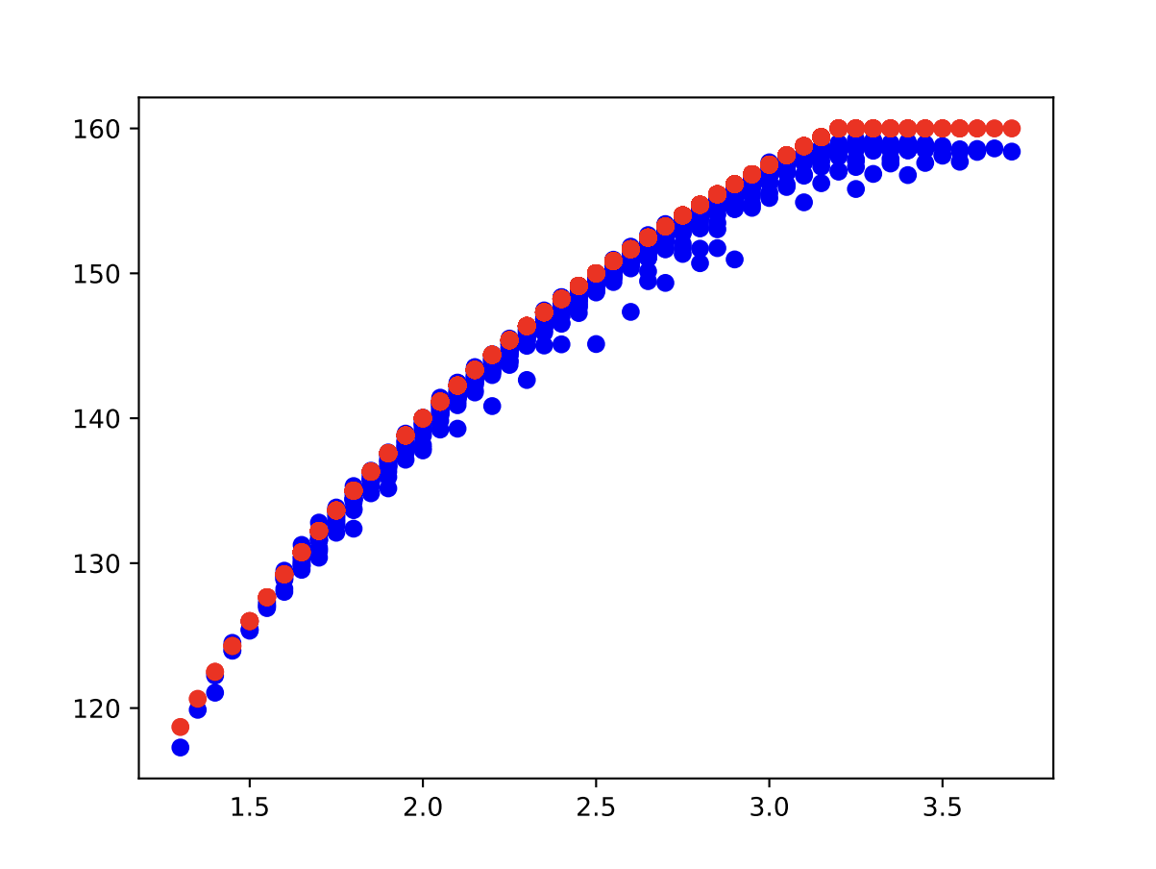
 | 0 | 1 | 2 | 3 | 4
0 | 0.05 | 0.05 | 0.05 | 0.85 | 157
1 | 0.05 | 0.05 | 0.05 | 0.85 | 157
2 | 0.05 | 0.05 | 0.05 | 0.85 | 160
3 | 0.05 | 0.05 | 0.05 | 0.85 | 159
4 | 0.05 | 0.05 | 0.05 | 0.85 | 160
5 | 0.05 | 0.05 | 0.05 | 0.85 | 156
6 | 0.05 | 0.05 | 0.05 | 0.85 | 158
7 | 0.05 | 0.05 | 0.05 | 0.85 | 158
8 | 0.05 | 0.05 | 0.05 | 0.85 | 159
9 | 0.05 | 0.05 | 0.05 | 0.85 | 159
10 | 0.05 | 0.05 | 0.05 | 0.85 | 157
11 | 0.05 | 0.05 | 0.05 | 0.85 | 160
12 | 0.05 | 0.05 | 0.05 | 0.85 | 159
13 | 0.05 | 0.05 | 0.05 | 0.85 | 157
14 | 0.05 | 0.05 | 0.05 | 0.85 | 157
15 | 0.05 | 0.05 | 0.05 | 0.85 | 159
16 | 0.05 | 0.05 | 0.05 | 0.85 | 156
17 | 0.05 | 0.05 | 0.05 | 0.85 | 160
18 | 0.05 | 0.05 | 0.05 | 0.85 | 158
19 | 0.05 | 0.05 | 0.05 | 0.85 | 159
20 | 0.05 | 0.05 | 0.05 | 0.85 | 158
21 | 0.05 | 0.05 | 0.05 | 0.85 | 160
22 | 0.05 | 0.05 | 0.05 | 0.85 | 158
23 | 0.05 | 0.05 | 0.05 | 0.85 | 159
24 | 0.05 | 0.05 | 0.05 | 0.85 | 158
25 | 0.05 | 0.05 | 0.05 | 0.85 | 158
26 | 0.05 | 0.05 | 0.05 | 0.85 | 157
27 | 0.05 | 0.05 | 0.05 | 0.85 | 158
28 | 0.05 | 0.05 | 0.05 | 0.85 | 156
29 | 0.05 | 0.05 | 0.05 | 0.85 | 157
30 | 0.05 | 0.05 | 0.05 | 0.85 | 160
31 | 0.05 | 0.05 | 0.05 | 0.85 | 159
32 | 0.05 | 0.05 | 0.05 | 0.85 | 158
33 | 0.05 | 0.05 | 0.05 | 0.85 | 159
34 | 0.05 | 0.05 | 0.05 | 0.85 | 160
35 | 0.05 | 0.05 | 0.05 | 0.85 | 158
36 | 0.05 | 0.05 | 0.05 | 0.85 | 158
37 | 0.05 | 0.05 | 0.05 | 0.85 | 160
38 | 0.05 | 0.05 | 0.05 | 0.85 | 158
39 | 0.05 | 0.05 | 0.05 | 0.85 | 159
40 | 0.05 | 0.05 | 0.05 | 0.85 | 158
41 | 0.05 | 0.05 | 0.05 | 0.85 | 159
42 | 0.05 | 0.05 | 0.05 | 0.85 | 158
43 | 0.05 | 0.05 | 0.05 | 0.85 | 158
44 | 0.05 | 0.05 | 0.05 | 0.85 | 160
45 | 0.05 | 0.05 | 0.05 | 0.85 | 159
46 | 0.05 | 0.05 | 0.05 | 0.85 | 159
47 | 0.05 | 0.05 | 0.05 | 0.85 | 160
48 | 0.05 | 0.05 | 0.05 | 0.85 | 158
49 | 0.05 | 0.05 | 0.05 | 0.85 | 158
50 | 0.05 | 0.05 | 0.1 | 0.8 | 159
51 | 0.05 | 0.05 | 0.1 | 0.8 | 158
52 | 0.05 | 0.05 | 0.1 | 0.8 | 159
53 | 0.05 | 0.05 | 0.1 | 0.8 | 158
54 | 0.05 | 0.05 | 0.1 | 0.8 | 159
55 | 0.05 | 0.05 | 0.1 | 0.8 | 157
56 | 0.05 | 0.05 | 0.1 | 0.8 | 159
57 | 0.05 | 0.05 | 0.1 | 0.8 | 159
58 | 0.05 | 0.05 | 0.1 | 0.8 | 157
59 | 0.05 | 0.05 | 0.1 | 0.8 | 158
60 | 0.05 | 0.05 | 0.1 | 0.8 | 158
61 | 0.05 | 0.05 | 0.1 | 0.8 | 160
62 | 0.05 | 0.05 | 0.1 | 0.8 | 159
63 | 0.05 | 0.05 | 0.1 | 0.8 | 160
64 | 0.05 | 0.05 | 0.1 | 0.8 | 159
65 | 0.05 | 0.05 | 0.1 | 0.8 | 158
66 | 0.05 | 0.05 | 0.1 | 0.8 | 157
67 | 0.05 | 0.05 | 0.1 | 0.8 | 158
68 | 0.05 | 0.05 | 0.1 | 0.8 | 159
69 | 0.05 | 0.05 | 0.1 | 0.8 | 160
70 | 0.05 | 0.05 | 0.1 | 0.8 | 157
71 | 0.05 | 0.05 | 0.1 | 0.8 | 159
72 | 0.05 | 0.05 | 0.1 | 0.8 | 160
73 | 0.05 | 0.05 | 0.1 | 0.8 | 159
74 | 0.05 | 0.05 | 0.1 | 0.8 | 160
75 | 0.05 | 0.05 | 0.1 | 0.8 | 159
76 | 0.05 | 0.05 | 0.1 | 0.8 | 160
77 | 0.05 | 0.05 | 0.1 | 0.8 | 160
78 | 0.05 | 0.05 | 0.1 | 0.8 | 157
79 | 0.05 | 0.05 | 0.1 | 0.8 | 159
80 | 0.05 | 0.05 | 0.1 | 0.8 | 159
81 | 0.05 | 0.05 | 0.1 | 0.8 | 157
82 | 0.05 | 0.05 | 0.1 | 0.8 | 157
83 | 0.05 | 0.05 | 0.1 | 0.8 | 157
84 | 0.05 | 0.05 | 0.1 | 0.8 | 157
85 | 0.05 | 0.05 | 0.1 | 0.8 | 158
86 | 0.05 | 0.05 | 0.1 | 0.8 | 157
87 | 0.05 | 0.05 | 0.1 | 0.8 | 158
88 | 0.05 | 0.05 | 0.1 | 0.8 | 160
89 | 0.05 | 0.05 | 0.1 | 0.8 | 160
90 | 0.05 | 0.05 | 0.1 | 0.8 | 157
91 | 0.05 | 0.05 | 0.1 | 0.8 | 157
92 | 0.05 | 0.05 | 0.1 | 0.8 | 160
93 | 0.05 | 0.05 | 0.1 | 0.8 | 159
94 | 0.05 | 0.05 | 0.1 | 0.8 | 160
95 | 0.05 | 0.05 | 0.1 | 0.8 | 159
96 | 0.05 | 0.05 | 0.1 | 0.8 | 159
97 | 0.05 | 0.05 | 0.1 | 0.8 | 160
98 | 0.05 | 0.05 | 0.1 | 0.8 | 160
99 | 0.05 | 0.05 | 0.1 | 0.8 | 159
100 | 0.05 | 0.05 | 0.15 | 0.75 | 160
101 | 0.05 | 0.05 | 0.15 | 0.75 | 160
102 | 0.05 | 0.05 | 0.15 | 0.75 | 158
103 | 0.05 | 0.05 | 0.15 | 0.75 | 157
104 | 0.05 | 0.05 | 0.15 | 0.75 | 157
105 | 0.05 | 0.05 | 0.15 | 0.75 | 157
106 | 0.05 | 0.05 | 0.15 | 0.75 | 158
107 | 0.05 | 0.05 | 0.15 | 0.75 | 160
108 | 0.05 | 0.05 | 0.15 | 0.75 | 160
109 | 0.05 | 0.05 | 0.15 | 0.75 | 157
110 | 0.05 | 0.05 | 0.15 | 0.75 | 157
111 | 0.05 | 0.05 | 0.15 | 0.75 | 157
112 | 0.05 | 0.05 | 0.15 | 0.75 | 157
113 | 0.05 | 0.05 | 0.15 | 0.75 | 159
114 | 0.05 | 0.05 | 0.15 | 0.75 | 159
115 | 0.05 | 0.05 | 0.15 | 0.75 | 159
116 | 0.05 | 0.05 | 0.15 | 0.75 | 159
117 | 0.05 | 0.05 | 0.15 | 0.75 | 158
118 | 0.05 | 0.05 | 0.15 | 0.75 | 158
119 | 0.05 | 0.05 | 0.15 | 0.75 | 158
120 | 0.05 | 0.05 | 0.15 | 0.75 | 159
121 | 0.05 | 0.05 | 0.15 | 0.75 | 158
122 | 0.05 | 0.05 | 0.15 | 0.75 | 159
123 | 0.05 | 0.05 | 0.15 | 0.75 | 160
124 | 0.05 | 0.05 | 0.15 | 0.75 | 157
125 | 0.05 | 0.05 | 0.15 | 0.75 | 159
126 | 0.05 | 0.05 | 0.15 | 0.75 | 160
127 | 0.05 | 0.05 | 0.15 | 0.75 | 160
128 | 0.05 | 0.05 | 0.15 | 0.75 | 157
129 | 0.05 | 0.05 | 0.15 | 0.75 | 157
130 | 0.05 | 0.05 | 0.15 | 0.75 | 159
131 | 0.05 | 0.05 | 0.15 | 0.75 | 158
132 | 0.05 | 0.05 | 0.15 | 0.75 | 160
133 | 0.05 | 0.05 | 0.15 | 0.75 | 160
134 | 0.05 | 0.05 | 0.15 | 0.75 | 158
135 | 0.05 | 0.05 | 0.15 | 0.75 | 160
136 | 0.05 | 0.05 | 0.15 | 0.75 | 157
137 | 0.05 | 0.05 | 0.15 | 0.75 | 157
138 | 0.05 | 0.05 | 0.15 | 0.75 | 158
139 | 0.05 | 0.05 | 0.15 | 0.75 | 160
140 | 0.05 | 0.05 | 0.15 | 0.75 | 159
141 | 0.05 | 0.05 | 0.15 | 0.75 | 159
142 | 0.05 | 0.05 | 0.15 | 0.75 | 158
143 | 0.05 | 0.05 | 0.15 | 0.75 | 160
144 | 0.05 | 0.05 | 0.15 | 0.75 | 157
145 | 0.05 | 0.05 | 0.15 | 0.75 | 160
146 | 0.05 | 0.05 | 0.15 | 0.75 | 160
147 | 0.05 | 0.05 | 0.15 | 0.75 | 160
148 | 0.05 | 0.05 | 0.15 | 0.75 | 160
149 | 0.05 | 0.05 | 0.15 | 0.75 | 158
150 | 0.05 | 0.05 | 0.2 | 0.7 | 160
151 | 0.05 | 0.05 | 0.2 | 0.7 | 160
152 | 0.05 | 0.05 | 0.2 | 0.7 | 157
153 | 0.05 | 0.05 | 0.2 | 0.7 | 159
154 | 0.05 | 0.05 | 0.2 | 0.7 | 159
155 | 0.05 | 0.05 | 0.2 | 0.7 | 160
156 | 0.05 | 0.05 | 0.2 | 0.7 | 157
157 | 0.05 | 0.05 | 0.2 | 0.7 | 158
158 | 0.05 | 0.05 | 0.2 | 0.7 | 158
159 | 0.05 | 0.05 | 0.2 | 0.7 | 158
160 | 0.05 | 0.05 | 0.2 | 0.7 | 158
161 | 0.05 | 0.05 | 0.2 | 0.7 | 159
162 | 0.05 | 0.05 | 0.2 | 0.7 | 157
163 | 0.05 | 0.05 | 0.2 | 0.7 | 157
164 | 0.05 | 0.05 | 0.2 | 0.7 | 157
165 | 0.05 | 0.05 | 0.2 | 0.7 | 157
166 | 0.05 | 0.05 | 0.2 | 0.7 | 158
167 | 0.05 | 0.05 | 0.2 | 0.7 | 160
168 | 0.05 | 0.05 | 0.2 | 0.7 | 159
169 | 0.05 | 0.05 | 0.2 | 0.7 | 160
170 | 0.05 | 0.05 | 0.2 | 0.7 | 158
171 | 0.05 | 0.05 | 0.2 | 0.7 | 159
172 | 0.05 | 0.05 | 0.2 | 0.7 | 160
173 | 0.05 | 0.05 | 0.2 | 0.7 | 158
174 | 0.05 | 0.05 | 0.2 | 0.7 | 159
175 | 0.05 | 0.05 | 0.2 | 0.7 | 159
176 | 0.05 | 0.05 | 0.2 | 0.7 | 158
177 | 0.05 | 0.05 | 0.2 | 0.7 | 157
178 | 0.05 | 0.05 | 0.2 | 0.7 | 160
179 | 0.05 | 0.05 | 0.2 | 0.7 | 158
180 | 0.05 | 0.05 | 0.2 | 0.7 | 159
181 | 0.05 | 0.05 | 0.2 | 0.7 | 159
182 | 0.05 | 0.05 | 0.2 | 0.7 | 157
183 | 0.05 | 0.05 | 0.2 | 0.7 | 157
184 | 0.05 | 0.05 | 0.2 | 0.7 | 157
185 | 0.05 | 0.05 | 0.2 | 0.7 | 159
186 | 0.05 | 0.05 | 0.2 | 0.7 | 157
187 | 0.05 | 0.05 | 0.2 | 0.7 | 159
188 | 0.05 | 0.05 | 0.2 | 0.7 | 159
189 | 0.05 | 0.05 | 0.2 | 0.7 | 160
190 | 0.05 | 0.05 | 0.2 | 0.7 | 160
191 | 0.05 | 0.05 | 0.2 | 0.7 | 159
192 | 0.05 | 0.05 | 0.2 | 0.7 | 158
193 | 0.05 | 0.05 | 0.2 | 0.7 | 157
194 | 0.05 | 0.05 | 0.2 | 0.7 | 159
195 | 0.05 | 0.05 | 0.2 | 0.7 | 158
196 | 0.05 | 0.05 | 0.2 | 0.7 | 158
197 | 0.05 | 0.05 | 0.2 | 0.7 | 160
198 | 0.05 | 0.05 | 0.2 | 0.7 | 157
199 | 0.05 | 0.05 | 0.2 | 0.7 | 157
200 | 0.05 | 0.05 | 0.25 | 0.65 | 159
201 | 0.05 | 0.05 | 0.25 | 0.65 | 160
202 | 0.05 | 0.05 | 0.25 | 0.65 | 159
203 | 0.05 | 0.05 | 0.25 | 0.65 | 158
204 | 0.05 | 0.05 | 0.25 | 0.65 | 160
205 | 0.05 | 0.05 | 0.25 | 0.65 | 160
206 | 0.05 | 0.05 | 0.25 | 0.65 | 159
207 | 0.05 | 0.05 | 0.25 | 0.65 | 159
208 | 0.05 | 0.05 | 0.25 | 0.65 | 160
209 | 0.05 | 0.05 | 0.25 | 0.65 | 157
210 | 0.05 | 0.05 | 0.25 | 0.65 | 160
211 | 0.05 | 0.05 | 0.25 | 0.65 | 159
212 | 0.05 | 0.05 | 0.25 | 0.65 | 158
213 | 0.05 | 0.05 | 0.25 | 0.65 | 159
214 | 0.05 | 0.05 | 0.25 | 0.65 | 158
215 | 0.05 | 0.05 | 0.25 | 0.65 | 158
216 | 0.05 | 0.05 | 0.25 | 0.65 | 160
217 | 0.05 | 0.05 | 0.25 | 0.65 | 160
218 | 0.05 | 0.05 | 0.25 | 0.65 | 158
219 | 0.05 | 0.05 | 0.25 | 0.65 | 160
220 | 0.05 | 0.05 | 0.25 | 0.65 | 157
221 | 0.05 | 0.05 | 0.25 | 0.65 | 158
222 | 0.05 | 0.05 | 0.25 | 0.65 | 159
223 | 0.05 | 0.05 | 0.25 | 0.65 | 160
224 | 0.05 | 0.05 | 0.25 | 0.65 | 160
225 | 0.05 | 0.05 | 0.25 | 0.65 | 157
226 | 0.05 | 0.05 | 0.25 | 0.65 | 159
227 | 0.05 | 0.05 | 0.25 | 0.65 | 157
228 | 0.05 | 0.05 | 0.25 | 0.65 | 158
229 | 0.05 | 0.05 | 0.25 | 0.65 | 159
230 | 0.05 | 0.05 | 0.25 | 0.65 | 160
231 | 0.05 | 0.05 | 0.25 | 0.65 | 157
232 | 0.05 | 0.05 | 0.25 | 0.65 | 159
233 | 0.05 | 0.05 | 0.25 | 0.65 | 157
234 | 0.05 | 0.05 | 0.25 | 0.65 | 159
235 | 0.05 | 0.05 | 0.25 | 0.65 | 157
236 | 0.05 | 0.05 | 0.25 | 0.65 | 160
237 | 0.05 | 0.05 | 0.25 | 0.65 | 160
238 | 0.05 | 0.05 | 0.25 | 0.65 | 159
239 | 0.05 | 0.05 | 0.25 | 0.65 | 159
240 | 0.05 | 0.05 | 0.25 | 0.65 | 159
241 | 0.05 | 0.05 | 0.25 | 0.65 | 160
242 | 0.05 | 0.05 | 0.25 | 0.65 | 158
243 | 0.05 | 0.05 | 0.25 | 0.65 | 158
244 | 0.05 | 0.05 | 0.25 | 0.65 | 158
245 | 0.05 | 0.05 | 0.25 | 0.65 | 158
246 | 0.05 | 0.05 | 0.25 | 0.65 | 159
247 | 0.05 | 0.05 | 0.25 | 0.65 | 160
248 | 0.05 | 0.05 | 0.25 | 0.65 | 157
249 | 0.05 | 0.05 | 0.25 | 0.65 | 160
250 | 0.05 | 0.05 | 0.3 | 0.6 | 160
251 | 0.05 | 0.05 | 0.3 | 0.6 | 157
252 | 0.05 | 0.05 | 0.3 | 0.6 | 158
253 | 0.05 | 0.05 | 0.3 | 0.6 | 160
254 | 0.05 | 0.05 | 0.3 | 0.6 | 159
255 | 0.05 | 0.05 | 0.3 | 0.6 | 159
256 | 0.05 | 0.05 | 0.3 | 0.6 | 159
257 | 0.05 | 0.05 | 0.3 | 0.6 | 160
258 | 0.05 | 0.05 | 0.3 | 0.6 | 159
259 | 0.05 | 0.05 | 0.3 | 0.6 | 159
260 | 0.05 | 0.05 | 0.3 | 0.6 | 158
261 | 0.05 | 0.05 | 0.3 | 0.6 | 158
262 | 0.05 | 0.05 | 0.3 | 0.6 | 160
263 | 0.05 | 0.05 | 0.3 | 0.6 | 158
264 | 0.05 | 0.05 | 0.3 | 0.6 | 160
265 | 0.05 | 0.05 | 0.3 | 0.6 | 157
266 | 0.05 | 0.05 | 0.3 | 0.6 | 157
267 | 0.05 | 0.05 | 0.3 | 0.6 | 160
268 | 0.05 | 0.05 | 0.3 | 0.6 | 157
269 | 0.05 | 0.05 | 0.3 | 0.6 | 157
270 | 0.05 | 0.05 | 0.3 | 0.6 | 159
271 | 0.05 | 0.05 | 0.3 | 0.6 | 160
...

