Summary plots
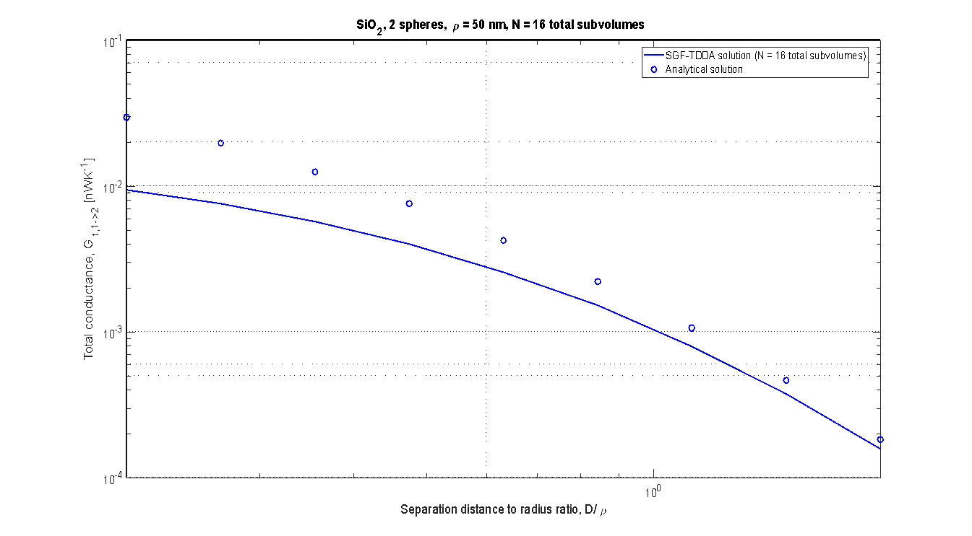
N = 2

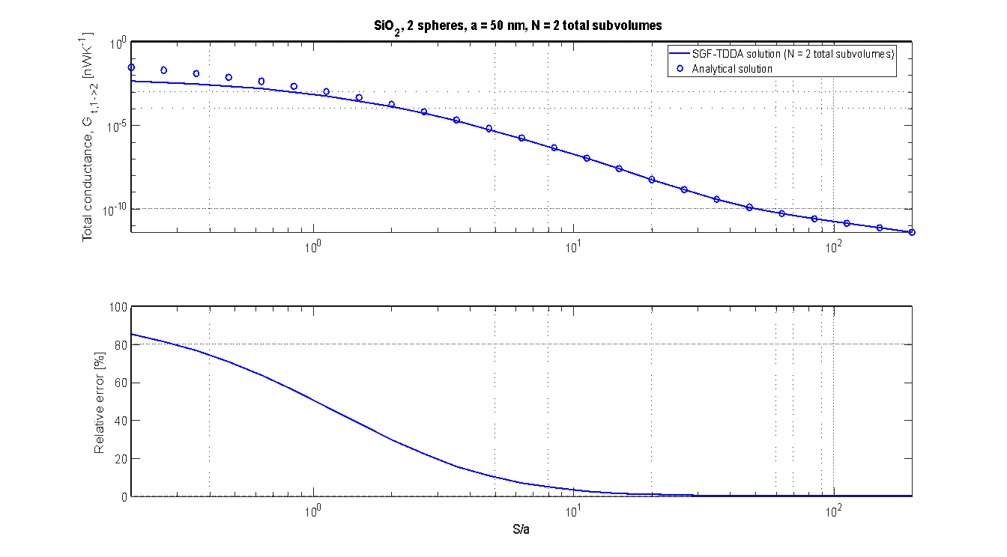

N = 16

a = 50 nm, S = 10 nm
Frequency | Wavelength | Spectral transmissivity |  |  | Spectral conductance at T = 300 K
 |  | Analytical solution | SGF-TDDA | SGF-TDDA | Analytical solution | SGF-TDDA | SGF-TDDA
 |  |  | (N = 2 total subvolumes) | (N = 16 total subvolumes) |  | (N = 2 total subvolumes) | (N = 16 total subvolumes)
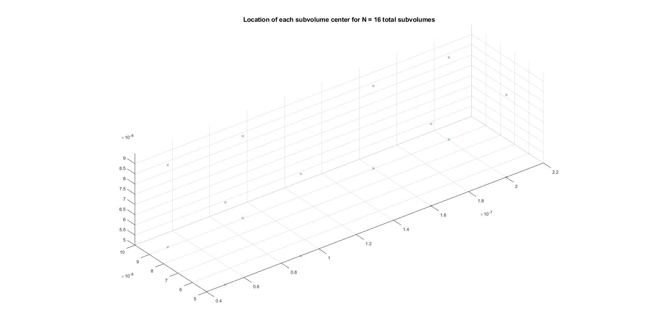
[rad/s] | [m] | [-] | [-] | [-] | [W/(K*(rad/s))] | [W/(K*(rad/s))] | [W/(K*(rad/s))]
376730313461771 | 5.00E-06 | 1.16E-05 | 1.27E-06 | 2.85E-06 | 1.01E-30 | 1.10E-31 | 2.47E-31
362100010026362 | 5.20E-06 | 1.74E-05 | 1.89E-06 | 4.24E-06 | 2.03E-30 | 2.20E-31 | 4.93E-31
348563561053414 | 5.40E-06 | 2.63E-05 | 2.83E-06 | 6.34E-06 | 4.00E-30 | 4.30E-31 | 9.65E-31
336002712006444 | 5.61E-06 | 4.00E-05 | 4.26E-06 | 9.57E-06 | 7.79E-30 | 8.30E-31 | 1.86E-30
324315661154046 | 5.81E-06 | 6.16E-05 | 6.50E-06 | 1.46E-05 | 1.50E-29 | 1.59E-30 | 3.57E-30
313414294392565 | 6.01E-06 | 9.63E-05 | 1.00E-05 | 2.26E-05 | 2.90E-29 | 3.02E-30 | 6.80E-30
303221959615571 | 6.21E-06 | 0.00015354072624 | 1.58E-05 | 3.56E-05 | 5.61E-29 | 5.77E-30 | 1.30E-29
293671661674924 | 6.41E-06 | 0.00025099543852 | 2.54E-05 | 5.74E-05 | 1.10E-28 | 1.11E-29 | 2.51E-29
284704588035995 | 6.62E-06 | 0.00042331735453 | 4.20E-05 | 9.55E-05 | 2.19E-28 | 2.17E-29 | 4.93E-29
276268896538632 | 6.82E-06 | 0.00074281941072 | 7.18E-05 | 1.65E-04 | 4.48E-28 | 4.33E-29 | 9.94E-29
268318712465578 | 7.02E-06 | 0.0013716773027 | 0.00012851932034 | 2.99E-04 | 9.56E-28 | 8.96E-29 | 2.08E-28
260813293935072 | 7.22E-06 | 0.0027082929336 | 0.00024347593935 | 5.79E-04 | 2.16E-27 | 1.94E-28 | 4.62E-28
253716333555886 | 7.42E-06 | 0.0058531831699 | 0.00049737887339 | 1.23E-03 | 5.29E-27 | 4.50E-28 | 1.11E-27
246995371077585 | 7.63E-06 | 0.014359891686 | 0.0011256289193 | 2.99E-03 | 1.46E-26 | 1.15E-27 | 3.04E-27
240621296985260 | 7.83E-06 | 0.042465119388 | 0.0029437961094 | 9.03E-03 | 4.83E-26 | 3.35E-27 | 1.03E-26
234567931023367 | 8.03E-06 | 0.16739979059 | 0.0095341675444 | 3.93E-02 | 2.11E-25 | 1.20E-26 | 4.96E-26
228811662777394 | 8.23E-06 | 0.96123308585 | 0.042698058706 | 2.18E-01 | 1.34E-24 | 5.94E-26 | 3.03E-25
223331143908475 | 8.43E-06 | 3.8252460962 | 0.27410323696 | 4.99E-01 | 5.83E-24 | 4.18E-25 | 7.61E-25
218107023583130 | 8.64E-06 | 3.2622922175 | 0.80812164316 | 9.90E-01 | 5.42E-24 | 1.34E-24 | 1.65E-24
213121720186945 | 8.84E-06 | 1.1946012149 | 0.27217669704 | 8.23E-01 | 2.16E-24 | 4.91E-25 | 1.48E-24
208359223646454 | 9.04E-06 | 0.28698577806 | 0.053411815522 | 2.93E-01 | 5.59E-25 | 1.04E-25 | 5.71E-25
203804923676040 | 9.24E-06 | 0.088493860505 | 0.015134772529 | 7.56E-02 | 1.86E-25 | 3.17E-26 | 1.59E-25
199445460067996 | 9.44E-06 | 0.036318160412 | 0.0058606590025 | 2.30E-02 | 8.16E-26 | 1.32E-26 | 5.16E-26
195268591794321 | 9.65E-06 | 0.018134347807 | 0.0028000546605 | 9.35E-03 | 4.35E-26 | 6.72E-27 | 2.24E-26
191263082219053 | 9.85E-06 | 0.010386372835 | 0.0015492819197 | 4.70E-03 | 2.65E-26 | 3.95E-27 | 1.20E-26
187418598154348 | 1.01E-05 | 0.0065891736352 | 0.00095594784153 | 2.72E-03 | 1.78E-26 | 2.59E-27 | 7.37E-27
183725620850814 | 1.03E-05 | 0.0045344406627 | 0.00064292672744 | 1.75E-03 | 1.30E-26 | 1.84E-27 | 5.02E-27
180175367307803 | 1.05E-05 | 0.0033442075703 | 0.00046502793113 | 1.23E-03 | 1.01E-26 | 1.40E-27 | 3.71E-27
176759720534196 | 1.07E-05 | 0.0026283755099 | 0.00035934599295 | 9.26E-04 | 8.35E-27 | 1.14E-27 | 2.94E-27
173471167594025 | 1.09E-05 | 0.0022018110157 | 0.00029649364055 | 7.49E-04 | 7.34E-27 | 9.88E-28 | 2.50E-27
170302744441622 | 1.11E-05 | 0.0019793715438 | 0.000262832629 | 6.54E-04 | 6.90E-27 | 9.17E-28 | 2.28E-27
167247986693791 | 1.13E-05 | 0.0019401597005 | 0.00025419859684 | 6.23E-04 | 7.07E-27 | 9.26E-28 | 2.27E-27
164300885606675 | 1.15E-05 | 0.0021356967945 | 0.00027611237496 | 6.68E-04 | 8.11E-27 | 1.05E-27 | 2.54E-27
161455848626473 | 1.17E-05 | 0.0027735894065 | 0.00035366605796 | 8.46E-04 | 1.10E-26 | 1.40E-27 | 3.35E-27
158707663969001 | 1.19E-05 | 0.0045559686355 | 0.000572680703 | 1.35E-03 | 1.87E-26 | 2.35E-27 | 5.56E-27
156051468756131 | 1.21E-05 | 0.0098983459991 | 0.0012301204121 | 2.88E-03 | 4.22E-26 | 5.24E-27 | 1.23E-26
153482720299240 | 1.23E-05 | 0.022749131192 | 0.0028521036249 | 6.70E-03 | 1.00E-25 | 1.26E-26 | 2.95E-26
150997170172936 | 1.25E-05 | 0.024922170003 | 0.0032418290694 | 7.82E-03 | 1.14E-25 | 1.48E-26 | 3.57E-26
148590840767790 | 1.27E-05 | 0.011729246575 | 0.0015459115886 | 3.79E-03 | 5.52E-26 | 7.28E-27 | 1.79E-26
146260004049864 | 1.29E-05 | 0.0051853940758 | 0.00067814577681 | 1.66E-03 | 2.52E-26 | 3.29E-27 | 8.04E-27
144001162288476 | 1.31E-05 | 0.0028424906331 | 0.00036759281347 | 8.89E-04 | 1.42E-26 | 1.84E-27 | 4.45E-27
141811030542644 | 1.33E-05 | 0.0018966052098 | 0.00024270815034 | 5.82E-04 | 9.75E-27 | 1.25E-27 | 2.99E-27
139686520721780 | 1.35E-05 | 0.0014568228141 | 0.0001846838378 | 4.40E-04 | 7.69E-27 | 9.75E-28 | 2.32E-27
137624727057990 | 1.37E-05 | 0.0012343785072 | 0.00015515153133 | 3.67E-04 | 6.69E-27 | 8.41E-28 | 1.99E-27
135622912846237 | 1.39E-05 | 0.0011217834462 | 0.00013988053023 | 3.29E-04 | 6.23E-27 | 7.77E-28 | 1.83E-27
133678498325144 | 1.41E-05 | 0.0010738890972 | 0.00013289585192 | 3.11E-04 | 6.11E-27 | 7.56E-28 | 1.77E-27
131789049585566 | 1.43E-05 | 0.00107032308 | 0.00013148127271 | 3.07E-04 | 6.23E-27 | 7.66E-28 | 1.79E-27
129952268406673 | 1.45E-05 | 0.0011020405139 | 0.0001343946689 | 3.12E-04 | 6.56E-27 | 8.00E-28 | 1.86E-27
128165982930293 | 1.47E-05 | 0.0011660207279 | 0.00014116257509 | 3.27E-04 | 7.09E-27 | 8.59E-28 | 1.99E-27
126428139093950 | 1.49E-05 | 0.0012630959202 | 0.00015178628473 | 3.50E-04 | 7.84E-27 | 9.42E-28 | 2.17E-27
124736792751556 | 1.51E-05 | 0.0013971659573 | 0.00016662685829 | 3.83E-04 | 8.85E-27 | 1.06E-27 | 2.42E-27
123090102418202 | 1.53E-05 | 0.0015751554069 | 0.0001863820525 | 4.27E-04 | 1.02E-26 | 1.20E-27 | 2.75E-27
121486322582134 | 1.55E-05 | 0.0018074947163 | 0.00021212347071 | 4.84E-04 | 1.19E-26 | 1.39E-27 | 3.18E-27
119923797532847 | 1.57E-05 | 0.0021091089497 | 0.00024538709024 | 5.58E-04 | 1.41E-26 | 1.64E-27 | 3.74E-27
118400955659414 | 1.59E-05 | 0.0025020338579 | 0.00028832519666 | 6.54E-04 | 1.70E-26 | 1.96E-27 | 4.45E-27
116916304177791 | 1.61E-05 | 0.003014121282 | 0.00034394105101 | 7.78E-04 | 2.09E-26 | 2.38E-27 | 5.39E-27
115468424249893 | 1.63E-05 | 0.0036882901979 | 0.00041644430582 | 9.40E-04 | 2.59E-26 | 2.93E-27 | 6.61E-27
114055966460903 | 1.65E-05 | 0.0045849428694 | 0.00051179020276 | 1.15E-03 | 3.27E-26 | 3.66E-27 | 8.24E-27
112677646624518 | 1.67E-05 | 0.0057919972304 | 0.00063850604891 | 1.44E-03 | 4.20E-26 | 4.63E-27 | 1.04E-26
111332241888702 | 1.69E-05 | 0.0074394819086 | 0.00080897636429 | 1.82E-03 | 5.47E-26 | 5.95E-27 | 1.34E-26
110018587117154 | 1.71E-05 | 0.0097231294323 | 0.001041474758 | 2.34E-03 | 7.25E-26 | 7.77E-27 | 1.74E-26
108735571523951 | 1.73E-05 | 0.01294326233 | 0.001363434979 | 3.06E-03 | 9.79E-26 | 1.03E-26 | 2.32E-26
107482135540966 | 1.75E-05 | 0.017570165458 | 0.0018168178476 | 4.09E-03 | 1.35E-25 | 1.39E-26 | 3.13E-26
106257267899474 | 1.77E-05 | 0.024356111381 | 0.0024670894234 | 5.56E-03 | 1.89E-25 | 1.91E-26 | 4.32E-26
105060002909057 | 1.79E-05 | 0.034530581547 | 0.0034185283314 | 7.74E-03 | 2.71E-25 | 2.68E-26 | 6.08E-26
103889417918427 | 1.81E-05 | 0.050144255407 | 0.0048407766372 | 1.10E-02 | 3.98E-25 | 3.85E-26 | 8.77E-26
102744630944119 | 1.83E-05 | 0.074674353051 | 0.0070154862122 | 1.61E-02 | 6.00E-25 | 5.64E-26 | 1.30E-25
101624798454265 | 1.85E-05 | 0.11406037713 | 0.010418547998 | 2.42E-02 | 9.27E-25 | 8.47E-26 | 1.96E-25
100529113295729 | 1.87E-05 | 0.17832085135 | 0.015862679519 | 3.71E-02 | 1.47E-24 | 1.30E-25 | 3.04E-25
9.9456802754E+13 | 1.89E-05 | 0.28343959082 | 0.024730041641 | 5.77E-02 | 2.35E-24 | 2.05E-25 | 4.79E-25
9.8407126735E+13 | 1.91E-05 | 0.45121804144 | 0.039288651102 | 8.98E-02 | 3.79E-24 | 3.30E-25 | 7.53E-25
9.7379376065E+13 | 1.93E-05 | 0.69990660794 | 0.062882652302 | 1.36E-01 | 5.93E-24 | 5.33E-25 | 1.15E-24
9.6372870886E+13 | 1.95E-05 | 1.0160012243 | 0.099137913721 | 1.97E-01 | 8.69E-24 | 8.48E-25 | 1.69E-24
9.5386959163E+13 | 1.97E-05 | 1.3218601959 | 0.14829657191 | 2.69E-01 | 1.14E-23 | 1.28E-24 | 2.32E-24
9.4421015273E+13 | 1.99E-05 | 1.4998332357 | 0.20020257651 | 3.44E-01 | 1.31E-23 | 1.74E-24 | 2.99E-24
9.3474438678E+13 | 2.02E-05 | 1.4826517194 | 0.23255987714 | 4.07E-01 | 1.30E-23 | 2.04E-24 | 3.58E-24
9.2546652687E+13 | 2.04E-05 | 1.2989531858 | 0.22723280187 | 4.40E-01 | 1.15E-23 | 2.01E-24 | 3.90E-24
9.1637103274E+13 | 2.06E-05 | 1.0326371492 | 0.18947721525 | 4.29E-01 | 9.23E-24 | 1.69E-24 | 3.84E-24
9.0745257987E+13 | 2.08E-05 | 0.76312559405 | 0.14069495604 | 3.81E-01 | 6.88E-24 | 1.27E-24 | 3.44E-24
8.9870604898E+13 | 2.10E-05 | 0.53845230765 | 0.097778346398 | 3.13E-01 | 4.89E-24 | 8.88E-25 | 2.84E-24
8.9012651629E+13 | 2.12E-05 | 0.37226547609 | 0.066225923888 | 2.41E-01 | 3.41E-24 | 6.06E-25 | 2.21E-24
8.8170924427E+13 | 2.14E-05 | 0.25733640275 | 0.044872241634 | 1.78E-01 | 2.37E-24 | 4.14E-25 | 1.64E-24
8.734496729E+13 | 2.16E-05 | 0.18013816547 | 0.030849283694 | 1.28E-01 | 1.67E-24 | 2.87E-25 | 1.19E-24
8.6534341143E+13 | 2.18E-05 | 0.12851577281 | 0.021658330282 | 9.12E-02 | 1.20E-24 | 2.03E-25 | 8.53E-25
8.5738623064E+13 | 2.20E-05 | 0.093665187904 | 0.015560258812 | 6.50E-02 | 8.82E-25 | 1.47E-25 | 6.12E-25
8.4957405541E+13 | 2.22E-05 | 0.069744995976 | 0.011437829623 | 4.67E-02 | 6.61E-25 | 1.08E-25 | 4.43E-25
8.4190295785E+13 | 2.24E-05 | 0.053005098624 | 0.0085915202239 | 3.41E-02 | 5.06E-25 | 8.20E-26 | 3.25E-25
8.3436915062E+13 | 2.26E-05 | 0.041052897482 | 0.0065838111633 | 2.53E-02 | 3.94E-25 | 6.32E-26 | 2.43E-25
82696898076974 | 2.28E-05 | 0.032350837755 | 0.0051381133675 | 1.91E-02 | 3.13E-25 | 4.97E-26 | 1.85E-25
8.196989238E+13 | 2.30E-05 | 0.025897106452 | 0.0040767225612 | 1.47E-02 | 2.52E-25 | 3.96E-26 | 1.43E-25
8.1255557805E+13 | 2.32E-05 | 0.021027922038 | 0.0032833400137 | 1.16E-02 | 2.06E-25 | 3.21E-26 | 1.13E-25
8.0553565945E+13 | 2.34E-05 | 0.017295583242 | 0.0026803905042 | 9.21E-03 | 1.70E-25 | 2.64E-26 | 9.06E-26
7.9863599642E+13 | 2.36E-05 | 0.014392716695 | 0.002215149334 | 7.44E-03 | 1.42E-25 | 2.19E-26 | 7.36E-26
7.9185352511E+13 | 2.38E-05 | 0.012104631906 | 0.0018511306725 | 6.10E-03 | 1.20E-25 | 1.84E-26 | 6.07E-26
7.851852849E+13 | 2.40E-05 | 0.010278900474 | 0.0015626520113 | 5.06E-03 | 1.03E-25 | 1.56E-26 | 5.06E-26
7.7862841404E+13 | 2.42E-05 | 0.0088056181381 | 0.001331343584 | 4.24E-03 | 8.85E-26 | 1.34E-26 | 4.27E-26
7.721801456E+13 | 2.44E-05 | 0.0076043885591 | 0.0011438680055 | 3.59E-03 | 7.68E-26 | 1.16E-26 | 3.63E-26
7.6583780355E+13 | 2.46E-05 | 0.0066156019228 | 0.00099040550051 | 3.07E-03 | 6.72E-26 | 1.01E-26 | 3.12E-26
7.5959879904E+13 | 2.48E-05 | 0.0057945007843 | 0.00086363148386 | 2.65E-03 | 5.91E-26 | 8.81E-27 | 2.70E-26
7.5346062692E+13 | 2.50E-05 | 0.0051070827269 | 0.00075801589827 | 2.30E-03 | 5.24E-26 | 7.77E-27 | 2.36E-26

