F02_Shares
Figure 2. Sodium source shares by country

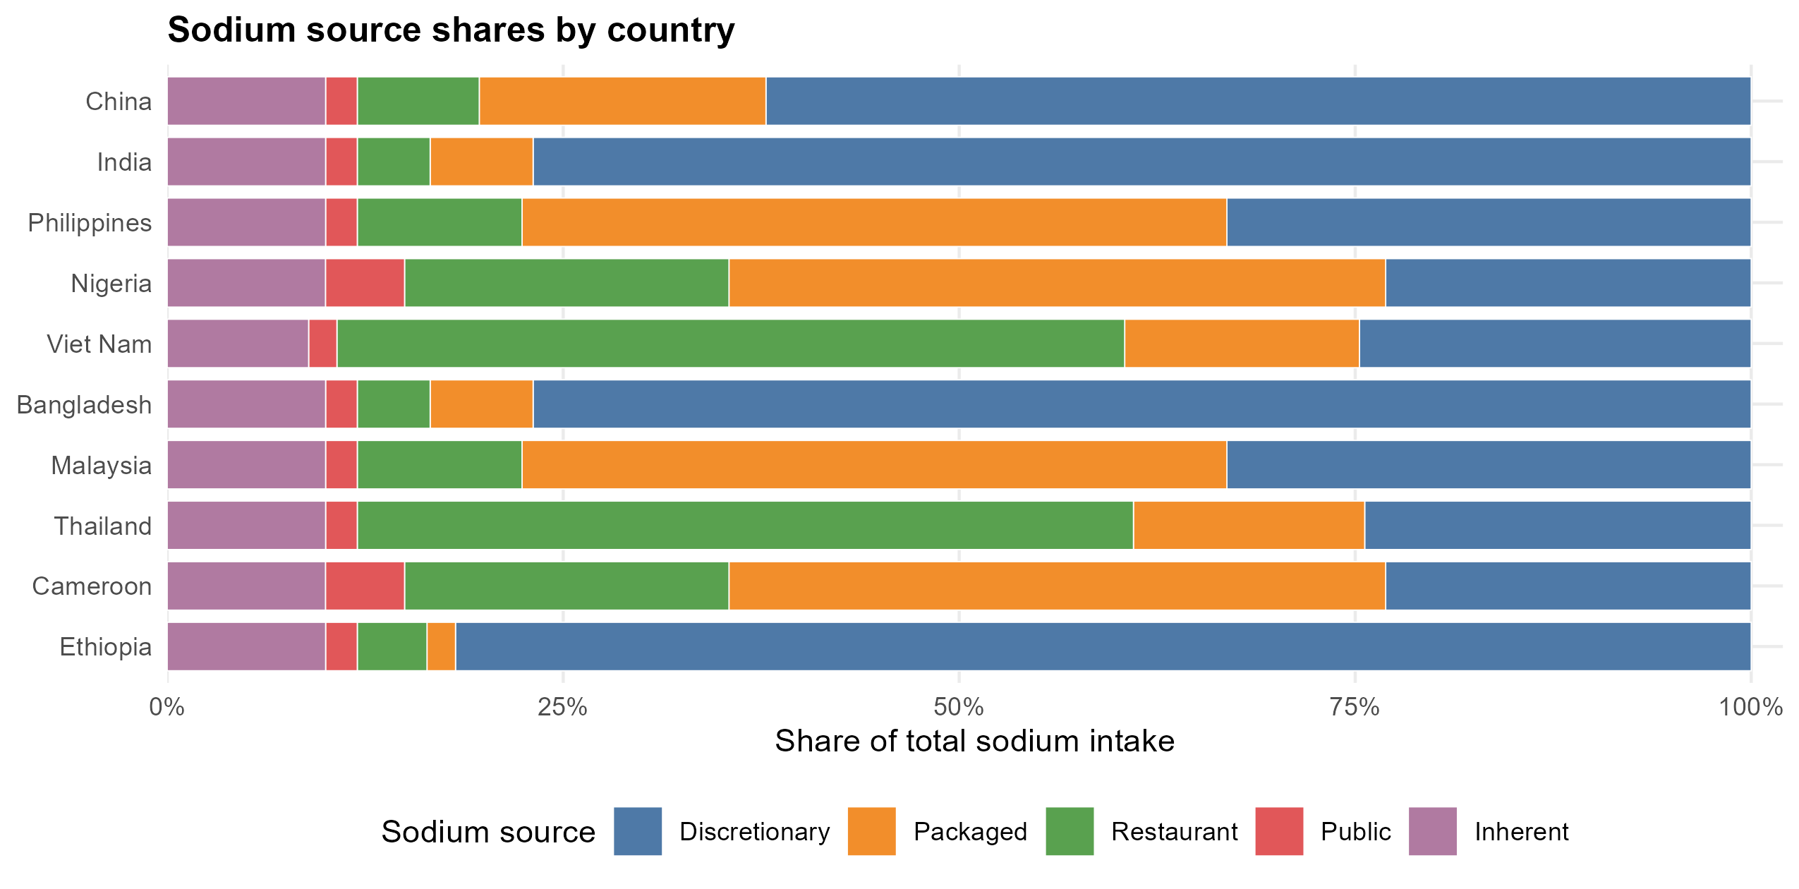

Plotted data
location | discretionary | packaged | restaurant | public | inherent
Ethiopia | 0.818 | 0.018 | 0.044 | 0.02 | 0.1
Cameroon | 0.23076923077 | 0.41458541459 | 0.2047952048 | 0.04995004995 | 0.0999000999
Thailand | 0.244 | 0.146 | 0.49 | 0.02 | 0.1
Malaysia | 0.331 | 0.445 | 0.104 | 0.02 | 0.1
Bangladesh | 0.769 | 0.065 | 0.046 | 0.02 | 0.1
Viet Nam | 0.24732142857 | 0.14821428571 | 0.49732142857 | 0.017857142857 | 0.089285714286
Nigeria | 0.23076923077 | 0.41458541459 | 0.2047952048 | 0.04995004995 | 0.0999000999
Philippines | 0.331 | 0.445 | 0.104 | 0.02 | 0.1
India | 0.769 | 0.065 | 0.046 | 0.02 | 0.1
China | 0.622 | 0.181 | 0.077 | 0.02 | 0.1

F04_PackagedTime
Figure 4. Packaged share of sodium over time

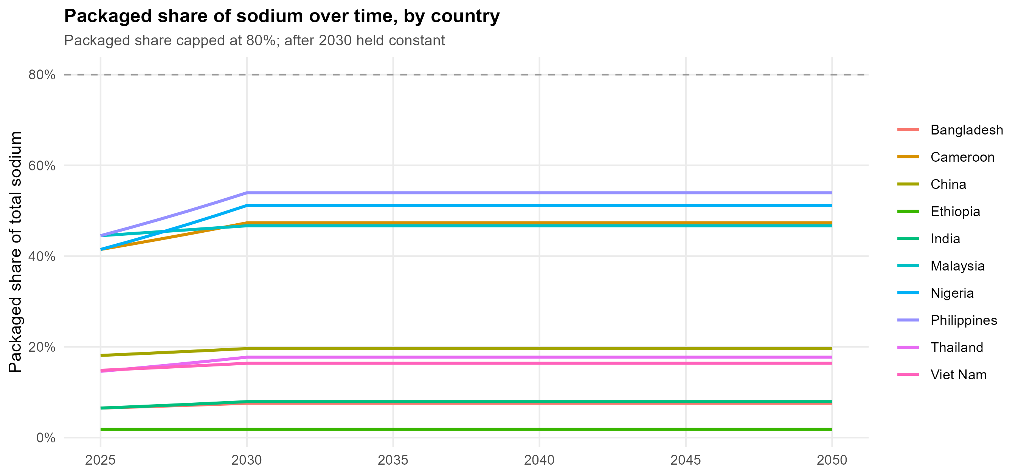

Plotted data
year | Bangladesh | Cameroon | China | Ethiopia | India | Malaysia | Nigeria | Philippines | Thailand | Viet Nam
2025 | 0.065 | 0.41458541459 | 0.181 | 0.018 | 0.065 | 0.445 | 0.41458541459 | 0.445 | 0.146 | 0.14821428571
2026 | 0.06698375803 | 0.42570133165 | 0.18392701527 | 0.018010976668 | 0.067618041346 | 0.44927180602 | 0.43237501025 | 0.46247991828 | 0.15176027847 | 0.15119547473
2027 | 0.069028059074 | 0.43711529009 | 0.18690136435 | 0.01802196003 | 0.070341531008 | 0.45358461952 | 0.45092794612 | 0.48064646024 | 0.15774782276 | 0.15423662752
2028 | 0.071134750866 | 0.44883528105 | 0.18992381268 | 0.01803295009 | 0.073174716185 | 0.45793883415 | 0.47027697663 | 0.49952659698 | 0.16397159939 | 0.15733895021
2029 | 0.073305737531 | 0.46086950991 | 0.1929951381 | 0.018043946852 | 0.076122015146 | 0.46233484734 | 0.49045626169 | 0.51914835898 | 0.17044092866 | 0.16050367315
2030 | 0.075542981307 | 0.47322640204 | 0.19611613101 | 0.01805495032 | 0.079188024116 | 0.46677306034 | 0.51150142701 | 0.53954087783 | 0.17716549861 | 0.16373205148
2031 | 0.075542981307 | 0.47322640204 | 0.19611613101 | 0.01805495032 | 0.079188024116 | 0.46677306034 | 0.51150142701 | 0.53954087783 | 0.17716549861 | 0.16373205148
2032 | 0.075542981307 | 0.47322640204 | 0.19611613101 | 0.01805495032 | 0.079188024116 | 0.46677306034 | 0.51150142701 | 0.53954087783 | 0.17716549861 | 0.16373205148
2033 | 0.075542981307 | 0.47322640204 | 0.19611613101 | 0.01805495032 | 0.079188024116 | 0.46677306034 | 0.51150142701 | 0.53954087783 | 0.17716549861 | 0.16373205148
2034 | 0.075542981307 | 0.47322640204 | 0.19611613101 | 0.01805495032 | 0.079188024116 | 0.46677306034 | 0.51150142701 | 0.53954087783 | 0.17716549861 | 0.16373205148
2035 | 0.075542981307 | 0.47322640204 | 0.19611613101 | 0.01805495032 | 0.079188024116 | 0.46677306034 | 0.51150142701 | 0.53954087783 | 0.17716549861 | 0.16373205148
2036 | 0.075542981307 | 0.47322640204 | 0.19611613101 | 0.01805495032 | 0.079188024116 | 0.46677306034 | 0.51150142701 | 0.53954087783 | 0.17716549861 | 0.16373205148
2037 | 0.075542981307 | 0.47322640204 | 0.19611613101 | 0.01805495032 | 0.079188024116 | 0.46677306034 | 0.51150142701 | 0.53954087783 | 0.17716549861 | 0.16373205148
2038 | 0.075542981307 | 0.47322640204 | 0.19611613101 | 0.01805495032 | 0.079188024116 | 0.46677306034 | 0.51150142701 | 0.53954087783 | 0.17716549861 | 0.16373205148
2039 | 0.075542981307 | 0.47322640204 | 0.19611613101 | 0.01805495032 | 0.079188024116 | 0.46677306034 | 0.51150142701 | 0.53954087783 | 0.17716549861 | 0.16373205148
2040 | 0.075542981307 | 0.47322640204 | 0.19611613101 | 0.01805495032 | 0.079188024116 | 0.46677306034 | 0.51150142701 | 0.53954087783 | 0.17716549861 | 0.16373205148
2041 | 0.075542981307 | 0.47322640204 | 0.19611613101 | 0.01805495032 | 0.079188024116 | 0.46677306034 | 0.51150142701 | 0.53954087783 | 0.17716549861 | 0.16373205148
2042 | 0.075542981307 | 0.47322640204 | 0.19611613101 | 0.01805495032 | 0.079188024116 | 0.46677306034 | 0.51150142701 | 0.53954087783 | 0.17716549861 | 0.16373205148
2043 | 0.075542981307 | 0.47322640204 | 0.19611613101 | 0.01805495032 | 0.079188024116 | 0.46677306034 | 0.51150142701 | 0.53954087783 | 0.17716549861 | 0.16373205148
2044 | 0.075542981307 | 0.47322640204 | 0.19611613101 | 0.01805495032 | 0.079188024116 | 0.46677306034 | 0.51150142701 | 0.53954087783 | 0.17716549861 | 0.16373205148
2045 | 0.075542981307 | 0.47322640204 | 0.19611613101 | 0.01805495032 | 0.079188024116 | 0.46677306034 | 0.51150142701 | 0.53954087783 | 0.17716549861 | 0.16373205148
2046 | 0.075542981307 | 0.47322640204 | 0.19611613101 | 0.01805495032 | 0.079188024116 | 0.46677306034 | 0.51150142701 | 0.53954087783 | 0.17716549861 | 0.16373205148
2047 | 0.075542981307 | 0.47322640204 | 0.19611613101 | 0.01805495032 | 0.079188024116 | 0.46677306034 | 0.51150142701 | 0.53954087783 | 0.17716549861 | 0.16373205148
2048 | 0.075542981307 | 0.47322640204 | 0.19611613101 | 0.01805495032 | 0.079188024116 | 0.46677306034 | 0.51150142701 | 0.53954087783 | 0.17716549861 | 0.16373205148
2049 | 0.075542981307 | 0.47322640204 | 0.19611613101 | 0.01805495032 | 0.079188024116 | 0.46677306034 | 0.51150142701 | 0.53954087783 | 0.17716549861 | 0.16373205148
2050 | 0.075542981307 | 0.47322640204 | 0.19611613101 | 0.01805495032 | 0.079188024116 | 0.46677306034 | 0.51150142701 | 0.53954087783 | 0.17716549861 | 0.16373205148

F06_Headline
Figure 6. Deaths delayed by intervention

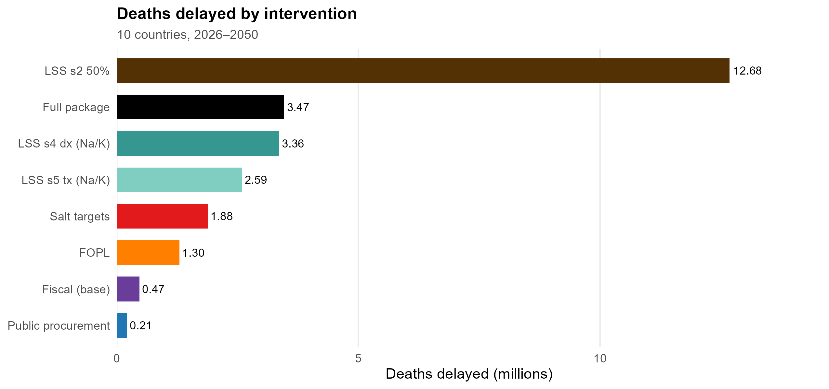

Plotted data
Scenario | deaths_delayed | deaths_delayed_millions
Public food procurement & service | 214367.84325 | 0.21436784325
Front-of-pack labelling (FOPL) | 1297256.2456 | 1.2972562456
Salt targets (reformulation) | 1881409.3909 | 1.8814093909
Fiscal policy - base (EXPLORATORY salt tax) | 469550.06202 | 0.46955006202
LSS - whole-population discretionary, 50% coverage (Na/K-SBP) | 12682821.935 | 12.682821935
LSS - diagnosed hypertension (Na/K-SBP) | 3359419.1974 | 3.3594191974
LSS - treated hypertension (Na/K-SBP) | 2590569.7057 | 2.5905697057
Full package (public food procurement + front-of-pack labelling + salt targets + salt tax) | 3465464.2294 | 3.4654642294

F08_LssUptake
Figure 8. Low-sodium salt substitutes: deaths delayed by population uptake

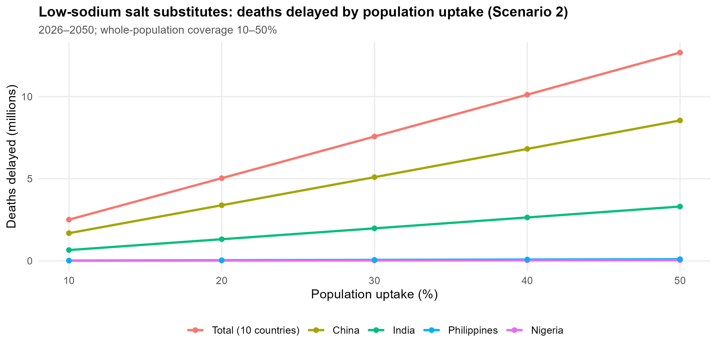

Plotted data
Country | 10% | 20% | 30% | 40% | 50%
Bangladesh | 80040.24037 | 160389.50667 | 241050.14758 | 322024.53459 | 403315.06227
Cameroon | 1268.7809856 | 2538.0771281 | 3807.8888062 | 5078.2163991 | 6349.0602862
China | 1688194.6171 | 3387136.1237 | 5096919.3091 | 6817639.9121 | 8549394.6308
Ethiopia | 20567.01918 | 41159.301884 | 61776.900292 | 82419.866711 | 103088.25358
India | 658559.03132 | 1318663.0872 | 1980317.495 | 2643527.6021 | 3308298.776
Malaysia | 6312.2087827 | 12630.215279 | 18954.027478 | 25283.65338 | 31619.100998
Nigeria | 8344.0615439 | 16690.464917 | 25039.211157 | 33390.301302 | 41743.736391
Philippines | 20568.26503 | 41157.022971 | 61766.306093 | 82396.146724 | 103046.57725
Thailand | 6531.5877954 | 13065.032537 | 19600.334883 | 26137.495493 | 32676.515024
Total (10 countries) | 2511006.6138 | 5034689.0346 | 7571149.8447 | 10120492.619 | 12682821.935
Viet Nam | 20620.801694 | 41260.202328 | 61918.224328 | 82594.890149 | 103290.22228

F09_Countries
Figure 9. Full package: deaths delayed by country

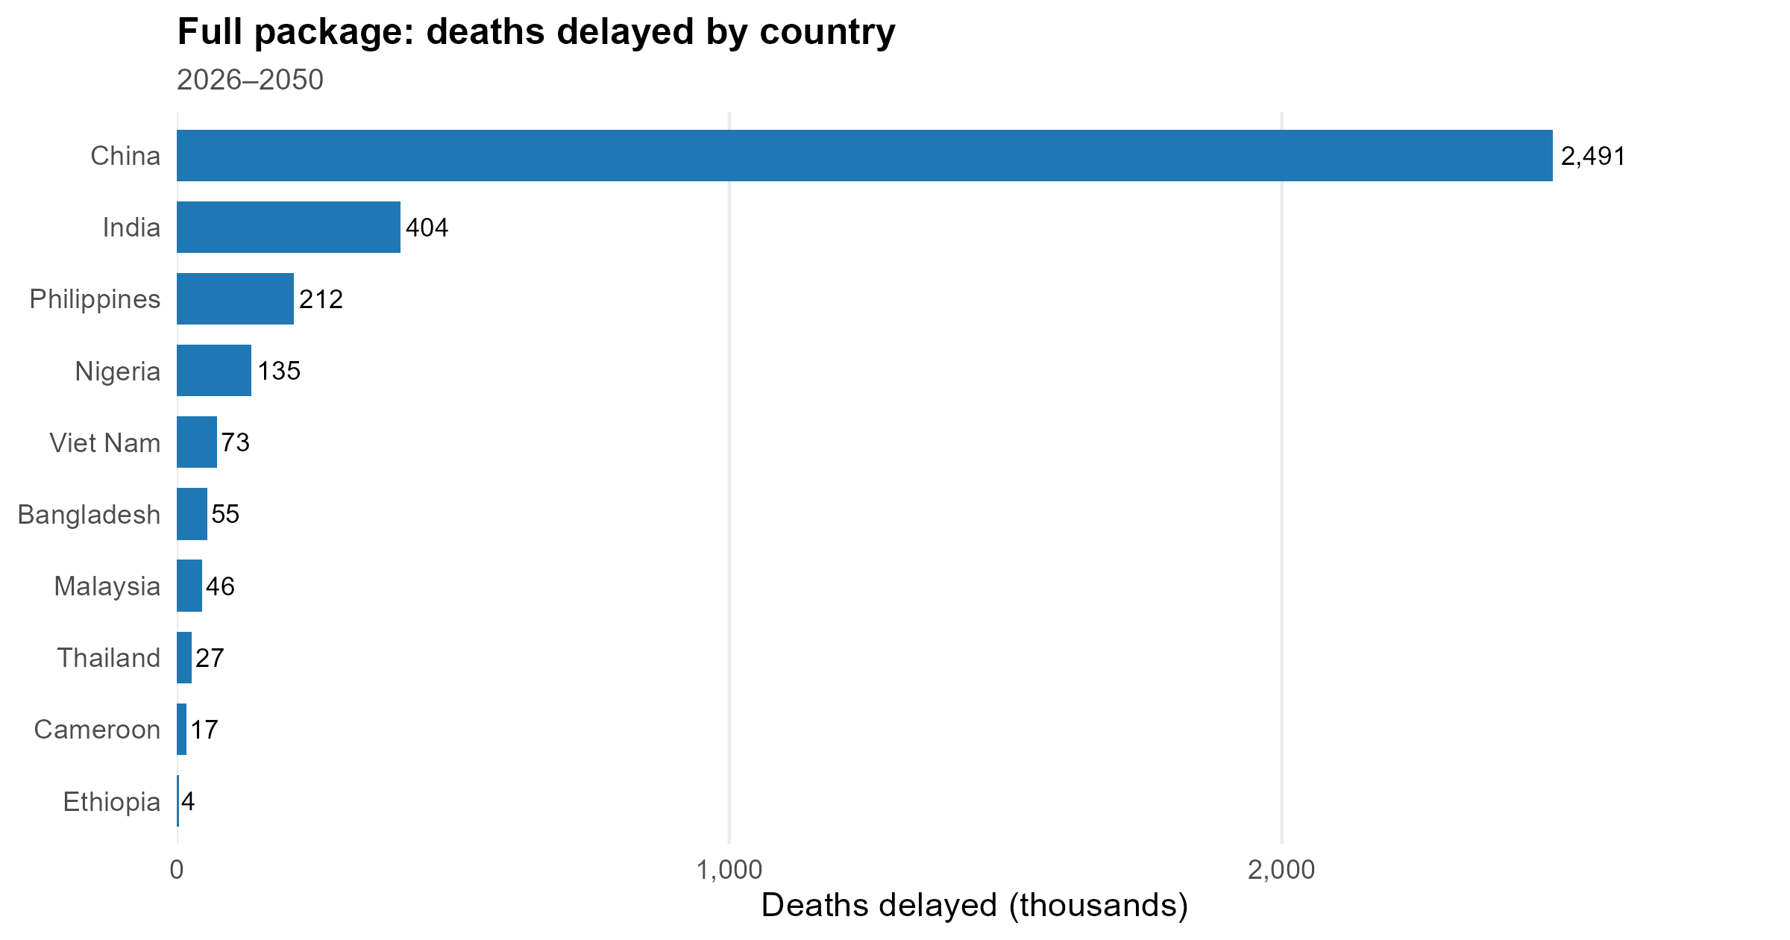

Plotted data
Country | deaths_delayed
Ethiopia | 4312.7945874
Cameroon | 17087.115987
Thailand | 27282.607324
Malaysia | 46384.214502
Bangladesh | 55089.227792
Viet Nam | 73409.610779
Nigeria | 134942.62538
Philippines | 212055.52925
India | 404371.24964
China | 2490529.2541

F10_Bycause
Figure 10. Full package: deaths delayed by cause

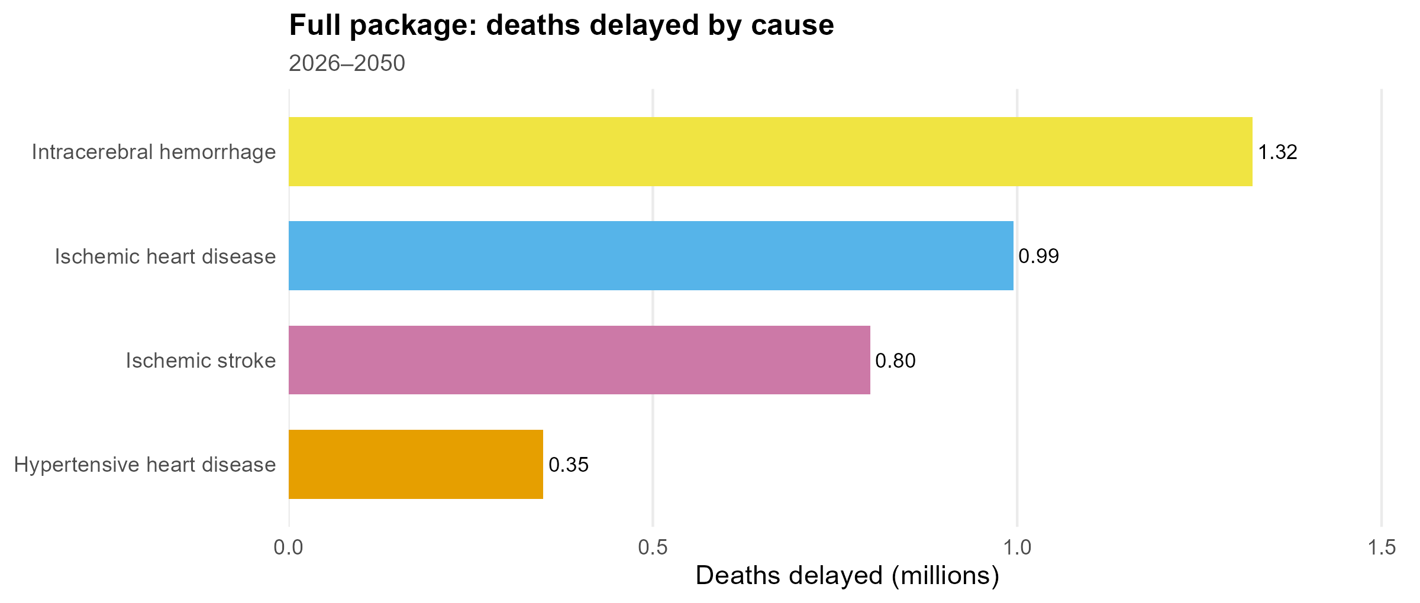

Plotted data
Cause | deaths_delayed | share
Intracerebral hemorrhage | 1322570.3905 | 0.38164306512
Ischemic heart disease | 994798.69451 | 0.28706073087
Ischemic stroke | 798389.27671 | 0.23038450951
Hypertensive heart disease | 349705.86762 | 0.1009116945

Diagrams
Schematic diagrams (no underlying data)

Figure 1. Overall model framework

Figure 3. Sodium-source and intervention map
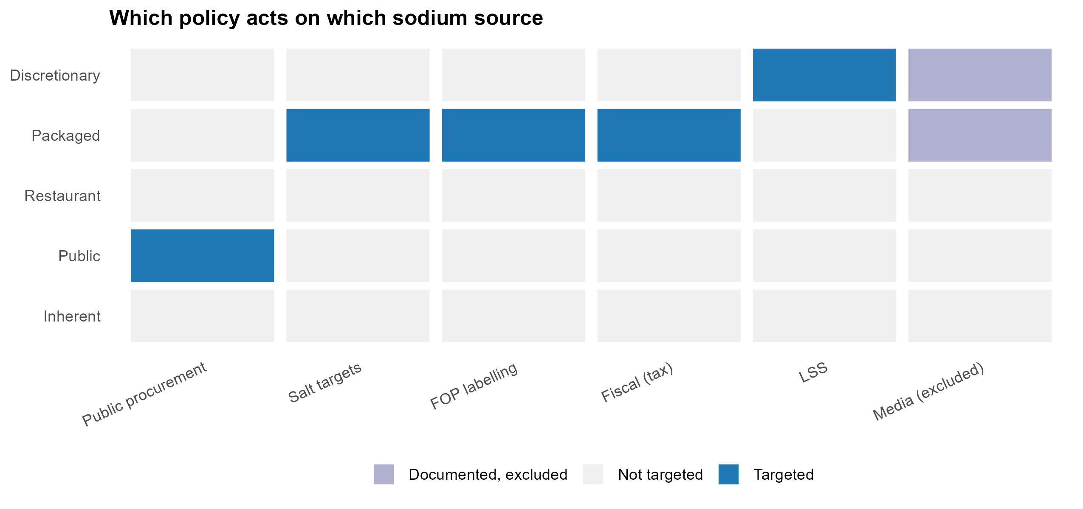

Figure 5. Low-sodium salt substitute causal pathway (sodium + potassium → blood pressure)

Figure 7. Fiscal-policy (salt-tax) pathway

