06_fig-clin-budget

Type-2 diabetes treatment drives most of Indonesia's clinical cardiovascular budget through 2050
FIGURE | fig-clin-budget

07_fig-clin-budget-undisc

Type-2 diabetes treatment still drives most of the undiscounted clinical cardiovascular budget through 2050
FIGURE | fig-clin-budget-undisc

12_fig-40q30
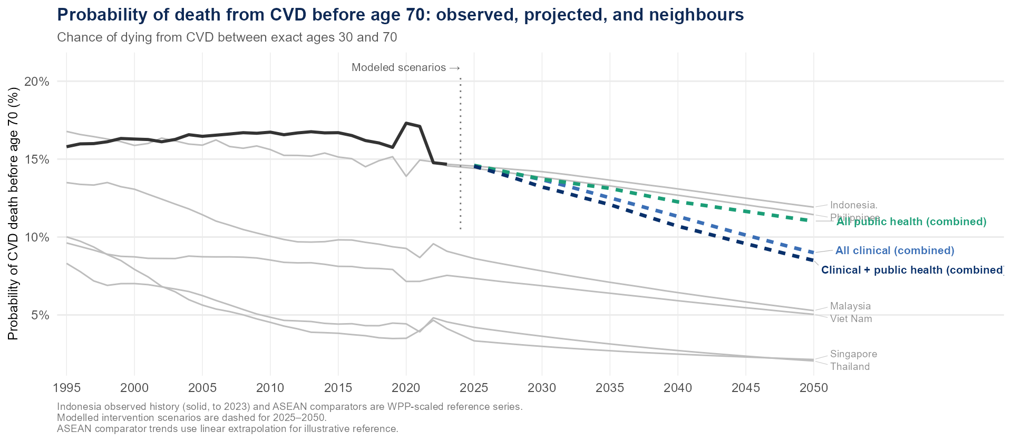
Indonesia's premature cardiovascular mortality can fall toward its neighbours
FIGURE | fig-40q30

13_fig-htn-cascade
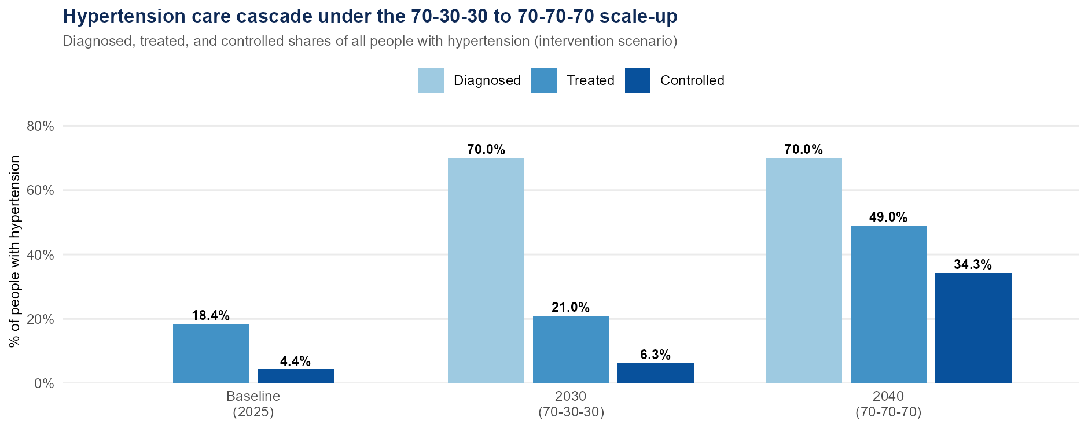
Indonesia's hypertension cascade can progress in two achievable stages
FIGURE | fig-htn-cascade

14_fig-casc-2panel
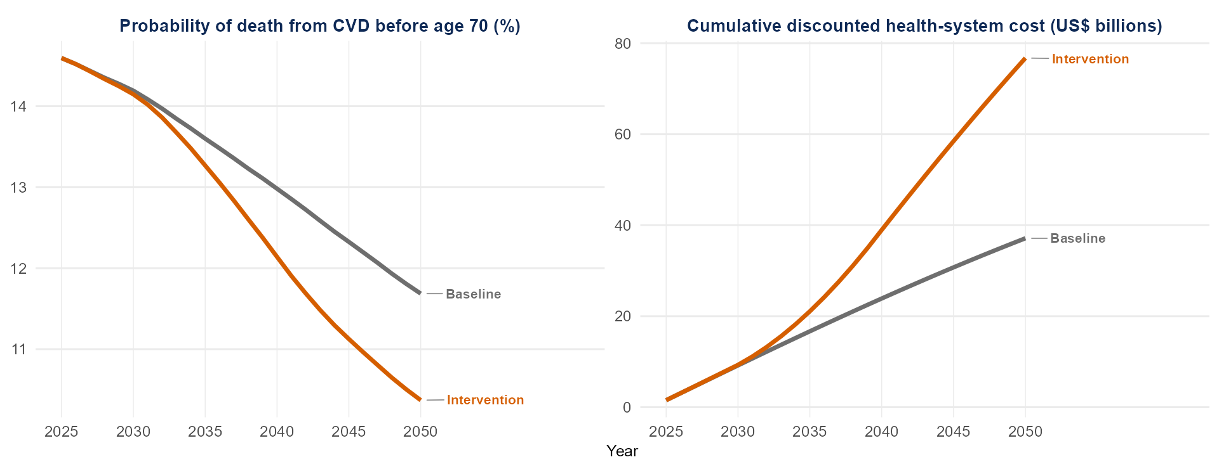
Stronger prevention lowers premature deaths at a rising but bounded cost
FIGURE | fig-casc-2panel

15_fig-casc-2panel-undisc
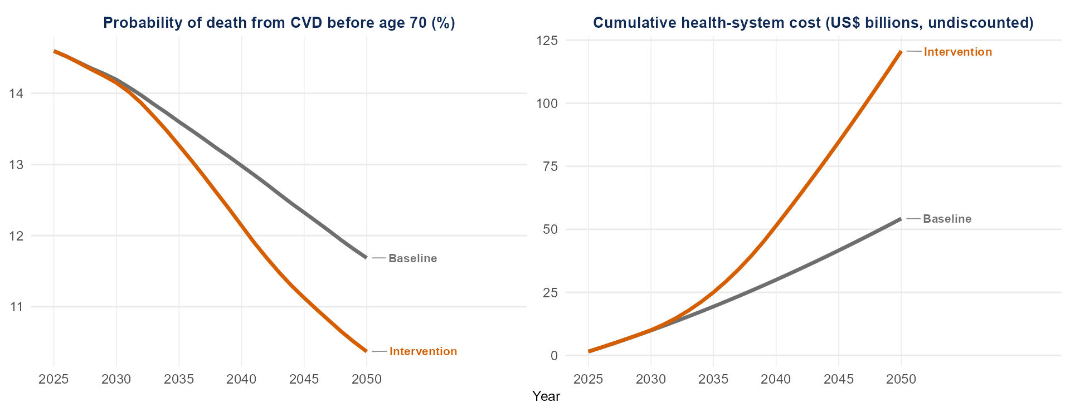
Undiscounted, stronger prevention still lowers premature deaths at a rising cost
FIGURE | fig-casc-2panel-undisc

18_fig-40q30-cascade
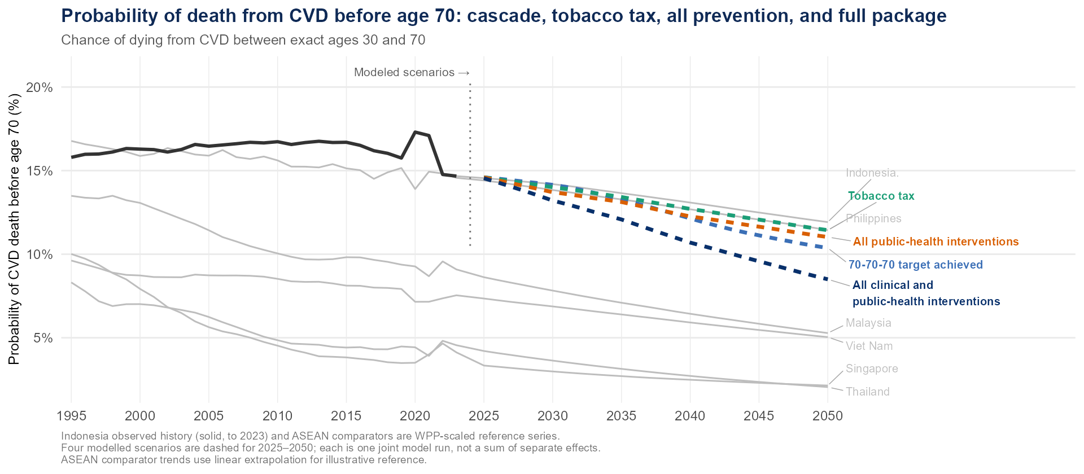
Care cascade, tobacco tax, all prevention, and the full package all move Indonesia toward its neighbours
FIGURE | fig-40q30-cascade

19_fig-sub-pareto
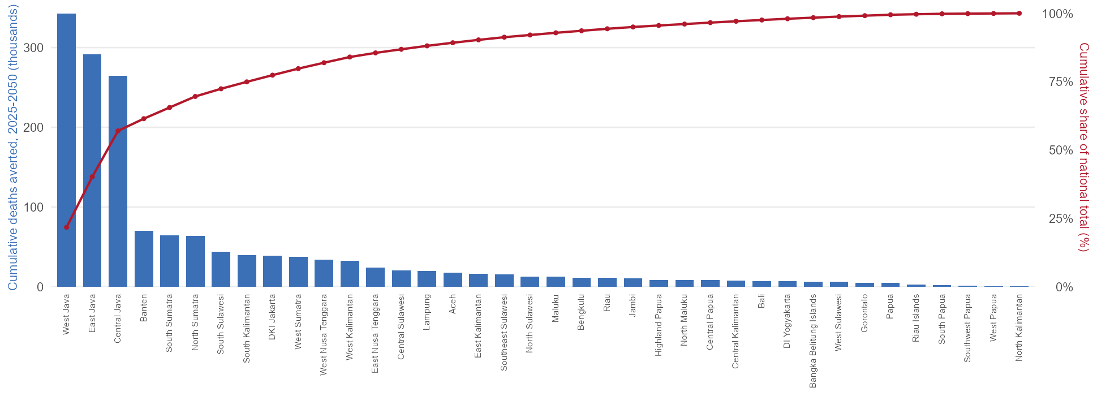
About half of averted deaths come from just 3 of Indonesia's 38 provinces
FIGURE | fig-sub-pareto

