Pivot
Customer ID | Sum of Revenue | Sum of Quantity | Sum of Profit
16123-07017-TY | 204.93 | 6 | 22.5423
21889-94615-WT | 200.79 | 6 | 26.1027
00246-15080-LE | 178.71 | 6 | 23.2323
54619-08558-ZU | 178.71 | 6 | 23.2323
00445-42781-KX | 163.72 | 16 | 13.42485
32743-78448-KT | 162.175 | 8 | 10.968
47493-68564-YM | 148.925 | 5 | 13.40325
77657-61366-FY | 145.82 | 4 | 18.9566
89714-19856-WX | 145.82 | 4 | 18.9566
69037-66822-DW | 136.62 | 4 | 15.0282
Grand Total | 1666.22 | 65 | 185.8471

Coffee Type | Sum of Quantity
Rob | 153
Ara | 141
Lib | 127
Exc | 122
Grand Total | 543

Revenue Trend
Country | Sum of Revenue
United States | 5725.105
Ireland | 1208.47
United Kingdom | 129.86
Grand Total | 7063.435

Sum of Revenue | Coffee Type
Order Date | Ara | Exc | Lib | Rob | Grand Total
Jan | 112.695 | 166.32 | 843.715 | 146.685 | 1269.415
Feb | 114.88 | 133.815 | 91.175 | 53.76 | 393.63
Mar | 277.76 | 175.41 | 462.51 | 399.525 | 1315.205
Apr | 197.895 | 289.755 | 88.545 | 200.255 | 776.45
May | 193.115 | 212.495 | 292.29 | 304.47 | 1002.37
Jun | 179.79 | 426.2 | 170.09 | 379.31 | 1155.39
Jul | 247.29 | 246.685 | 271.055 | 141.7 | 906.73
Aug | 116.395 | 41.25 | 15.54 | 71.06 | 244.245
Grand Total | 1439.82 | 1691.93 | 2234.92 | 1696.765 | 7063.435

Row Labels | Sum of Revenue
Teddi Crowthe | $205
Lemuel Rignold | 200.79
Petey Kingsbury | 178.71
Francesco Dressel | 178.71
Faunie Brigham | 163.72
Janella Millett | 162.175
Bidget Tremellier | 148.925
Doll Beauchamp | 145.82
Derrek Allpress | 145.82
Julio Armytage | 136.62
Grand Total | 1666.22

Name
Allis Wilmore
Brenn Dundredge
Terri Farra
Nealson Cuttler
Don Flintiff
Derick Snow
Brice Romera
Alexa Sizey
Ailey Brash
Nanny Lush

Values
Sum of Quantity | 543
Sum of Revenue | $7,063
Sum of Profit | $708

Dashboard-dark
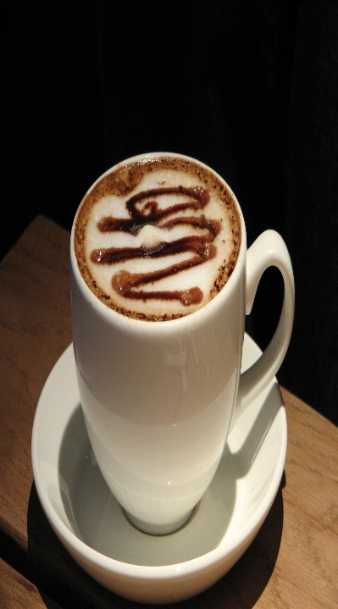
DASHBOARD

$708
543
$7,063
Orders
Total Sales
Total Profit
 | Top Customers | Sales | Orders
 | Teddi Crowthe | 204.93 | 6
 | Lemuel Rignold | 200.79 | 6
 | Petey Kingsbury | 178.71 | 6
Revenue Trend
 | Ara | Exc | Lib | Rob
Jan | 112.695 | 166.32 | 843.715 | 146.685
Feb | 114.88 | 133.815 | 91.175 | 53.76
Mar | 277.76 | 175.41 | 462.51 | 399.525
Apr | 197.895 | 289.755 | 88.545 | 200.255
May | 193.115 | 212.495 | 292.29 | 304.47
Jun | 179.79 | 426.2 | 170.09 | 379.31
Jul | 247.29 | 246.685 | 271.055 | 141.7
Aug | 116.395 | 41.25 | 15.54 | 71.06
 | Francesco Dressel | 178.71 | 6
 | Faunie Brigham | 163.72 | 16
 | Janella Millett | 162.175 | 8
 | Bidget Tremellier | 148.925 | 5
 | Derrek Allpress | 145.82 | 4
 | Doll Beauchamp | 145.82 | 4
Sales by Country
 | Total
United States | 5725.105
Ireland | 1208.47
United Kingdom | 129.86

Quantity Ordered
 | Total
Rob | 153
Ara | 141
Lib | 127
Exc | 122

MY COFFEE
SHOP

Dashboard-Light

DASHBOARD

$708
Filters:
543
$7,063
Orders
Total Sales
Total Profit
 | Top Customers | Sales | Orders
 | Teddi Crowthe | 204.93 | 6
 | Lemuel Rignold | 200.79 | 6
 | Petey Kingsbury | 178.71 | 6
Revenue Trend
 | Ara | Exc | Lib | Rob
Jan | 112.695 | 166.32 | 843.715 | 146.685
Feb | 114.88 | 133.815 | 91.175 | 53.76
Mar | 277.76 | 175.41 | 462.51 | 399.525
Apr | 197.895 | 289.755 | 88.545 | 200.255
May | 193.115 | 212.495 | 292.29 | 304.47
Jun | 179.79 | 426.2 | 170.09 | 379.31
Jul | 247.29 | 246.685 | 271.055 | 141.7
Aug | 116.395 | 41.25 | 15.54 | 71.06
 | Francesco Dressel | 178.71 | 6
 | Faunie Brigham | 163.72 | 16
 | Janella Millett | 162.175 | 8
 | Bidget Tremellier | 148.925 | 5
 | Derrek Allpress | 145.82 | 4
 | Doll Beauchamp | 145.82 | 4
Sales by Country
 | Total
United States | 5725.105
Ireland | 1208.47
United Kingdom | 129.86

Quantity Ordered
 | Total
Rob | 153
Ara | 141
Lib | 127
Exc | 122

MY COFFEE
SHOP

