Dashboard
Total number of Items Sold across categories
 | Total
Books | 213
Clothing | 291
Electronics | 181
Home Goods | 235
Sports | 268
Average Customer Satisfaction in Repeating Customer.
 | Total
FALSE | 2.81
TRUE | 2.85

Total Purchase_amount using different Payment methods
 | Total
Cash | 22684.09
Credit Card | 24711.34
Debit Card | 20061.51
PayPal | 29345.51
Sum of Purchase_amount in Repeating Customer
 | Total
FALSE | 43109.34
TRUE | 53693.11
 |  |  |  |  |  | 4

Total Purchase amount across different regions
 | Total
East | 25494.11
North | 22070.17
South | 23968.87
West | 25269.3
Total repeating customers across different regions.
 | East | North | South | West
FALSE | 23 | 22 | 21 | 26
TRUE | 24 | 24 | 24 | 36
Average of Customer_Age VS Customer Satisfaction
 | 1 | 2 | 3 | 4 | 5
Total | 43.895833333 | 39.846153846 | 43.772727273 | 45.162162162 | 40.0625
Total number of items purchased VS customer_satisfaction
 | 1 | 2 | 3 | 4 | 5
Total | 298 | 225 | 275 | 190 | 200

Total purchase amount in different categories across different genders.
 | Total
Female Books | 6843.08
Female Clothing | 10352.13
Female Electronics | 6875.32
Female Home Goods | 5052.95
Female Sports | 7661.05
Male Books | 5508.95
Male Clothing | 6027.17
Male Electronics | 6988.08
Male Home Goods | 9504.76
Male Sports | 7089.43
Non-Binary Books | 5946.71
Non-Binary Clothing | 7429.2
Non-Binary Electronics | 1840.1
Non-Binary Home Goods | 3705.94
Non-Binary Sports | 5977.58
Average customer satisfaction across various product categories vs repeating customers.
 | FALSE | TRUE
Books | 2.3529411765 | 3.5263157895
Clothing | 2.7307692308 | 2.9523809524
Electronics | 2.8 | 2.7272727273
Home Goods | 2.1176470588 | 3.0476190476
Sports | 2.4545454545 | 3.36
Total Purchase amount across different ages
 | Total
18 | 564.92
19 | 847.74
20 | 2203.92
21 | 767.38
22 | 2792.52
23 | 1207.86
24 | 872
25 | 648.39
26 | 2337.13
27 | 3034.49
28 | 116.4
29 | 2132.57
30 | 1971.5
31 | 2564.36
32 | 1889.24
33 | 939.04
34 | 2192.77
35 | 1377.65
36 | 3567.58
37 | 2201.68
38 | 3355.32
39 | 1983.15
40 | 3391.56
41 | 3472
42 | 1874.07
43 | 4389.39
44 | 235.25
45 | 3934.49
46 | 1825.29
47 | 2574.08
48 | 3072.72
49 | 1292.51
50 | 2267.81
51 | 1301.15
52 | 2420.73
53 | 660.08
54 | 85.65
55 | 2989.35
56 | 1419.79
57 | 3086.75
58 | 2583.05
59 | 1186.71
60 | 3448.93
61 | 2475.15
62 | 872.31
63 | 2274.35
64 | 3588.96
65 | 512.71
Average of Customer_Satisfaction in different product_category
 | Total
Books | 2.9722222222
Clothing | 2.829787234
Electronics | 2.75
Home Goods | 2.6315789474
Sports | 2.9361702128

Total purchase amount VS Discount applied
 | Total
FALSE | 46985.7
TRUE | 49816.75
 | Column Labels
 | East | North | South | West | Grand Total
 | IN | IN | IN | IN
 | Indianapolis | Indianapolis | Indianapolis | Indianapolis
Sum of Purchase_Amount | 1706.3 | 1812.8 | 1106.5 | 2042.17 | 6667.77

Total amount of purchases across different categories
 | Total
Books | 18298.74
Clothing | 23808.5
Electronics | 15703.5
Home Goods | 18263.65
Sports | 20728.06

Biz Viz Data
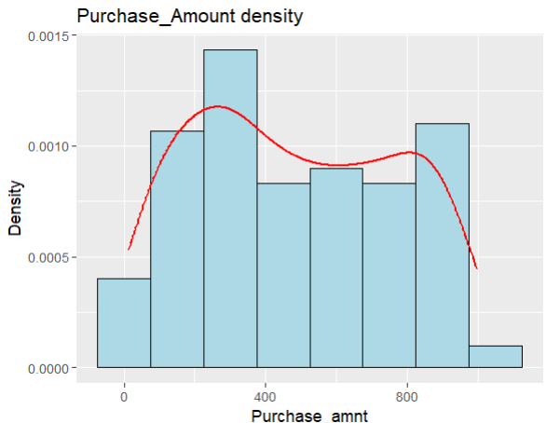
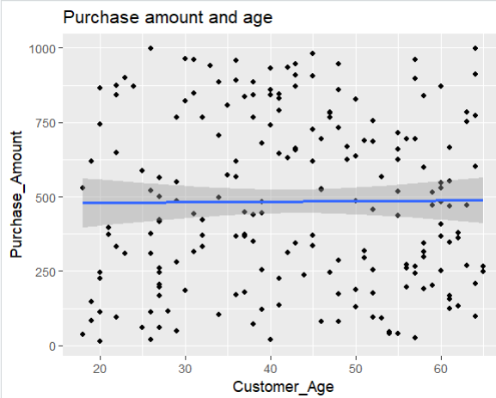
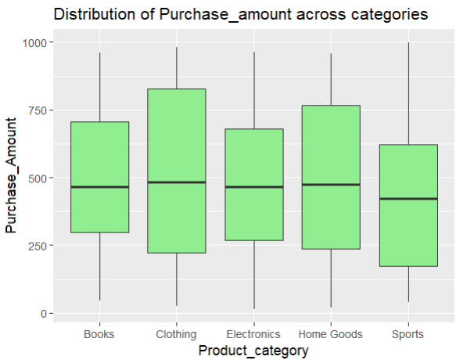
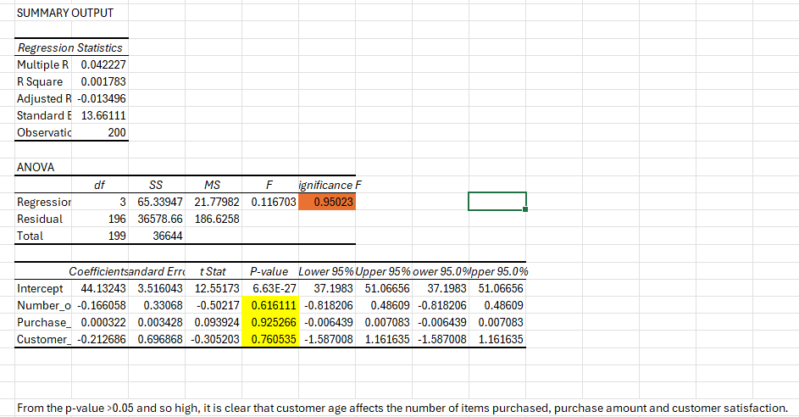
Transaction_ID | Customer_Age | Customer_Gender | Region | Product_Category | Purchase_Amount | Discount_Applied | Payment_Method | Customer_Satisfaction | Repeat_Customer | City | State | Number_of_Items_Purchased
TXN1000 | 39 | Male | North | Books | 255.03 | FALSE | Cash | 4 | TRUE | Seattle | WA | 10
TXN1001 | 34 | Male | West | Clothing | 102.68 | FALSE | Cash | 1 | FALSE | San Jose | CA | 8
TXN1002 | 51 | Male | West | Books | 293.79 | FALSE | Credit Card | 3 | TRUE | Dallas | TX | 6
TXN1003 | 41 | Male | North | Electronics | 646.2 | TRUE | PayPal | 1 | TRUE | Jacksonville | FL | 8
TXN1004 | 59 | Male | West | Home Goods | 203.28 | FALSE | PayPal | 2 | FALSE | Indianapolis | IN | 8
TXN1005 | 27 | Male | South | Home Goods | 563.96 | TRUE | Debit Card | 3 | FALSE | San Jose | CA | 8
TXN1006 | 41 | Male | West | Sports | 136.46 | TRUE | Credit Card | 5 | TRUE | Phoenix | AZ | 6
TXN1007 | 55 | Female | West | Home Goods | 660.55 | FALSE | Debit Card | 3 | TRUE | Indianapolis | IN | 10
TXN1008 | 36 | Non-Binary | East | Home Goods | 889.81 | FALSE | Cash | 3 | TRUE | Seattle | WA | 7
TXN1009 | 62 | Male | West | Books | 377.49 | FALSE | PayPal | 1 | FALSE | Jacksonville | FL | 9
TXN1010 | 41 | Non-Binary | South | Clothing | 844.91 | FALSE | Credit Card | 1 | FALSE | San Francisco | CA | 7
TXN1011 | 64 | Male | East | Home Goods | 208.56 | FALSE | Cash | 3 | FALSE | Jacksonville | FL | 10
TXN1012 | 32 | Male | West | Sports | 421.9 | FALSE | Cash | 2 | TRUE | Los Angeles | CA | 2
TXN1013 | 37 | Female | East | Clothing | 835.09 | TRUE | Cash | 5 | FALSE | New York | NY | 2
TXN1014 | 30 | Female | West | Electronics | 964.84 | TRUE | PayPal | 2 | TRUE | Dallas | TX | 2
TXN1015 | 43 | Male | South | Home Goods | 870.93 | FALSE | Cash | 4 | TRUE | Columbus | OH | 3
TXN1016 | 30 | Male | South | Electronics | 184.24 | FALSE | Credit Card | 4 | FALSE | Fort Worth | TX | 9
TXN1017 | 57 | Non-Binary | East | Sports | 897.66 | TRUE | Credit Card | 1 | TRUE | San Antonio | TX | 1
TXN1018 | 19 | Male | West | Sports | 145.48 | TRUE | Debit Card | 5 | TRUE | San Diego | CA | 2
TXN1019 | 40 | Male | North | Home Goods | 20.24 | TRUE | PayPal | 5 | TRUE | Phoenix | AZ | 8
TXN1020 | 56 | Female | East | Books | 196.21 | FALSE | Cash | 1 | FALSE | Boston | MA | 5
TXN1021 | 55 | Female | West | Sports | 714.05 | FALSE | Debit Card | 4 | FALSE | Jacksonville | FL | 10
TXN1022 | 20 | Non-Binary | East | Books | 244.86 | FALSE | PayPal | 2 | FALSE | Houston | TX | 2
TXN1023 | 18 | Non-Binary | North | Home Goods | 528.14 | FALSE | Debit Card | 1 | FALSE | Los Angeles | CA | 5
TXN1024 | 29 | Non-Binary | South | Home Goods | 550.61 | TRUE | PayPal | 3 | TRUE | Charlotte | NC | 9
TXN1025 | 50 | Non-Binary | East | Clothing | 188.64 | TRUE | Credit Card | 2 | FALSE | Denver | CO | 4
TXN1026 | 61 | Female | West | Clothing | 155.51 | FALSE | Credit Card | 5 | TRUE | Philadelphia | PA | 1
TXN1027 | 23 | Male | West | Home Goods | 309.02 | TRUE | Credit Card | 2 | FALSE | Indianapolis | IN | 6
TXN1028 | 31 | Non-Binary | East | Books | 847.1 | TRUE | PayPal | 5 | TRUE | Indianapolis | IN | 6
TXN1029 | 23 | Female | North | Electronics | 898.84 | FALSE | Debit Card | 2 | FALSE | San Francisco | CA | 8
TXN1030 | 46 | Female | South | Clothing | 527.19 | FALSE | Credit Card | 2 | FALSE | Phoenix | AZ | 5
TXN1031 | 61 | Female | South | Clothing | 551.03 | TRUE | Debit Card | 2 | FALSE | Phoenix | AZ | 5
TXN1032 | 63 | Female | East | Electronics | 782.93 | FALSE | PayPal | 3 | TRUE | Jacksonville | FL | 5
TXN1033 | 43 | Female | East | Home Goods | 662.68 | FALSE | Credit Card | 4 | TRUE | San Jose | CA | 9
TXN1034 | 27 | Non-Binary | North | Electronics | 195.04 | FALSE | PayPal | 3 | TRUE | Los Angeles | CA | 6
TXN1035 | 36 | Male | North | Sports | 169.8 | FALSE | Credit Card | 5 | TRUE | Austin | TX | 1
TXN1036 | 38 | Female | South | Clothing | 884.75 | FALSE | Debit Card | 3 | FALSE | Fort Worth | TX | 8
TXN1037 | 27 | Female | West | Sports | 499.04 | FALSE | Credit Card | 1 | TRUE | Indianapolis | IN | 10
TXN1038 | 47 | Female | North | Books | 780.92 | FALSE | Credit Card | 5 | TRUE | Austin | TX | 10
TXN1039 | 39 | Male | West | Electronics | 679.4 | FALSE | PayPal | 5 | FALSE | Phoenix | AZ | 9
TXN1040 | 63 | Male | West | Home Goods | 268.51 | FALSE | Cash | 3 | FALSE | San Jose | CA | 3
TXN1041 | 48 | Female | West | Sports | 79.05 | FALSE | PayPal | 2 | FALSE | Seattle | WA | 7
TXN1042 | 49 | Female | South | Electronics | 625.11 | FALSE | Debit Card | 2 | TRUE | Fort Worth | TX | 3
TXN1043 | 37 | Female | North | Sports | 373.58 | FALSE | Debit Card | 4 | TRUE | Indianapolis | IN | 7
TXN1044 | 60 | Non-Binary | North | Clothing | 407.38 | TRUE | PayPal | 4 | TRUE | Philadelphia | PA | 6
TXN1045 | 20 | Non-Binary | South | Sports | 111.94 | TRUE | Debit Card | 5 | FALSE | San Jose | CA | 3
TXN1046 | 50 | Male | West | Sports | 130.33 | FALSE | PayPal | 1 | FALSE | Phoenix | AZ | 9
TXN1047 | 53 | Non-Binary | East | Sports | 566.88 | FALSE | Debit Card | 1 | FALSE | Columbus | OH | 10
TXN1048 | 38 | Female | East | Clothing | 841.87 | FALSE | Credit Card | 4 | FALSE | Seattle | WA | 3
TXN1049 | 57 | Male | West | Sports | 694.77 | FALSE | Debit Card | 3 | FALSE | Los Angeles | CA | 4
TXN1050 | 27 | Female | South | Clothing | 417.57 | FALSE | PayPal | 4 | TRUE | San Antonio | TX | 6
TXN1051 | 38 | Non-Binary | North | Books | 440.11 | FALSE | Credit Card | 1 | FALSE | Boston | MA | 9
TXN1052 | 61 | Male | West | Home Goods | 124.45 | FALSE | Cash | 2 | TRUE | Austin | TX | 2
TXN1053 | 43 | Female | East | Electronics | 946.32 | FALSE | Debit Card | 5 | TRUE | Dallas | TX | 7
TXN1054 | 45 | Male | South | Clothing | 333.88 | TRUE | PayPal | 4 | FALSE | San Antonio | TX | 6
TXN1055 | 31 | Male | West | Clothing | 441.53 | FALSE | PayPal | 1 | FALSE | Charlotte | NC | 10
TXN1056 | 19 | Female | East | Sports | 618.25 | FALSE | Credit Card | 2 | FALSE | San Antonio | TX | 5
TXN1057 | 58 | Non-Binary | North | Books | 297.1 | TRUE | Credit Card | 1 | FALSE | Houston | TX | 9
TXN1058 | 42 | Female | South | Sports | 933.16 | FALSE | Credit Card | 4 | TRUE | San Jose | CA | 7
TXN1059 | 64 | Non-Binary | East | Sports | 997.77 | TRUE | Cash | 1 | FALSE | Charlotte | NC | 10
TXN1060 | 37 | Female | West | Electronics | 367.43 | TRUE | Debit Card | 4 | TRUE | Philadelphia | PA | 1
TXN1061 | 45 | Male | North | Books | 617.43 | TRUE | Cash | 2 | TRUE | Chicago | IL | 9
TXN1062 | 40 | Male | West | Electronics | 840.63 | TRUE | Credit Card | 3 | FALSE | Dallas | TX | 5
TXN1063 | 45 | Male | South | Clothing | 979.48 | TRUE | PayPal | 2 | TRUE | Chicago | IL | 8
TXN1064 | 26 | Non-Binary | South | Books | 521.15 | FALSE | Credit Card | 5 | TRUE | Dallas | TX | 5
TXN1065 | 48 | Male | North | Electronics | 730.85 | TRUE | Cash | 1 | TRUE | Phoenix | AZ | 1
TXN1066 | 21 | Female | South | Home Goods | 394.8 | FALSE | Cash | 5 | TRUE | Los Angeles | CA | 10
TXN1067 | 29 | Female | North | Electronics | 280.75 | FALSE | Cash | 3 | TRUE | San Jose | CA | 8
TXN1068 | 24 | Female | East | Books | 872 | TRUE | Debit Card | 5 | TRUE | Columbus | OH | 10
TXN1069 | 31 | Male | South | Home Goods | 315.07 | FALSE | Debit Card | 3 | TRUE | San Francisco | CA | 3
TXN1070 | 56 | Male | East | Clothing | 259.58 | FALSE | Cash | 1 | TRUE | San Jose | CA | 8
TXN1071 | 40 | Female | North | Books | 739.26 | TRUE | Credit Card | 3 | TRUE | Los Angeles | CA | 9
TXN1072 | 32 | Male | North | Sports | 331.61 | FALSE | Debit Card | 3 | FALSE | Charlotte | NC | 7
TXN1073 | 65 | Non-Binary | West | Home Goods | 248.25 | FALSE | PayPal | 2 | FALSE | San Francisco | CA | 6
TXN1074 | 64 | Male | West | Electronics | 96.54 | TRUE | PayPal | 3 | TRUE | San Diego | CA | 6
TXN1075 | 48 | Female | South | Electronics | 286.09 | TRUE | Credit Card | 1 | FALSE | Fort Worth | TX | 9
TXN1076 | 42 | Non-Binary | East | Clothing | 311.24 | FALSE | PayPal | 1 | FALSE | San Diego | CA | 9
TXN1077 | 26 | Male | South | Sports | 111.81 | TRUE | Credit Card | 2 | FALSE | Philadelphia | PA | 4
TXN1078 | 61 | Male | North | Books | 165.87 | FALSE | PayPal | 4 | FALSE | Columbus | OH | 5
TXN1079 | 52 | Male | South | Clothing | 755.35 | TRUE | Cash | 1 | TRUE | Fort Worth | TX | 6
TXN1080 | 30 | Male | East | Electronics | 822.42 | FALSE | Debit Card | 3 | TRUE | Indianapolis | IN | 1
TXN1081 | 27 | Non-Binary | West | Clothing | 423.35 | TRUE | Cash | 4 | TRUE | San Antonio | TX | 5
TXN1082 | 25 | Male | East | Clothing | 60.76 | FALSE | Debit Card | 3 | FALSE | Austin | TX | 8
TXN1083 | 27 | Female | South | Sports | 206.02 | FALSE | Cash | 5 | TRUE | New York | NY | 3
TXN1084 | 40 | Female | East | Home Goods | 859.38 | TRUE | PayPal | 3 | FALSE | Austin | TX | 6
TXN1085 | 46 | Male | West | Home Goods | 80.96 | TRUE | Cash | 5 | TRUE | Austin | TX | 10
TXN1086 | 52 | Female | West | Clothing | 254.27 | TRUE | PayPal | 5 | FALSE | San Diego | CA | 5
TXN1087 | 54 | Male | East | Clothing | 40.8 | FALSE | Cash | 3 | FALSE | New York | NY | 6
TXN1088 | 29 | Male | West | Electronics | 486.16 | FALSE | PayPal | 3 | TRUE | Fort Worth | TX | 10
TXN1089 | 57 | Female | North | Clothing | 24.71 | FALSE | PayPal | 4 | TRUE | Fort Worth | TX | 1
TXN1090 | 57 | Non-Binary | South | Electronics | 266.66 | FALSE | Debit Card | 3 | TRUE | Austin | TX | 7
TXN1091 | 26 | Non-Binary | West | Sports | 374.99 | FALSE | PayPal | 1 | FALSE | Houston | TX | 6
TXN1092 | 34 | Male | North | Clothing | 707.08 | TRUE | Cash | 3 | FALSE | Los Angeles | CA | 5
TXN1093 | 51 | Male | South | Books | 689.25 | TRUE | PayPal | 2 | FALSE | Charlotte | NC | 5
TXN1094 | 45 | Non-Binary | West | Books | 906.04 | TRUE | Credit Card | 4 | TRUE | Los Angeles | CA | 5
TXN1095 | 47 | Male | South | Sports | 766.12 | TRUE | Cash | 4 | TRUE | San Diego | CA | 7
TXN1096 | 33 | Female | West | Sports | 939.04 | TRUE | Cash | 4 | TRUE | Fort Worth | TX | 2
TXN1097 | 36 | Female | East | Electronics | 367.54 | TRUE | Cash | 1 | FALSE | Dallas | TX | 2
TXN1098 | 60 | Female | West | Clothing | 545.01 | FALSE | PayPal | 1 | FALSE | San Jose | CA | 6
TXN1099 | 19 | Non-Binary | West | Sports | 84.01 | TRUE | Debit Card | 4 | TRUE | New York | NY | 3
TXN1100 | 20 | Non-Binary | West | Sports | 225.71 | TRUE | Cash | 2 | TRUE | Denver | CO | 7
TXN1101 | 22 | Female | North | Clothing | 333.22 | FALSE | PayPal | 4 | FALSE | Jacksonville | FL | 3
TXN1102 | 52 | Non-Binary | West | Home Goods | 93.31 | TRUE | Cash | 1 | TRUE | Boston | MA | 7
TXN1103 | 25 | Non-Binary | West | Books | 587.63 | FALSE | PayPal | 2 | FALSE | Los Angeles | CA | 7
TXN1104 | 37 | Non-Binary | North | Clothing | 177.52 | TRUE | Credit Card | 5 | FALSE | San Jose | CA | 9
TXN1105 | 55 | Female | South | Sports | 624.32 | TRUE | Debit Card | 5 | TRUE | Indianapolis | IN | 3
TXN1106 | 43 | Non-Binary | East | Books | 344.1 | FALSE | Credit Card | 5 | TRUE | Houston | TX | 7
TXN1107 | 60 | Male | West | Clothing | 869.74 | FALSE | Credit Card | 4 | FALSE | San Antonio | TX | 10
TXN1108 | 48 | Female | East | Electronics | 173.45 | TRUE | Debit Card | 1 | TRUE | San Antonio | TX | 3
TXN1109 | 22 | Male | West | Clothing | 94.21 | TRUE | Debit Card | 3 | FALSE | New York | NY | 8
TXN1110 | 22 | Female | North | Home Goods | 647.02 | TRUE | Credit Card | 1 | FALSE | Columbus | OH | 4
TXN1111 | 61 | Non-Binary | West | Electronics | 665.13 | TRUE | Cash | 2 | TRUE | Jacksonville | FL | 8
TXN1112 | 57 | Female | South | Clothing | 959.75 | FALSE | Cash | 1 | FALSE | Denver | CO | 6
TXN1113 | 22 | Female | East | Books | 843.19 | FALSE | Credit Card | 1 | FALSE | New York | NY | 8
TXN1114 | 45 | Male | West | Electronics | 370.28 | FALSE | PayPal | 5 | TRUE | Indianapolis | IN | 4
TXN1115 | 20 | Male | East | Home Goods | 864.79 | FALSE | Debit Card | 1 | TRUE | San Francisco | CA | 4
TXN1116 | 38 | Male | North | Clothing | 766.9 | TRUE | PayPal | 4 | TRUE | Fort Worth | TX | 1
TXN1117 | 46 | Non-Binary | East | Sports | 522.26 | TRUE | PayPal | 1 | FALSE | Seattle | WA | 3
TXN1118 | 41 | Female | West | Books | 225.43 | FALSE | Credit Card | 1 | FALSE | Jacksonville | FL | 4
TXN1119 | 59 | Male | East | Home Goods | 513.25 | TRUE | Debit Card | 4 | TRUE | San Antonio | TX | 9
TXN1120 | 35 | Female | East | Books | 571.14 | TRUE | PayPal | 3 | TRUE | Jacksonville | FL | 1
TXN1121 | 64 | Non-Binary | North | Home Goods | 772.54 | TRUE | Cash | 1 | FALSE | Houston | TX | 1
TXN1122 | 29 | Female | East | Books | 766.21 | FALSE | PayPal | 2 | FALSE | Charlotte | NC | 3
TXN1123 | 60 | Male | West | Sports | 250.11 | FALSE | Cash | 4 | TRUE | Boston | MA | 2
TXN1124 | 22 | Male | South | Home Goods | 874.88 | FALSE | PayPal | 3 | FALSE | Jacksonville | FL | 10
TXN1125 | 43 | Female | South | Clothing | 908.92 | FALSE | PayPal | 2 | TRUE | Charlotte | NC | 7
TXN1126 | 48 | Female | East | Clothing | 945.54 | FALSE | Credit Card | 1 | TRUE | Philadelphia | PA | 9
TXN1127 | 58 | Female | South | Home Goods | 190.6 | TRUE | Debit Card | 5 | TRUE | Denver | CO | 9
TXN1128 | 60 | Female | East | Home Goods | 366.36 | TRUE | Credit Card | 4 | FALSE | Charlotte | NC | 1
TXN1129 | 39 | Male | South | Clothing | 481.79 | TRUE | Credit Card | 3 | TRUE | Philadelphia | PA | 9
TXN1130 | 50 | Female | West | Books | 636.01 | FALSE | Credit Card | 4 | TRUE | San Diego | CA | 2
TXN1131 | 26 | Male | East | Sports | 998.07 | TRUE | PayPal | 1 | FALSE | San Jose | CA | 9
TXN1132 | 36 | Female | North | Home Goods | 956.83 | TRUE | Cash | 2 | TRUE | Philadelphia | PA | 9
TXN1133 | 60 | Female | West | Sports | 528.15 | TRUE | PayPal | 4 | TRUE | Fort Worth | TX | 6
TXN1134 | 45 | Female | East | Clothing | 727.38 | TRUE | PayPal | 1 | TRUE | Chicago | IL | 1
TXN1135 | 35 | Male | East | Home Goods | 806.51 | TRUE | PayPal | 1 | FALSE | Charlotte | NC | 10
TXN1136 | 62 | Male | West | Clothing | 133.39 | TRUE | PayPal | 3 | TRUE | Philadelphia | PA | 5
TXN1137 | 20 | Non-Binary | West | Electronics | 12.28 | TRUE | Cash | 2 | TRUE | San Francisco | CA | 8
TXN1138 | 58 | Non-Binary | South | Clothing | 837.59 | FALSE | Cash | 3 | TRUE | Denver | CO | 6
TXN1139 | 54 | Male | East | Books | 44.85 | FALSE | PayPal | 3 | TRUE | Charlotte | NC | 7
TXN1140 | 26 | Female | North | Sports | 310.31 | TRUE | PayPal | 4 | TRUE | Phoenix | AZ | 9
TXN1141 | 61 | Male | East | Sports | 345.37 | FALSE | Cash | 3 | TRUE | Jacksonville | FL | 8
TXN1142 | 39 | Male | West | Books | 445.07 | TRUE | Credit Card | 3 | TRUE | Austin | TX | 9
TXN1143 | 34 | Male | West | Sports | 885.09 | TRUE | PayPal | 1 | TRUE | Fort Worth | TX | 8
TXN1144 | 52 | Male | North | Sports | 175.53 | TRUE | Credit Card | 5 | FALSE | Fort Worth | TX | 2
TXN1145 | 52 | Male | North | Electronics | 684.48 | TRUE | Cash | 3 | FALSE | Denver | CO | 8
TXN1146 | 21 | Non-Binary | North | Books | 372.58 | TRUE | Cash | 1 | TRUE | San Francisco | CA | 2
TXN1147 | 36 | Male | South | Books | 566.16 | TRUE | Debit Card | 5 | TRUE | Phoenix | AZ | 10
TXN1148 | 63 | Male | East | Home Goods | 750.58 | TRUE | Credit Card | 3 | TRUE | Houston | TX | 5
TXN1149 | 42 | Female | North | Sports | 629.67 | FALSE | Cash | 2 | FALSE | Jacksonville | FL | 2
TXN1150 | 27 | Non-Binary | North | Books | 166.28 | FALSE | Cash | 3 | FALSE | Houston | TX | 9
TXN1151 | 27 | Female | East | Electronics | 244.32 | TRUE | Debit Card | 3 | TRUE | Jacksonville | FL | 4
TXN1152 | 20 | Female | North | Clothing | 744.34 | TRUE | Cash | 2 | FALSE | Indianapolis | IN | 7
TXN1153 | 55 | Non-Binary | North | Sports | 38.73 | TRUE | Credit Card | 1 | FALSE | Austin | TX | 8
TXN1154 | 51 | Male | East | Electronics | 318.11 | TRUE | Credit Card | 5 | FALSE | Boston | MA | 6
TXN1155 | 27 | Non-Binary | North | Books | 259.1 | TRUE | Cash | 5 | FALSE | San Antonio | TX | 5
TXN1156 | 48 | Non-Binary | South | Clothing | 857.74 | FALSE | Cash | 2 | FALSE | San Francisco | CA | 7
TXN1157 | 32 | Non-Binary | North | Clothing | 766.63 | FALSE | Credit Card | 2 | FALSE | Jacksonville | FL | 8
TXN1158 | 40 | Male | West | Home Goods | 932.05 | FALSE | PayPal | 2 | FALSE | Houston | TX | 1
TXN1159 | 39 | Female | West | Sports | 121.86 | TRUE | Credit Card | 5 | FALSE | Los Angeles | CA | 9
TXN1160 | 47 | Male | South | Home Goods | 244 | TRUE | PayPal | 1 | FALSE | Boston | MA | 1
TXN1161 | 43 | Male | North | Electronics | 656.44 | TRUE | PayPal | 2 | TRUE | San Diego | CA | 5
TXN1162 | 56 | Female | South | Electronics | 270.3 | TRUE | Cash | 4 | TRUE | Denver | CO | 5
TXN1163 | 44 | Male | South | Home Goods | 235.25 | FALSE | Credit Card | 3 | TRUE | Denver | CO | 10
TXN1164 | 31 | Non-Binary | North | Books | 960.66 | TRUE | Credit Card | 5 | FALSE | San Antonio | TX | 5
TXN1165 | 32 | Female | West | Books | 369.1 | TRUE | PayPal | 2 | TRUE | Austin | TX | 2
TXN1166 | 55 | Male | West | Home Goods | 435.12 | FALSE | Debit Card | 4 | TRUE | Denver | CO | 8
TXN1167 | 27 | Non-Binary | East | Sports | 59.81 | TRUE | Debit Card | 4 | FALSE | San Antonio | TX | 1
TXN1168 | 56 | Non-Binary | West | Clothing | 693.7 | TRUE | Debit Card | 2 | TRUE | San Francisco | CA | 10
TXN1169 | 38 | Female | North | Clothing | 72.62 | FALSE | Debit Card | 1 | TRUE | San Jose | CA | 7
TXN1170 | 58 | Female | North | Home Goods | 314.73 | TRUE | PayPal | 1 | TRUE | Phoenix | AZ | 3
TXN1171 | 49 | Female | West | Electronics | 667.4 | TRUE | Cash | 2 | TRUE | Chicago | IL | 10
TXN1172 | 65 | Non-Binary | East | Clothing | 264.46 | FALSE | PayPal | 5 | TRUE | Austin | TX | 10
TXN1173 | 61 | Non-Binary | North | Sports | 467.79 | FALSE | PayPal | 1 | TRUE | Boston | MA | 6
TXN1174 | 62 | Female | West | Books | 361.43 | FALSE | PayPal | 4 | TRUE | Denver | CO | 3
TXN1175 | 36 | Male | South | Sports | 617.44 | TRUE | PayPal | 2 | TRUE | Los Angeles | CA | 10
TXN1176 | 63 | Male | West | Electronics | 472.33 | TRUE | Debit Card | 3 | TRUE | Charlotte | NC | 1
TXN1177 | 26 | Non-Binary | West | Home Goods | 20.8 | TRUE | Credit Card | 2 | FALSE | Boston | MA | 2
TXN1178 | 52 | Non-Binary | South | Electronics | 457.79 | TRUE | Debit Card | 3 | FALSE | Chicago | IL | 2
TXN1179 | 46 | Male | North | Books | 694.88 | FALSE | Debit Card | 1 | TRUE | Indianapolis | IN | 5
TXN1180 | 57 | Non-Binary | West | Electronics | 243.2 | FALSE | PayPal | 1 | FALSE | San Antonio | TX | 10
TXN1181 | 38 | Non-Binary | South | Sports | 349.07 | FALSE | PayPal | 2 | FALSE | Chicago | IL | 5
TXN1182 | 60 | Female | South | Books | 482.18 | FALSE | Debit Card | 5 | FALSE | Indianapolis | IN | 4
TXN1183 | 41 | Non-Binary | West | Clothing | 828.85 | TRUE | Cash | 3 | TRUE | Los Angeles | CA | 2
TXN1184 | 28 | Female | South | Clothing | 116.4 | FALSE | Debit Card | 3 | FALSE | San Diego | CA | 10
TXN1185 | 29 | Male | West | Sports | 48.84 | TRUE | Credit Card | 1 | FALSE | Dallas | TX | 9
TXN1186 | 58 | Female | South | Sports | 598.91 | TRUE | PayPal | 3 | FALSE | Denver | CO | 2
TXN1187 | 41 | Male | North | Home Goods | 790.15 | TRUE | Credit Card | 2 | TRUE | San Jose | CA | 9
TXN1188 | 50 | Female | South | Sports | 485.64 | FALSE | Credit Card | 4 | TRUE | Chicago | IL | 4
TXN1189 | 64 | Non-Binary | South | Home Goods | 602.48 | TRUE | Debit Card | 2 | FALSE | Charlotte | NC | 7
TXN1190 | 34 | Non-Binary | East | Sports | 497.92 | TRUE | Debit Card | 4 | FALSE | Charlotte | NC | 3
TXN1191 | 18 | Female | East | Clothing | 36.78 | FALSE | Debit Card | 5 | TRUE | Indianapolis | IN | 10
TXN1192 | 53 | Male | West | Home Goods | 93.2 | FALSE | Credit Card | 1 | TRUE | Charlotte | NC | 2
TXN1193 | 59 | Female | North | Clothing | 470.18 | FALSE | PayPal | 4 | FALSE | Boston | MA | 1
TXN1194 | 37 | Male | North | Books | 448.06 | TRUE | PayPal | 1 | FALSE | New York | NY | 4
TXN1195 | 55 | Male | South | Sports | 516.58 | FALSE | PayPal | 5 | TRUE | Boston | MA | 9
TXN1196 | 50 | Non-Binary | East | Clothing | 827.19 | TRUE | Credit Card | 4 | TRUE | San Francisco | CA | 7
TXN1197 | 58 | Male | East | Sports | 344.12 | TRUE | Cash | 4 | TRUE | Boston | MA | 10
TXN1198 | 64 | Male | West | Books | 911.07 | FALSE | Credit Card | 3 | FALSE | Los Angeles | CA | 2
TXN1199 | 47 | Non-Binary | North | Sports | 783.04 | TRUE | Debit Card | 1 | TRUE | Denver | CO | 7

