Strategy Worksheet
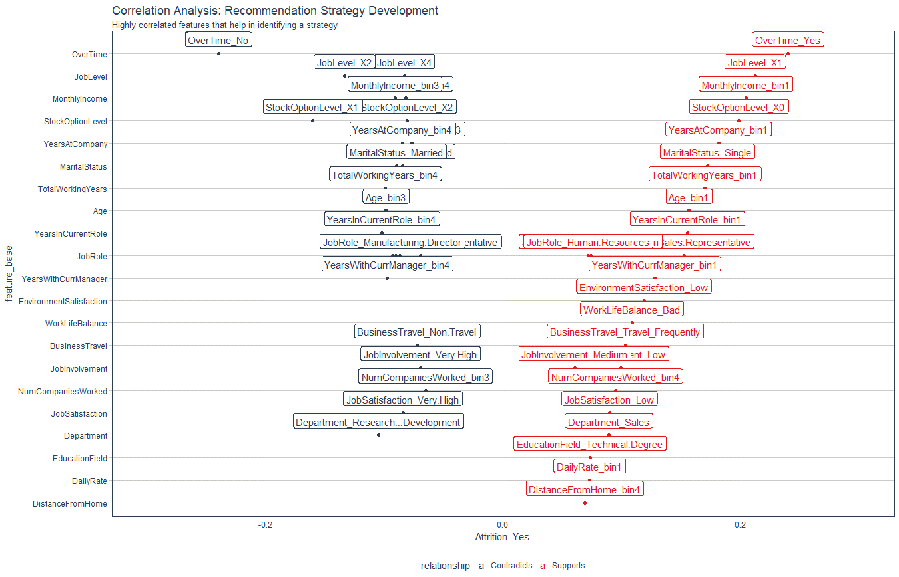
Recommendation Algorithm Strategy

Purpose: | To enable immediate manager to reduce attrition using an automated recommendation system
Strategy Logic: | Uses Correlation Analysis to determine logical strategies that can be adjusted via stakeholder feedback

Feature | Discussion (Hypothesis) | Potential Strategy | Strategy Group
OverTime | Employees with high OT are leaving | Reduce overtime | Work Life
EnvironmentSatisfaction | Employees with low environment satisfaction are more likely to leave | Improve the workplace environment | Work Life
WorkLifeBalance | Bad worklife balance - more likely to leave | Improve the workplace balance | Work Life
BusinessTravel | More BT- more like to leave / Less BT - more likely to stay | Reduce business travel where possible | Work Life
DistanceFromHome | DFH - High -more likely to stay | Monitor worklife balance | Work Life

Correlation Analysis: | Used to investigate the relationship between values within features and the target (Attrition = Yes)

