Strategy Worksheet
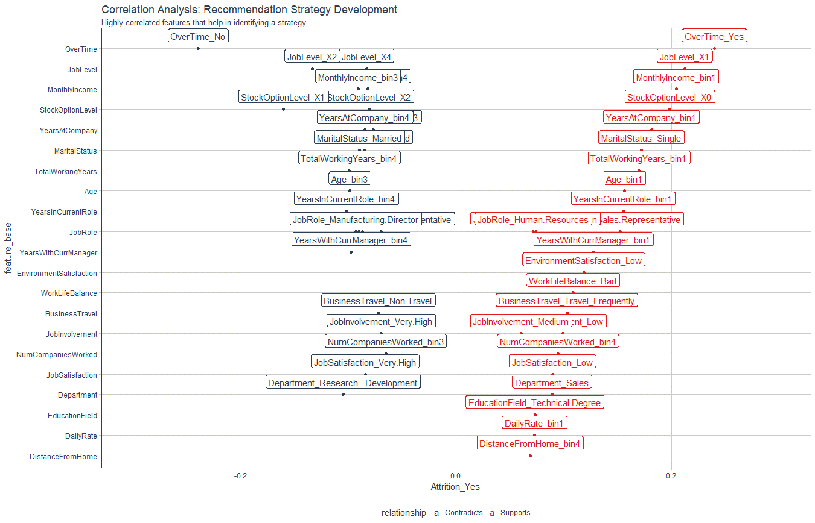
Recommendation Algorithm Strategy

Purpose: | To enable immediate manager to reduce attrition using an automated recommendation system
Strategy Logic: | Uses Correlation Analysis to determine logical strategies that can be adjusted via stakeholder feedback

Feature | Discussion (Hypothesis) | Potential Strategy | Strategy Group
OverTime | Employees with high OT are leaving | Reduce overtime
JobLevel | Employees with job Level 1 / job Level 2 are straying | Promote high performers faster
MonthlyIncome | Low income - Bin 1 more likely to leave | Skip - include in Executive Report
StockOptionLevel | Zero stock option - more likely to leave | Skip - include in Executive Report
YearsAtCompany | YAC -High - Likely to stay / YAC - Low - Likely to leave | Tie promotion if low to advance faster
MaritalStatus | Single is more to leave | Skip - include in Executive Report
TotalWorkingYears | TWY -High - Likely to stay / TWYC - Low - Likely to leave | Tie Low TWY to training & formation/mentorship
Age | See TWY | Skip - covered by TWY
YearsInCurrentRole | More time in current role related to lower attrition | Incentivize specialize or promote
JobRole | Certain job roles have higher attrition - need to be monitored closely | Skip - include in Executive Report
YearsWithCurrManager | See YiCR | Skip - covered by YiCR
EnvironmentSatisfaction | Employees with low environment satisfaction are more likely to leave | Improve the workplace environment
WorkLifeBalance | Bad worklife balance - more likely to leave | Improve the workplace balance
BusinessTravel | More BT- more like to leave / Less BT - more likely to stay | Reduce business travel where possible
JobInvolvement | High JI - Likely to stay / Low JI - Likely to leave | Create personal development plan
NumCompaniesWorked
JobSatisfaction
Department
EducationField
DailyRate
DistanceFromHome

Correlation Analysis: | Used to investigate the relationship between values within features and the target (Attrition = Yes)

