Strategy Worksheet
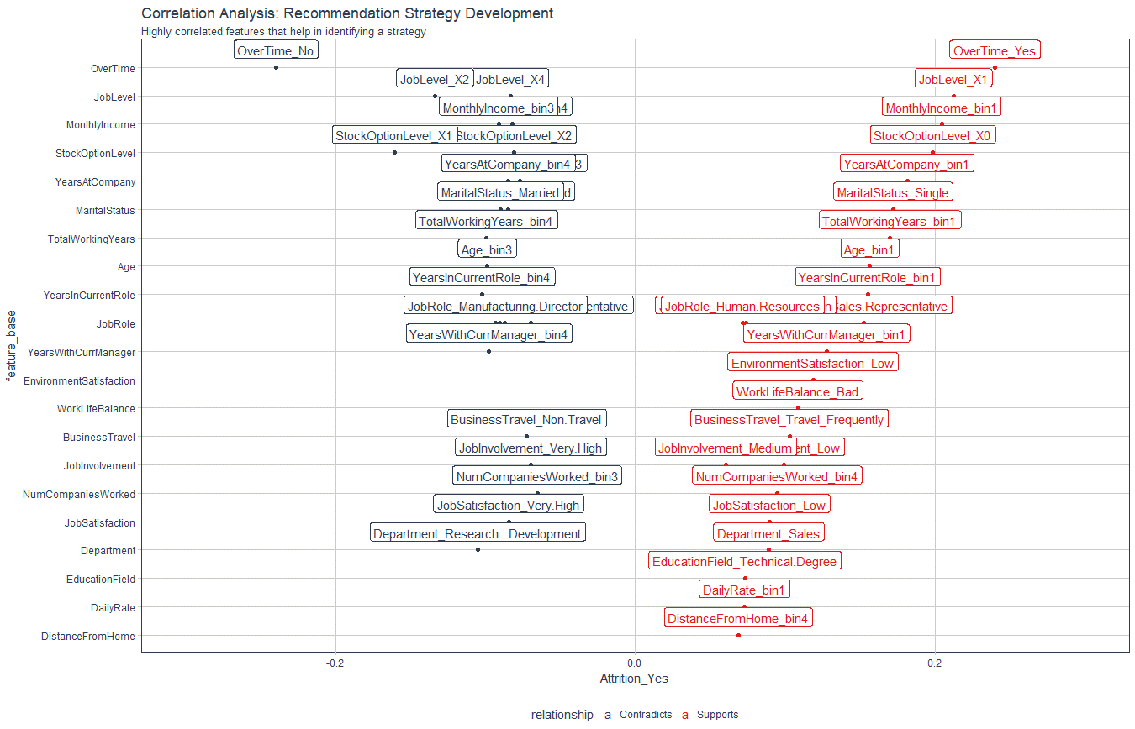
Recommendation Algorithm Strategy

Purpose: | To enable immediate manager to reduce attrition using an automated recommendation system
Strategy Logic: | Uses Correlation Analysis to determine logical strategies that can be adjusted via stakeholder feedback

Feature | Discussion (Hypothesis) | Potential Strategy | Strategy Group
OverTime | Employees with high OT are leaving | Reduce overtime | Work Life
JobLevel | Employees with job Level 1 / job Level 2 are straying | Promote high performers faster | Professional Development
YearsAtCompany | YAC -High - Likely to stay / YAC - Low - Likely to leave | Tie promotion if low to advance faster / Mentor if YAC low | Professional Development / Personal Development
TotalWorkingYears | TWY -High - Likely to stay / TWYC - Low - Likely to leave | Tie Low TWY to training & formation/mentorship | Personal Development
YearsInCurrentRole | More time in current role related to lower attrition | Incentivize specialize or promote | Professional Development / Personal Development
EnvironmentSatisfaction | Employees with low environment satisfaction are more likely to leave | Improve the workplace environment | Work Life
WorkLifeBalance | Bad worklife balance - more likely to leave | Improve the workplace balance | Work Life
BusinessTravel | More BT- more like to leave / Less BT - more likely to stay | Reduce business travel where possible | Work Life
JobInvolvement | High JI - Likely to stay / Low JI - Likely to leave | Create personal development plan | Personal Development
JobSatisfaction | JS -High - Likely to stay / JS - Low - Likely to leave | Low - create personal development plan / High - mentorship roles | Personal Development
DistanceFromHome | DFH - High -more likely to stay | Monitor worklife balance | Work Life

Correlation Analysis: | Used to investigate the relationship between values within features and the target (Attrition = Yes)

