Dashboard
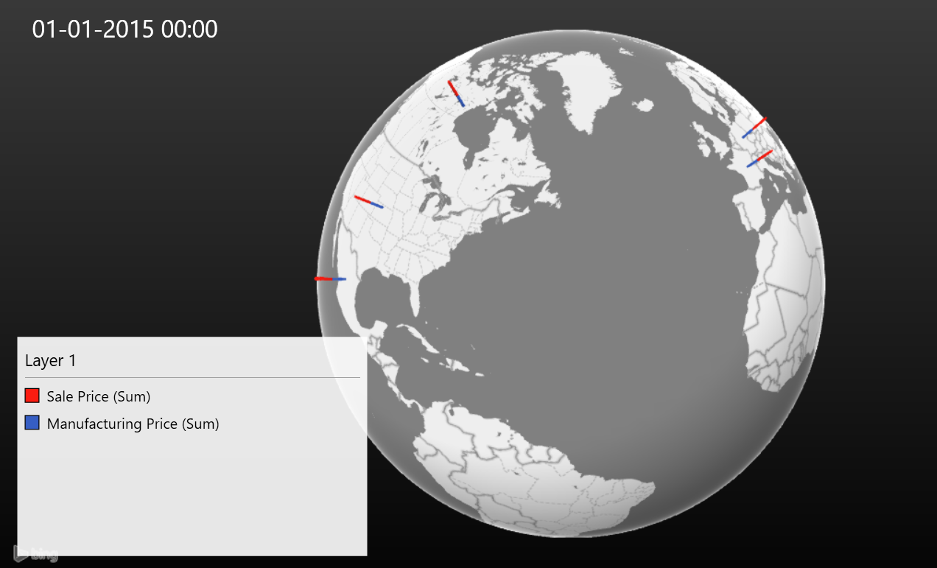
Divija 10208056 Enterprise Systems- UCT-642 Dashboard-Sales Analysis

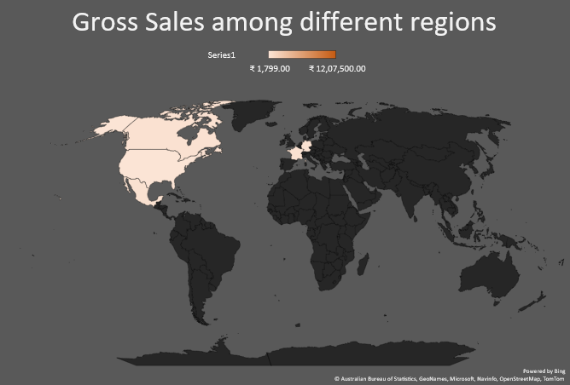
Total sales in different months
 | January | February | March | April | May | June | July | August | September | October | November | December
Channel Partners | 131057.22 | 84856.92 | 75990.36 | 137217.3 | 88378.32 | 181238.64 | 95208.24 | 112860.84 | 207787.68 | 250005.36 | 222095.4 | 213897.36
Enterprise | 892823.75 | 926216.25 | 1077126.25 | 1649416.875 | 973555 | 1261932.5 | 1756436.25 | 1062677.5 | 1434592.5 | 3080947.5 | 2143332.5 | 3352637.5
Government | 2693632.935 | 2989162.42 | 2247096.36 | 1956124.845 | 2806323.09 | 4591347.18 | 3029874.64 | 2090277.38 | 5143438.94 | 11484032.76 | 5055080.4 | 8417869.72
Midmarket | 115165.275 | 109510.8 | 118467.9 | 167093.55 | 89218.65 | 313279.5 | 131039.55 | 143990.7 | 209784.15 | 418319.4 | 226759.2 | 339254.4
Small Business | 2775082.5 | 3187785 | 2068179 | 3054922.5 | 2252736 | 3171096 | 3090361.5 | 2454816 | 3887094 | 6438126 | 5004150 | 5043570
Country wise Profit
 | Total
Canada | 3529228.885
France | 3781020.78
Germany | 3680388.82
Mexico | 2907523.11
United States of America | 2995540.665

Units sold v/s country and segments
 | Total
Channel Partners | 44062
Enterprise | 34075
Government | 98412
Midmarket | 37772.5
Small Business | 33107
Channel Partners | 33503
Enterprise | 33222
Government | 104724.5
Midmarket | 42926
Small Business | 26555.5
Channel Partners | 29689
Enterprise | 34902.5
Government | 89080
Midmarket | 21599
Small Business | 26223.5
Channel Partners | 21163
Enterprise | 28638
Government | 91750
Midmarket | 36059
Small Business | 25715
Channel Partners | 32846.5
Enterprise | 37714.5
Government | 86707
Midmarket | 33821.5
Small Business | 41538
Manufacturing costs
 | 2013 | 2014
Channel Partners | 2428 | 7286
Enterprise | 1688 | 7817
Government | 7459 | 21679
Midmarket | 2683 | 6073
Small Business | 2656 | 7765
Profits v/s Segments
 | 2013 | 2014
Channel Partners | 289889.28 | 1026913.86
Enterprise | -193757.5 | -420788.125
Government | 2886645.28 | 8501527.89
Midmarket | 151763.45 | 508339.625
Small Business | 743924 | 3399244.5

Sales Price
 | 2013 | 2014
Channel Partners | 300 | 900
Enterprise | 3125 | 9375
Government | 9425 | 28275
Midmarket | 375 | 1125
Small Business | 7500 | 22500
Number of Products
 | Total
Channel Partners | 100
Enterprise | 100
Government | 300
Midmarket | 100
Small Business | 100

sum_of_mp
Sum of Manufacturing Price | Column Labels
Row Labels | 2013 | 2014 | Grand Total
Channel Partners | 2428 | 7286 | 9714
Enterprise | 1688 | 7817 | 9505
Government | 7459 | 21679 | 29138
Midmarket | 2683 | 6073 | 8756
Small Business | 2656 | 7765 | 10421
Grand Total | 16914 | 50620 | 67534

sum_of_saleP
Sum of Sale Price | Column Labels
Row Labels | 2013 | 2014 | Grand Total
Channel Partners | 300 | 900 | 1200
Enterprise | 3125 | 9375 | 12500
Government | 9425 | 28275 | 37700
Midmarket | 375 | 1125 | 1500
Small Business | 7500 | 22500 | 30000
Grand Total | 20725 | 62175 | 82900

country_wise_unitsSold
Row Labels | Sum of Units Sold
Canada | 247428.5
Channel Partners | 44062
Enterprise | 34075
Government | 98412
Midmarket | 37772.5
Small Business | 33107
France | 240931
Channel Partners | 33503
Enterprise | 33222
Government | 104724.5
Midmarket | 42926
Small Business | 26555.5
Germany | 201494
Channel Partners | 29689
Enterprise | 34902.5
Government | 89080
Midmarket | 21599
Small Business | 26223.5
Mexico | 203325
Channel Partners | 21163
Enterprise | 28638
Government | 91750
Midmarket | 36059
Small Business | 25715
United States of America | 232627.5
Channel Partners | 32846.5
Enterprise | 37714.5
Government | 86707
Midmarket | 33821.5
Small Business | 41538
Grand Total | 1125806

sum_of_profits
Row Labels | Sum of Profit
Canada | 3529228.885
France | 3781020.78
Germany | 3680388.82
Mexico | 2907523.11
United States of America | 2995540.665
Grand Total | 16893702.26

sop_by_yr_seg
Sum of Profit | Column Labels
Row Labels | 2013 | 2014 | Grand Total
Channel Partners | 289889.28 | 1026913.86 | 1316803.14
Enterprise | -193757.5 | -420788.125 | -614545.625
Government | 2886645.28 | 8501527.89 | 11388173.17
Midmarket | 151763.45 | 508339.625 | 660103.075
Small Business | 743924 | 3399244.5 | 4143168.5
Grand Total | 3878464.51 | 13015237.75 | 16893702.26

sum_of_sales_monthwise
Sum of Sales | Column Labels
Row Labels | January | February | March | April | May | June | July | August | September | October | November | December | Grand Total
Channel Partners | 131057.22 | 84856.92 | 75990.36 | 137217.3 | 88378.32 | 181238.64 | 95208.24 | 112860.84 | 207787.68 | 250005.36 | 222095.4 | 213897.36 | 1800593.64
Enterprise | 892823.75 | 926216.25 | 1077126.25 | 1649416.875 | 973555 | 1261932.5 | 1756436.25 | 1062677.5 | 1434592.5 | 3080947.5 | 2143332.5 | 3352637.5 | 19611694.375
Government | 2693632.935 | 2989162.42 | 2247096.36 | 1956124.845 | 2806323.09 | 4591347.18 | 3029874.64 | 2090277.38 | 5143438.94 | 11484032.76 | 5055080.4 | 8417869.72 | 52504260.67
Midmarket | 115165.275 | 109510.8 | 118467.9 | 167093.55 | 89218.65 | 313279.5 | 131039.55 | 143990.7 | 209784.15 | 418319.4 | 226759.2 | 339254.4 | 2381883.075
Small Business | 2775082.5 | 3187785 | 2068179 | 3054922.5 | 2252736 | 3171096 | 3090361.5 | 2454816 | 3887094 | 6438126 | 5004150 | 5043570 | 42427918.5
Grand Total | 6607761.68 | 7297531.39 | 5586859.87 | 6964775.07 | 6210211.06 | 9518893.82 | 8102920.18 | 5864622.42 | 10882697.27 | 21671431.02 | 12651417.5 | 17367228.98 | 118726350.26

count of products
Row Labels | Count of Product
Channel Partners | 100
Enterprise | 100
Government | 300
Midmarket | 100
Small Business | 100
Grand Total | 700

