Overview
Revenue Integrity / Interview atlas

66 fictional personas. Coverage charts, not market demand or validated buying probabilities.
Reader: select an agent and question. Network: fictional assigned connections. Original five tables follow.

Participants by role (people)
Participation by assigned role
Assigned role | People |  |  | Role | People
Principal/owner | 12 |  |  | Owner | 12
Controller/CFO | 12 |  |  | Finance | 12
Project manager | 12 |  |  | PM | 12
Project accountant/billing staff | 12 |  |  | Billing | 12
Technical architect/engineer | 4 |  |  | Technical | 4
Operations/IT leader | 4 |  |  | Ops / IT | 4
Incumbent product leader | 4 |  |  | Incumbent | 4
Client-side project manager | 2 |  |  | Client PM | 2
Client procurement | 2 |  |  | Procurement | 2
Client accounts payable | 2 |  |  | Client AP | 2

All 66 saved persona recommendations are “Narrow.” This is synthetic consensus, not independent market validation.

Saved statements by firm / group (records)
Eligible own-text coverage
Firm / group | People | Statements
F09 | 5 | 123
F03 | 5 | 120
F04 | 5 | 107
F07 | 5 | 103
F05 | 5 | 102
F06 | 5 | 99
F08 | 5 | 97
F12 | 4 | 87
F02 | 4 | 85
External | 10 | 84
F10 | 4 | 82
F11 | 5 | 81
F01 | 4 | 78

Unequal windows and redesigns limit comparisons. Statement volume is not opinion quality, agreement or buying intent.

Current-phase records by round

Eligible own-text contributions (records per round)
 | Twitter | Reddit

Only current natural-phase text is eligible. Twitter’s earlier rounds are outside this phase; blank does not mean zero activity.
Both platforms completed all 168 original rounds. Zero records can reflect office-hour scheduling; no completed AI work is inferred.

Round | Twitter | Reddit | Chart inputs are visible here. Formula counts use only Part 1 of each source ID to avoid counting split text more than once. Full explanations, exclusions and interventions remain in Verdicts!Q2:Q14.
90 |  | 4
91 |  | 21
92 |  | 8
93 |  | 0
94 |  | 0
95 |  | 0
96 |  | 0
97 |  | 0
98 |  | 0
99 |  | 0
100 |  | 0
101 |  | 0
102 |  | 0
103 |  | 0
104 |  | 8
105 |  | 12
106 |  | 21
107 |  | 24
108 |  | 20
109 | 8 | 19
110 | 7 | 11
111 | 30 | 28
112 | 29 | 28
113 | 11 | 34
114 | 26 | 21
115 | 23 | 17
116 | 5 | 4
117 | 0 | 0
118 | 0 | 0
119 | 0 | 0
120 | 0 | 0
121 | 0 | 0
122 | 0 | 0
123 | 0 | 0
124 | 0 | 0
125 | 0 | 0
126 | 0 | 0
127 | 0 | 0
128 | 7 | 7
129 | 22 | 13
130 | 14 | 25
131 | 20 | 16
132 | 24 | 12
133 | 23 | 8
134 | 16 | 28
135 | 20 | 17
136 | 18 | 26
137 | 14 | 11
138 | 7 | 24
139 | 22 | 25
140 | 9 | 7
141 | 0 | 0
142 | 0 | 0
143 | 0 | 0
144 | 0 | 0
145 | 0 | 0
146 | 0 | 0
147 | 0 | 0
148 | 0 | 0
149 | 0 | 0
150 | 0 | 0
151 | 0 | 0
152 | 5 | 5
153 | 9 | 9
154 | 22 | 26
155 | 10 | 22
156 | 28 | 27
157 | 7 | 23
158 | 12 | 25
159 | 21 | 17
160 | 24 | 7
161 | 13 | 17
162 | 23 | 13
163 | 5 | 14
164 | 5 | 5
165 | 0 | 0
166 | 0 | 0
167 | 0 | 0
168 | 0 | 0

Network
Fictional relationship map

66 personas · 146 directed assigned links. Graphify extraction checked against exact saved cells. This schematic shows same-firm links; the full directed edge table below includes every link.

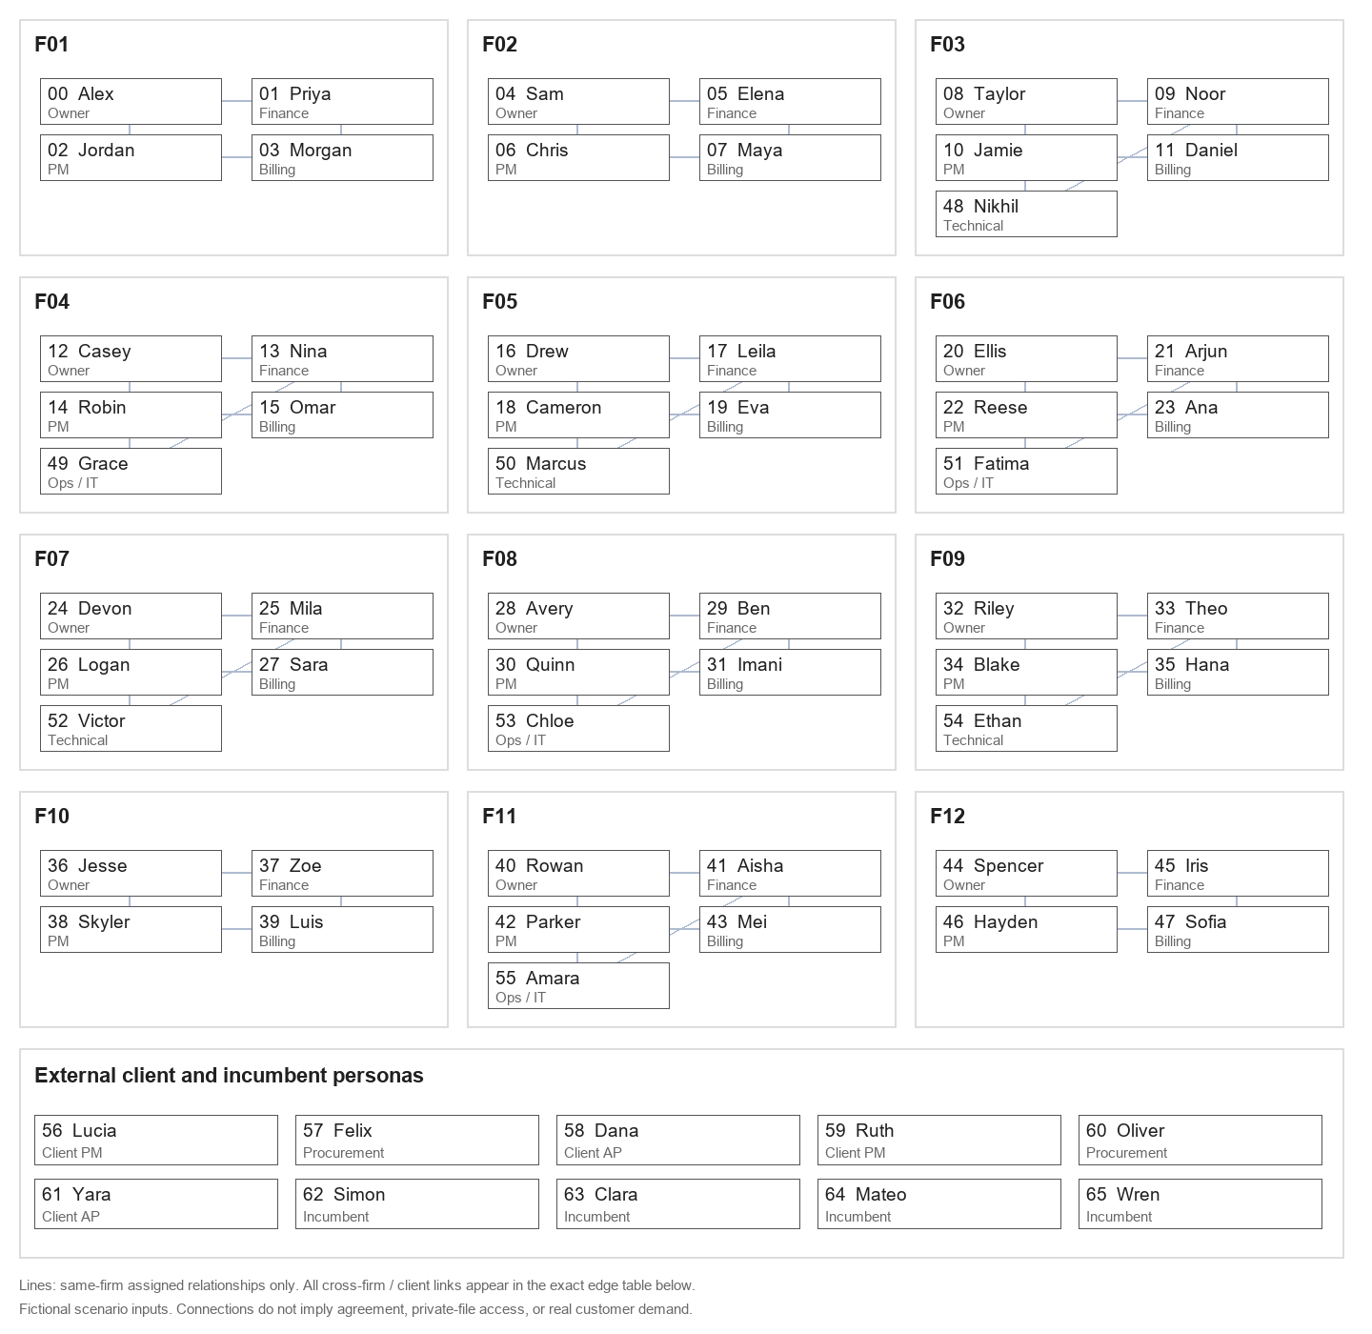

All assigned links — exact descriptions. Reciprocity is recorded, not inferred. Connections do not imply agreement, permissions or demand.

From ID | From persona | To ID | To persona | Exact assigned relationship | Original cell
0 | Alex (F01 · Principal/owner) | 1 | Priya (F01 · Controller/CFO) | Principal and finance lead share budget responsibility; this does not imply agreement. | Personas!J7
0 | Alex (F01 · Principal/owner) | 2 | Jordan (F01 · Project manager) | Principal and PM discuss client relationships and project delivery. | Personas!J7
1 | Priya (F01 · Controller/CFO) | 0 | Alex (F01 · Principal/owner) | Principal and finance lead share budget responsibility; this does not imply agreement. | Personas!J8
1 | Priya (F01 · Controller/CFO) | 3 | Morgan (F01 · Project accountant/billing staff) | Finance lead and billing colleague work on invoice controls. | Personas!J8
2 | Jordan (F01 · Project manager) | 3 | Morgan (F01 · Project accountant/billing staff) | PM and billing colleague exchange project approval and draft-invoice queries. | Personas!J9
2 | Jordan (F01 · Project manager) | 0 | Alex (F01 · Principal/owner) | Principal and PM discuss client relationships and project delivery. | Personas!J9
3 | Morgan (F01 · Project accountant/billing staff) | 1 | Priya (F01 · Controller/CFO) | Finance lead and billing colleague work on invoice controls. | Personas!J10
3 | Morgan (F01 · Project accountant/billing staff) | 2 | Jordan (F01 · Project manager) | PM and billing colleague exchange project approval and draft-invoice queries. | Personas!J10
4 | Sam (F02 · Principal/owner) | 5 | Elena (F02 · Controller/CFO) | Principal and finance lead share budget responsibility; this does not imply agreement. | Personas!J11
4 | Sam (F02 · Principal/owner) | 6 | Chris (F02 · Project manager) | Principal and PM discuss client relationships and project delivery. | Personas!J11
5 | Elena (F02 · Controller/CFO) | 4 | Sam (F02 · Principal/owner) | Principal and finance lead share budget responsibility; this does not imply agreement. | Personas!J12
5 | Elena (F02 · Controller/CFO) | 7 | Maya (F02 · Project accountant/billing staff) | Finance lead and billing colleague work on invoice controls. | Personas!J12
6 | Chris (F02 · Project manager) | 7 | Maya (F02 · Project accountant/billing staff) | PM and billing colleague exchange project approval and draft-invoice queries. | Personas!J13
6 | Chris (F02 · Project manager) | 4 | Sam (F02 · Principal/owner) | Principal and PM discuss client relationships and project delivery. | Personas!J13
6 | Chris (F02 · Project manager) | 26 | Logan (F07 · Project manager) | Civil PM peers know each other through a fictional professional network; neither sees private files. | Personas!J13
7 | Maya (F02 · Project accountant/billing staff) | 5 | Elena (F02 · Controller/CFO) | Finance lead and billing colleague work on invoice controls. | Personas!J14
7 | Maya (F02 · Project accountant/billing staff) | 6 | Chris (F02 · Project manager) | PM and billing colleague exchange project approval and draft-invoice queries. | Personas!J14
8 | Taylor (F03 · Principal/owner) | 9 | Noor (F03 · Controller/CFO) | Principal and finance lead share budget responsibility; this does not imply agreement. | Personas!J15
8 | Taylor (F03 · Principal/owner) | 10 | Jamie (F03 · Project manager) | Principal and PM discuss client relationships and project delivery. | Personas!J15
9 | Noor (F03 · Controller/CFO) | 8 | Taylor (F03 · Principal/owner) | Principal and finance lead share budget responsibility; this does not imply agreement. | Personas!J16
9 | Noor (F03 · Controller/CFO) | 11 | Daniel (F03 · Project accountant/billing staff) | Finance lead and billing colleague work on invoice controls. | Personas!J16
9 | Noor (F03 · Controller/CFO) | 48 | Nikhil (F03 · Technical architect/engineer) | Colleagues who may weigh finance utility against implementation or time-entry burden. | Personas!J16
10 | Jamie (F03 · Project manager) | 11 | Daniel (F03 · Project accountant/billing staff) | PM and billing colleague exchange project approval and draft-invoice queries. | Personas!J17
10 | Jamie (F03 · Project manager) | 8 | Taylor (F03 · Principal/owner) | Principal and PM discuss client relationships and project delivery. | Personas!J17
10 | Jamie (F03 · Project manager) | 48 | Nikhil (F03 · Technical architect/engineer) | Colleagues coordinating project delivery or operational changes. | Personas!J17
11 | Daniel (F03 · Project accountant/billing staff) | 9 | Noor (F03 · Controller/CFO) | Finance lead and billing colleague work on invoice controls. | Personas!J18
11 | Daniel (F03 · Project accountant/billing staff) | 10 | Jamie (F03 · Project manager) | PM and billing colleague exchange project approval and draft-invoice queries. | Personas!J18
12 | Casey (F04 · Principal/owner) | 13 | Nina (F04 · Controller/CFO) | Principal and finance lead share budget responsibility; this does not imply agreement. | Personas!J19
12 | Casey (F04 · Principal/owner) | 14 | Robin (F04 · Project manager) | Principal and PM discuss client relationships and project delivery. | Personas!J19
13 | Nina (F04 · Controller/CFO) | 12 | Casey (F04 · Principal/owner) | Principal and finance lead share budget responsibility; this does not imply agreement. | Personas!J20
13 | Nina (F04 · Controller/CFO) | 15 | Omar (F04 · Project accountant/billing staff) | Finance lead and billing colleague work on invoice controls. | Personas!J20
13 | Nina (F04 · Controller/CFO) | 49 | Grace (F04 · Operations/IT leader) | Colleagues who may weigh finance utility against implementation or time-entry burden. | Personas!J20
14 | Robin (F04 · Project manager) | 15 | Omar (F04 · Project accountant/billing staff) | PM and billing colleague exchange project approval and draft-invoice queries. | Personas!J21
14 | Robin (F04 · Project manager) | 12 | Casey (F04 · Principal/owner) | Principal and PM discuss client relationships and project delivery. | Personas!J21
14 | Robin (F04 · Project manager) | 49 | Grace (F04 · Operations/IT leader) | Colleagues coordinating project delivery or operational changes. | Personas!J21
14 | Robin (F04 · Project manager) | 42 | Parker (F11 · Project manager) | Structural PM peers occasionally exchange process ideas, not confidential client records. | Personas!J21
15 | Omar (F04 · Project accountant/billing staff) | 13 | Nina (F04 · Controller/CFO) | Finance lead and billing colleague work on invoice controls. | Personas!J22
15 | Omar (F04 · Project accountant/billing staff) | 14 | Robin (F04 · Project manager) | PM and billing colleague exchange project approval and draft-invoice queries. | Personas!J22
16 | Drew (F05 · Principal/owner) | 17 | Leila (F05 · Controller/CFO) | Principal and finance lead share budget responsibility; this does not imply agreement. | Personas!J23
16 | Drew (F05 · Principal/owner) | 18 | Cameron (F05 · Project manager) | Principal and PM discuss client relationships and project delivery. | Personas!J23
17 | Leila (F05 · Controller/CFO) | 16 | Drew (F05 · Principal/owner) | Principal and finance lead share budget responsibility; this does not imply agreement. | Personas!J24
17 | Leila (F05 · Controller/CFO) | 19 | Eva (F05 · Project accountant/billing staff) | Finance lead and billing colleague work on invoice controls. | Personas!J24
17 | Leila (F05 · Controller/CFO) | 50 | Marcus (F05 · Technical architect/engineer) | Colleagues who may weigh finance utility against implementation or time-entry burden. | Personas!J24
18 | Cameron (F05 · Project manager) | 19 | Eva (F05 · Project accountant/billing staff) | PM and billing colleague exchange project approval and draft-invoice queries. | Personas!J25
18 | Cameron (F05 · Project manager) | 16 | Drew (F05 · Principal/owner) | Principal and PM discuss client relationships and project delivery. | Personas!J25
18 | Cameron (F05 · Project manager) | 50 | Marcus (F05 · Technical architect/engineer) | Colleagues coordinating project delivery or operational changes. | Personas!J25
19 | Eva (F05 · Project accountant/billing staff) | 17 | Leila (F05 · Controller/CFO) | Finance lead and billing colleague work on invoice controls. | Personas!J26
19 | Eva (F05 · Project accountant/billing staff) | 18 | Cameron (F05 · Project manager) | PM and billing colleague exchange project approval and draft-invoice queries. | Personas!J26
19 | Eva (F05 · Project accountant/billing staff) | 31 | Imani (F08 · Project accountant/billing staff) | Billing peers have a fictional prior-work contact; different firms' controls remain distinct. | Personas!J26
20 | Ellis (F06 · Principal/owner) | 21 | Arjun (F06 · Controller/CFO) | Principal and finance lead share budget responsibility; this does not imply agreement. | Personas!J27
20 | Ellis (F06 · Principal/owner) | 22 | Reese (F06 · Project manager) | Principal and PM discuss client relationships and project delivery. | Personas!J27
20 | Ellis (F06 · Principal/owner) | 57 | Felix (external · Client procurement) | Scenario client-consultant working counterpart on a fictional project; no conversations or approval outcomes are presumed. | Personas!J27
21 | Arjun (F06 · Controller/CFO) | 20 | Ellis (F06 · Principal/owner) | Principal and finance lead share budget responsibility; this does not imply agreement. | Personas!J28
21 | Arjun (F06 · Controller/CFO) | 23 | Ana (F06 · Project accountant/billing staff) | Finance lead and billing colleague work on invoice controls. | Personas!J28
21 | Arjun (F06 · Controller/CFO) | 51 | Fatima (F06 · Operations/IT leader) | Colleagues who may weigh finance utility against implementation or time-entry burden. | Personas!J28
22 | Reese (F06 · Project manager) | 23 | Ana (F06 · Project accountant/billing staff) | PM and billing colleague exchange project approval and draft-invoice queries. | Personas!J29
22 | Reese (F06 · Project manager) | 20 | Ellis (F06 · Principal/owner) | Principal and PM discuss client relationships and project delivery. | Personas!J29
22 | Reese (F06 · Project manager) | 51 | Fatima (F06 · Operations/IT leader) | Colleagues coordinating project delivery or operational changes. | Personas!J29
22 | Reese (F06 · Project manager) | 56 | Lucia (external · Client-side project manager) | Scenario client-consultant working counterpart on a fictional project; no conversations or approval outcomes are presumed. | Personas!J29
23 | Ana (F06 · Project accountant/billing staff) | 21 | Arjun (F06 · Controller/CFO) | Finance lead and billing colleague work on invoice controls. | Personas!J30
23 | Ana (F06 · Project accountant/billing staff) | 22 | Reese (F06 · Project manager) | PM and billing colleague exchange project approval and draft-invoice queries. | Personas!J30
23 | Ana (F06 · Project accountant/billing staff) | 58 | Dana (external · Client accounts payable) | Scenario client-consultant working counterpart on a fictional project; no conversations or approval outcomes are presumed. | Personas!J30
24 | Devon (F07 · Principal/owner) | 25 | Mila (F07 · Controller/CFO) | Principal and finance lead share budget responsibility; this does not imply agreement. | Personas!J31
24 | Devon (F07 · Principal/owner) | 26 | Logan (F07 · Project manager) | Principal and PM discuss client relationships and project delivery. | Personas!J31
24 | Devon (F07 · Principal/owner) | 60 | Oliver (external · Client procurement) | Scenario client-consultant working counterpart on a fictional project; no conversations or approval outcomes are presumed. | Personas!J31
25 | Mila (F07 · Controller/CFO) | 24 | Devon (F07 · Principal/owner) | Principal and finance lead share budget responsibility; this does not imply agreement. | Personas!J32
25 | Mila (F07 · Controller/CFO) | 27 | Sara (F07 · Project accountant/billing staff) | Finance lead and billing colleague work on invoice controls. | Personas!J32
25 | Mila (F07 · Controller/CFO) | 52 | Victor (F07 · Technical architect/engineer) | Colleagues who may weigh finance utility against implementation or time-entry burden. | Personas!J32
26 | Logan (F07 · Project manager) | 27 | Sara (F07 · Project accountant/billing staff) | PM and billing colleague exchange project approval and draft-invoice queries. | Personas!J33
26 | Logan (F07 · Project manager) | 24 | Devon (F07 · Principal/owner) | Principal and PM discuss client relationships and project delivery. | Personas!J33
26 | Logan (F07 · Project manager) | 52 | Victor (F07 · Technical architect/engineer) | Colleagues coordinating project delivery or operational changes. | Personas!J33
26 | Logan (F07 · Project manager) | 6 | Chris (F02 · Project manager) | Civil PM peers know each other through a fictional professional network; neither sees private files. | Personas!J33
26 | Logan (F07 · Project manager) | 59 | Ruth (external · Client-side project manager) | Scenario client-consultant working counterpart on a fictional project; no conversations or approval outcomes are presumed. | Personas!J33
27 | Sara (F07 · Project accountant/billing staff) | 25 | Mila (F07 · Controller/CFO) | Finance lead and billing colleague work on invoice controls. | Personas!J34
27 | Sara (F07 · Project accountant/billing staff) | 26 | Logan (F07 · Project manager) | PM and billing colleague exchange project approval and draft-invoice queries. | Personas!J34
27 | Sara (F07 · Project accountant/billing staff) | 61 | Yara (external · Client accounts payable) | Scenario client-consultant working counterpart on a fictional project; no conversations or approval outcomes are presumed. | Personas!J34
28 | Avery (F08 · Principal/owner) | 29 | Ben (F08 · Controller/CFO) | Principal and finance lead share budget responsibility; this does not imply agreement. | Personas!J35
28 | Avery (F08 · Principal/owner) | 30 | Quinn (F08 · Project manager) | Principal and PM discuss client relationships and project delivery. | Personas!J35
29 | Ben (F08 · Controller/CFO) | 28 | Avery (F08 · Principal/owner) | Principal and finance lead share budget responsibility; this does not imply agreement. | Personas!J36
29 | Ben (F08 · Controller/CFO) | 31 | Imani (F08 · Project accountant/billing staff) | Finance lead and billing colleague work on invoice controls. | Personas!J36
29 | Ben (F08 · Controller/CFO) | 53 | Chloe (F08 · Operations/IT leader) | Colleagues who may weigh finance utility against implementation or time-entry burden. | Personas!J36
30 | Quinn (F08 · Project manager) | 31 | Imani (F08 · Project accountant/billing staff) | PM and billing colleague exchange project approval and draft-invoice queries. | Personas!J37
30 | Quinn (F08 · Project manager) | 28 | Avery (F08 · Principal/owner) | Principal and PM discuss client relationships and project delivery. | Personas!J37
30 | Quinn (F08 · Project manager) | 53 | Chloe (F08 · Operations/IT leader) | Colleagues coordinating project delivery or operational changes. | Personas!J37
31 | Imani (F08 · Project accountant/billing staff) | 29 | Ben (F08 · Controller/CFO) | Finance lead and billing colleague work on invoice controls. | Personas!J38
31 | Imani (F08 · Project accountant/billing staff) | 30 | Quinn (F08 · Project manager) | PM and billing colleague exchange project approval and draft-invoice queries. | Personas!J38
31 | Imani (F08 · Project accountant/billing staff) | 19 | Eva (F05 · Project accountant/billing staff) | Billing peers have a fictional prior-work contact; different firms' controls remain distinct. | Personas!J38
32 | Riley (F09 · Principal/owner) | 33 | Theo (F09 · Controller/CFO) | Principal and finance lead share budget responsibility; this does not imply agreement. | Personas!J39
32 | Riley (F09 · Principal/owner) | 34 | Blake (F09 · Project manager) | Principal and PM discuss client relationships and project delivery. | Personas!J39
33 | Theo (F09 · Controller/CFO) | 32 | Riley (F09 · Principal/owner) | Principal and finance lead share budget responsibility; this does not imply agreement. | Personas!J40
33 | Theo (F09 · Controller/CFO) | 35 | Hana (F09 · Project accountant/billing staff) | Finance lead and billing colleague work on invoice controls. | Personas!J40
33 | Theo (F09 · Controller/CFO) | 54 | Ethan (F09 · Technical architect/engineer) | Colleagues who may weigh finance utility against implementation or time-entry burden. | Personas!J40
34 | Blake (F09 · Project manager) | 35 | Hana (F09 · Project accountant/billing staff) | PM and billing colleague exchange project approval and draft-invoice queries. | Personas!J41
34 | Blake (F09 · Project manager) | 32 | Riley (F09 · Principal/owner) | Principal and PM discuss client relationships and project delivery. | Personas!J41
34 | Blake (F09 · Project manager) | 54 | Ethan (F09 · Technical architect/engineer) | Colleagues coordinating project delivery or operational changes. | Personas!J41
35 | Hana (F09 · Project accountant/billing staff) | 33 | Theo (F09 · Controller/CFO) | Finance lead and billing colleague work on invoice controls. | Personas!J42
35 | Hana (F09 · Project accountant/billing staff) | 34 | Blake (F09 · Project manager) | PM and billing colleague exchange project approval and draft-invoice queries. | Personas!J42
36 | Jesse (F10 · Principal/owner) | 37 | Zoe (F10 · Controller/CFO) | Principal and finance lead share budget responsibility; this does not imply agreement. | Personas!J43
36 | Jesse (F10 · Principal/owner) | 38 | Skyler (F10 · Project manager) | Principal and PM discuss client relationships and project delivery. | Personas!J43
37 | Zoe (F10 · Controller/CFO) | 36 | Jesse (F10 · Principal/owner) | Principal and finance lead share budget responsibility; this does not imply agreement. | Personas!J44
37 | Zoe (F10 · Controller/CFO) | 39 | Luis (F10 · Project accountant/billing staff) | Finance lead and billing colleague work on invoice controls. | Personas!J44
38 | Skyler (F10 · Project manager) | 39 | Luis (F10 · Project accountant/billing staff) | PM and billing colleague exchange project approval and draft-invoice queries. | Personas!J45
38 | Skyler (F10 · Project manager) | 36 | Jesse (F10 · Principal/owner) | Principal and PM discuss client relationships and project delivery. | Personas!J45
39 | Luis (F10 · Project accountant/billing staff) | 37 | Zoe (F10 · Controller/CFO) | Finance lead and billing colleague work on invoice controls. | Personas!J46
39 | Luis (F10 · Project accountant/billing staff) | 38 | Skyler (F10 · Project manager) | PM and billing colleague exchange project approval and draft-invoice queries. | Personas!J46
40 | Rowan (F11 · Principal/owner) | 41 | Aisha (F11 · Controller/CFO) | Principal and finance lead share budget responsibility; this does not imply agreement. | Personas!J47
40 | Rowan (F11 · Principal/owner) | 42 | Parker (F11 · Project manager) | Principal and PM discuss client relationships and project delivery. | Personas!J47
41 | Aisha (F11 · Controller/CFO) | 40 | Rowan (F11 · Principal/owner) | Principal and finance lead share budget responsibility; this does not imply agreement. | Personas!J48
...

