PIM
 |  | AGREEGATE REPORT - PIM

Label | # Samples | Average | Median | 90% Line | 95% Line | 99% Line | Min | Max | Error % | Throughput | Received KB/sec | Sent KB/sec
Thread Start | 10 | 1 | 0 | 2 | 2 | 9 | 0 | 9 | 0.00% | 0.03805 | 0 | 0
Launch | 5 | 3231 | 3279 | 3301 | 3346 | 3346 | 3017 | 3346 | 0.00% | 1.46972 | 151.3 | 2.06
Login | 5 | 13901 | 13734 | 13939 | 14527 | 14527 | 13634 | 14527 | 0.00% | 0.22698 | 28.08 | 2.21
Add PIM | 10 | 38157 | 25339 | 49336 | 49336 | 70635 | 22095 | 70635 | 0.00% | 0.03532 | 20.84 | 1.03
Add Admin | 10 | 21799 | 16156 | 29589 | 29589 | 30402 | 14642 | 30402 | 0.00% | 0.03993 | 15.98 | 0.75
Customer | 10 | 26285 | 26457 | 35197 | 35197 | 37301 | 17512 | 37301 | 0.00% | 0.0424 | 26.52 | 0.87
Create Project -Time Sheet | 10 | 61679 | 54588 | 77206 | 77206 | 79111 | 47654 | 79111 | 0.00% | 0.03911 | 50.92 | 2.45
Thread End | 10 | 3 | 1 | 1 | 1 | 27 | 0 | 27 | 0.00% | 0.05653 | 0 | 0
Logout | 5 | 2318 | 2442 | 2687 | 2691 | 2691 | 1839 | 2691 | 0.00% | 0.2095 | 22.21 | 0.5
TOTAL | 75 | 21020 | 15379 | 50369 | 70635 | 77206 | 0 | 79111 | 0.00% | 0.17369 | 71.42 | 3.19

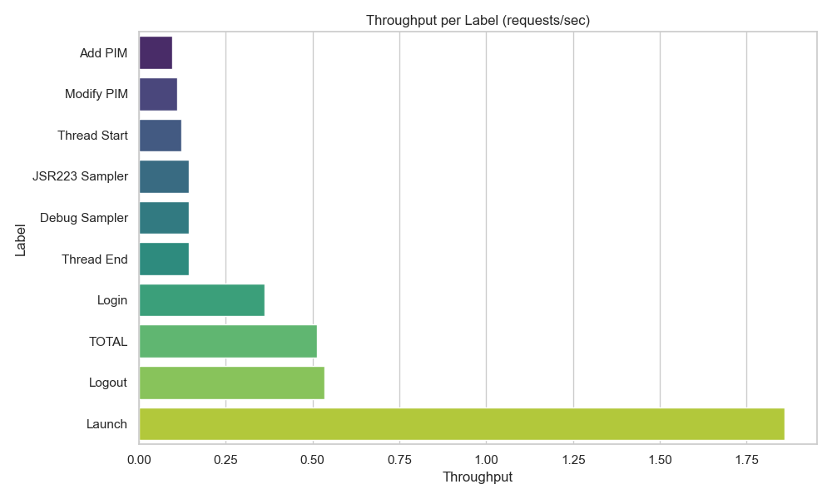
 |  | SUMMARY REPORT - PIM
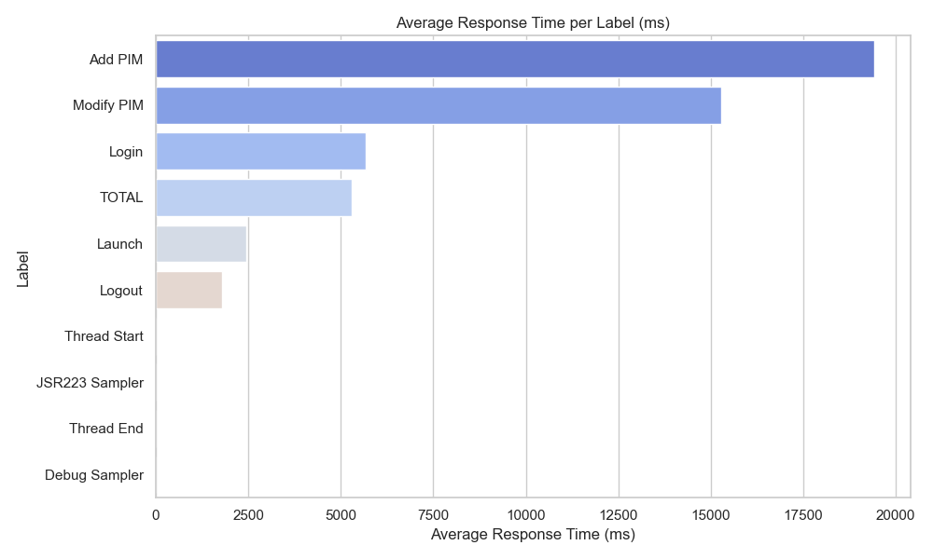
Label | # Samples | Average | Min | Max | Std. Dev. | Error % | Throughput | Received KB/sec | Sent KB/sec | Avg. Bytes
Thread Start | 10 | 1 | 0 | 9 | 2.62 | 0.00% | 0.03805 | 0 | 0 | 0
Launch | 5 | 3231 | 3017 | 3346 | 115.34 | 0.00% | 1.46972 | 151.3 | 2.06 | 105414.8
Login | 5 | 13901 | 13634 | 14527 | 330.27 | 0.00% | 0.22698 | 28.08 | 2.21 | 126662.6
Add PIM | 10 | 38157 | 22095 | 70635 | 16136.82 | 0.00% | 0.03532 | 20.84 | 1.03 | 603980.6
Add Admin | 10 | 21799 | 14642 | 30402 | 6607.9 | 0.00% | 0.03993 | 15.98 | 0.75 | 409823.1
Customer | 10 | 26285 | 17512 | 37301 | 6167.78 | 0.00% | 0.0424 | 26.52 | 0.87 | 640494.4
Create Project -Time Sheet | 10 | 61679 | 47654 | 79111 | 11764.97 | 0.00% | 0.03911 | 50.92 | 2.45 | 1333243
Thread End | 10 | 3 | 0 | 27 | 7.95 | 0.00% | 0.05653 | 0 | 0 | 0
Logout | 5 | 2318 | 1839 | 2691 | 365.81 | 0.00% | 0.2095 | 22.21 | 0.5 | 108542.6
TOTAL | 75 | 21020 | 0 | 79111 | 22204.47 | 0.00% | 0.17369 | 71.42 | 3.19 | 421046.8

ADMIN
 |  |  | AGREEGATE REPORT - ADMIN

Label | # Samples | Average | Median | 90% Line | 95% Line | 99% Line | Min | Max | Error % | Throughput | Received KB/sec | Sent KB/sec
Thread Start | 10 | 1 | 1 | 1 | 1 | 9 | 0 | 9 | 0.00% | 0.06743 | 0 | 0
Launch | 5 | 2197 | 2204 | 2228 | 2251 | 2251 | 2140 | 2251 | 0.00% | 2.22124 | 228.64 | 3.11
Login | 5 | 5935 | 5953 | 5974 | 5978 | 5978 | 5873 | 5978 | 0.00% | 0.38142 | 47.18 | 3.71
Add PIM | 10 | 20168 | 19911 | 21380 | 21380 | 21709 | 18608 | 21709 | 0.00% | 0.05814 | 34.15 | 1.7
Add Admin | 10 | 13187 | 12968 | 13662 | 13662 | 14036 | 12809 | 14036 | 0.00% | 0.06137 | 24.24 | 1.15
JSR223 Sampler | 10 | 1 | 1 | 1 | 1 | 12 | 0 | 12 | 0.00% | 0.07378 | 0 | 0
Debug Sampler | 10 | 0 | 0 | 1 | 1 | 4 | 0 | 4 | 0.00% | 0.07379 | 0.07 | 0
Thread End | 10 | 30009 | 2 | 60010 | 60010 | 60069 | 1 | 60069 | 0.00% | 0.07379 | 0 | 0
Logout | 5 | 2095 | 2154 | 2197 | 2372 | 2372 | 1853 | 2372 | 0.00% | 0.74985 | 79.34 | 1.77
TOTAL | 75 | 9131 | 2140 | 21005 | 60001 | 60010 | 0 | 60069 | 0.00% | 0.33785 | 51.78 | 2.46

 |  |  | SUMMARY REPORT - ADMIN
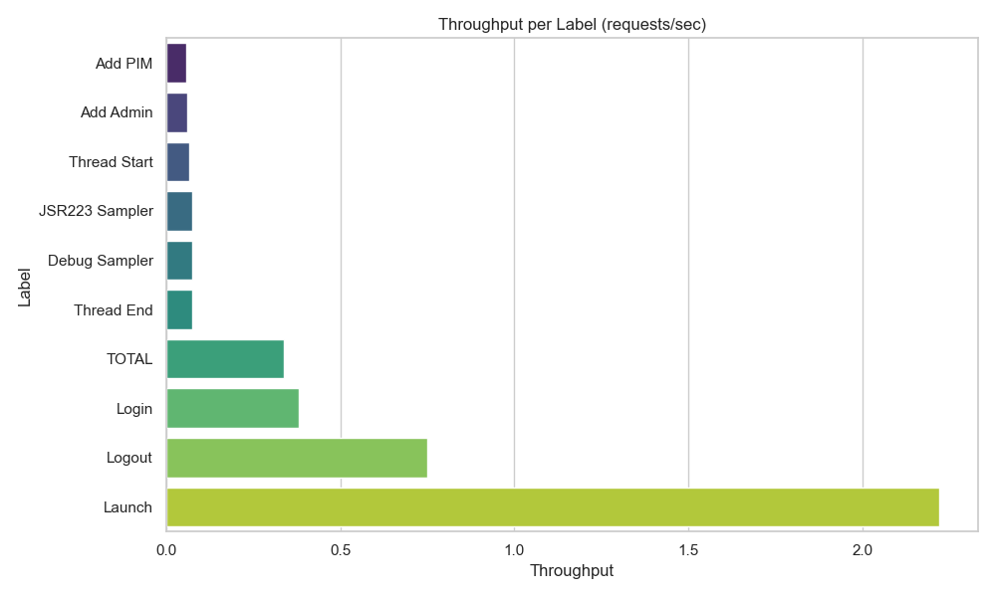
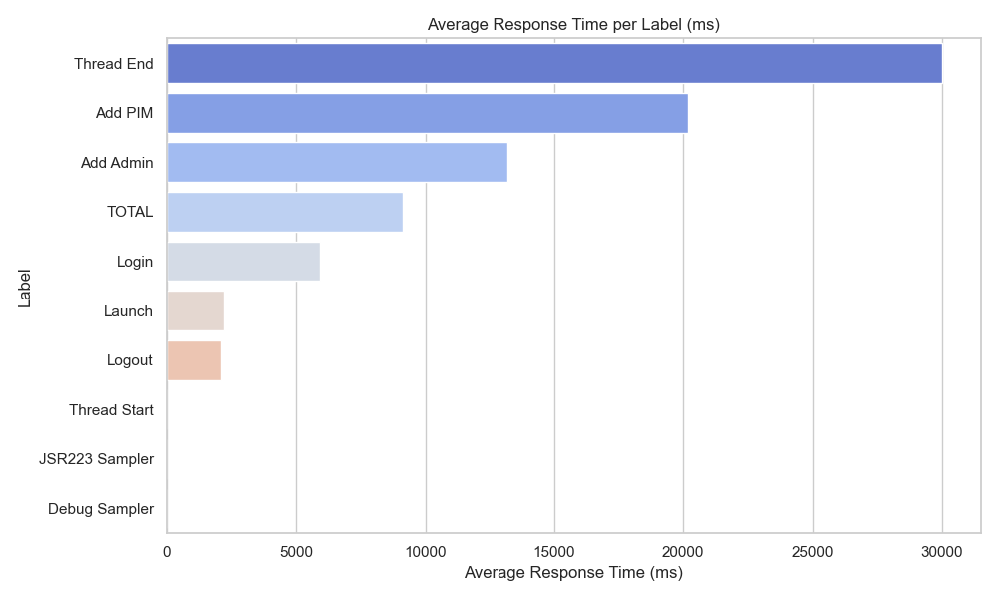
Label | # Samples | Average | Min | Max | Std. Dev. | Error % | Throughput | Received KB/sec | Sent KB/sec | Avg. Bytes
Thread Start | 10 | 1 | 0 | 9 | 2.58 | 0.00% | 0.06743 | 0 | 0 | 0
Launch | 5 | 2197 | 2140 | 2251 | 40.33 | 0.00% | 2.22124 | 228.64 | 3.11 | 105405.4
Login | 5 | 5935 | 5873 | 5978 | 41.86 | 0.00% | 0.38142 | 47.18 | 3.71 | 126661
Add PIM | 10 | 20168 | 18608 | 21709 | 1026.31 | 0.00% | 0.05814 | 34.15 | 1.7 | 601453.5
Add Admin | 10 | 13187 | 12809 | 14036 | 373.31 | 0.00% | 0.06137 | 24.24 | 1.15 | 404469.9
JSR223 Sampler | 10 | 1 | 0 | 12 | 3.39 | 0.00% | 0.07378 | 0 | 0 | 0
Debug Sampler | 10 | 0 | 0 | 4 | 1.2 | 0.00% | 0.07379 | 0.07 | 0 | 934.1
Thread End | 10 | 30009 | 1 | 60069 | 30008.31 | 0.00% | 0.07379 | 0 | 0 | 0.4
Logout | 5 | 2095 | 1853 | 2372 | 193.5 | 0.00% | 0.74985 | 79.34 | 1.77 | 108342
TOTAL | 75 | 9131 | 0 | 60069 | 15405 | 0.00% | 0.33785 | 51.78 | 2.46 | 156941.6

TIME
 |  |  | AGREEGATE REPORT - TIME

Label | # Samples | Average | Median | 90% Line | 95% Line | 99% Line | Min | Max | Error % | Throughput | Received KB/sec | Sent KB/sec
Thread Start | 10 | 1 | 0 | 2 | 2 | 9 | 0 | 9 | 0.00% | 0.03805 | 0 | 0
Launch | 5 | 3231 | 3279 | 3301 | 3346 | 3346 | 3017 | 3346 | 0.00% | 1.46972 | 151.3 | 2.06
Login | 5 | 13901 | 13734 | 13939 | 14527 | 14527 | 13634 | 14527 | 0.00% | 0.22698 | 28.08 | 2.21
Add PIM | 10 | 38157 | 25339 | 49336 | 49336 | 70635 | 22095 | 70635 | 0.00% | 0.03532 | 20.84 | 1.03
Add Admin | 10 | 21799 | 16156 | 29589 | 29589 | 30402 | 14642 | 30402 | 0.00% | 0.03993 | 15.98 | 0.75
Customer | 10 | 26285 | 26457 | 35197 | 35197 | 37301 | 17512 | 37301 | 0.00% | 0.0424 | 26.52 | 0.87
Create Project -Time Sheet | 10 | 61679 | 54588 | 77206 | 77206 | 79111 | 47654 | 79111 | 0.00% | 0.03911 | 50.92 | 2.45
Thread End | 10 | 3 | 1 | 1 | 1 | 27 | 0 | 27 | 0.00% | 0.05653 | 0 | 0
Logout | 5 | 2318 | 2442 | 2687 | 2691 | 2691 | 1839 | 2691 | 0.00% | 0.2095 | 22.21 | 0.5
TOTAL | 75 | 21020 | 15379 | 50369 | 70635 | 77206 | 0 | 79111 | 0.00% | 0.17369 | 71.42 | 3.19

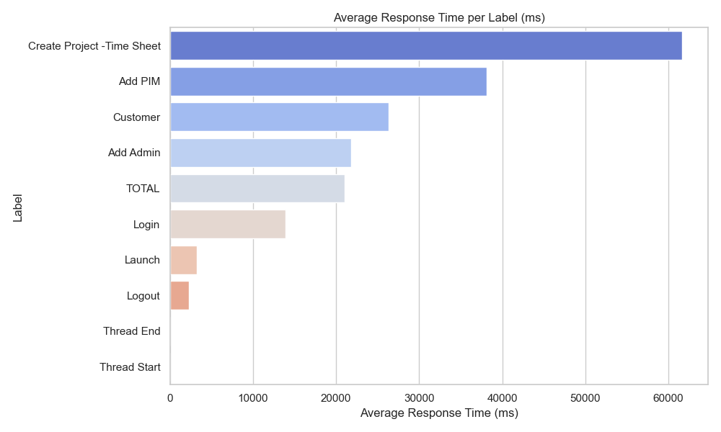
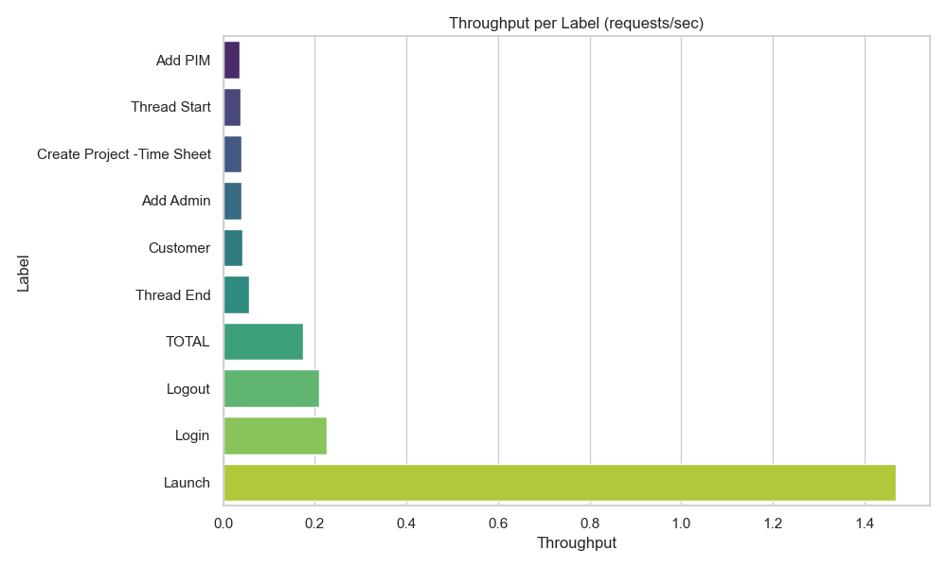
 |  |  | AGREEGATE REPORT - TIME

Label | # Samples | Average | Min | Max | Std. Dev. | Error % | Throughput | Received KB/sec | Sent KB/sec | Avg. Bytes
Thread Start | 10 | 1 | 0 | 9 | 2.62 | 0.00% | 0.03805 | 0 | 0 | 0
Launch | 5 | 3231 | 3017 | 3346 | 115.34 | 0.00% | 1.46972 | 151.3 | 2.06 | 105414.8
Login | 5 | 13901 | 13634 | 14527 | 330.27 | 0.00% | 0.22698 | 28.08 | 2.21 | 126662.6
Add PIM | 10 | 38157 | 22095 | 70635 | 16136.82 | 0.00% | 0.03532 | 20.84 | 1.03 | 603980.6
Add Admin | 10 | 21799 | 14642 | 30402 | 6607.9 | 0.00% | 0.03993 | 15.98 | 0.75 | 409823.1
Customer | 10 | 26285 | 17512 | 37301 | 6167.78 | 0.00% | 0.0424 | 26.52 | 0.87 | 640494.4
Create Project -Time Sheet | 10 | 61679 | 47654 | 79111 | 11764.97 | 0.00% | 0.03911 | 50.92 | 2.45 | 1333243
Thread End | 10 | 3 | 0 | 27 | 7.95 | 0.00% | 0.05653 | 0 | 0 | 0
Logout | 5 | 2318 | 1839 | 2691 | 365.81 | 0.00% | 0.2095 | 22.21 | 0.5 | 108542.6
TOTAL | 75 | 21020 | 0 | 79111 | 22204.47 | 0.00% | 0.17369 | 71.42 | 3.19 | 421046.8

