Replacement BO
Emergency Procedure\SGG-55-381-07-B Maintenance of water-cooled elements 27-06-2019 GB.pdf
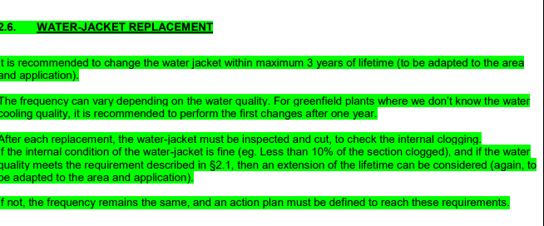

Replacement Schedule

Pressure Test

