Dune_SQL3_Data
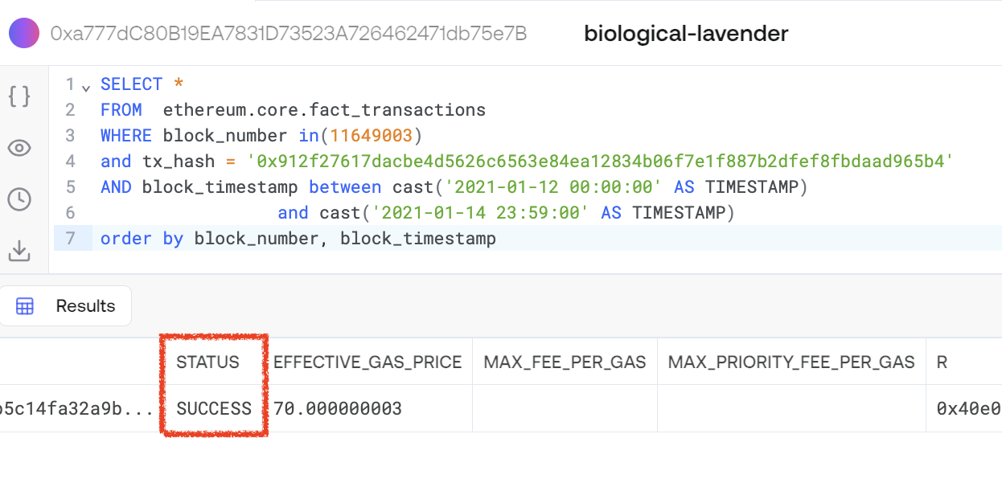
block_time | block_number | value | valueEth | gas | gas_used | block_hash | success | tx_index | sub_traces | error | tx_success | tx_hash | from | to | trace_address | type | address | code | call_type | input | output | refund_address | block_date | Txn--From--To | Txn--From--To (Flipside)
...
 |  |  |  |  |  |  |  |  |  |  |  |  |  |  |  | ?

 |  |  |  |  |  | https://etherscan.io/tx/0x912f27617dacbe4d5626c6563e84ea12834b06f7e1f887b2dfef8fbdaad965b4#internal

 |  |  |  |  |  | SELECT * FROM ethereum.core.fact_transactions WHERE block_number in(11649003) and tx_hash = '0x912f27617dacbe4d5626c6563e84ea12834b06f7e1f887b2dfef8fbdaad965b4' AND block_timestamp between cast('2021-01-12 00:00:00' AS TIMESTAMP) and cast('2021-01-14 23:59:00' AS TIMESTAMP) order by block_number, block_timestamp

