SQL
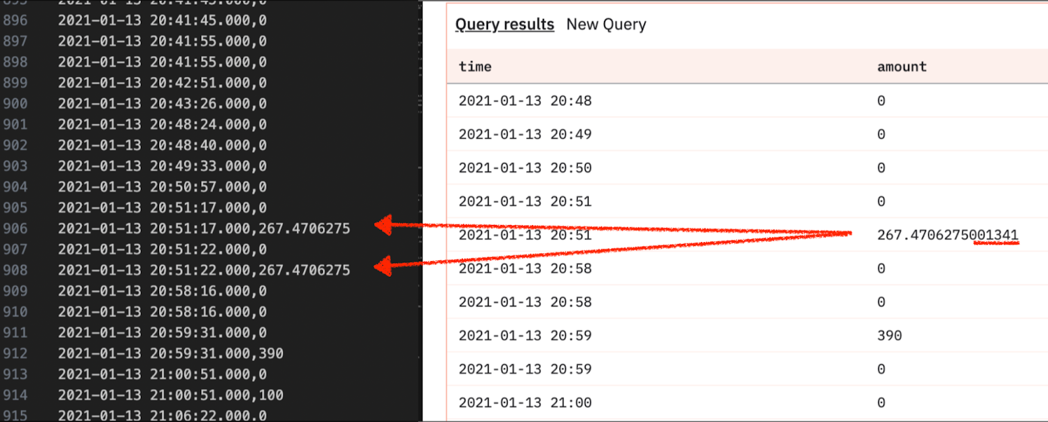
SQL1
--flipside query |  |  |  |  |  | --dune query
SELECT * |  |  |  |  |  | SELECT *
FROM ethereum.core.fact_traces |  |  |  |  |  | FROM ethereum.traces
WHERE |  |  |  |  |  | WHERE
to_address IN ( |  |  |  |  |  | to IN (
LOWER('0xae7ab96520de3a18e5e111b5eaab095312d7fe84'), -- stETH |  |  |  |  |  | 0xae7ab96520de3a18e5e111b5eaab095312d7fe84 /* stETH */,
LOWER('0xb9d7934878b5fb9610b3fe8a5e441e8fad7e293f'), -- Withdrawal vault |  |  |  |  |  | 0xb9d7934878b5fb9610b3fe8a5e441e8fad7e293f /* withdrawal vault */,
LOWER('0x388c818ca8b9251b393131c08a736a67ccb19297') ) -- EL vault |  |  |  |  |  | 0x388c818ca8b9251b393131c08a736a67ccb19297) /* EL vault */
AND (LOWER(type) NOT IN ('delegatecall', 'callcode', 'staticcall') OR type IS NULL) |  |  |  |  |  | AND ( NOT LOWER(call_type) IN ('delegatecall', 'callcode', 'staticcall') OR call_type IS NULL )
AND tx_status = 'SUCCESS' |  |  |  |  |  | AND tx_success
AND trace_status = 'SUCCESS' |  |  |  |  |  | AND success
AND block_number in(11649002,11649003) |  |  |  |  |  | AND block_number in(11649002,11649003)
order by block_number, block_timestamp |  |  |  |  |  | order by block_number, block_time
 |  |  |  |  |  | /* ** Dune has no block 11649003 ** */

SQL2
--Flipside query |  |  |  |  |  | --dune query
SELECT count(*) as TxnCount, sum(Value) as TxnValue |  |  |  |  |  | SELECT count(*) as TxnCount, sum(Value) as TxnValue
FROM ethereum.core.fact_traces |  |  |  |  |  | FROM ethereum.traces
WHERE block_number in(11649003) |  |  |  |  |  | WHERE block_number in(11649003)
AND block_timestamp between cast('2021-01-12 00:00:00' AS TIMESTAMP) |  |  |  |  |  | AND block_time between cast('2021-01-12 00:00:00' AS TIMESTAMP)
and cast('2021-01-14 23:59:00' AS TIMESTAMP) | Flipside |  | Diff | Dune |  | and cast('2021-01-14 23:59:00' AS TIMESTAMP)
 | TXNCOUNT | 720 | 5 | TxnCount | 715
 | TXNVALUE | 713.62674625 | -269.4706275 | TxnValue | 983.09737375

SQL3
--Flipside query |  |  |  |  |  | --dune query
SELECT * |  |  |  |  |  | SELECT *
FROM ethereum.core.fact_traces |  |  |  |  |  | FROM ethereum.traces
WHERE block_number in(11649003) |  |  |  |  |  | WHERE block_number in(11649003)
AND block_timestamp between cast('2021-01-12 00:00:00' AS TIMESTAMP) |  |  |  |  |  | AND block_time between cast('2021-01-12 00:00:00' AS TIMESTAMP)
and cast('2021-01-14 23:59:00' AS TIMESTAMP) |  |  |  |  |  | and cast('2021-01-14 23:59:00' AS TIMESTAMP)
order by block_number, block_timestamp |  |  |  |  |  | order by block_number, block_time

Observations / findings
720 records |  |  |  |  |  | 714 records
Missing "Reward" type (or captured elsewhere) |  |  |  |  |  | Has "Reward" type - only row missing from Flipside
6 rows missing from Dune

Dune_SQL3_Data
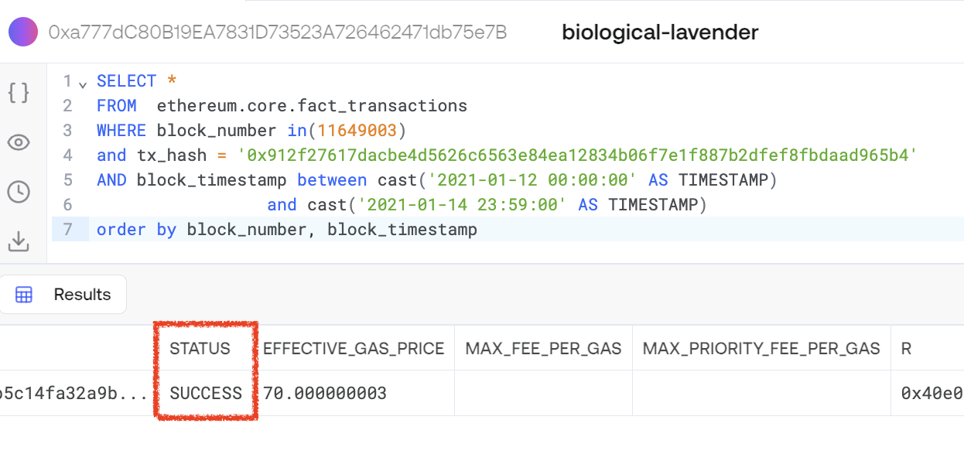
block_time | block_number | value | valueEth | gas | gas_used | block_hash | success | tx_index | sub_traces | error | tx_success | tx_hash | from | to | trace_address | type | address | code | call_type | input | output | refund_address | block_date | Txn--From--To | Txn--From--To (Flipside)
...
 |  |  |  |  |  |  |  |  |  |  |  |  |  |  |  | ?

 |  |  |  |  |  | https://etherscan.io/tx/0x912f27617dacbe4d5626c6563e84ea12834b06f7e1f887b2dfef8fbdaad965b4#internal

 |  |  |  |  |  | SELECT * FROM ethereum.core.fact_transactions WHERE block_number in(11649003) and tx_hash = '0x912f27617dacbe4d5626c6563e84ea12834b06f7e1f887b2dfef8fbdaad965b4' AND block_timestamp between cast('2021-01-12 00:00:00' AS TIMESTAMP) and cast('2021-01-14 23:59:00' AS TIMESTAMP) order by block_number, block_timestamp

