1. Title Page
Basket Analysis

Project Name: Instacart Basket Analysis
Date: 05/25/2025
Analyst Name: Divya Neopaney

Contents:
Population Flow
Consistency checks
Wrangling steps
Column derivations
Visualizations
Recommendations

2. Population Flow
 |  |  | Title page

Population flow

Exclusion flag
Condition: max_order <
Obervations to be removed:
Final total count of order_products_all:

Orders_products_all
Orders_products_combined
Orders_products_merged

Total:
Total:
Total:
 | 32404859 | 32404859
32434489
1.) The grey boxes in the first row of the population flow represent the original data sets as they were when you downloaded them. In the Total fields you need to add the count of the rows when you imported the data set into Jupyter.
2.) The second row of boxes (coloured) represents the data sets after you manipulated them, e.g., removed missing values and duplicates. In the Total fields you need to add the count of the rows after conducting these operations. This offers a visual oveview of how the data flows throughout the data consistency checks.
3.) The third row, where also the arrows are coloured, represents the merges you performed between the datasets. In the Total fields you need to add the count of the rows in the merged datasets, so that you end up with the final dataset (in the red box). Keep in mind the final dataset should be without exclusions (based on the exclusion flag).

3. Consistency checks
 |  |  |  | Title page
Consistency checks

Dataset | Missing values | Missing values treatment | Duplicates
orders | Days_since_prior_order column had 206209 missing values. | Left at as it is because those could be customers who have only placed 1 order so far. | No Duplicates were found
products | Product name had 16 missing values | Removed it from the dataframe | 5 Duplicates were found
orders_products_prior | No missing Values | N/A | No Duplicates were found
Customers | There were about 11259 missing values for 'First Name' | Replaced them with "unknown" | No Duplicates were found

4. Wrangling steps
 |  |  |  | Title page
Wrangling steps

Columns dropped | Columns renamed | Columns' type changed | Comment/Reason
eval_set |  |  | Not needed for analysis

 | order_dow to orders_day_of_week |  | Better Understanding
 | Surnam to Last Name |  | Better Understanding
 | STATE to State |  | Better Understanding
 | n_dependants to Number of Dependents |  | Better Understanding
 | fam_status to Martial Status |  | Better Understanding
 |  | Order_Id | To String
 |  | Order number | To string
 | date_joined to Date Joined

5. Column derivations
 |  |  |  | Title page

Column derivations and aggregations

In this tab you should add tables below that the frequences of flags/label variables that you produced after deriving them. NB: don't do this for continuous variables, only for flags.
Dataset | New column | Column/s it was derived from | Conditions
Orders | First_order | Days_since_prior_order | NaN
ords_prods_merged | prices | price_label | If prices <= 5 = 'Low-range Product, If Prices >5 and <=15 = "Mid-range Product , If prices > 15 = 'High range' else return 'Not enough data'
ords_prods_merged | orders_day_of_week | Busiest_day | If value == 0 or value == 1 then 'Busiest days' If value == 3 or value == 4 then 'Slowest days' else 'Regularly busy'
ords_prods_merged | Busiest_period_of_day | orders_hour_of_day | if value in [10, 11, 14, 15, 13, 12, 16, 9]:result_3.append("Most orders") elif value in [3, 4, 2, 5, 1, 0, 6, 23]:result_3.append("Fewest orders") else: result_3.append("Average orders")
ords_prods_merged | loyalty_flag | max_order | Max order > 40 = 'Loyal Costumer' , Max order <= 40 & > 10 = 'Regular Customer', Max order <= 10 = 'New Customer'
ords_prods_merged | Spending_flag | Average_poduct_price | Average_product_price >= 10 = 'High Spender' , Average product price < 10 = 'Low Spender'
ords_prods_merged | Order_frequency_flag | Median_order_frequency | Median_ordering_frequency > 20 = 'Non-Frequent_customer , Median_ordering_frequency <= 20 & >10 = 'Regular Customer, 'Median_ordering_frequency <=10 = 'Frequent Customer'
ords_prods_cust | Region | state | States are categorized by the Region of the US
merged_df | Age Group | Age | Young adult = >=25, Adult = 26-64, Senior = 65+
merged_df | Income_Bracket | Income | <96608 Income Bracket = 'Low Income Customer' , >=96608 & <127876 Income Bracket = 'Middle Income Customer', >=127876 Income Bracket = 'High Income Customer'
merged_df | Customer Activity | max_order | < 5 'Customer_Activity'] = 'Low', >=5 'Customer Activity = High
merged_df | Number of Dependents | parent_status | <1 Dependents = Single Adult, >=1 Dependents = Young Parent

6. Visualizations
 |  |  |  |  | Title page

Visualisations

In this tab you should include all the visualtions from Exercises 4.9 and 4.10, alongside the questions from the project brief that they answer. Include any commentary on the relationship between different variables.

Question | What the busiest days of the week and hours of the day are (i.e., the days and times with the most orders) in order to schedule ads at times when there are fewer orders?

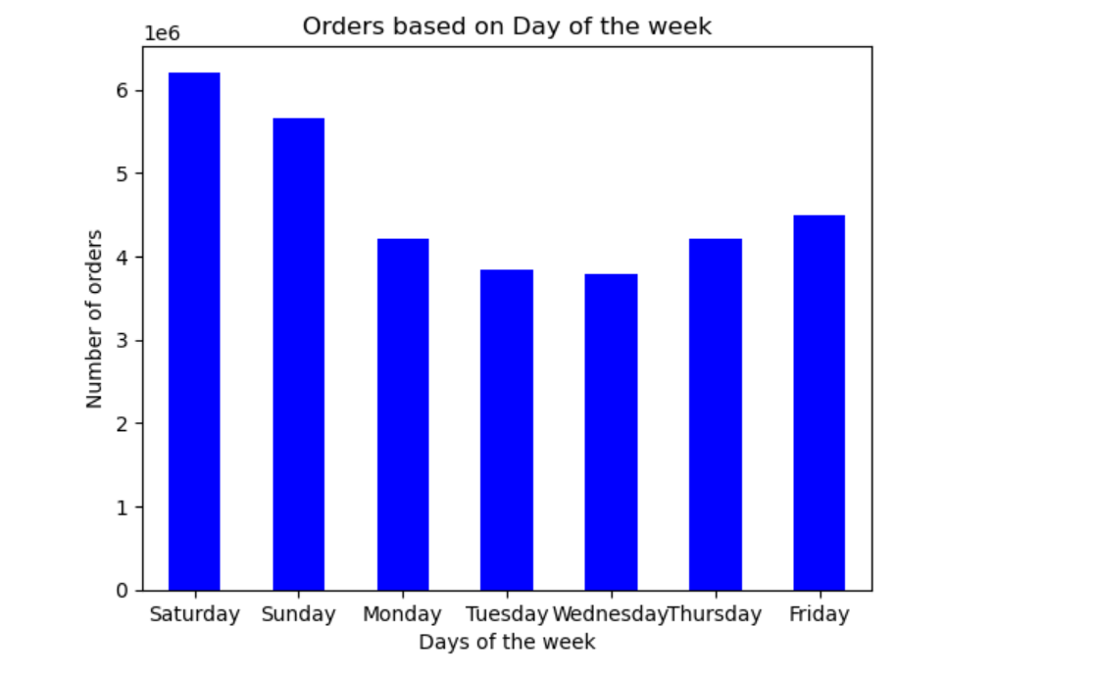
 |  |  | Answer:
 |  |  |  | The busiest days of the week seems to be during the weekends especially Saturday. It gradually decreases as we approach the weekday and starts picking up around Friday. We have received the maximum amount of orders between 9am and 3pm.

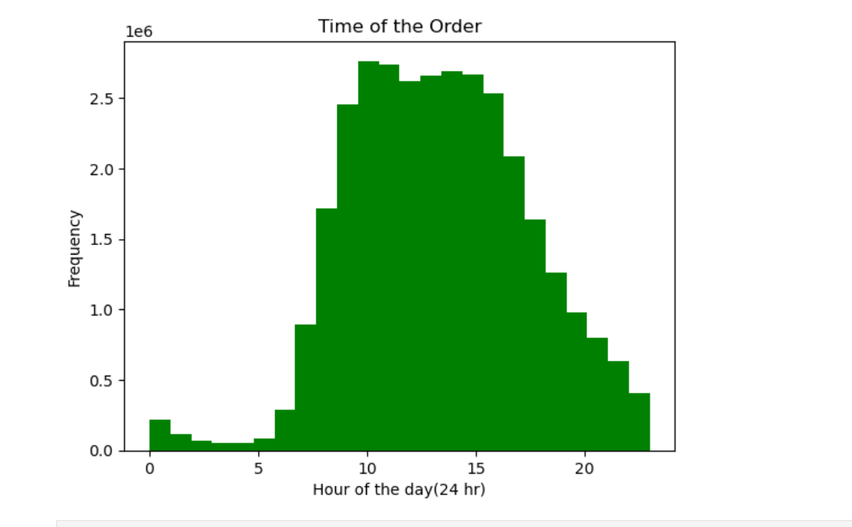

Question: | Are there certain types of products that are more popular than others? The marketing and sales teams want to know which departments have the highest frequency of product orders.

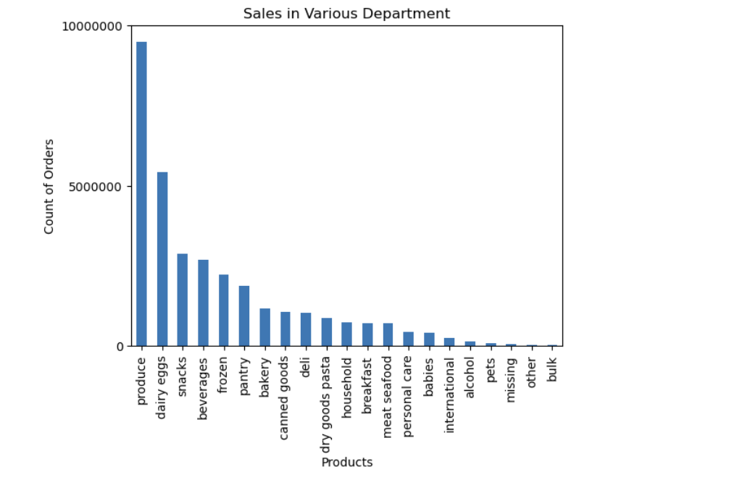

 |  |  | Answer:
 |  |  |  | Our top-selling items include produce, dairy and eggs, and snacks. Customers tend to spend the most on these products during the busy morning rush hour.

Question: | What’s the distribution among users in regards to their brand loyalty (i.e., how often do they return to Instacart)?

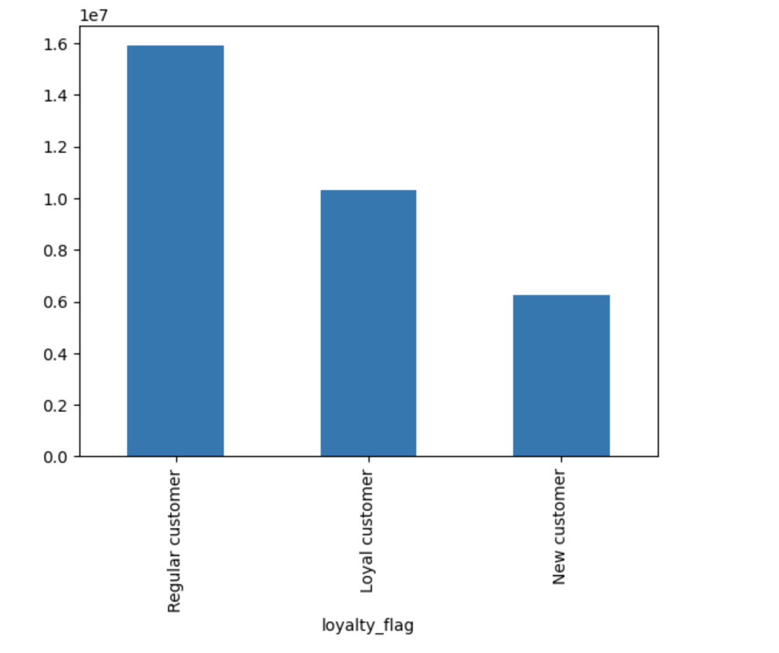

 |  |  | Answer:

 |  |  |  | The majority of the customers are regular customers in comparison to loyal/new customers.

Question: | They also want to know whether there are particular times of the day when people spend the most money, as this might inform the type of products they advertise at these times.

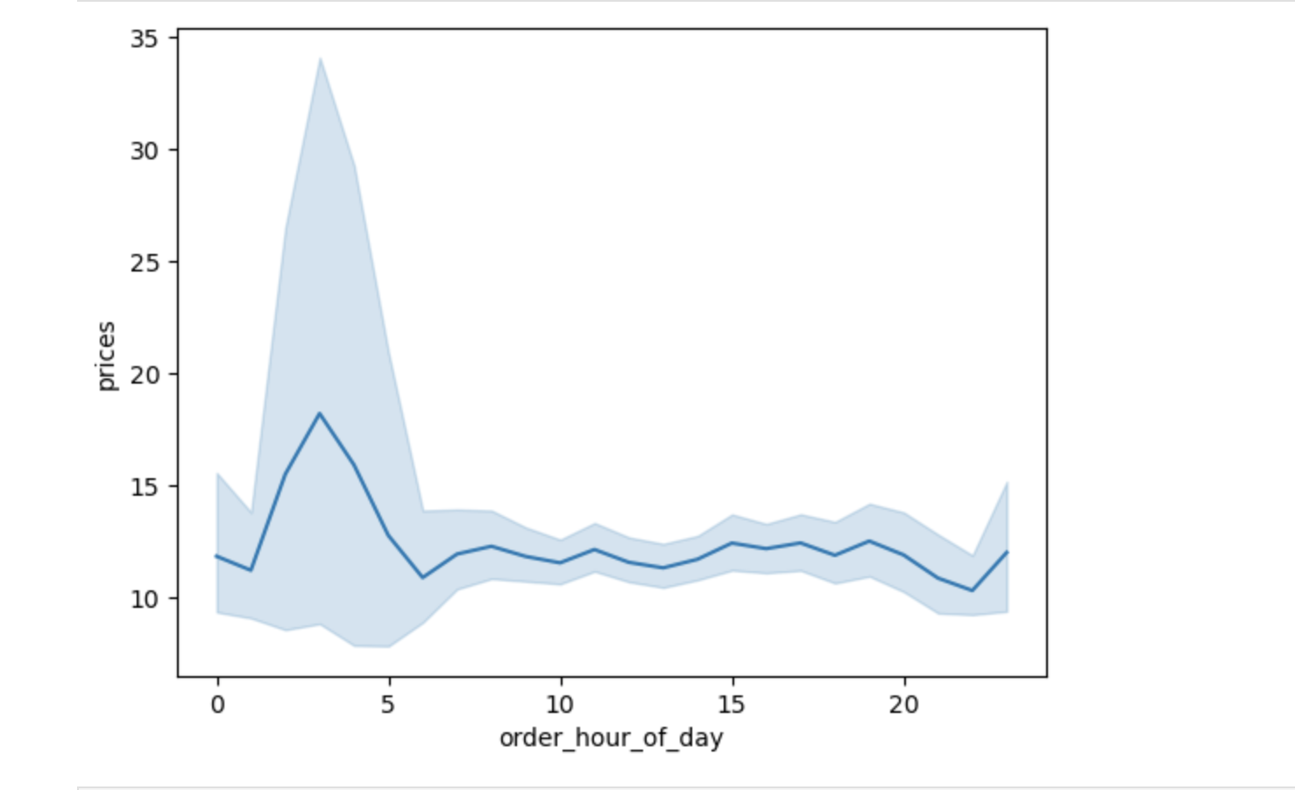

 |  |  | Answer:
 |  |  |  | The time when people spend the most money is during the early morning rush hour.

Question | Are there differences in ordering habits based on a customer’s region?

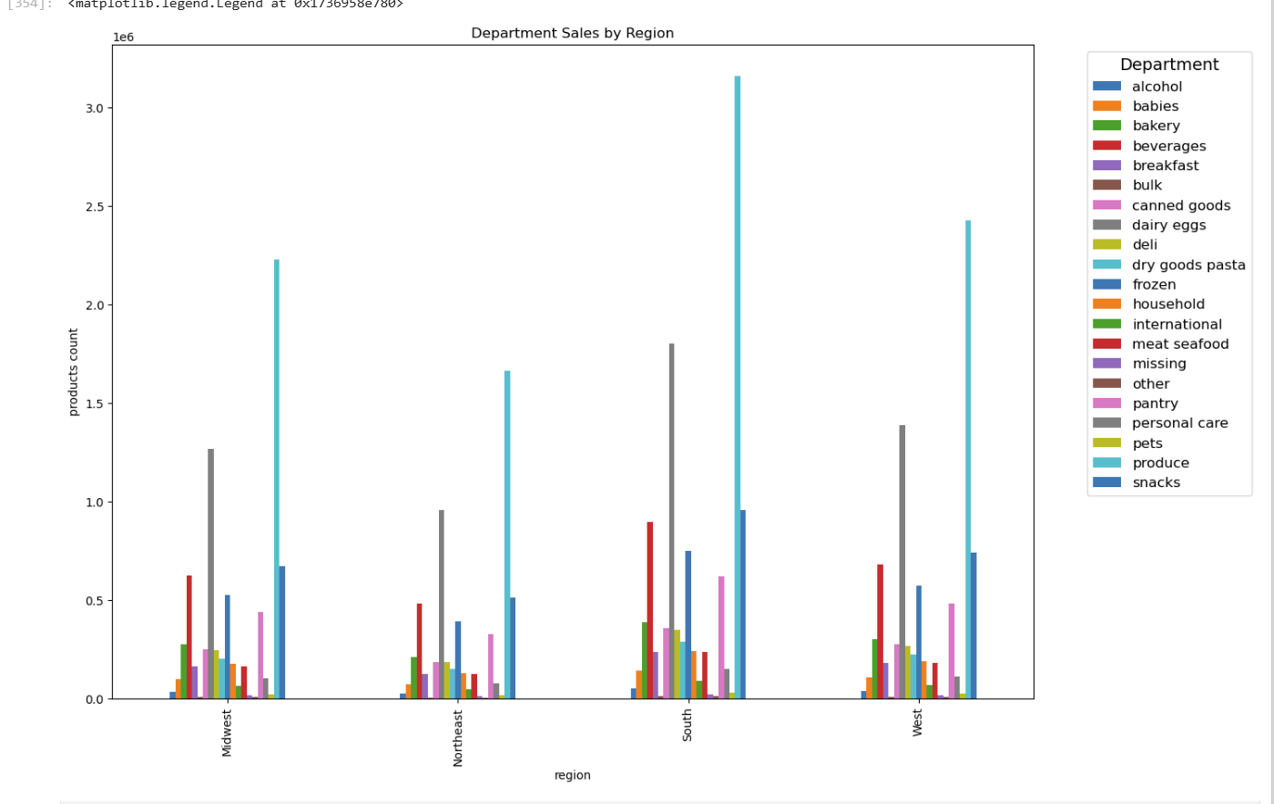

 |  |  | Answer:
 |  |  |  | The comparison of purchase orders across various product categories and regions is shown above. The Western and Southern regions recorded the highest sales across multiple product categories.

Question: | Is there a connection between age and family status in terms of ordering habits?

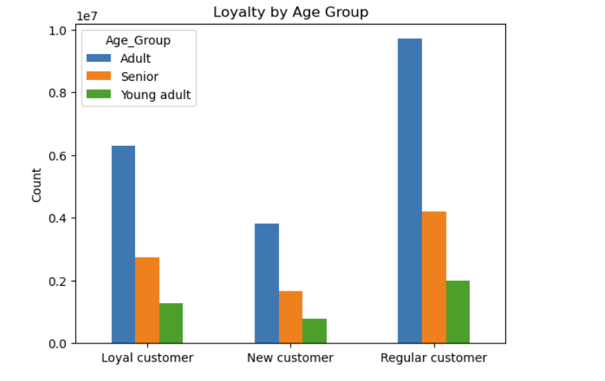

 |  |  | Answer:
 |  |  |  | Most of the customers tend to be adults whom we classifed as someone who is between the age of 26 and 64. Then, we have Seniors who are 65 and above. Young adults are indviduals who are 25 and younger. They are the least of our loyal customers.

Question: | What different classifications does the demographic information suggest? Age? Income? Certain types of goods? Family status?

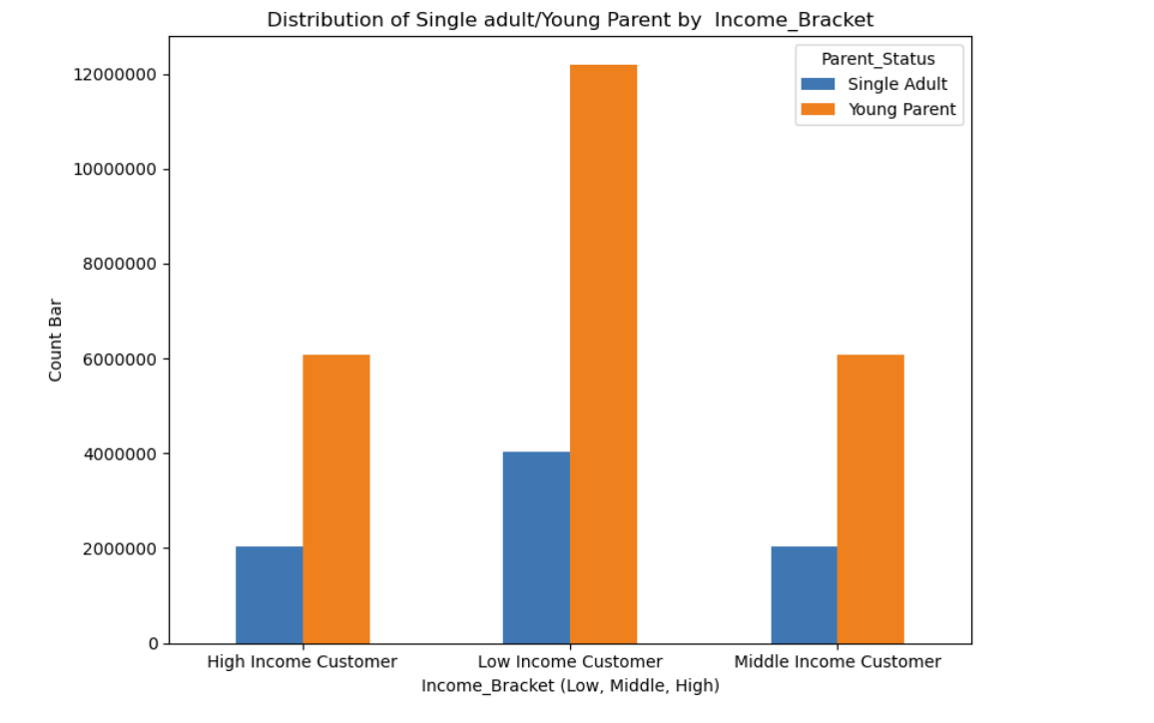

 |  | It shows that young parents, especially in the low -income bracket, make up the largest portion of the customer.

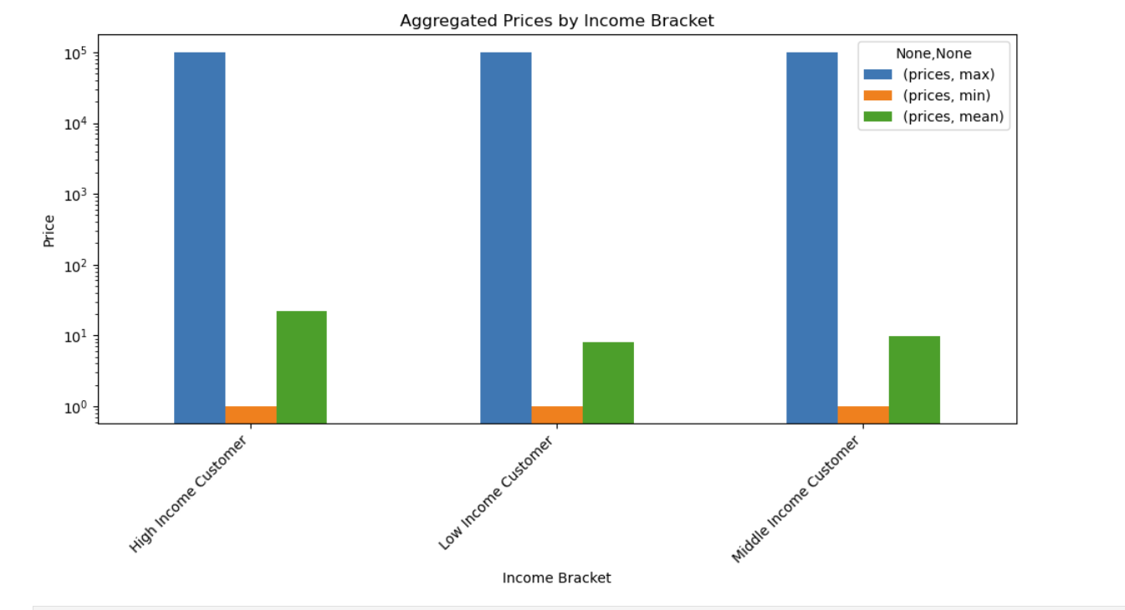

 |  |  | High income customers spend slightly more on average.

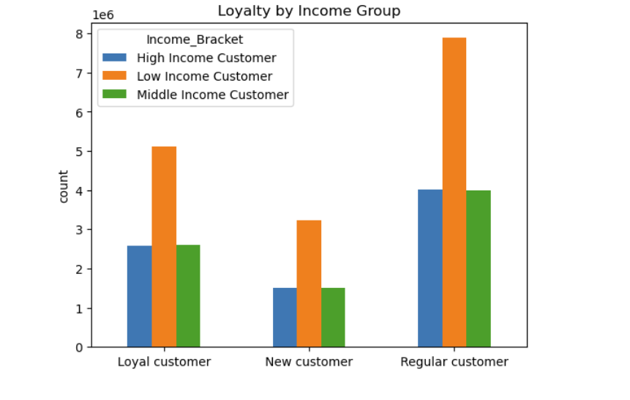

 |  |  | Low-income customers make up the largest groups across all customer groups especially among regular customers.

7. Recommendations
 |  | Title page

Recommendations

In this tab you should include any recommendations you would made to Instcart in terms of their marketing strategy based on the questions posed in the brief. Every key question has been covered in the Tasks of the Exercises - here you need to add an item - a visualisation or table/crosstable that is showing the answer in the data, acompanied by a comment from you. Please, list the questions below and add the answer underneath.

Question: What the busiest days of the week and hours of the day are (i.e., the days and times with the most orders) in order to schedule ads at times when there are fewer orders?

Answer: | The busiest days are during the weekends, with the highest number of orders being placed during business hours, peaking around 9am in the morning. To boost weekly sales, offering discounts or special promotions would be super effective. It also serves as a good opportunity to promote membership programs.
Question: Are there particular times of the day when people spend the most money, as this might inform the type of products they advertise at these times. The highest frequency of product orders will be determined here?

Answer: | The best selling iteams are: produce, dairy/eggs & snacks. Customers tend to spend the most on these products during the morning rush hours. To boost sales further, we can either offer promotional discounts on these top selling items or introduce a bulk-buying option similiar to what Sams Club and Costco does, where customers can purchase products in larger quantaties and at a better value.
Question: What's the distribution among users in regards to their brand loyalty?(i.e., how often do they return to instacart)?
Answer: | Most shoppers are regular customers rather than new or loyal ones. A marketing strategy should be developed to encourage these regulars to join the loyalty program. Additionally, conducting random surveys to gather feedback on what keeps them coming back can help us identify strengths and areas for improvement, ultimately attracting more customers.
Question: Are there differences in ordering habits based on a customer’s region?
Answer: | The western and Southern regions lead in sale across most of the categories. In order to improve sales in the other two regions, we would implement region-specific promotional offers to encourage more frequent purchases.
Question: Is there a connection between age and family status in terms of ordering habits?
Answer: | Adults are seen as the largest and most loyal customer group, followed by Senior wile young adults have the lowest representation across all loyalty levels. I would suggest to proritize retention and upselling the adult age groups. Seniors shows strong loyalty, approach them with trust-foucused, user friendly campaigns. To target young adults, I would invest in social media to attract them more.

