MyDashboard
RRR

Last 13 Week Trends: Qty. and Amount
 | Sum of Quantity | Sum of Amount
5 | $2.00 | $48
6 | $125.00 | $6,111
7 | $44.00 | $2,135
8 | $26.00 | $1,219
9 | $44.00 | $1,670
What is Mode of Buying?
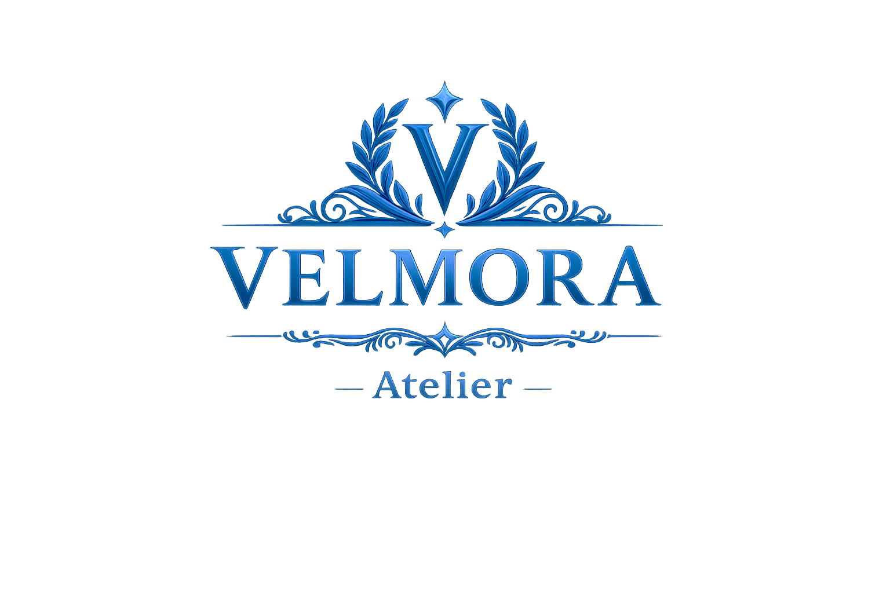
🛒 Orders

43

👕 Quantity
Which Products are popular? Breakdown by Gender
 | Female | Male | Other | Unknown
T-Shirts | 44 | 27
Bikinis | 47 | 20
Jeans | 21 | 35
Graphic Tees | 41 | 3 |  | 6
Leggings | 2 | 21 | 7
Casual Dresses | 16 | 7
Hoodies & Sweatshirts | 9 | 10
Shorts | 9 | 8 |  | 2
Tank Tops | 7 | 10
Sneakers | 13 | 2 |  | 2
Sundresses | 12 | 4
Maxi Dresses | 15
Sandals | 5 |  |  | 10
Baseball Caps |  | 9
Sunglasses |  |  |  | 9
Crop Tops |  | 3 |  | 4
Jewelry |  | 2
Workout Tops |  | 1

241

 | Total
Female | 241
Male | 162
Other | 7
Unknown | 33

💰 Amount

$11.2k

⭐ Average Rating

4.3

How many prodycts they buy?
 | Total
1 | 6
2 | 10
3 | 3
4 | 4
5 | 7
6 TO 10 | 9
More than 10 | 4
Time taken to Ship Products
 | Total
0 | 3
1 | 17
2 | 8
3 | 5
4 | 4
5 | 1
6 | 3
7 | 1
8 | 1
How Satisfied are our Customers?
 | 1 | 2 | 3 | 4 | 5
Feb | 1 | 1 | 2 | 19 | 20

📅 Average Days

2.4

Sheet1
Row Labels | Count of TX ID
1 | 6
2 | 10
3 | 3
4 | 4
5 | 7
6 TO 10 | 9
More than 10 | 4
Grand Total | 43

Sheet2
 | Female | Male | Other | Unknown
T-Shirts | 44 | 27
Bikinis | 47 | 20
Jeans | 21 | 35
Graphic Tees | 41 | 3 |  | 6
Leggings | 2 | 21 | 7
Casual Dresses | 16 | 7
Hoodies & Sweatshirts | 9 | 10
Shorts | 9 | 8 |  | 2
Tank Tops | 7 | 10
Sneakers | 13 | 2 |  | 2
Sundresses | 12 | 4
Maxi Dresses | 15
Sandals | 5 |  |  | 10
Baseball Caps |  | 9
Sunglasses |  |  |  | 9
Crop Tops |  | 3 |  | 4
Jewelry |  | 2
Workout Tops |  | 1

Sum of Quantity | Column Labels
Row Labels | Female | Male | Other | Unknown | Grand Total
T-Shirts | 44 | 27 |  |  | 71
Bikinis | 47 | 20 |  |  | 67
Jeans | 21 | 35 |  |  | 56
Graphic Tees | 41 | 3 |  | 6 | 50
Leggings | 2 | 21 | 7 |  | 30
Casual Dresses | 16 | 7 |  |  | 23
Hoodies & Sweatshirts | 9 | 10 |  |  | 19
Shorts | 9 | 8 |  | 2 | 19 | Row Labels | Sum of Quantity
Tank Tops | 7 | 10 |  |  | 17 | Female | 241
Sneakers | 13 | 2 |  | 2 | 17 | Male | 162
Sundresses | 12 | 4 |  |  | 16 | Other | 7
Maxi Dresses | 15 |  |  |  | 15 | Unknown | 33
Sandals | 5 |  |  | 10 | 15 | Grand Total | 443
Baseball Caps |  | 9 |  |  | 9
Sunglasses |  |  |  | 9 | 9
Crop Tops |  | 3 |  | 4 | 7
Jewelry |  | 2 |  |  | 2
Workout Tops |  | 1 |  |  | 1
Grand Total | 241 | 162 | 7 | 33 | 443

Sheet6
Row Labels | Count of TX ID
0 | 3
1 | 17
2 | 8
3 | 5
4 | 4
5 | 1
6 | 3
7 | 1
8 | 1
Grand Total | 43

Sheet7
Count of TX ID | Column Labels
Row Labels | 1 | 2 | 3 | 4 | 5 | Grand Total
Feb | 1 | 1 | 2 | 19 | 20 | 43
Grand Total | 1 | 1 | 2 | 19 | 20 | 43

Logo & Colors
 |  |  | Resouces:
Logo
 |  |  | Excel Dashboard Tutorial Video
Color Scheme |  |  | Adv. Excel Dashboards Course by Chandoo
 | #9FBFAD | Accent 1 | You will get the full workbook in the course!
 | #748C76 | Accent 2

 | #505947 | Accent 3
 | #BF7F5A | Accent 4
 | #BF3939 | Accent 5
 | #4887E6 | Accent 6

Emojis
🛒 | Orders
👕 | Quantity
💰 | Amount
⭐ | Rating
📅 | Days to deliver

Format Codes
#,## | value with thousand's seperator
$#,##,.0k | Amount in thousands with one decimal
0.0 | Other numbers

