OTM OPL-Instructions
SAFETY
IMPROVEMENTS
ONE POINT LESSON
SKILL
PROBLEM

 |  | Supplier: Please provide contact for transportation data questions.

Please Note: | Supplier must complete Packing Unit Data Section

Base Unit of Measure | The lowest unit of measure for the material (see column AF row 7). To see list of available Units hover the mouse over the Base Unit of Measure header field. Select value from pull down list. This is provided by Unilever and is normally (but not always) the same as the unit of measure the material is ordered in.

Packing Unit Data
Pack Unit (PU) | Enter the type of packaging unit the material is in. To see list of available Pack Units hover the mouse over the Pack Unit (PU) header field. Select value from pull down list.

Base Units per Pack Unit | The number of base units in a pack unit. For instance if the base unit is Eaches and the Pack Unit is Cases then how many Eaches in a Case.
Gross Weight | Enter the gross weight of the pack unit (Case, Bag, Drum etc.)
Net Weight | Enter the net weight of the pack unit (Case, Bag, Drum etc.)
Weight Unit | Enter LBS, KG or G based upon the type of weight you are using for this material

Please populate either Length, Width, and Height OR Volume.
Length | Enter the length (in inches) of the Packing Unit. This is not required if the volume of the packing unit is entered.
Width | Enter the width (in inches) of the Packing Unit. This is not required if the volume of the packing unit is entered.
Height | Enter the height (in inches) of the Packing Unit. This is not required if the volume of the packing unit is entered.
Volume | Enter the volume of the pack unit in the units specified in AJ. If the volume is not known, enter the Length, Width, and Height per above. Vol Calc: L * W * (H/1728)
Volume Unit | Enter the Volume Unit of measure you are using. To see list of available Volume Units of measure hover the mouse over the Volume Unit header field.
# Packing Units per Pallet | Enter the number of pack units that are on a full pallet. For instance how many cases on a full pallet. If the pack unit is a 'pallet', this will always be 1.

Sample Filled Spec
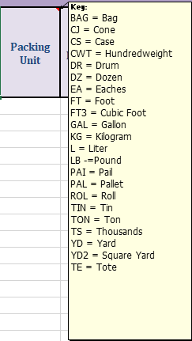
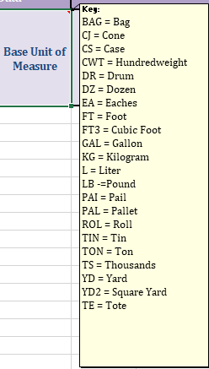
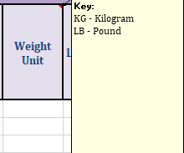
 | SAMPLE FILLED SPEC SHEET

Packing Units Example |  | Base Units of Measure Example | WEIGHT UNIT

