Sheet6
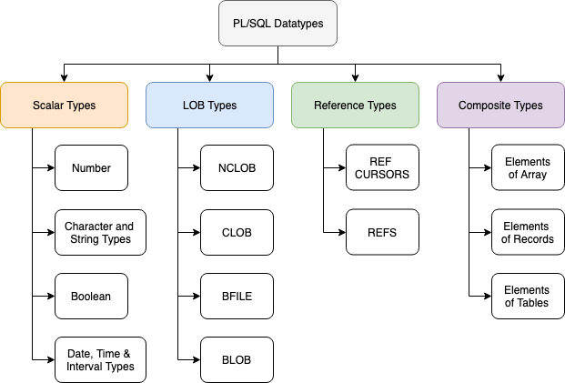
Data types of Pl/Sql

