Sheet1
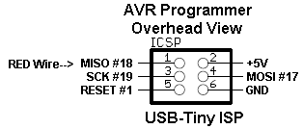
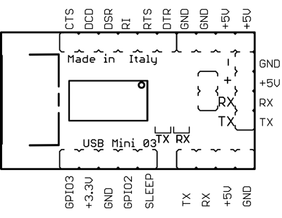
Arduino Mini USB FT232RL |  | PIC 16F84A |  | PIC 16F88 | PIC 16F877A
 |  |  |  |  |  | PIC 12F683

 |  |  |  |  |  |  | PicKit2 Programming
Note: Arduino mini (tx) and (rx) match device, not the FTDI chip

 | ARDUINO Standalone Guide
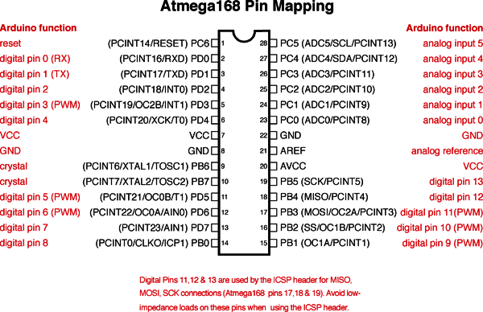

 |  |  |  | PICAXE - 20X2 w/ CD4049 Inverter for programming
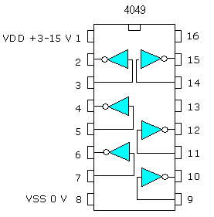
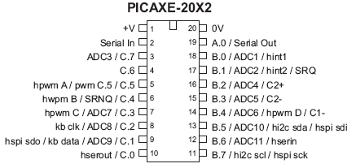

 |  |  | A Tiny 85

 | Parallax Propeller

