source
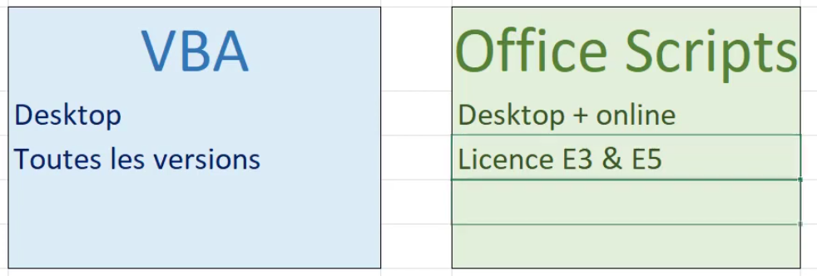
https://www.youtube.com/watch?v=xOZSA3teR_s

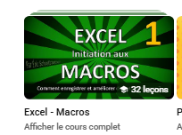
https://www.youtube.com/@Schraf
https://www.youtube.com/watch?v=V7X-fLjvKUA&list=PLIz4PfDd5D28YlVVeNcEU2DmKA2JVB0R4

cours1

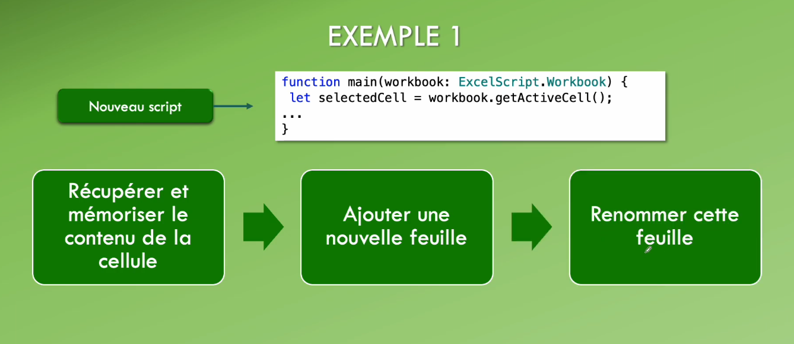
https://www.youtube.com/watch?v=wOZOQDJspJg&list=PLIz4PfDd5D28YlVVeNcEU2DmKA2JVB0R4&index=24

