ListView
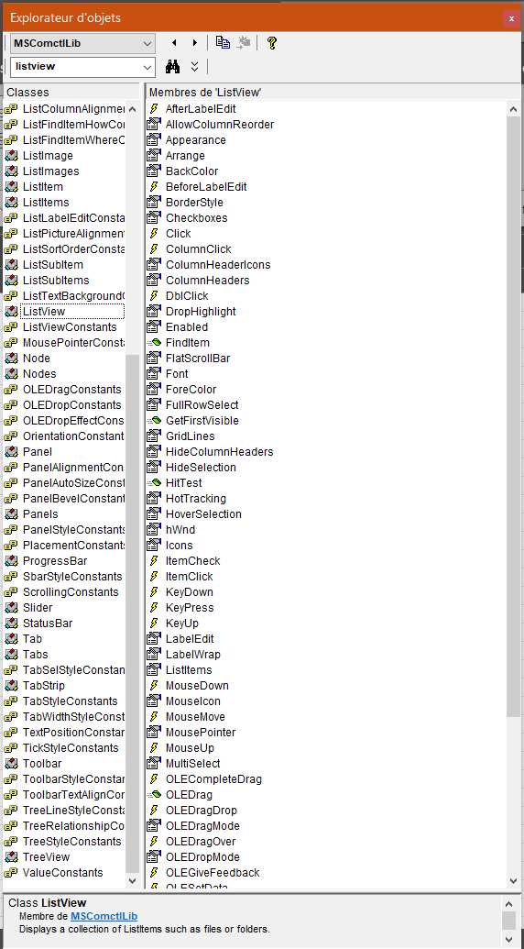
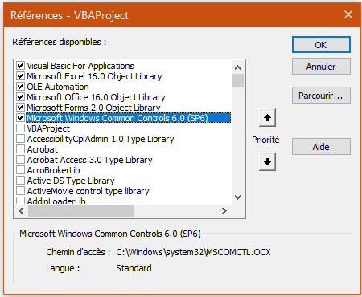

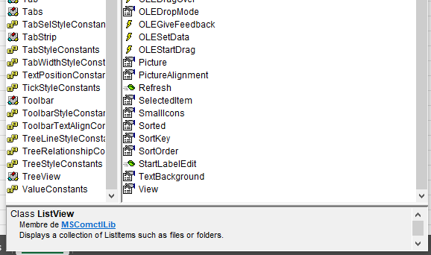

ImageList
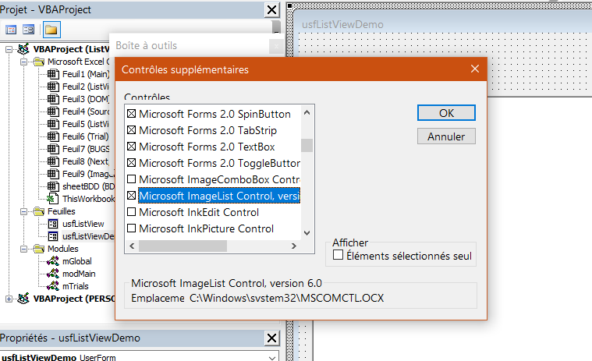
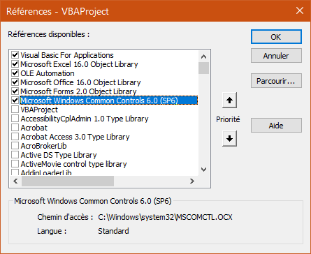
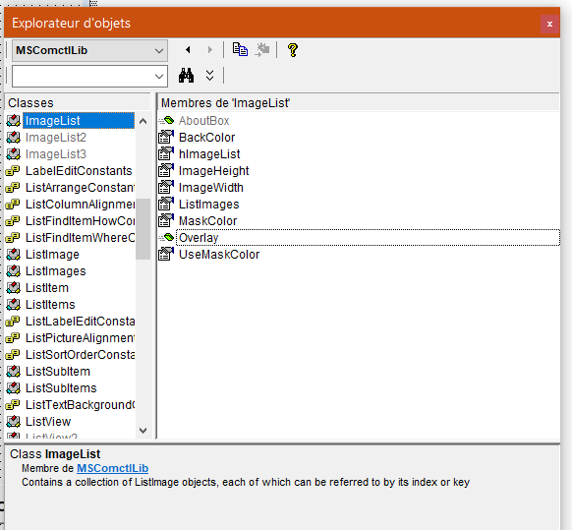

OCX
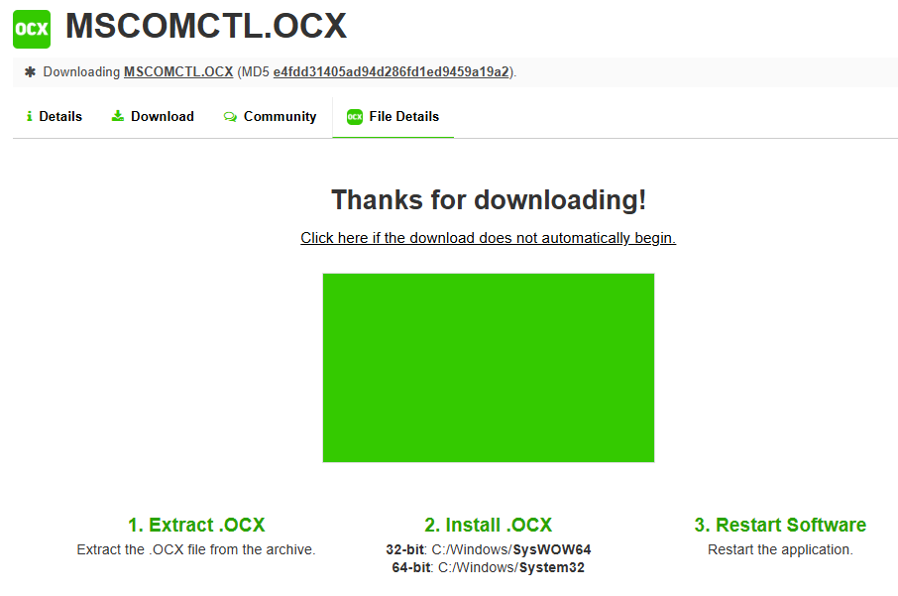
https://www.ocxme.com/files/mscomctl/e4fdd31405ad94d286fd1ed9459a19a2/download

BUGS
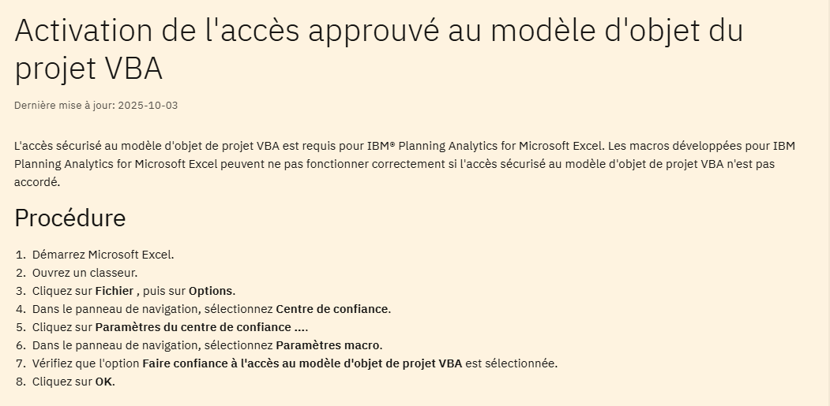
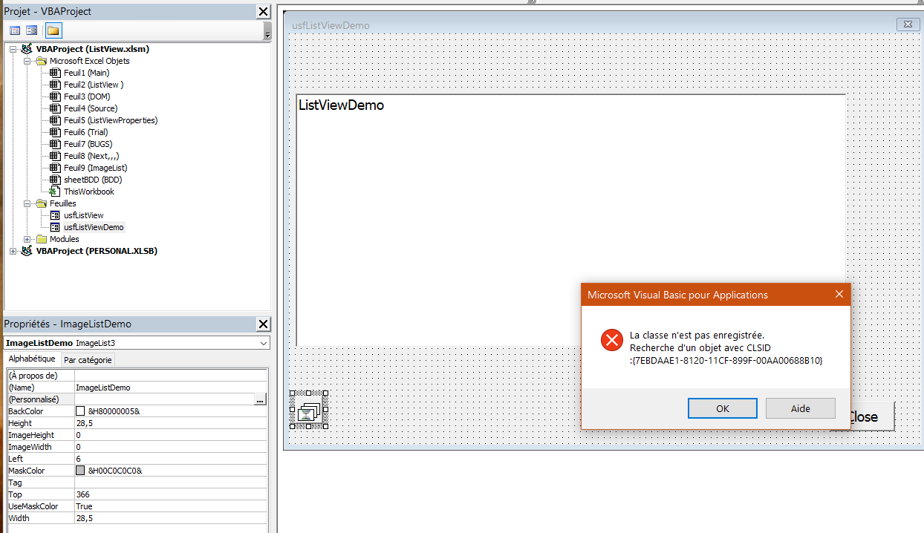
https://www.ibm.com/docs/fr/planning-analytics/2.0.0?topic=excel-enable-trust-access-vba-project-object-model | https://koor.fr/Other/VisualBasic/ActiveXInstallation/Index.wp

BDD
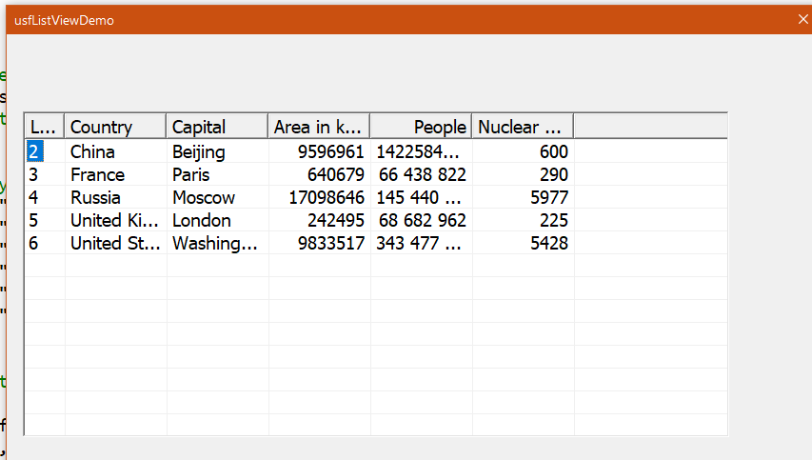
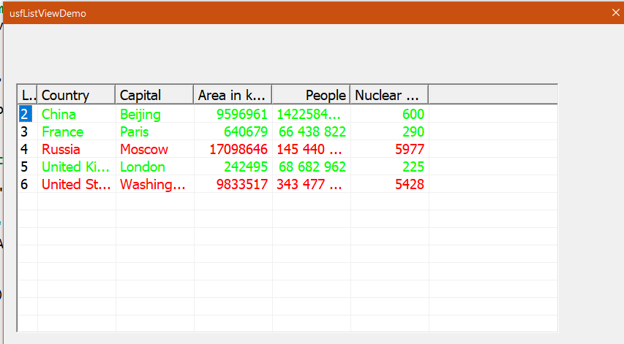
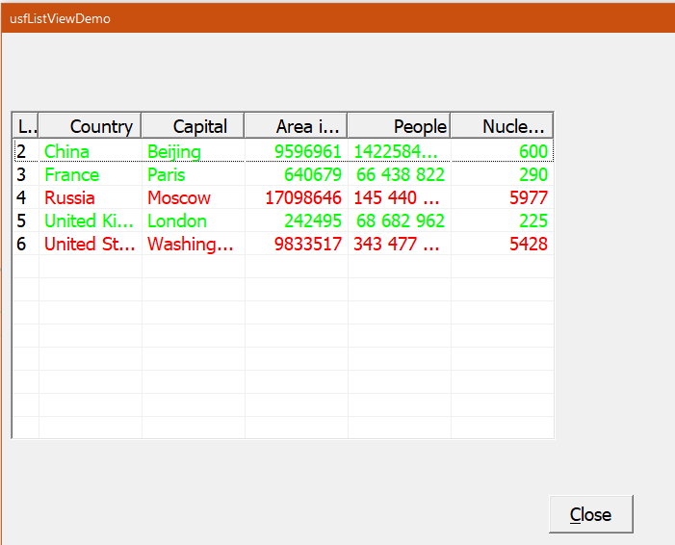
usfListViewDemo
Country | Capital | Area in km² | People | Nuclear weapons
China | Beijing | 9,596,961 | 1,422,584,933 | 600
France | Paris | 640,679 | 66 438 822 | 290
Russia | Moscow | 17,098,646 | 145 440 500 | 5,977
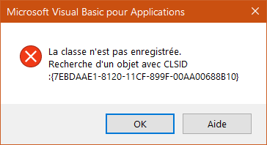
United Kindom | London | 242,495 | 68 682 962 | 225
United States | Washington D.C. | 9,833,517 | 343 477 335 | 5,428

Next,,,
