Bug reports
BUG-001 The browser window has no page title
ID | BUG-001
Title | The browser window has no page title
Product | Test drive registration
Component | Browser window
Severity | Minor
Priority
Status | New
Author | Pavel
Date found | 20 Oct 2026
Environment | OS: Linux, desktop. Browser: Google Chrome 148.0.7778.96. Window: 1440×900, zoom 100%. URL: https://testdrive.andersenlab.com/. Page build: Last-Modified 23 Apr 2026 13:11:09 GMT. Desktop only.
Preconditions | The browser is open.
Test data | —
Steps to reproduce | 1. Open https://testdrive.andersenlab.com/. 2. Read the text on the browser tab.
Expected result | The tab shows a page title that identifies the test-drive registration. For example: "Mercedes-Benz Test Drive".
Actual result | The title element is empty. The tab shows the site address: testdrive.andersenlab.com.
Reproducibility | Always (5/5)
Attachment | browser-tab-crop.png
Comment | The yellow banner about the --no-sandbox flag on some captures comes from the test browser launch. It is not part of the product.
Screenshot | browser-tab-crop.png

BUG-002 [Choose the model] "Cayenne 400" is shown as a Mercedes-Benz hatchback
ID | BUG-002
Title | [Choose the model] "Cayenne 400" is shown as a Mercedes-Benz hatchback
Product | Test drive registration
Component | Step 1. Choose the model
Severity | Major
Priority
Status | New
Author | Pavel
Date found | 20 Oct 2026
Environment | OS: Linux, desktop. Browser: Google Chrome 148.0.7778.96. Window: 1440×900, zoom 100%. URL: https://testdrive.andersenlab.com/. Page build: Last-Modified 23 Apr 2026 13:11:09 GMT. Desktop only.
Preconditions | Step "1 Choose the model" is open. S500 Cabriolet AMG is on screen.
Test data | —
Steps to reproduce | 1. Click the forward arrow once. 2. Read the caption under the photo. 3. Click Continue. 4. Open the Engine list.
Expected result | The name, the photo, and the engines describe one Mercedes-Benz model. A Cayenne is a Porsche model and does not belong on this page.
Actual result | The caption under the photo is "Cayenne 400". The photo is a compact five-door Mercedes-Benz hatchback, not an SUV. The next step is titled "2 Choose technical characteristics of Cayenne 400". Engines: "Petrol 1.9" and "Diesel 1.3". Transmissions: "Automatic" and "Manual".
Reproducibility | Always (5/5)
Attachment | model-cayenne-400.png
Comment | The photos of S500 Cabriolet AMG, GLC 250D 4MATIC, and CLA SB Standard match the body style in the caption. They are not part of this defect.
Screenshot | model-cayenne-400.png
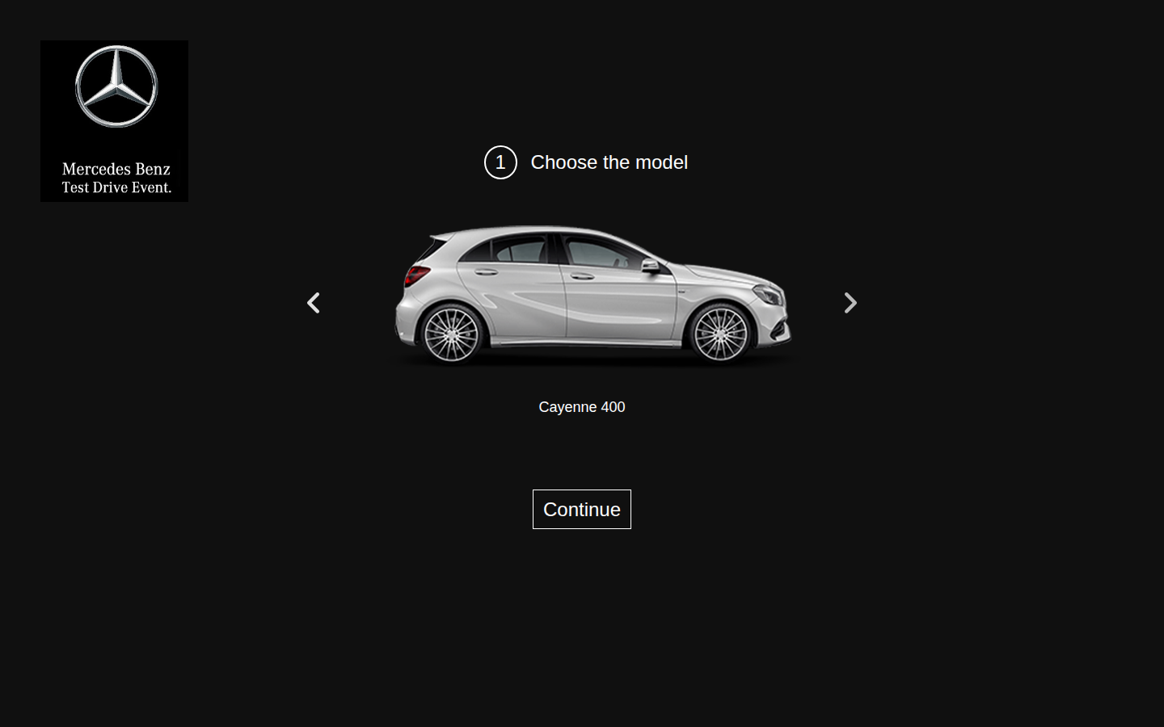

BUG-003 [GLC 250D 4MATIC] The Engine list contains OutOfMemoryError
ID | BUG-003
Title | [GLC 250D 4MATIC] The Engine list contains OutOfMemoryError
Product | Test drive registration
Component | Step 2. Technical characteristics
Severity | Major
Priority
Status | New
Author | Pavel
Date found | 20 Oct 2026
Environment | OS: Linux, desktop. Browser: Google Chrome 148.0.7778.96. Window: 1440×900, zoom 100%. URL: https://testdrive.andersenlab.com/. Page build: Last-Modified 23 Apr 2026 13:11:09 GMT. Desktop only.
Preconditions | Step "1 Choose the model" is open.
Test data | Model: GLC 250D 4MATIC.
Steps to reproduce | 1. Click the forward arrow twice to open GLC 250D 4MATIC. 2. Click Continue. 3. Open the Engine list.
Expected result | Every item in the list is an engine name for this model. Error text is not shown and cannot be selected.
Actual result | The list items are "Petrol 2.2", "Petrol 2.5", "Diesel 1.9", and "OutOfMemoryError". The last item can be selected and then remains visible in the closed list.
Reproducibility | Always (5/5)
Attachment | glc-oom-selected.png
Comment | How this value appears on the confirmation screen is described in BUG-005.
Screenshot | glc-oom-selected.png
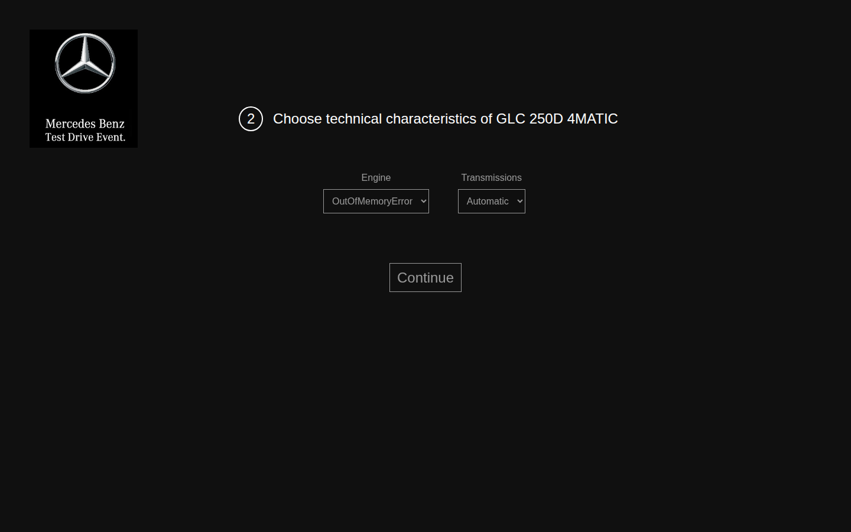

BUG-004 [GLC 250D 4MATIC] Leaving the engine unchanged submits Petrol 2.2
ID | BUG-004
Title | [GLC 250D 4MATIC] Leaving the engine unchanged submits Petrol 2.2
Product | Test drive registration
Component | Step 2. Technical characteristics
Severity | Major
Priority
Status | New
Author | Pavel
Date found | 20 Oct 2026
Environment | OS: Linux, desktop. Browser: Google Chrome 148.0.7778.96. Window: 1440×900, zoom 100%. URL: https://testdrive.andersenlab.com/. Page build: Last-Modified 23 Apr 2026 13:11:09 GMT. Desktop only.
Preconditions | Step "1 Choose the model" is open.
Test data | Last name Ivanov, first name Ivan, middle name Ivanovich, age 30, phone +375291234567. Do not change Engine or Transmission.
Steps to reproduce | 1. Open GLC 250D 4MATIC and click Continue. 2. Do not change Engine or Transmission. 3. Click Continue. 4. Fill in the contact fields with the test data and click Continue. 5. Read the Desired configuration line.
Expected result | A model marked 250D has a diesel engine selected by default. The confirmation shows that engine.
Actual result | Engine is already set to "Petrol 2.2" and Transmission to "Automatic". The confirmation says: "Desired configuration: Petrol 2.2 engine , Automatic transmission." Book is available.
Reproducibility | Always (5/5)
Attachment | glc-default-petrol-confirm.png
Comment | The space before the comma in this line is a separate defect, BUG-014.
Screenshot | glc-default-petrol-confirm.png
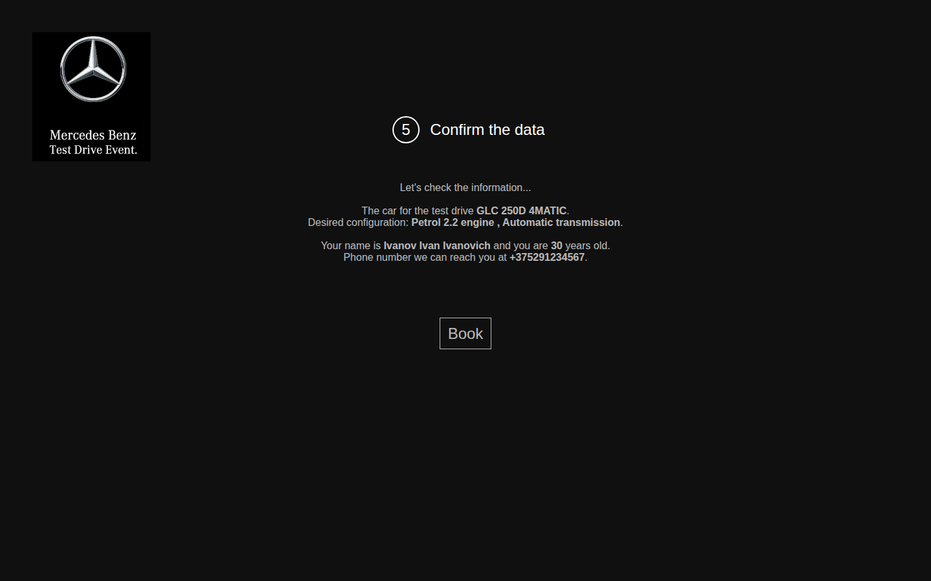

BUG-005 [Confirmation] Engine OutOfMemoryError is shown as {transmission}
ID | BUG-005
Title | [Confirmation] Engine OutOfMemoryError is shown as {transmission}
Product | Test drive registration
Component | Step 4. Confirm the data
Severity | Major
Priority
Status | New
Author | Pavel
Date found | 20 Oct 2026
Environment | OS: Linux, desktop. Browser: Google Chrome 148.0.7778.96. Window: 1440×900, zoom 100%. URL: https://testdrive.andersenlab.com/. Page build: Last-Modified 23 Apr 2026 13:11:09 GMT. Desktop only.
Preconditions | GLC 250D 4MATIC is selected and the characteristics step is open.
Test data | Engine: OutOfMemoryError. Transmission: Manual. Last name Ivanov, first name Ivan, middle name Ivanovich, age 30, phone +375291234567.
Steps to reproduce | 1. In Engine, select OutOfMemoryError. 2. In Transmission, select Manual. 3. Click Continue. 4. Fill in the contact fields with the test data. 5. Click Continue. 6. Read the Desired configuration line.
Expected result | The configuration line shows the selected engine and the Manual transmission. Template text is not shown to the customer.
Actual result | The line reads: "Desired configuration: {transmission} engine , Manual transmission." The selected engine name is missing. The literal text {transmission} is shown, followed by Manual. Book is available.
Reproducibility | Always (5/5)
Attachment | confirm-transmission-placeholder.png
Comment | The space before the comma is described in BUG-014.
Screenshot | confirm-transmission-placeholder.png
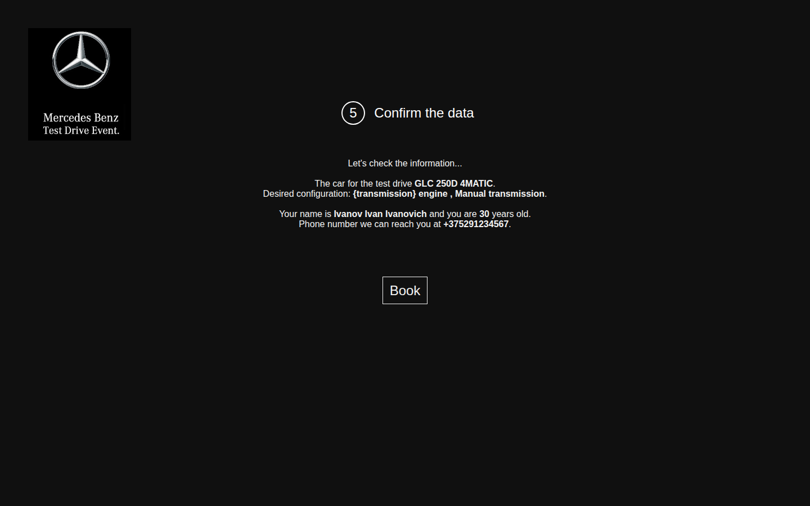

BUG-006 Step numbers run 1, 2, 4, 5
ID | BUG-006
Title | Step numbers run 1, 2, 4, 5
Product | Test drive registration
Component | Step 3, 4
Severity | Minor
Priority
Status | New
Author | Pavel
Date found | 20 Oct 2026
Environment | OS: Linux, desktop. Browser: Google Chrome 148.0.7778.96. Window: 1440×900, zoom 100%. URL: https://testdrive.andersenlab.com/. Page build: Last-Modified 23 Apr 2026 13:11:09 GMT. Desktop only.
Preconditions | The registration page is open.
Test data | Any non-empty contact data on the contact screen.
Steps to reproduce | 1. Read the number in the heading of the first screen. 2. Click Continue and read the number. 3. Click Continue and read the number. 4. Fill in the contact fields and click Continue. Read the number.
Expected result | The numbers follow the order of the screens: 1, 2, 3, 4.
Actual result | The headings are "1 Choose the model", "2 Choose technical characteristics of <model>", "4 Fill in your contact information", and "5 Confirm the data". The third screen is numbered 4. The fourth screen is numbered 5. No screen is numbered 3.
Reproducibility | Always (5/5)
Attachment | contact-step-numbered-4.png
Comment | Number 5 is visible on the confirmation screenshots, for example confirm-empty-placeholders.png.
Screenshot | contact-step-numbered-4.png
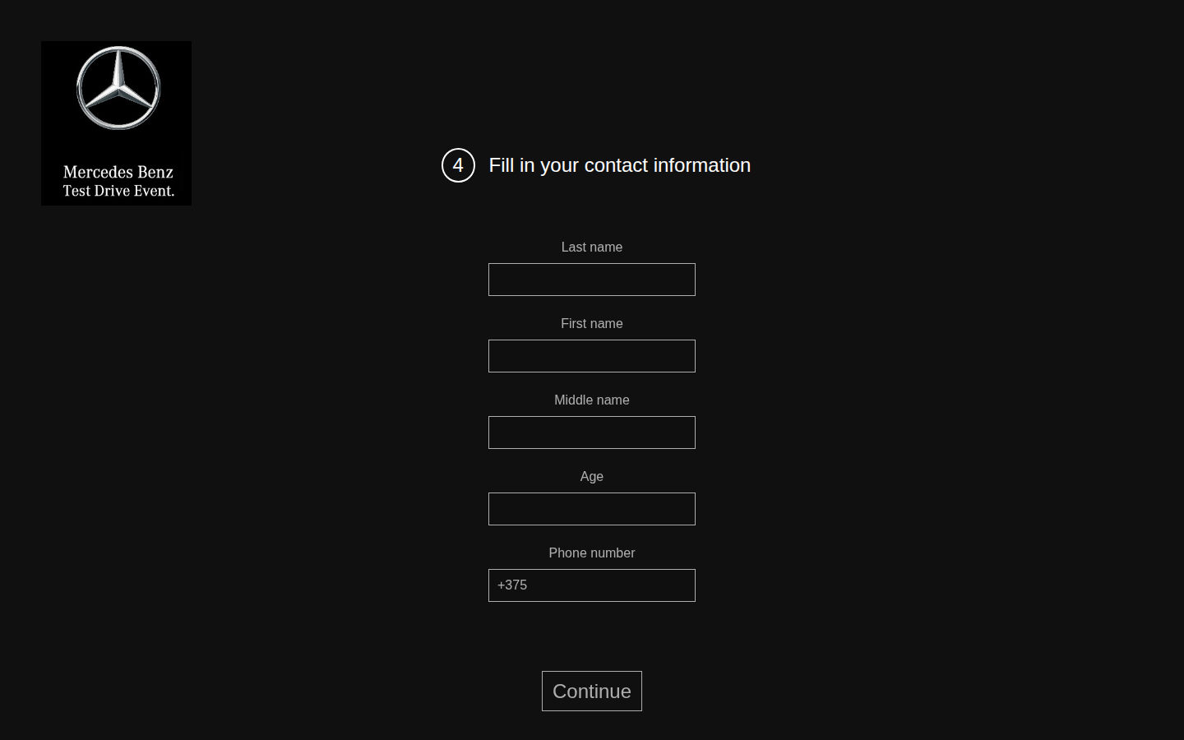

BUG-007 There is no way back to the previous step
ID | BUG-007
Title | There is no way back to the previous step
Product | Test drive registration
Component | Application navigation
Severity | Major
Priority
Status | New
Author | Pavel
Date found | 20 Oct 2026
Environment | OS: Linux, desktop. Browser: Google Chrome 148.0.7778.96. Window: 1440×900, zoom 100%. URL: https://testdrive.andersenlab.com/. Page build: Last-Modified 23 Apr 2026 13:11:09 GMT. Desktop only.
Preconditions | Another page is open before the registration. In this check it was https://example.com/.
Test data | —
Steps to reproduce | 1. Open https://testdrive.andersenlab.com/. 2. Click Continue. 3. On the characteristics, contact, and confirmation screens, look for a control that returns to the previous step. 4. On the characteristics screen, click the browser Back button.
Expected result | From the second step onward there is a way back, and the choice already made is kept. The browser Back button opens the previous application step.
Actual result | The application screens have only Continue. The confirmation screen has only Book. There is no back control. The browser Back button leaves testdrive.andersenlab.com and opens the previous site. In this check it opened https://example.com/. The model, engine, and contact details cannot be corrected.
Reproducibility | Always (5/5)
Attachment | browser-back-leaves-wizard.png
Comment | The screenshot shows the page opened by Back: Example Domain.
Screenshot | browser-back-leaves-wizard.png
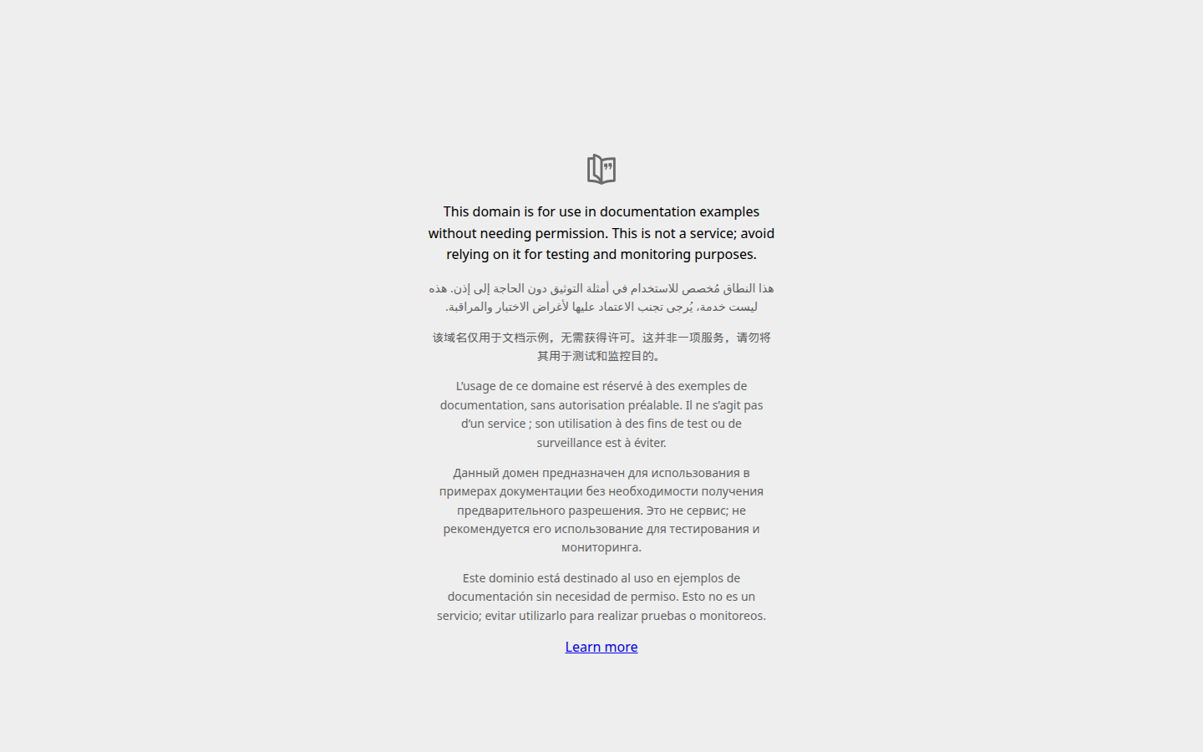

BUG-008 [Contacts] An empty registration can be booked, and the summary shows field templates
ID | BUG-008
Title | [Contacts] An empty registration can be booked, and the summary shows field templates
Product | Test drive registration
Component | Step 3. Contact details
Severity | Critical
Priority
Status | New
Author | Pavel
Date found | 20 Oct 2026
Environment | OS: Linux, desktop. Browser: Google Chrome 148.0.7778.96. Window: 1440×900, zoom 100%. URL: https://testdrive.andersenlab.com/. Page build: Last-Modified 23 Apr 2026 13:11:09 GMT. Desktop only.
Preconditions | The screen "4 Fill in your contact information" is open. The phone field contains +375.
Test data | All five fields are empty. Delete +375 from the phone field.
Steps to reproduce | 1. Clear Last name, First name, Middle name, Age, and Phone. 2. Click Continue. 3. Read the lines for the name, age, and phone. 4. Click Book.
Expected result | Last name, first name, age, and phone are required. Empty fields keep the customer on the contact screen. Empty required fields are highlighted and have an error message. The confirmation screen does not open. The texts {lastName}, {firstName}, {middleName}, {age}, and {phone} are not shown.
Actual result | Continue opens the confirmation. The screen says: "Your name is {lastName} {firstName} {middleName} and you are {age} years old." and "Phone number we can reach you at {phone}." There is no error message. Book finishes the application. The next screen shows "Thank you for booking the test drive!" and "Our managers will contact you within next 12 hours."
Reproducibility | Always (5/5)
Attachment | confirm-empty-placeholders.png
Comment | Severity is Critical because booking finishes when the request has neither a name nor a phone number. An extra run shows the same template behavior: last name Ivanov, first name Ivan, age 30, and phone +375291234567 are filled in, and the middle name is empty. The summary says "Your name is Ivanov Ivan {middleName} and you are 30 years old." The fields are not marked required or optional. That run is confirm-missing-middle-name.png. The screen after Book is empty-booked-thanks.png.
Screenshot | confirm-empty-placeholders.png
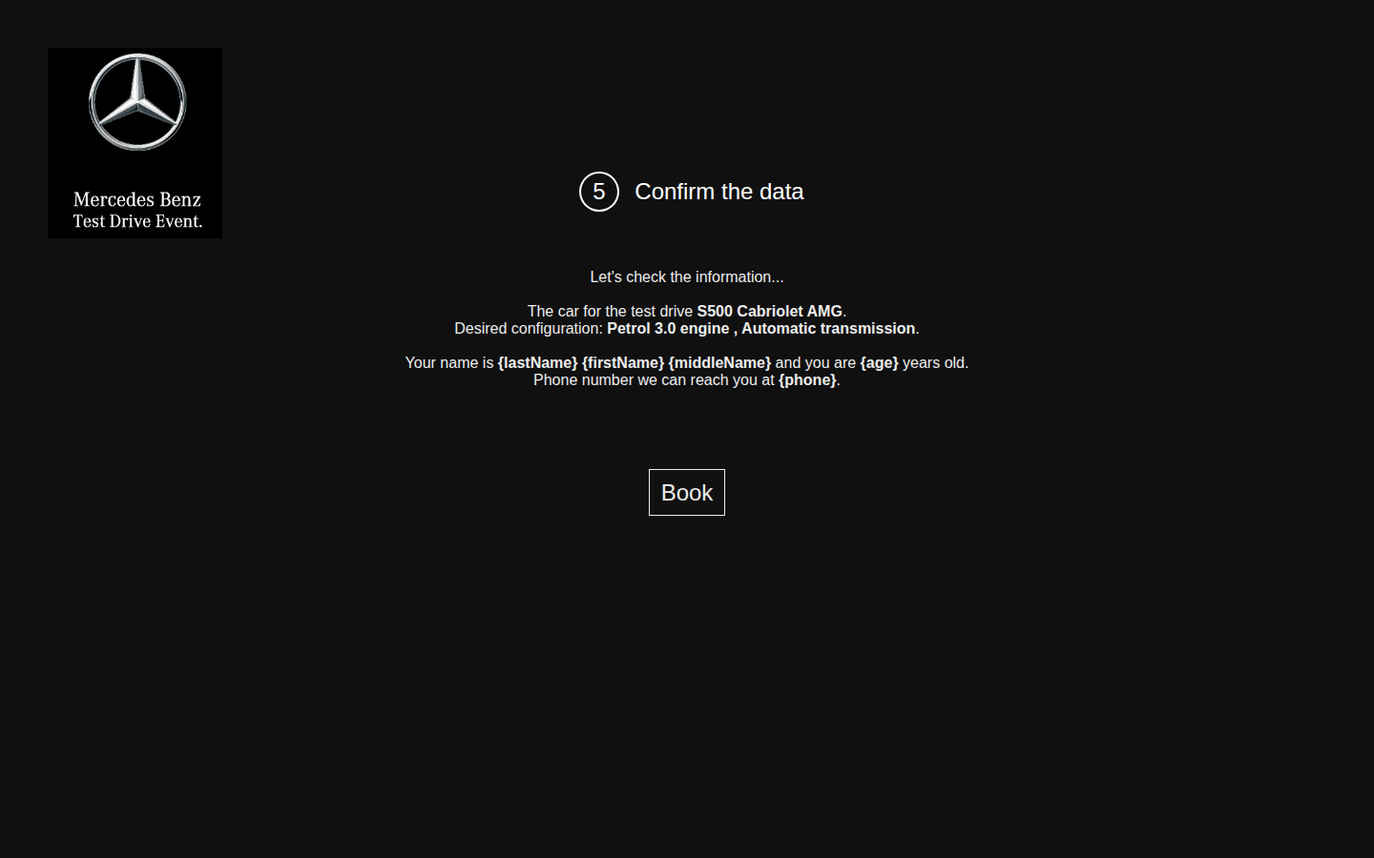

Screenshot | empty-booked-thanks.png
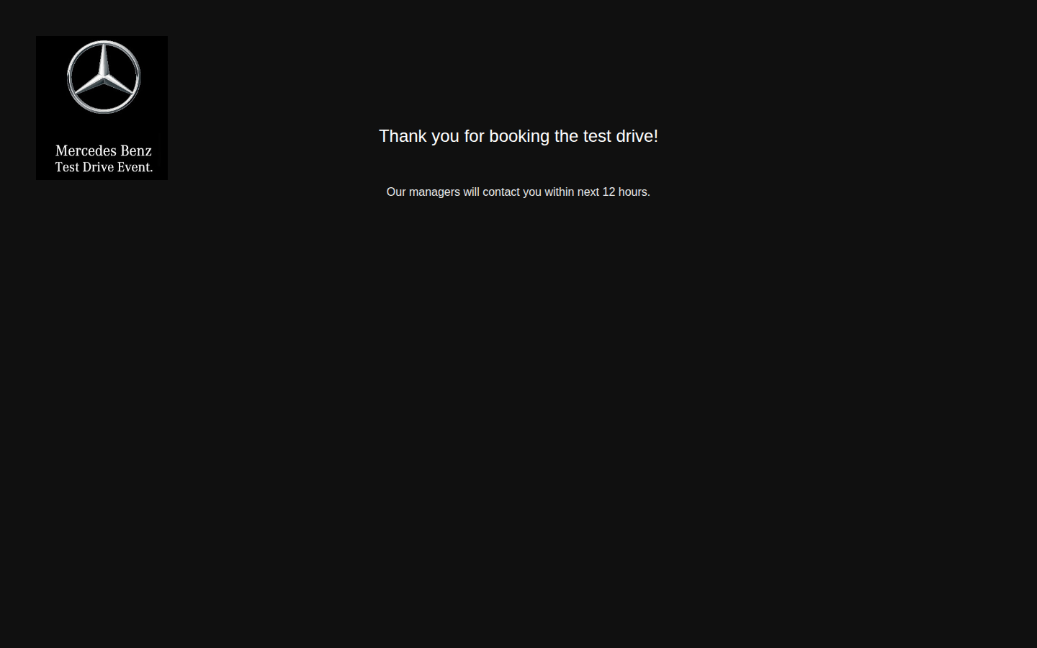

Screenshot | confirm-missing-middle-name.png


BUG-009 [Contacts] Spaces-only values are accepted and the name disappears from the summary
ID | BUG-009
Title | [Contacts] Spaces-only values are accepted and the name disappears from the summary
Product | Test drive registration
Component | Step 3. Contact details
Severity | Major
Priority
Status | New
Author | Pavel
Date found | 20 Oct 2026
Environment | OS: Linux, desktop. Browser: Google Chrome 148.0.7778.96. Window: 1440×900, zoom 100%. URL: https://testdrive.andersenlab.com/. Page build: Last-Modified 23 Apr 2026 13:11:09 GMT. Desktop only.
Preconditions | The contact screen is open.
Test data | Three spaces are entered in each of the five fields. In Phone, +375 is replaced with three spaces.
Steps to reproduce | 1. Enter the test data. 2. Click Continue. 3. Read the lines for the name, age, and phone.
Expected result | Leading and trailing spaces are removed. A field that is empty after that is rejected in the same way as an empty field in BUG-008. Book is not available for this request.
Actual result | The confirmation opens. The text is "Your name is and you are years old." and "Phone number we can reach you at ." There is no error message. Book is available. The templates {lastName} and {phone} are not substituted: spaces are not treated as empty, and the page collapses them.
Reproducibility | Always (5/5)
Attachment | confirm-whitespace.png
Comment | —
Screenshot | confirm-whitespace.png
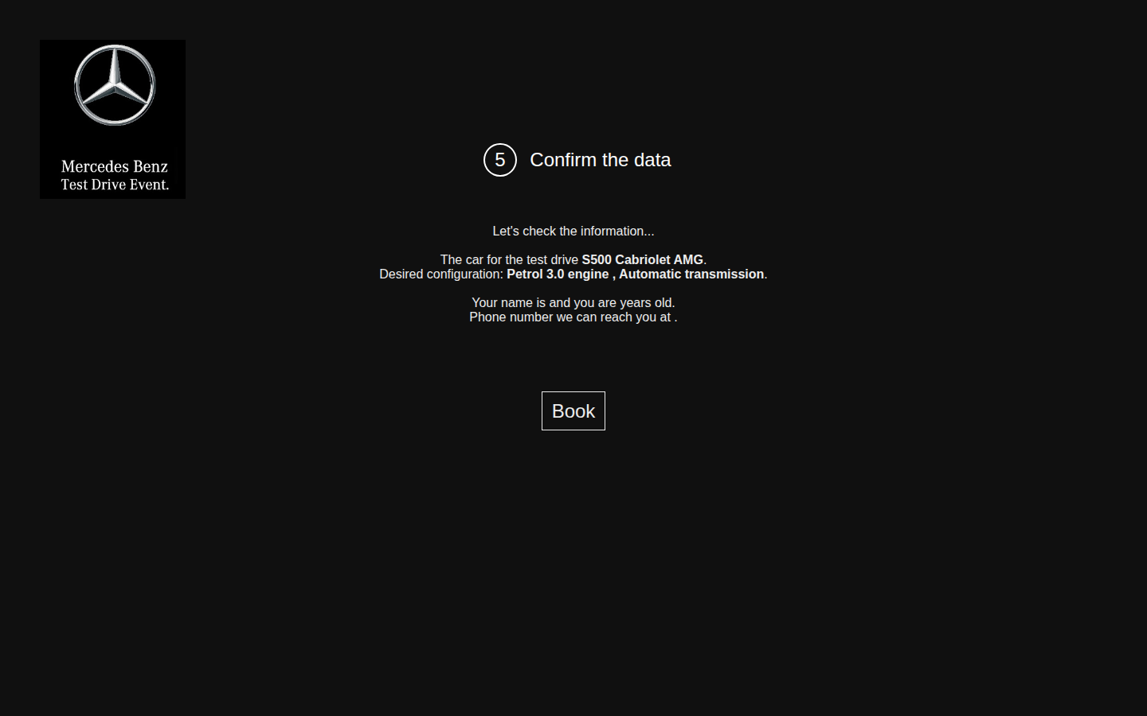

BUG-010 [Contacts] Age accepts a negative number
ID | BUG-010
Title | [Contacts] Age accepts a negative number
Product | Test drive registration
Component | Step 3. Contact details
Severity | Major
Priority
Status | New
Author | Pavel
Date found | 20 Oct 2026
Environment | OS: Linux, desktop. Browser: Google Chrome 148.0.7778.96. Window: 1440×900, zoom 100%. URL: https://testdrive.andersenlab.com/. Page build: Last-Modified 23 Apr 2026 13:11:09 GMT. Desktop only.
Preconditions | The contact screen is open.
Test data | Last name Doe, first name John, middle name M, age -5, phone +375291112233.
Steps to reproduce | 1. Enter the test data. 2. Click Continue. 3. Read the line about age.
Expected result | Age is a whole number of at least 18. The value -5 is rejected: the customer stays on the contact screen, and Age has an error message.
Actual result | The confirmation opens. The text includes "you are -5 years old." There is no error message. Book is available.
Reproducibility | Always (5/5)
Attachment | confirm-invalid-age-phone.png
Comment | The same path, with the same result, also accepts these age values: 0, 15, abc, 18.5, and 150. Age is a plain text field, with no minimum or maximum. On the screenshot of the main run the phone is abcdef: that is BUG-011, run together with age -5. Age abc is confirm-age-text.png. Age 15 is confirm-age-15.png.
Screenshot | confirm-invalid-age-phone.png


Screenshot | confirm-age-text.png


Screenshot | confirm-age-15.png


BUG-011 [Contacts] The phone field accepts letters
ID | BUG-011
Title | [Contacts] The phone field accepts letters
Product | Test drive registration
Component | Step 3. Contact details
Severity | Major
Priority
Status | New
Author | Pavel
Date found | 20 Oct 2026
Environment | OS: Linux, desktop. Browser: Google Chrome 148.0.7778.96. Window: 1440×900, zoom 100%. URL: https://testdrive.andersenlab.com/. Page build: Last-Modified 23 Apr 2026 13:11:09 GMT. Desktop only.
Preconditions | The contact screen is open. The phone field already contains +375.
Test data | Last name Doe, first name John, middle name M, age 30, phone abcdef.
Steps to reproduce | 1. Look at Phone before typing. 2. Replace the phone with abcdef and fill in the other fields with the test data. 3. Click Continue. 4. Read the line about the phone.
Expected result | Phone is required. With the preset code +375, a number made of that code and 9 digits is accepted. The value abcdef is rejected: the customer stays on the contact screen, and the phone field has an error message.
Actual result | +375 is stored in the field as a value, not as hint text. There is no mask and no length limit. The confirmation opens with "Phone number we can reach you at abcdef." There is no error, and Book is available.
Reproducibility | Always (5/5)
Attachment | confirm-invalid-age-phone.png
Comment | The same path also accepts +375, +37529, ++375, +37529123456789012345, and the text "phone number". A well-formed number, +375291234567, is shown as entered. The defect is the missing check, not the +375 code itself.
Screenshot | confirm-invalid-age-phone.png

BUG-012 [Contacts] Name fields accept digits and symbols
ID | BUG-012
Title | [Contacts] Name fields accept digits and symbols
Product | Test drive registration
Component | Step 3. Contact details
Severity | Major
Priority
Status | New
Author | Pavel
Date found | 20 Oct 2026
Environment | OS: Linux, desktop. Browser: Google Chrome 148.0.7778.96. Window: 1440×900, zoom 100%. URL: https://testdrive.andersenlab.com/. Page build: Last-Modified 23 Apr 2026 13:11:09 GMT. Desktop only.
Preconditions | The contact screen is open.
Test data | Last name 123, first name @@@, middle name ---, age 18.5, phone "phone number".
Steps to reproduce | 1. Enter the test data. 2. Click Continue. 3. Read the line with the name.
Expected result | A name made only of digits or only of symbols is rejected. The customer stays on the contact screen, and the field has an error message.
Actual result | The confirmation opens. The text is "Your name is 123 @@@ --- and you are 18.5 years old." There is no error.
Reproducibility | Always (5/5)
Attachment | confirm-symbols.png
Comment | Checked separately and not a defect: the first name "<script>alert(1)</script>" is shown as text, and no dialog appears. The Cyrillic name "Иванов Иван Иванович" is displayed without corruption.
Screenshot | confirm-symbols.png
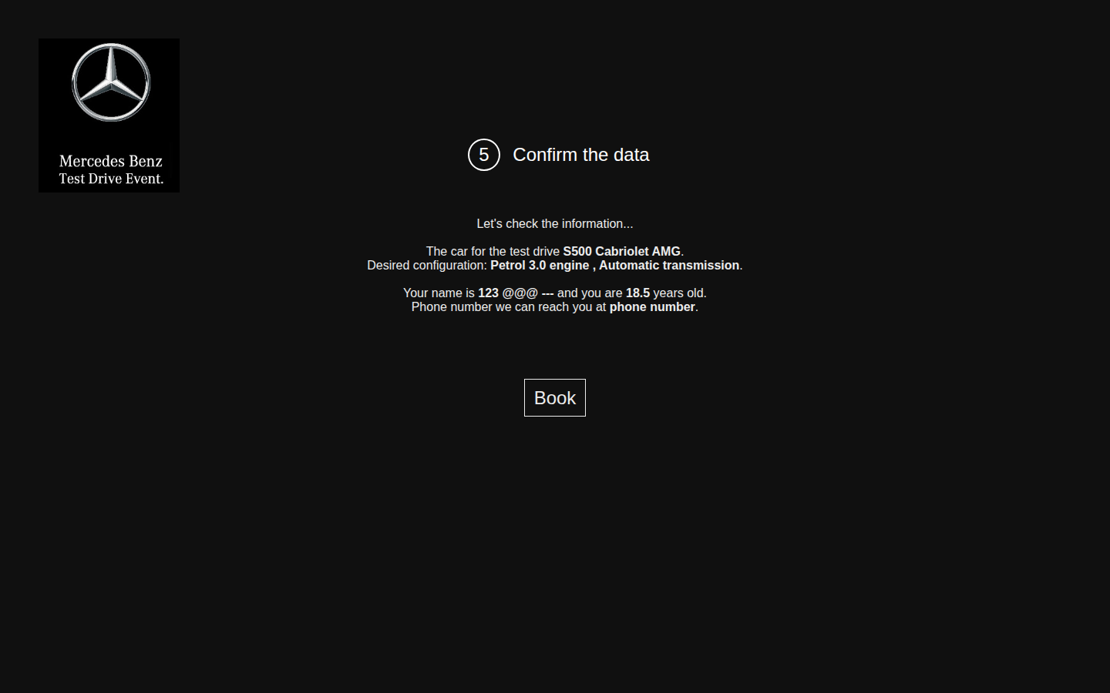

BUG-013 [Confirmation] A long name with no spaces runs off the page
ID | BUG-013
Title | [Confirmation] A long name with no spaces runs off the page
Product | Test drive registration
Component | Step 4. Confirm the data
Severity | Major
Priority
Status | New
Author | Pavel
Date found | 20 Oct 2026
Environment | OS: Linux, desktop. Browser: Google Chrome 148.0.7778.96. Window: 1440×900, zoom 100%. URL: https://testdrive.andersenlab.com/. Page build: Last-Modified 23 Apr 2026 13:11:09 GMT. Desktop only.
Preconditions | The contact screen is open.
Test data | Last name: 200 B characters. First name: 200 A characters. Middle name C, age 30, phone +375291234567.
Steps to reproduce | 1. Enter the test data. 2. Click Continue. 3. Look at the step heading, the logo, and the name line.
Expected result | The name line wraps inside the page. The heading, the logo, and Book stay readable.
Actual result | The fields have no length limit. The name is drawn as one continuous line and runs past the left and right edges of the page. "Your name is" is separated from the continuation "C and you are 30 years old." The step heading cannot be read on that line.
Reproducibility | Always (5/5)
Attachment | confirm-long-name-overflow.png
Comment | A name of ordinary length, with spaces, fits on the page. The defect appears on a long string with no spaces.
Screenshot | confirm-long-name-overflow.png
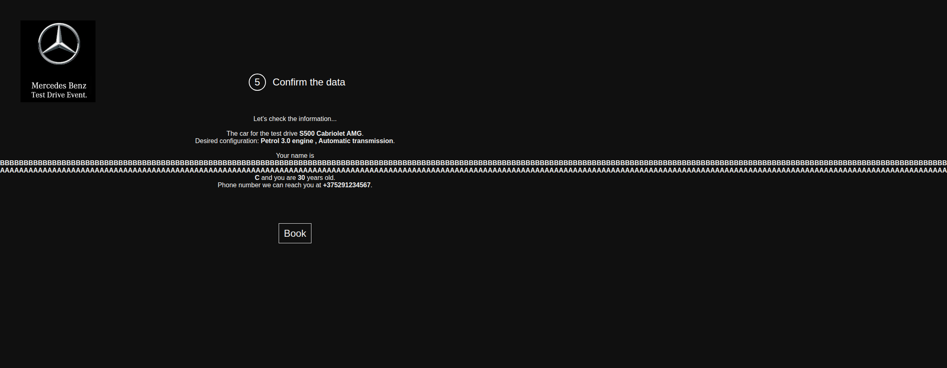

BUG-014 [Confirmation] The configuration line has a space before the comma
ID | BUG-014
Title | [Confirmation] The configuration line has a space before the comma
Product | Test drive registration
Component | Step 4. Confirm the data
Severity | Trivial
Priority
Status | New
Author | Pavel
Date found | 20 Oct 2026
Environment | OS: Linux, desktop. Browser: Google Chrome 148.0.7778.96. Window: 1440×900, zoom 100%. URL: https://testdrive.andersenlab.com/. Page build: Last-Modified 23 Apr 2026 13:11:09 GMT. Desktop only.
Preconditions | S500 Cabriolet AMG is selected.
Test data | Engine: Petrol 3.0. Transmission: Automatic. Any plausible contact details.
Steps to reproduce | 1. Reach the confirmation without changing the engine or the transmission. 2. Read the Desired configuration line.
Expected result | "Desired configuration: Petrol 3.0 engine, Automatic transmission."
Actual result | "Desired configuration: Petrol 3.0 engine , Automatic transmission." There is a space before the comma.
Reproducibility | Always (5/5)
Attachment | confirm-valid-punctuation.png
Comment | The same pattern appears in other combinations, for example "Petrol 2.2 engine , Automatic transmission." and "{transmission} engine , Manual transmission."
Screenshot | confirm-valid-punctuation.png


BUG-015 [Copy] Labels and sentences contain grammar errors
ID | BUG-015
Title | [Copy] Labels and sentences contain grammar errors
Product | Test drive registration
Component | Interface copy
Severity | Minor
Priority
Status | New
Author | Pavel
Date found | 20 Oct 2026
Environment | OS: Linux, desktop. Browser: Google Chrome 148.0.7778.96. Window: 1440×900, zoom 100%. URL: https://testdrive.andersenlab.com/. Page build: Last-Modified 23 Apr 2026 13:11:09 GMT. Desktop only.
Preconditions | The application can be completed through the thank-you screen.
Test data | Model S500 Cabriolet AMG, engine Petrol 3.0, transmission Automatic. Last name Ivanov, first name Ivan, middle name Ivanovich, age 30, phone +375291234567.
Steps to reproduce | 1. Open the characteristics step and read the label above the transmission list. 2. Open the confirmation and read the sentence about the car and the sentence about the phone. 3. Click Book and read the text under the thank-you heading. 4. Read the text on the logo in the upper left.
Expected result | A label for one selected value is singular. Sentences are complete. The brand is written Mercedes-Benz. 1. Label: Transmission. 2. "The car for the test drive is S500 Cabriolet AMG." 3. "The phone number we can reach you at is +375291234567." 4. "Our managers will contact you within the next 12 hours." 5. On the logo: Mercedes-Benz.
Actual result | 1. Label: "Transmissions". The Engine label is singular. 2. "The car for the test drive S500 Cabriolet AMG." The sentence has no verb. 3. "Phone number we can reach you at +375291234567." 4. "Our managers will contact you within next 12 hours." 5. On the logo: "Mercedes Benz Test Drive Event."
Reproducibility | Always (5/5)
Attachment | step2-transmissions-label.png
Comment | These items are in one report because they are copy errors on different screens, and each has its own actual/expected pair. The screenshot for item 4 is thank-you.png. The logo text is visible on every screenshot.
Screenshot | step2-transmissions-label.png
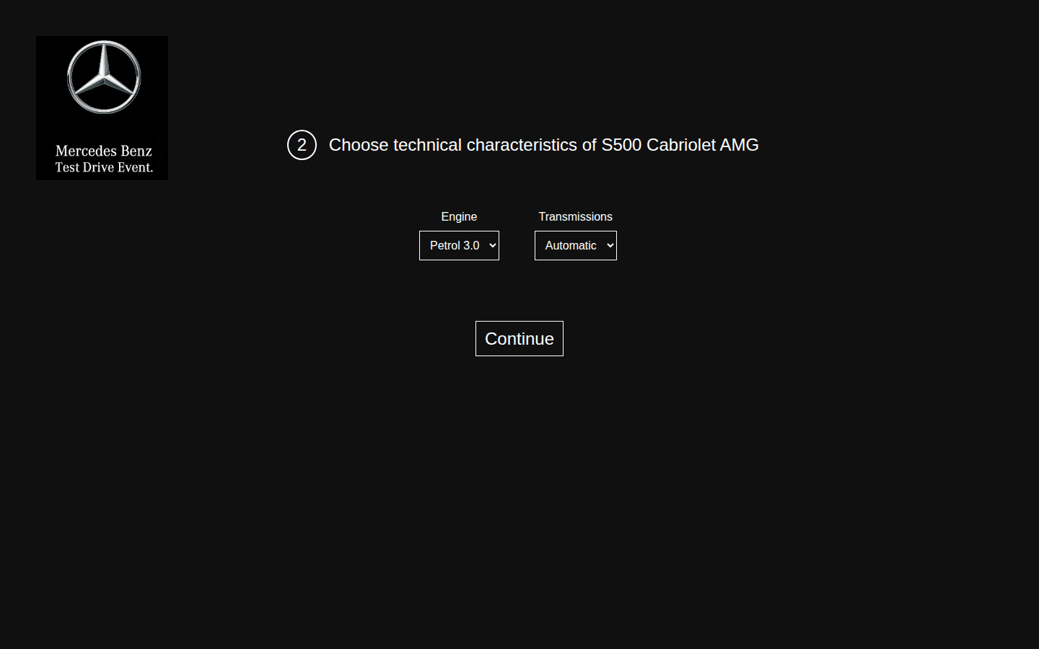

Screenshot | thank-you.png


BUG-016 [Choose the model] Fast clicks on the arrow stack several cars on top of each other
ID | BUG-016
Title | [Choose the model] Fast clicks on the arrow stack several cars on top of each other
Product | Test drive registration
Component | Step 1. Choose the model
Severity | Major
Priority
Status | New
Author | Pavel
Date found | 20 Oct 2026
Environment | OS: Linux, desktop. Browser: Google Chrome 148.0.7778.96. Window: 1440×900, zoom 100%. URL: https://testdrive.andersenlab.com/. Page build: Last-Modified 23 Apr 2026 13:11:09 GMT. Desktop only.
Preconditions | The first step is open on S500 Cabriolet AMG. Do not pause between clicks.
Test data | Six clicks of the forward arrow in a row.
Steps to reproduce | 1. Click the forward arrow six times quickly. 2. Before the animation ends, look at how many cars are visible and where Continue is. 3. Wait about three seconds and look at the carousel again.
Expected result | Exactly one car is visible at a time. Its caption matches the model that Continue will carry forward. Continue does not cover the car.
Actual result | Until the animation ends, several cars are on screen at once, at different opacity. The caption is barely readable. A second car is drawn lower down, and Continue sits on top of it. Continue still advances the application during this state. A few seconds later one car remains: after six clicks it is GLC 250D 4MATIC.
Reproducibility | Always (5/5)
Attachment | carousel-rapid-clicks.png
Comment | With a pause between clicks the order is correct: S500 Cabriolet AMG, Cayenne 400, GLC 250D 4MATIC, CLA SB Standard, then S500 Cabriolet AMG again. That is not a defect.
Screenshot | carousel-rapid-clicks.png
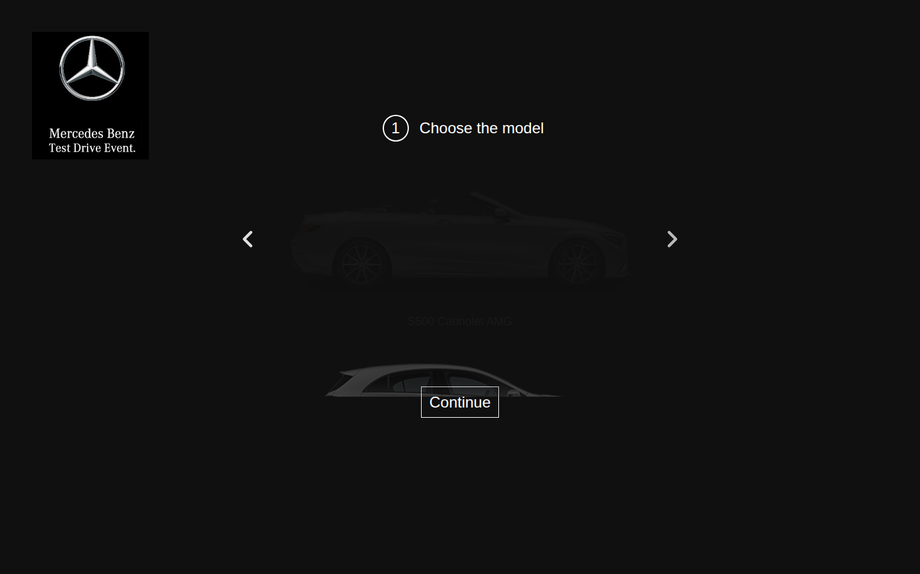

BUG-017 [Contacts] The field caption is not tied to the field and does not focus it
ID | BUG-017
Title | [Contacts] The field caption is not tied to the field and does not focus it
Product | Test drive registration
Component | Step 3. Contact details
Severity | Minor
Priority
Status | New
Author | Pavel
Date found | 20 Oct 2026
Environment | OS: Linux, desktop. Browser: Google Chrome 148.0.7778.96. Window: 1440×900, zoom 100%. URL: https://testdrive.andersenlab.com/. Page build: Last-Modified 23 Apr 2026 13:11:09 GMT. Desktop only.
Preconditions | The contact screen is open.
Test data | —
Steps to reproduce | 1. Click the words Last name above the first field, not the field itself. 2. Check which field has the cursor. 3. Repeat the click for First name, Middle name, Age, and Phone number.
Expected result | Clicking a caption places the cursor in the matching field. The caption is programmatically associated with the field.
Actual result | The cursor does not enter the field. The captions are plain text above the fields, not labels associated with them. An error message would also have nothing to attach to: none is shown.
Reproducibility | Always (5/5)
Attachment | contact-step-numbered-4.png
Comment | —
Screenshot | contact-step-numbered-4.png

BUG-018 [Choose the model] The carousel arrows cannot be operated from the keyboard
ID | BUG-018
Title | [Choose the model] The carousel arrows cannot be operated from the keyboard
Product | Test drive registration
Component | Step 1. Choose the model
Severity | Minor
Priority
Status | New
Author | Pavel
Date found | 20 Oct 2026
Environment | OS: Linux, desktop. Browser: Google Chrome 148.0.7778.96. Window: 1440×900, zoom 100%. URL: https://testdrive.andersenlab.com/. Page build: Last-Modified 23 Apr 2026 13:11:09 GMT. Desktop only.
Preconditions | The first step is open. Focus is not yet on a page element.
Test data | —
Steps to reproduce | 1. Press Tab while focus moves through the page. 2. Note whether focus reaches the back arrow or the forward arrow. 3. With an arrow focused, press Enter and Space.
Expected result | Both arrows are in the Tab order, have an understandable name, and Enter or Space changes the model.
Actual result | Tab reaches only the Continue link. The arrows are not in the tab order and have no name. The model cannot be changed from the keyboard. Each arrow is 15×26 pixels.
Reproducibility | Always (5/5)
Attachment | No screenshot: the defect is not visible in an image. The check is described in the comment.
Comment | The defect is in keyboard focus and is not visible in a screenshot. Checked with the keyboard in the same Chrome.

BUG-019 [Thank you] After Book, the screen does not show what was booked
ID | BUG-019
Title | [Thank you] After Book, the screen does not show what was booked
Product | Test drive registration
Component | Step 5. Thank-you screen
Severity | Minor
Priority
Status | New
Author | Pavel
Date found | 20 Oct 2026
Environment | OS: Linux, desktop. Browser: Google Chrome 148.0.7778.96. Window: 1440×900, zoom 100%. URL: https://testdrive.andersenlab.com/. Page build: Last-Modified 23 Apr 2026 13:11:09 GMT. Desktop only.
Preconditions | The confirmation is open and shows a model and a phone number.
Test data | Any model and phone already visible on the confirmation.
Steps to reproduce | 1. Click Book. 2. Read the thank-you screen. 3. Look for the model, the configuration, the phone, and an action to start another registration.
Expected result | The screen repeats the model, configuration, and phone from the previous step. There is a clear action to start another registration. A stored booking number is not expected: saving the customer is outside this module.
Actual result | The screen shows only "Thank you for booking the test drive!" and "Our managers will contact you within next 12 hours." The model and the phone are not repeated. There is no button for a new registration. Starting again requires a manual reload.
Reproducibility | Always (5/5)
Attachment | thank-you.png
Comment | The missing article in the 12-hours sentence is described in BUG-015.
Screenshot | thank-you.png

