1. Web v Command line User Time
 |  |  |  | Total User Wait Time (s)
Beamline | Server | Resolution (Multiplication factor for altering the last four propagation parameters (range and resolution parameters) of post-propagation resize. 1 is default.) | Sampling Factor | Web | Command line | (Time Web)/(Time Command line)
NSLS-II FMX | nsls2expdev1.bnl.gov | 1 | 0.5 | 25.62 | 14.099 | 1.8171501525
 |  | 1 |  | 28.04 | 14.935 | 1.8774690325
 |  | 1 |  | 44.76 | 14.962 | 2.991578666
 |  | 1 |  | 30.76 | 13.340 | 2.3058470765
 |  | 1 |  | 34.03 | 15.135 | 2.2484307896
 |  | 1 |  | 39.54 | 15.129 | 2.6135236962
 |  | 1
 |  | 1 | AVERAGE: | 33.791666667 | 14.6 | 2.3144977169
 |  | 1
 |  | 1 | 1 | 114 | 41.766 | 2.729492889
 |  | 1 |  | 118 | 38.133 | 3.0944326436
 |  | 1 |  | 137 | 39.857 | 3.4372883057
 |  | 1 |  | 112 | 38.484 | 2.9103003846
 |  | 1 |  | 140 | 39.174 | 3.5737989483
 |  | 1 | AVERAGE: | 124.2 | 39.4828 | 3.1456735591
 |  | 1
 |  | 1 | 0.7 | 60.00 | 23.301 | 2.5749967813
 |  | 1 |  | 42.49 | 22.478 | 1.8902927307
 |  | 1 |  | 77.00 | 26.795 | 2.8736704609
 |  | 1 |  | 53.98 | 21.745 | 2.4824097494
 |  | 1 | AVERAGE: | 58.3675 | 23.57975 | 2.4753231056
 |  | 1
 |  | 1
NSLS-II CHX |  | 1 | 0.5 | 38.54 | 44.013
 |  | 1 |  | 42.84 | 46.382
 |  | 1 |  | 44.50 | 48.631
 |  | 1 |  | 47.44 | 47.040
 |  | 1 | AVERAGE: | 43.33 | 46.5165 | 0.93149742564
 |  | 1
 |  | 1 | 1 | 44.57 | 43.505
 |  | 1 |  | 47.97 | 46.453
 |  | 1 |  | 47.70 | 44.903
 |  | 1 |  | 46.30 | 44.735
 |  | 1 | AVERAGE: | 46.635 | 44.899 | 1.0386645582
 |  | 1
 |  | 1 | 0.7 | 44.97 | 44.291
 |  | 1 |  | 45.01 | 41.56
 |  | 1 |  | 38.55 | 44.37
 |  | 1 |  | 43.76 | 42.761
 |  | 1 | AVERAGE: | 43.0725 | 43.2455 | 0.99599958377

NSLS-II FMX |  | 0.5 | 0.5 | 15.02 | 11.04
 |  | 0.5 |  | 12.72 | 8.869
 |  | 0.5 |  | 8.37 | 8.817
 |  | 0.5 |  | 8.72 | 9.731
 |  | 0.5 | AVERAGE: | 11.2075 | 9.61425 | 1.1657175547

 |  | 1.5 | 0.5 | 92 | 17.658
 |  | 1.5 |  | 110 | 15.741
 |  | 1.5 |  | 135 | 15.925
 |  | 1.5 |  | 111 | 16.116
 |  | 1.5 | AVERAGE: | 112 | 16.36 | 6.8459657702

(Time of calculation ratio Web:Command line) v (Sampling factor) [@ FMX]
 | Web | Command line
0.5 | 2.3144977169 | 1
0.7 | 2.4753231056 | 1
1 | 3.1456735591 | 1

(Time of Calculation Ratio Web:Command line) v. (Post-Propagation Propagation Parameters Multiplication Factor) [@ FMX @ sampling factor 0.5]
 | Web | Command Line
0.5 | 1.1657175547 | 1
1 | 2.3144977169 | 1
1.5 | 6.8459657702 | 1

Server preparation time
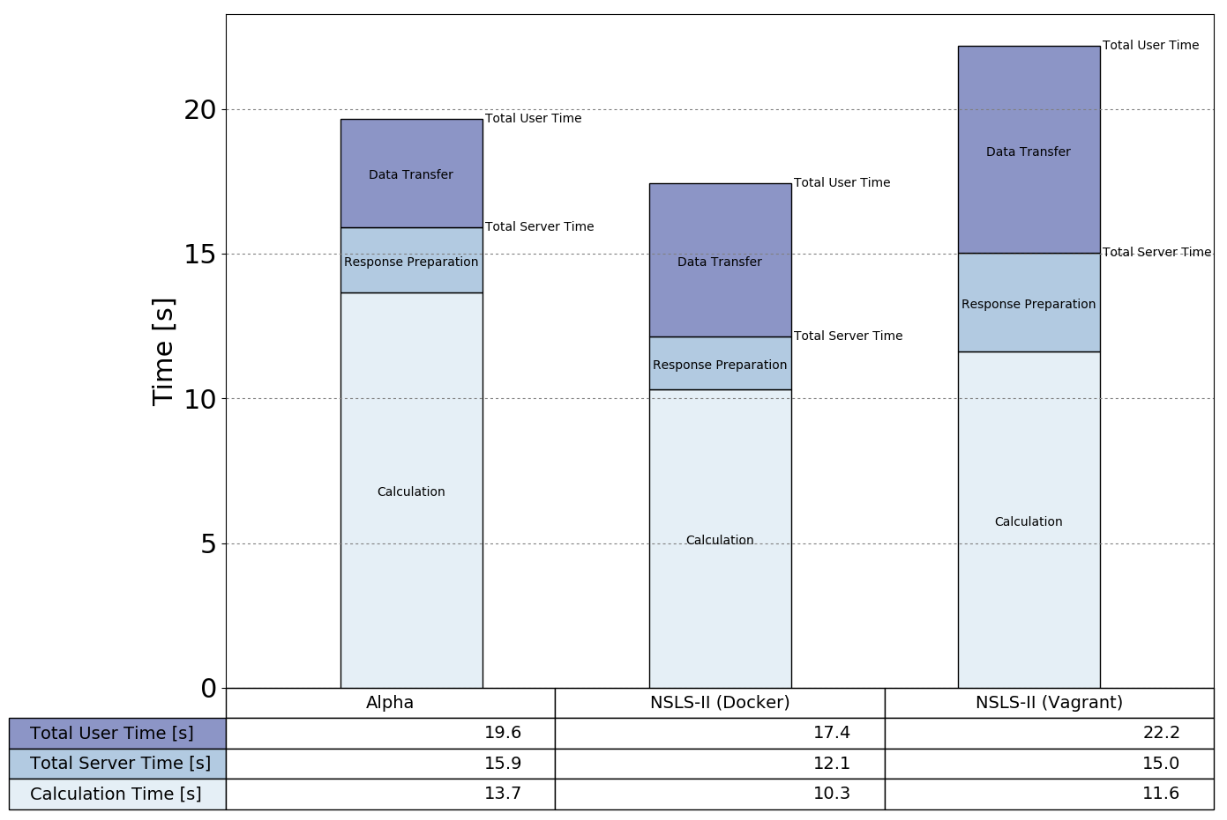
server | beam | waiting (s) | duration (s) | waiting - duration (s) | total (s) | (waiting - duration) / total |  | total - waiting (s)
nsls2expdev1.bnl.gov | NSLS-II FMX, new, with mirror | 15.67 | 12.14 | 3.53 | 25.19 | 0.1401349742
 |  | 15.2 | 11.69 | 3.51 | 19.99 | 0.1755877939
 |  | 14.76 | 10.96 | 3.8 | 24.94 | 0.15236567763
 |  | 14.91 | 12.15 | 2.76 | 20.78 | 0.13282001925
 |  | 14.55 | 11.12 | 3.43 | 19.91 | 0.17227523857
 |  | 15.018 | 11.612 | 3.406 | 22.162 | 0.15463674071 | AVERAGE | 7.144

cpu-001 | NSLS-II FMX, new, with mirror | 12.3 | 10.3 | 2 | 20.65 | 0.096852300242
 |  | 11.66 | 9.87 | 1.79 | 16.19 | 0.11056207536
 |  | 12.29 | 10.53 | 1.76 | 16.73 | 0.10520023909
 |  | 12.45 | 10.67 | 1.78 | 17.19 | 0.10354857475
 |  | 11.98 | 10.18 | 1.8 | 16.37 | 0.10995723885
 |  | 12.136 | 10.31 | 1.826 | 17.426 | 0.10522408566 | AVERAGE | 5.29

alpha | NSLS-II FMX, new, with mirror | 15.4 | 13.18 | 2.22 | 19.3 | 0.11502590674
 |  | 15.86 | 13.77 | 2.09 | 19.5 | 0.10717948718
 |  | 16.01 | 13.27 | 2.74 | 19.74 | 0.13880445795
 |  | 16.44 | 14.18 | 2.26 | 20.18 | 0.11199207136
 |  | 15.88 | 13.85 | 2.03 | 19.5 | 0.1041025641
 |  | 15.918 | 13.65 | 2.268 | 19.644 | 0.11542089747 | AVERAGE | 3.726

1. Short version
 |  |  |  | Total User Wait Time (s)
Beamline | Server | Resolution (Multiplication factor for altering the last four propagation parameters (range and resolution parameters) of post-propagation resize. 1 is default.) | Sampling Factor | Web | Command line | (Time Web)/(Time Command line)
NSLS-II FMX | nsls2expdev1.bnl.gov | 1 | 0.5 | 25.62 | 14.099
 |  | 1 |  | 28.04 | 14.935
 |  | 1 |  | 44.76 | 14.962
 |  | 1 |  | 30.76 | 13.340
 |  | 1 |  | 34.03 | 15.135
 |  | 1 |  | 39.54 | 15.129
 |  | 1
 |  | 1 | AVERAGE: | 33.791666667 | 14.6 | 2.3144977169
 |  | 1
 |  | 1 | 1 | 114 | 41.766
 |  | 1 |  | 118 | 38.133
 |  | 1 |  | 137 | 39.857
 |  | 1 |  | 112 | 38.484
 |  | 1 |  | 140 | 39.174
 |  | 1 | AVERAGE: | 124.2 | 39.4828 | 3.1456735591
 |  | 1
 |  | 1 | 0.7 | 60.00 | 23.301
 |  | 1 |  | 42.49 | 22.478
 |  | 1 |  | 77.00 | 26.795
 |  | 1 |  | 53.98 | 21.745
 |  | 1 | AVERAGE: | 58.3675 | 23.57975 | 2.4753231056
 |  | 1
 |  | 1
NSLS-II CHX |  | 1 | 0.5 | 38.54 | 44.013
 |  | 1 |  | 42.84 | 46.382
 |  | 1 |  | 44.50 | 48.631
 |  | 1 |  | 47.44 | 47.040
 |  | 1 | AVERAGE: | 43.33 | 46.5165 | 0.93149742564
 |  | 1
 |  | 1 | 1 | 44.57 | 43.505
 |  | 1 |  | 47.97 | 46.453
 |  | 1 |  | 47.70 | 44.903
 |  | 1 |  | 46.30 | 44.735
 |  | 1 | AVERAGE: | 46.635 | 44.899 | 1.0386645582
 |  | 1
 |  | 1 | 0.7 | 44.97 | 44.291
 |  | 1 |  | 45.01 | 41.56
 |  | 1 |  | 38.55 | 44.37
 |  | 1 |  | 43.76 | 42.761
 |  | 1 | AVERAGE: | 43.0725 | 43.2455 | 0.99599958377

NSLS-II FMX |  | 0.5 | 0.5 | 15.02 | 11.04
 |  | 0.5 |  | 12.72 | 8.869
 |  | 0.5 |  | 8.37 | 8.817
 |  | 0.5 |  | 8.72 | 9.731
 |  | 0.5 | AVERAGE: | 11.2075 | 9.61425 | 1.1657175547

 |  | 1.5 | 0.5 | 92 | 17.658
 |  | 1.5 |  | 110 | 15.741
 |  | 1.5 |  | 135 | 15.925
 |  | 1.5 |  | 111 | 16.116
 |  | 1.5 | AVERAGE: | 112 | 16.36 | 6.8459657702

(Time of calculation ratio Web:Command line) v (Sampling factor) [@ FMX]
 | Web | Command line
0.5 | 2.3144977169 | 1
0.7 | 2.4753231056 | 1
1 | 3.1456735591 | 1

(Time of Calculation Ratio Web:Command line) v. (Post-Propagation Propagation Parameters Multiplication Factor) [@ FMX @ sampling factor 0.5]
 | Web | Command Line
0.5 | 1.1657175547 | 1
1 | 2.3144977169 | 1
1.5 | 6.8459657702 | 1

