SNFI
 |  | Scoring for Critical indicators
 |  | LSG Non-Critical indicators:
 |  | Sector | Sub-Sector | Not_in_Need (0) | In_Need (1) | Question in tool | Response options | Type | Excluded from analysis | Treatment of NA (Skip Logic) | Notes | Variable name in data-set
yes and no reversed | Corrected | SNFI | Shelter - Market access | Yes | No | Within or around this site, is there access to a market where Non-Food Items and/or construction materials can be purchased? | yes no | select_one yes_no |  |  |  | nfi_access
not all items are used in the indicators | I am not sure why only these items are used I assume it's bceause the indicator sub sector is building material so hygiene items were excluded Anyway, we need to check this with Dennis | SNFI | Shelter - Building Materials | 5 Or more of the following NFI items [Sleeping mats Plastic sheets Blankets Jerry cans or buckets Cooking utensils Mosquito nets Solar lamp] | 5 Or Less of the following NFI items [Sleeping mats Plastic sheets Blankets Jerry cans or buckets Cooking utensils Mosquito nets Solar lamp] | Which of these items are available for purchase at the market(s)? | Medicines Hygienic menstruation materials Local construction materials Clothes Sleeping mats Plastic sheets Blankets Jerry cans or buckets Wash basins Cooking utensils Soap Mosquito nets Solar lamp | select_multiple nfi_items |  |  |  | nfi_items_available
ok |  | SNFI | Shelter - Distance to market | Less than one hour | More than one hour | How long does it take for MOST residents of the site to WALK to the nearest market where Non-Food Items and/or construction materials can be purchased (TRAVEL ONE WAY)? | Less than 15 minutes Between 15 and 30 minutes Between 30minutes and one hour More than one hour | select_one time |  |  |  | nfi_access_distance_min
ok |  | SNFI |  | Provision of shelter kits OR Provision of NFI kits/items OR Construction / rehabilitation of water sources OR Construction / repair of latrines OR Distribution of hygiene kits (jerry cans for storage / transport, soap/ hygienic menstrual materials) | NOT SELECTED: Provision of shelter kits Provision of NFI kits/items Construction / rehabilitation of water sources Construction / repair of latrines Distribution of hygiene kits (jerry cans for storage / transport, soap/ hygienic menstrual materials) | In the past 3 months, have any of the following activities taken place in this site?: | Provision of shelter kits Provision of NFI kits/items Provision of food distribution Construction / rehabilitation of water sources Construction / repair of latrines Distribution of hygiene kits (jerry cans for storage / transport, soap/ hygienic menstrual materials) Cash distribution Nutrition counselling MUAC screening Distribution of therapeutic foods or nutritional supplements Awareness campaign advocating proper WASH practices Vaccination campaigns or any other helath-related campaigns Protection awareness raising Referrals for people with heightened protection needs | select_multiple support_activities |  |  |  | support
ok |  | SNFI | HLP | written | yes_oral no_agreement | Is there an existing land tenure agreement between residents' and the land owner of the site? | Yes, written agreement Yes, oral agreement No agreement Don’t know Prefer not to answer | select_one evictions_tenureagreement_type |  |  |  | evictions_tenureagreement
ok |  | SNFI |  | Yes | No | Is there any public lighting throughout the site? | yes no | select_one yes_no |  |  |  | shelter_publiclighting
select multiple choices vs percentages? | 100% of all structures in here means all of the selected options! |  |  | IF[Timber and plastic sheet with CGI roof+ CGI sheet wall and roof+ Mud and stick wall with CGI roof+ Plywood wall with CGI roof+ Stone/brick wall with CGI roof: Type 1+ Stone/brick wall with CGI roof: Type 2] > 50% of all structures | IF [Buul + Tent+ Shelter constructed using shelter kit ] > 50% of all Structures | What are the most common types of shelters present in this site? | Buul Tent Timber and plastic sheet with CGI roof Shelter constructed using shelter kit CGI sheet wall and roofMud and stick wall with CGI roof Plywood wall with CGI roof Stone/brick wall with CGI roof: Type 1 Stone/brick wall with CGI roof: Type 2 | select_multiple shelter_types |  |  |  | shelter_types
why is 0 coded as NA? | 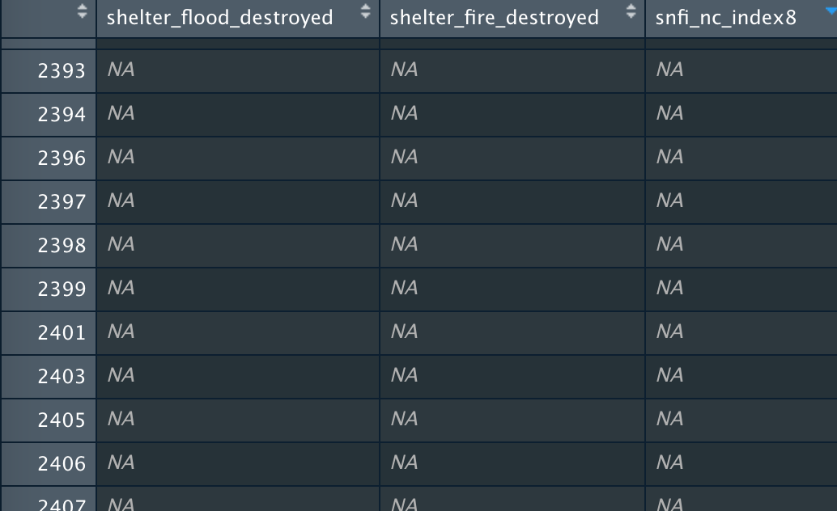 0 is not coded as NA, actually none of the shelter_flood_destroyed or shelter_fire_destroyed is equal to 0 so the sum is always >0. But when both of the variables are NA and then I divide by cccm_populationestimates_shelters the result is 0 (run this sum(c(NA,NA),na.rm = T)/100) when it should be NA |  |  | Less than 25% of shelters destroyed | More than 25% of shelters destroyed | In the past 12 months, how many shelters have been destroyed by flooding in this site? In the past 3 months, how many shelters have been destroyed by fires in this site?/ How many shelters are present in this site? |  | integer |  |  |  | shelter_flood_destroyed
ok |  |  |  | no dontknow | yes | In the past 3 months, has this site been issued an eviction notice? | yes no dontknow | select_one yes_no_dnk |  |  |  | evictions_notice

