Map 1
Data extracted on 08/09/2023 09:01:01 from [ESTAT]
Dataset: | Average number of usual weekly hours of work in main job, by sex, age, professional status, full-time/part-time and economic activity (from 2008 onwards, NACE Rev. 2) [LFSA_EWHUN2__custom_7397230]
Last updated: | 27/04/2023 11:00

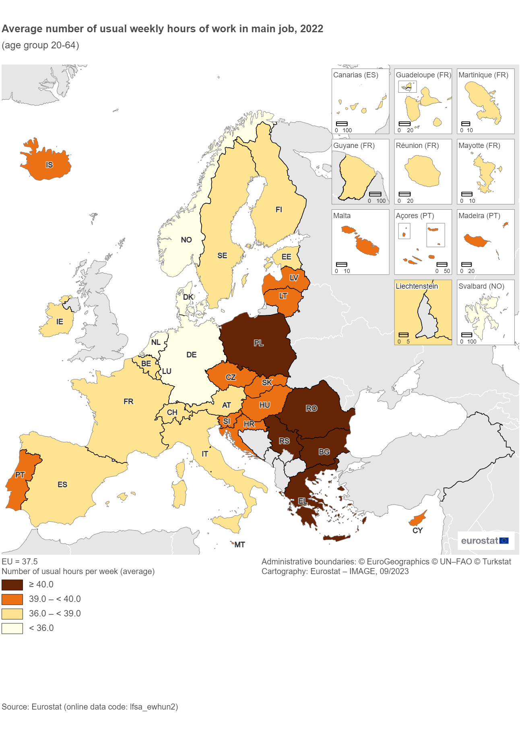
Time frequency |  | Annual
Statistical classification of economic activities in the European Community (NACE Rev. 2) |  | Total - all NACE activities
Activity and employment status |  | Employed persons
Working time |  | Total
Age class |  | From 20 to 64 years
Sex |  | Total
Unit of measure |  | Hour

TIME | 2022
GEO (Labels)
European Union - 27 countries (from 2020) | 37.5
Montenegro | :
North Macedonia | :
Türkiye | :
Serbia | 43.3
Greece | 41.0
Poland | 40.4
Bulgaria | 40.2
Romania | 40.2
Portugal | 39.9
Czechia | 39.8
Croatia | 39.6
Hungary | 39.6
Slovenia | 39.6
Slovakia | 39.6
Cyprus | 39.5
Lithuania | 39.2
Malta | 39.1
Latvia | 39.0
Iceland | 39.0
Sweden | 38.9
Luxembourg | 38.1
Estonia | 38.0
Spain | 37.8 | d
France | 37.4 | d
Italy | 37.4
Belgium | 36.9
Ireland | 36.9
Finland | 36.2
Austria | 36.0
Switzerland | 36.0
Norway | 35.5
Denmark | 35.4
Germany | 35.3
Netherlands | 33.2

Special value
: | not available
Available flags:
d | definition differs (see metadata)

Figure 1
 |  |  | Data extracted on 11/09/2023 09:52:16 from [ESTAT]
 |  |  | Dataset: | Average number of usual weekly hours of work in main job, by sex, age, professional status, full-time/part-time and economic activity (from 2008 onwards, NACE Rev. 2) [LFSA_EWHUN2__custom_7413939]
 | Data extracted on 11/09/2023 09:50:53 from [ESTAT] |  | Last updated: | 27/04/2023 11:00
 | Dataset: | Part-time employment and temporary contracts - annual data [LFSI_PT_A__custom_7413914]
 | Last updated: | 20/06/2023 23:00 | FREQ | A |  | Share of part-time employment and average number of usual weekly hours of work in the main job, 2022
 |  |  | NACE_R2 | TOTAL |  | (age group 20-64 years)
 | FREQ |  | WSTATUS | EMP
 | WSTATUS | EMP_PT | WORKTIME | TOTAL |  | Source: Eurostat (online data code: lfsi_pt_a and lfsa_ewhun2)
 | SEX | T | AGE | Y20-64
 | AGE | Y20-64 | SEX | T
 | UNIT | PC_EMP | UNIT | HR

 | TIME | 2022 | TIME | 2022
 | GEO (Codes) |  | GEO (Codes) |  | Correlation coefficient:
FALSE | EU27_2020 | 17.0 | EU | 37.5 | -0.845
Share of part-time employment and average number of usual weekly hours of work in the main job, 2022 (age group 20-64 years)
FALSE | BE | 23.0 | Belgium | 36.9
FALSE | BG | 1.5 | Bulgaria | 40.2
FALSE | CZ | 5.9 | Czechia | 39.8
FALSE | DK | 20.9 | Denmark | 35.4
FALSE | DE | 27.9 | Germany | 35.3
FALSE | EE | 12.6 | Estonia | 38.0
FALSE | IE | 17.8 | Ireland | 36.9
FALSE | EL | 7.9 | Greece | 41.0
FALSE | ES | 13.0 | Spain | 37.8
FALSE | FR | 16.2 | France | 37.4
FALSE | HR | 4.7 | Croatia | 39.6
FALSE | IT | 17.8 | Italy | 37.4
FALSE | CY | 9.1 | Cyprus | 39.5
FALSE | LV | 6.4 | Latvia | 39.0
FALSE | LT | 5.5 | Lithuania | 39.2
FALSE | LU | 17.7 | Luxembourg | 38.1
FALSE | HU | 4.2 | Hungary | 39.6
FALSE | MT | 10.1 | Malta | 39.1
FALSE | NL | 38.4 | Netherlands | 33.2
FALSE | AT | 30.1 | Austria | 36.0
FALSE | PL | 5.2 | Poland | 40.4
FALSE | PT | 6.5 | Portugal | 39.9
FALSE | RO | 3.3 | Romania | 40.2
FALSE | SI | 8.1 | Slovenia | 39.6
FALSE | SK | 3.1 | Slovakia | 39.6
FALSE | FI | 15.1 | Finland | 36.2
FALSE | SE | 18.4 | Sweden | 38.9
FALSE | IS | 19.4 | Iceland | 39.0
FALSE | NO | 21.4 | Norway | 35.5
FALSE | CH | 38.7 | Switzerland | 36.0
FALSE | RS | 5.5 | Serbia | 43.3

 | Special value |  | Special value
 | : | not available | : | not available

Figure 2
Row Labels |  | From 1 to 19 hours | From 20 to 24 hours | From 25 to 29 hours | From 30 to 34 hours | From 35 to 39 hours | From 40 to 44 hours | From 45 to 49 hours | 50 hours and over | Grand Total | From 1 to 19 hours | From 20 to 24 hours | From 25 to 29 hours | From 30 to 34 hours | From 35 to 39 hours | From 40 to 44 hours | From 45 to 49 hours | 50 hours or over
001.EU-27_2020 | EU | 10227.6 | 9622.5 | 5422.0 | 11053.7 | 40711.6 | 88568.4 | 9523.8 | 14317.0 | 189446.6 | 5.4 | 5.1 | 2.9 | 5.8 | 21.5 | 46.8 | 5.0 | 7.6

102.BG | Bulgaria |  | 24.6 |  | 14.0 | 8.1 | 2688.6 | 122.3 | 19.9 | 2880.8 |  | 0.9 |  | 0.5 | 0.3 | 93.3 | 4.2 | 0.7 | 98.3 | 93.3 | 1 | From 40 to 44 hours | 34
123.RO | Romania | 12.4 | 62.2 | 32.9 | 97.8 | 51.6 | 6688.5 | 291.7 | 172.6 | 7409.8 | 0.2 | 0.8 | 0.4 | 1.3 | 0.7 | 90.3 | 3.9 | 2.3 | 96.5 | 90.3 | 1 | From 40 to 44 hours | 33
117.HU | Hungary | 25.0 | 117.9 | 9.9 | 86.5 | 32.9 | 4070.0 | 84.0 | 116.8 | 4543.1 | 0.6 | 2.6 | 0.2 | 1.9 | 0.7 | 89.6 | 1.8 | 2.6 | 94.0 | 89.6 | 1 | From 40 to 44 hours | 32
114.LV | Latvia | 10.4 | 23.3 | 3.9 | 16.5 | 6.9 | 726.6 | 6.5 | 11.1 | 805.1 | 1.3 | 2.9 | 0.5 | 2.0 | 0.9 | 90.2 | 0.8 | 1.4 | 92.4 | 90.2 | 1 | From 40 to 44 hours | 31
115.LT | Lithuania | 10.8 | 28.4 | 5.4 | 17.6 | 25.2 | 1009.7 | 18.4 | 10.5 | 1126.0 | 1.0 | 2.5 | 0.5 | 1.6 | 2.2 | 89.7 | 1.6 | 0.9 | 92.2 | 89.7 | 1 | From 40 to 44 hours | 30
121.PL | Poland | 130.0 | 390.6 | 96.4 | 278.9 | 299.7 | 12251.3 | 466.8 | 1276.2 | 15190.0 | 0.9 | 2.6 | 0.6 | 1.8 | 2.0 | 80.7 | 3.1 | 8.4 | 92.1 | 80.7 | 1 | From 40 to 44 hours | 29
124.SI | Slovenia | 12.7 | 38.4 | 4.2 | 15.6 | 10.0 | 782.7 | 28.9 | 54.5 | 946.9 | 1.3 | 4.1 | 0.4 | 1.6 | 1.1 | 82.7 | 3.1 | 5.8 | 91.5 | 82.7 | 1 | From 40 to 44 hours | 28
118.MT | Malta | 4.4 | 9.6 | 3.0 | 6.7 | 17.2 | 204.5 | 9.4 | 12.2 | 267.1 | 1.7 | 3.6 | 1.1 | 2.5 | 6.4 | 76.6 | 3.5 | 4.6 | 84.7 | 76.6 | 1 | From 40 to 44 hours | 27
106.EE | Estonia | 15.9 | 30.6 | 6.3 | 22.1 | 23.4 | 477.5 | 7.9 | 13.5 | 597.2 | 2.7 | 5.1 | 1.0 | 3.7 | 3.9 | 80.0 | 1.3 | 2.3 | 83.5 | 80.0 | 1 | From 40 to 44 hours | 26
108.EL | Greece | 73.1 | 185.4 | 87.0 | 198.3 | 91.7 | 2258.4 | 427.3 | 506.1 | 3827.3 | 1.9 | 4.8 | 2.3 | 5.2 | 2.4 | 59.0 | 11.2 | 13.2 | 83.4 | 59.0 | 1 | From 40 to 44 hours | 25
103.CZ | Czechia | 64.1 | 126.8 | 37.5 | 161.9 | 535.7 | 3455.5 | 193.5 | 408.0 | 4983.1 | 1.3 | 2.5 | 0.8 | 3.2 | 10.8 | 69.3 | 3.9 | 8.2 | 81.4 | 69.3 | 1 | From 40 to 44 hours | 24
111.HR | Croatia | 9.7 | 46.9 | 7.1 | 20.6 | 239.7 | 1156.2 | 49.4 | 72.6 | 1602.2 | 0.6 | 2.9 | 0.4 | 1.3 | 15.0 | 72.2 | 3.1 | 4.5 | 79.8 | 72.2 | 1 | From 40 to 44 hours | 23
116.LU | Luxembourg | 12.4 | 17.1 | 4.3 | 16.6 | 10.1 | 177.2 | 18.2 | 20.1 | 276.0 | 4.5 | 6.2 | 1.6 | 6.0 | 3.7 | 64.2 | 6.6 | 7.3 | 78.1 | 64.2 | 1 | From 40 to 44 hours | 22
122.PT | Portugal | 111.3 | 94.7 | 47.4 | 92.0 | 705.3 | 2567.7 | 346.9 | 435.8 | 4401.0 | 2.5 | 2.2 | 1.1 | 2.1 | 16.0 | 58.3 | 7.9 | 9.9 | 76.1 | 58.3 | 1 | From 40 to 44 hours | 21
127.SE | Sweden | 168.2 | 154.7 | 89.7 | 335.4 | 676.9 | 2425.1 | 489.5 | 371.2 | 4710.8 | 3.6 | 3.3 | 1.9 | 7.1 | 14.4 | 51.5 | 10.4 | 7.9 | 69.8 | 51.5 | 1 | From 40 to 44 hours | 20
125.SK | Slovakia | 13.5 | 40.0 | 7.8 | 33.9 | 771.4 | 1412.7 | 76.8 | 155.2 | 2511.2 | 0.5 | 1.6 | 0.3 | 1.3 | 30.7 | 56.3 | 3.1 | 6.2 | 65.5 | 56.3 | 1 | From 40 to 44 hours | 19
109.ES | Spain | 887.7 | 1018.6 | 411.4 | 906.4 | 3665.1 | 10276.4 | 728.3 | 1435.2 | 19329.1 | 4.6 | 5.3 | 2.1 | 4.7 | 19.0 | 53.2 | 3.8 | 7.4 | 64.4 | 53.2 | 1 | From 40 to 44 hours | 18
113.CY | Cyprus | 14.7 | 13.3 | 8.3 | 15.3 | 104.6 | 189.6 | 49.6 | 36.4 | 431.8 | 3.4 | 3.1 | 1.9 | 3.6 | 24.2 | 43.9 | 11.5 | 8.4 | 63.8 | 43.9 | 1 | From 40 to 44 hours | 17
112.IT | Italy | 1109.1 | 1687.2 | 784.6 | 1380.8 | 3621.8 | 9860.6 | 1233.8 | 2091.0 | 21768.9 | 5.1 | 7.8 | 3.6 | 6.3 | 16.6 | 45.3 | 5.7 | 9.6 | 60.6 | 45.3 | 1 | From 40 to 44 hours | 16
105.DE | Germany | 3913.1 | 2561.3 | 1715.0 | 3184.1 | 8854.8 | 15279.8 | 1980.6 | 2419.0 | 39907.6 | 9.8 | 6.4 | 4.3 | 8.0 | 22.2 | 38.3 | 5.0 | 6.1 | 49.3 | 38.3 | 1 | From 40 to 44 hours | 15
120.AT | Austria | 351.5 | 327.6 | 202.8 | 364.4 | 1105.6 | 1281.7 | 234.6 | 351.1 | 4219.4 | 8.3 | 7.8 | 4.8 | 8.6 | 26.2 | 30.4 | 5.6 | 8.3 | 44.3 | 30.4 | 1 | From 40 to 44 hours | 14
107.IE | Ireland | 170.6 | 178.7 | 74.3 | 143.5 | 730.0 | 634.7 | 150.4 | 219.5 | 2301.7 | 7.4 | 7.8 | 3.2 | 6.2 | 31.7 | 27.6 | 6.5 | 9.5 | 43.6 | 31.7 | 1 | From 35 to 39 hours | 13
119.NL | Netherlands | 953.8 | 1018.3 | 557.4 | 1348.4 | 1530.2 | 2321.3 | 247.3 | 526.1 | 8502.8 | 11.2 | 12.0 | 6.6 | 15.9 | 18.0 | 27.3 | 2.9 | 6.2 | 36.4 | 27.3 | 1 | From 40 to 44 hours | 12
101.BE | Belgium | 327.6 | 278.1 | 157.1 | 463.7 | 1814.0 | 980.5 | 233.0 | 453.8 | 4707.9 | 7.0 | 5.9 | 3.3 | 9.9 | 38.5 | 20.8 | 4.9 | 9.6 | 35.4 | 38.5 | 1 | From 35 to 39 hours | 11
110.FR | France | 1393.3 | 994.1 | 933.6 | 1424.1 | 13263.4 | 4577.8 | 1806.7 | 2822.3 | 27215.3 | 5.1 | 3.7 | 3.4 | 5.2 | 48.7 | 16.8 | 6.6 | 10.4 | 33.8 | 48.7 | 1 | From 35 to 39 hours | 10
126.FI | Finland | 187.8 | 88.5 | 58.2 | 151.8 | 1084.3 | 554.6 | 87.6 | 148.0 | 2360.8 | 8.0 | 3.7 | 2.5 | 6.4 | 45.9 | 23.5 | 3.7 | 6.3 | 33.5 | 45.9 | 1 | From 35 to 39 hours | 9
104.DK | Denmark | 242.9 | 65.5 | 74.9 | 256.6 | 1432.0 | 259.1 | 134.4 | 158.4 | 2623.8 | 9.3 | 2.5 | 2.9 | 9.8 | 54.6 | 9.9 | 5.1 | 6.0 | 21.0 | 54.6 | 1 | From 35 to 39 hours | 8

203.CH | Switzerland | 505.2 | 289.0 | 248.1 | 374.8 | 252.7 | 1945.1 | 410.9 | 310.2 | 4336.0 | 11.7 | 6.7 | 5.7 | 8.6 | 5.8 | 44.9 | 9.5 | 7.2 | 61.5 | 44.9 | 1
201.IS | Iceland | 12.2 | 7.1 | 7.0 | 13.3 | 35.3 | 64.5 | 20.1 | 26.1 | 185.6 | 6.6 | 3.8 | 3.8 | 7.2 | 19.0 | 34.8 | 10.8 | 14.1 | 59.7 | 34.8 | 1
202.NO | Norway | 258.9 | 89.6 | 71.4 | 167.4 | 1300.6 | 426.9 | 136.1 | 130.4 | 2581.3 | 10.0 | 3.5 | 2.8 | 6.5 | 50.4 | 16.5 | 5.3 | 5.1 | 26.9 | 50.4 | 1

303.RS | Serbia | 16.0 | 27.0 | 14.3 | 38.5 | 27.2 | 1614.6 | 546.7 | 292.6 | 2576.9 | 0.6 | 1.0 | 0.6 | 1.5 | 1.1 | 62.7 | 21.2 | 11.4 | 95.2 | 62.7 | 1
 |  |  |  |  |  |  |  |  |  |  | From 1 to 19 hours | From 20 to 24 hours | From 25 to 29 hours | From 30 to 34 hours | From 35 to 39 hours | From 40 to 44 hours | From 45 to 49 hours | 50 hours and over

Employed people by average number of usual weekly hours of work in the main job, 2022
(in % of total, age group 20-64)

Note: Bulgaria, ‘From 1 to 19 hours’ and ‘From 25 to 29 hours’: not shown due to very low reliability.
Croatia, ‘From 1 to 19 hours’ and ‘From 25 to 29 hours’: with low reliability.
Slovenia and Slovakia, ‘From 25 to 29 hours’: with low reliability.
Source: Eurostat (ad hoc extraction and lfsa_qoe_3a4)

Employed people by average number of usual weekly hours of work in the main job, 2022 (in % of total, age group 20-64 years)
 | From 1 to 19 hours | From 20 to 24 hours | From 25 to 29 hours | From 30 to 34 hours | From 35 to 39 hours | From 40 to 44 hours | From 45 to 49 hours | 50 hours or over
EU | 5.4 | 5.1 | 2.9 | 5.8 | 21.5 | 46.8 | 5.0 | 7.6
Bulgaria |  | 0.9 |  | 0.5 | 0.3 | 93.3 | 4.2 | 0.7
Romania | 0.2 | 0.8 | 0.4 | 1.3 | 0.7 | 90.3 | 3.9 | 2.3
Hungary | 0.6 | 2.6 | 0.2 | 1.9 | 0.7 | 89.6 | 1.8 | 2.6
Latvia | 1.3 | 2.9 | 0.5 | 2.0 | 0.9 | 90.2 | 0.8 | 1.4
Lithuania | 1.0 | 2.5 | 0.5 | 1.6 | 2.2 | 89.7 | 1.6 | 0.9
Poland | 0.9 | 2.6 | 0.6 | 1.8 | 2.0 | 80.7 | 3.1 | 8.4
Slovenia | 1.3 | 4.1 | 0.4 | 1.6 | 1.1 | 82.7 | 3.1 | 5.8
Malta | 1.7 | 3.6 | 1.1 | 2.5 | 6.4 | 76.6 | 3.5 | 4.6
Estonia | 2.7 | 5.1 | 1.0 | 3.7 | 3.9 | 80.0 | 1.3 | 2.3
Greece | 1.9 | 4.8 | 2.3 | 5.2 | 2.4 | 59.0 | 11.2 | 13.2
Czechia | 1.3 | 2.5 | 0.8 | 3.2 | 10.8 | 69.3 | 3.9 | 8.2
Croatia | 0.6 | 2.9 | 0.4 | 1.3 | 15.0 | 72.2 | 3.1 | 4.5
Luxembourg | 4.5 | 6.2 | 1.6 | 6.0 | 3.7 | 64.2 | 6.6 | 7.3
Portugal | 2.5 | 2.2 | 1.1 | 2.1 | 16.0 | 58.3 | 7.9 | 9.9
Sweden | 3.6 | 3.3 | 1.9 | 7.1 | 14.4 | 51.5 | 10.4 | 7.9
Slovakia | 0.5 | 1.6 | 0.3 | 1.3 | 30.7 | 56.3 | 3.1 | 6.2
Spain | 4.6 | 5.3 | 2.1 | 4.7 | 19.0 | 53.2 | 3.8 | 7.4
Cyprus | 3.4 | 3.1 | 1.9 | 3.6 | 24.2 | 43.9 | 11.5 | 8.4
Italy | 5.1 | 7.8 | 3.6 | 6.3 | 16.6 | 45.3 | 5.7 | 9.6
Germany | 9.8 | 6.4 | 4.3 | 8.0 | 22.2 | 38.3 | 5.0 | 6.1
Austria | 8.3 | 7.8 | 4.8 | 8.6 | 26.2 | 30.4 | 5.6 | 8.3
Ireland | 7.4 | 7.8 | 3.2 | 6.2 | 31.7 | 27.6 | 6.5 | 9.5
Netherlands | 11.2 | 12.0 | 6.6 | 15.9 | 18.0 | 27.3 | 2.9 | 6.2
Belgium | 7.0 | 5.9 | 3.3 | 9.9 | 38.5 | 20.8 | 4.9 | 9.6
France | 5.1 | 3.7 | 3.4 | 5.2 | 48.7 | 16.8 | 6.6 | 10.4
Finland | 8.0 | 3.7 | 2.5 | 6.4 | 45.9 | 23.5 | 3.7 | 6.3
Denmark | 9.3 | 2.5 | 2.9 | 9.8 | 54.6 | 9.9 | 5.1 | 6.0
Switzerland | 11.7 | 6.7 | 5.7 | 8.6 | 5.8 | 44.9 | 9.5 | 7.2
Iceland | 6.6 | 3.8 | 3.8 | 7.2 | 19.0 | 34.8 | 10.8 | 14.1
Norway | 10.0 | 3.5 | 2.8 | 6.5 | 50.4 | 16.5 | 5.3 | 5.1
Serbia | 0.6 | 1.0 | 0.6 | 1.5 | 1.1 | 62.7 | 21.2 | 11.4

Map 2
Data extracted on 08/09/2023 09:46:22 from [ESTAT]
Dataset: | Average number of usual weekly hours of work in main job, by sex, age, professional status, full-time/part-time and economic activity (from 2008 onwards, NACE Rev. 2) [LFSA_EWHUN2__custom_7397897]
Last updated: | 27/04/2023 11:00

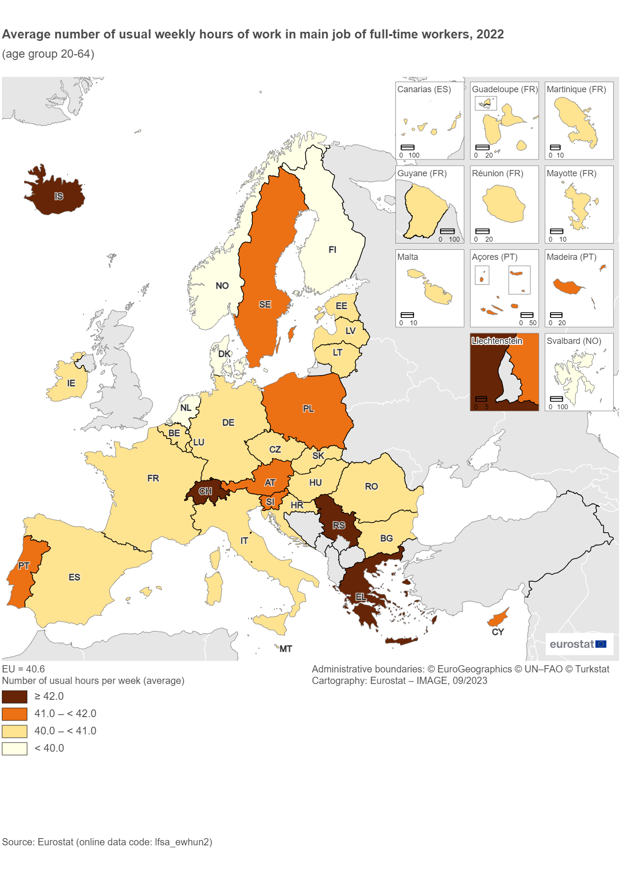
Time frequency |  | Annual
Statistical classification of economic activities in the European Community (NACE Rev. 2) |  | Total - all NACE activities
Activity and employment status |  | Employed persons
Age class |  | From 20 to 64 years
Sex |  | Total
Unit of measure |  | Hour
Time |  | 2022

WORKTIME (Labels) | Full-time
GEO (Labels)
European Union - 27 countries (from 2020) | 40.6

Serbia | 44.0
Switzerland | 43.4
Iceland | 42.8
Greece | 42.7
Austria | 41.8
Sweden | 41.6
Cyprus | 41.5
Poland | 41.3
Portugal | 41.3
Slovenia | 41.2
Luxembourg | 40.9
Malta | 40.9
Czechia | 40.9
Romania | 40.5
Italy | 40.5
Germany | 40.5
Croatia | 40.5
Belgium | 40.4
Hungary | 40.4
Bulgaria | 40.4
Ireland | 40.4
Spain | 40.4 | d
Slovakia | 40.2
France | 40.1 | d
Latvia | 40.1
Estonia | 40.1
Lithuania | 40.0
Norway | 39.7
Netherlands | 39.5
Denmark | 39.1
Finland | 38.8

Special value
: | not available
Available flags:
d | definition differs (see metadata)

Map 3
Data extracted on 08/09/2023 09:46:22 from [ESTAT]
Dataset: | Average number of usual weekly hours of work in main job, by sex, age, professional status, full-time/part-time and economic activity (from 2008 onwards, NACE Rev. 2) [LFSA_EWHUN2__custom_7397897]
Last updated: | 27/04/2023 11:00

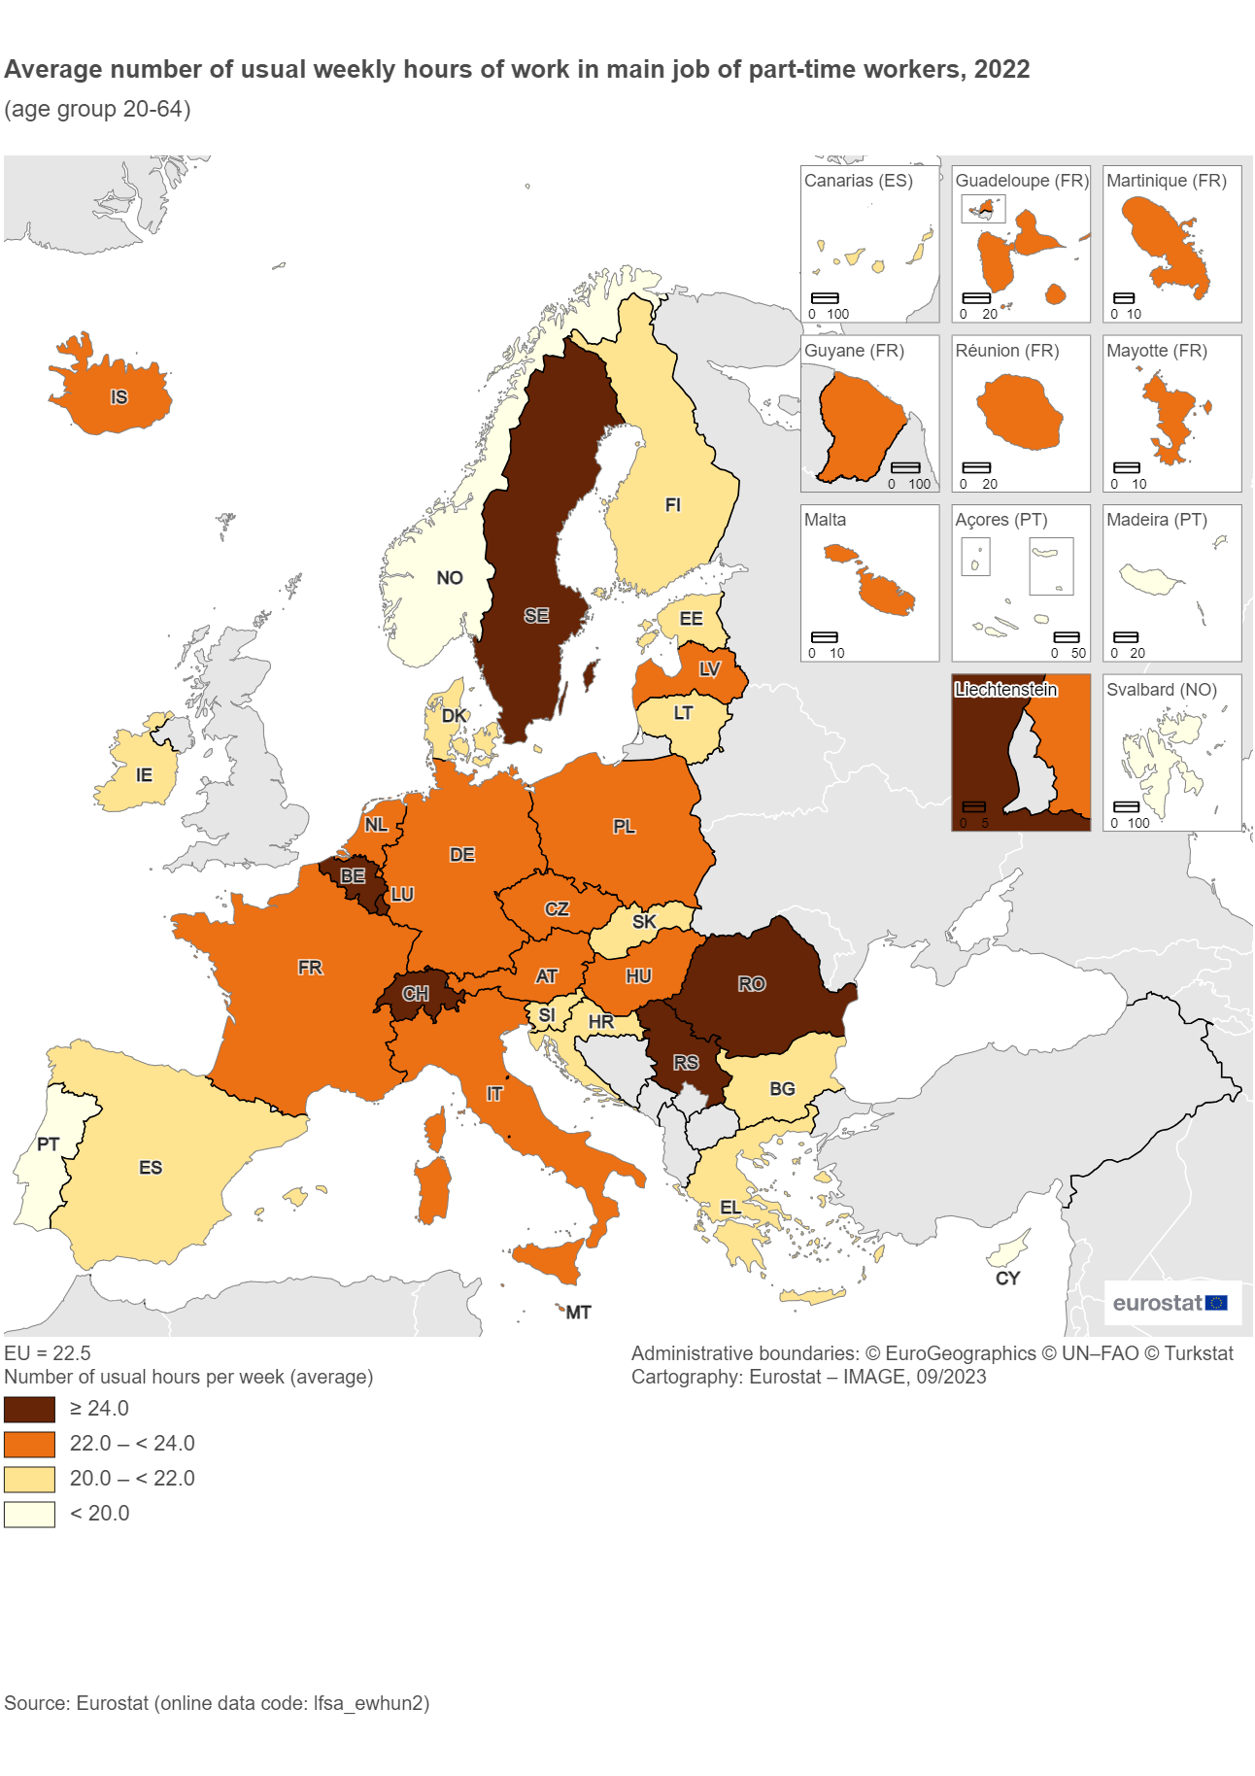
Time frequency |  | Annual
Statistical classification of economic activities in the European Community (NACE Rev. 2) |  | Total - all NACE activities
Activity and employment status |  | Employed persons
Age class |  | From 20 to 64 years
Sex |  | Total
Unit of measure |  | Hour
Time |  | 2022

WORKTIME (Labels) | Part-time
GEO (Labels)
European Union - 27 countries (from 2020) | 22.5

Montenegro | :
North Macedonia | :
Türkiye | :
Sweden | 26.4
Romania | 26.2
Belgium | 25.2
Serbia | 24.9
Luxembourg | 24.6
Switzerland | 24.2
Malta | 23.7
France | 23.4 | d
Netherlands | 23.4
Iceland | 23.1
Italy | 22.7
Czechia | 22.5
Austria | 22.4
Poland | 22.2
Latvia | 22.1
Germany | 22.0
Hungary | 22.0
Croatia | 21.9
Estonia | 21.9
Slovenia | 21.8
Finland | 21.4
Slovakia | 21.2
Greece | 21.1
Bulgaria | 20.8
Lithuania | 20.7
Denmark | 20.7
Ireland | 20.3
Spain | 20.2 | d
Norway | 19.8
Cyprus | 19.3
Portugal | 18.6

Special value
: | not available
Available flags:
d | definition differs (see metadata)

Figure 3
Data extracted on 11/09/2023 16:26:13 from [ESTAT]
Dataset: | Average number of usual weekly hours of work in main job, by sex, age, professional status, full-time/part-time and economic activity (from 2008 onwards, NACE Rev. 2) [LFSA_EWHUN2__custom_7421822]
Last updated: | 27/04/2023 11:00
 |  |  |  |  |  |  |  | Average number of usual weekly hours of work in the main job by sex and full-time/part-time, 2022
Time frequency |  | Annual |  |  |  |  |  | (age group 20-64 years)
Statistical classification of economic activities in the European Community (NACE Rev. 2) |  | Total - all NACE activities |  |  |  |  |  | Source: Eurostat (online data code: lfsa_ewhun2)
Activity and employment status |  | Employed persons
Age class |  | From 20 to 64 years
Unit of measure |  | Hour
Time |  | 2022
Average number of usual weekly hours of work in the main job by sex and full-time/part-time, 2022 (age group 20-64 years)
 | Men | Men | Women | Women
EU | 22.1 | 41.3 | 22.6 | 39.4
Greece | 21.4 | 44.1 | 20.9 | 40.6
Poland | 22.6 | 42.1 | 22 | 40.4
Bulgaria | 21.7 | 40.5 | 20.3 | 40.3
Romania | 27.3 | 40.7 | 24.6 | 40.2
Portugal | 19.6 | 42.3 | 18.2 | 40.3
Czechia | 21.6 | 41.6 | 22.8 | 40
Croatia | 21.7 | 40.8 | 21.9 | 40
Hungary | 21.6 | 40.6 | 22.1 | 40
Slovenia | 21.2 | 41.4 | 22.1 | 40.8
Slovakia | 20.5 | 40.9 | 21.5 | 39.4
Cyprus | 19 | 42.5 | 19.4 | 40.3
Lithuania | 21 | 40.2 | 20.5 | 39.8
Malta | 23.7 | 41.4 | 23.7 | 40
Latvia | 22.9 | 40.3 | 21.7 | 39.9
Sweden | 24.9 | 42 | 27.1 | 41.2
Luxembourg | 24.1 | 41.5 | 24.7 | 39.9
Estonia | 21.4 | 40.5 | 22.2 | 39.7
Spain | 20.2 | 41.2 | 20.2 | 39.3
France | 22.2 | 41 | 23.8 | 38.9
Italy | 23.2 | 41.7 | 22.5 | 38.4
Belgium | 24.8 | 41.3 | 25.3 | 39
Ireland | 20.8 | 42.1 | 20.1 | 38.1
Finland | 20.4 | 39.9 | 21.9 | 37.5
Austria | 21.6 | 42.3 | 22.6 | 41
Denmark | 17.9 | 40.1 | 21.9 | 37.8
Germany | 21.4 | 41.1 | 22.1 | 39.3
Netherlands | 23.6 | 40.6 | 23.3 | 36.9
Iceland | 20.5 | 44.5 | 24 | 40.4
Switzerland | 26.7 | 43.8 | 23.4 | 42.7
Norway | 18.5 | 40.3 | 20.3 | 38.9
Serbia | 25.3 | 44.9 | 24.5 | 43
SEX (Labels) | Total |  |  | Men | Men | Women | Women
WORKTIME (Labels) | Total | Part-time | Full-time | Part-time | Full-time | Part-time | Full-time
EU | 37.5 | 22.5 | 40.6 | 22.1 | 41.3 | 22.6 | 39.4

Greece | 41.0 | 21.1 | 42.7 | 21.4 | 44.1 | 20.9 | 40.6
Poland | 40.4 | 22.2 | 41.3 | 22.6 | 42.1 | 22.0 | 40.4
Bulgaria | 40.2 | 20.8 | 40.4 | 21.7 | 40.5 | 20.3 | 40.3
Romania | 40.2 | 26.2 | 40.5 | 27.3 | 40.7 | 24.6 | 40.2
Portugal | 39.9 | 18.6 | 41.3 | 19.6 | 42.3 | 18.2 | 40.3
Czechia | 39.8 | 22.5 | 40.9 | 21.6 | 41.6 | 22.8 | 40.0
Croatia | 39.6 | 21.9 | 40.5 | 21.7 | 40.8 | 21.9 | 40.0
Hungary | 39.6 | 22.0 | 40.4 | 21.6 | 40.6 | 22.1 | 40.0
Slovenia | 39.6 | 21.8 | 41.2 | 21.2 | 41.4 | 22.1 | 40.8
Slovakia | 39.6 | 21.2 | 40.2 | 20.5 | 40.9 | 21.5 | 39.4
Cyprus | 39.5 | 19.3 | 41.5 | 19.0 | 42.5 | 19.4 | 40.3
Lithuania | 39.2 | 20.7 | 40.0 | 21.0 | 40.2 | 20.5 | 39.8
Malta | 39.1 | 23.7 | 40.9 | 23.7 | 41.4 | 23.7 | 40.0
Latvia | 39.0 | 22.1 | 40.1 | 22.9 | 40.3 | 21.7 | 39.9
Sweden | 38.9 | 26.4 | 41.6 | 24.9 | 42.0 | 27.1 | 41.2
Luxembourg | 38.1 | 24.6 | 40.9 | 24.1 | 41.5 | 24.7 | 39.9
Estonia | 38.0 | 21.9 | 40.1 | 21.4 | 40.5 | 22.2 | 39.7
Spain | 37.8 | 20.2 | 40.4 | 20.2 | 41.2 | 20.2 | 39.3
France | 37.4 | 23.4 | 40.1 | 22.2 | 41.0 | 23.8 | 38.9
Italy | 37.4 | 22.7 | 40.5 | 23.2 | 41.7 | 22.5 | 38.4
Belgium | 36.9 | 25.2 | 40.4 | 24.8 | 41.3 | 25.3 | 39.0
Ireland | 36.9 | 20.3 | 40.4 | 20.8 | 42.1 | 20.1 | 38.1
Finland | 36.2 | 21.4 | 38.8 | 20.4 | 39.9 | 21.9 | 37.5
Austria | 36.0 | 22.4 | 41.8 | 21.6 | 42.3 | 22.6 | 41.0
Denmark | 35.4 | 20.7 | 39.1 | 17.9 | 40.1 | 21.9 | 37.8
Germany | 35.3 | 22.0 | 40.5 | 21.4 | 41.1 | 22.1 | 39.3
Netherlands | 33.2 | 23.4 | 39.5 | 23.6 | 40.6 | 23.3 | 36.9

Iceland | 39.0 | 23.1 | 42.8 | 20.5 | 44.5 | 24.0 | 40.4
Switzerland | 36.0 | 24.2 | 43.4 | 26.7 | 43.8 | 23.4 | 42.7
Norway | 35.5 | 19.8 | 39.7 | 18.5 | 40.3 | 20.3 | 38.9

Serbia | 43.3 | 24.9 | 44.0 | 25.3 | 44.9 | 24.5 | 43.0

Special value
: | not available

Figure 4
Figure 4: Average number of usual weekly hours of work in the main job by economic activity (NACE Rev. 2), EU, 2022
(age group 20-64 years)
Average number of usual weekly hours of work in the main job by economic activity (NACE Rev. 2), EU, 2022 (age group 20-64 years)
SECTION A | Agriculture, forestry and fishing | 42.8
SECTION F | Construction | 40.5
SECTION U | Activities of extraterritorial organisations and bodies | 40.2
SECTION B | Mining and quarrying | 40.1
SECTION H | Transportation and storage | 39.5
SECTION D | Electricity, gas, steam and air conditioning supply | 39.3
SECTION C | Manufacturing | 39.1
SECTION E | Water supply* | 38.9
SECTION J | Information and communication | 38.9
SECTION M | Professional, scientific and technical activities | 38.5
SECTION K | Financial and insurance activities | 38.4
SECTION L | Real estate activities | 37.7
SECTION O | Public administration and defence; compulsory social security | 37.7
SECTION G | Wholesale and retail trade; repair of motor vehicles and motorcycles | 37.6
SECTION I | Accommodation and food service activities | 37.2
SECTION S | Other service activities | 35.2
SECTION N | Administrative and support service activities | 34.6
SECTION O | Human health and social work activities | 34.6
SECTION R | Arts, entertainment and recreation | 34.5
SECTION P | Education | 33.7
SECTION T | Activities of households as employers** | 26.3

*Including sewerage, waste management and remediation activities.
**Including undifferentiated goods- and services-producing activities of households for own use.
Source: Eurostat (online data code: lfsa_ewhun2)

Figure 5
Data extracted on 12/09/2023 10:05:36 from [ESTAT]
Dataset: | Average number of usual weekly hours of work in main job, by sex, age, professional status, full-time/part-time and occupation [LFSA_EWHUIS__custom_7427599]
Last updated: | 27/04/2023 11:00

Time frequency |  | Annual
Activity and employment status |  | Employed persons | Average number of usual weekly hours of work in the main job by occupation (ISCO-08), EU, 2022
Working time |  | Total | (age group 20-64)
Age class |  | From 20 to 64 years
Sex |  | Total
Unit of measure |  | Hour | Source: Eurostat (online data code: lfsa_ewhuis)
Geopolitical entity (reporting) |  | European Union - 27 countries (from 2020)

Average number of usual weekly hours of work in the main job by occupation (ISCO-08), EU, 2022 (age group 20-64 years)
TIME | 2022
ISCO08 (Labels)
Total | 37.5

Skilled agricultural, forestry and fishery workers | 43.9
Managers | 43.3
Armed forces occupations | 40.2
Craft and related trades workers | 39.9
Plant and machine operators and assemblers | 39.7
Professionals | 37.4
Technicians and associate professionals | 37.4
Service and sales workers | 35.7
Clerical support workers | 35.5
Elementary occupations | 32.5

No response | 35.3

Special value
: | not available

Figure 6
Data extracted on 12/09/2023 10:18:28 from [ESTAT]
Dataset: | Average number of usual weekly hours of work in main job, by sex, age, professional status, full-time/part-time and economic activity (from 2008 onwards, NACE Rev. 2) [LFSA_EWHUN2__custom_7427894]
Last updated: | 27/04/2023 11:00

Time frequency |  | Annual |  |  | Figure 6:Average number of usual weekly hours of work in main job by professional status, 2022
Statistical classification of economic activities in the European Community (NACE Rev. 2) |  | Total - all NACE activities |  |  | (age group 20-64 years)
Working time |  | Total
Age class |  | From 20 to 64 years |  |  | Source: Eurostat (online data code: lfsa_ewhun2)
Sex |  | Total
Average number of usual weekly hours of work in main job by professional status, 2022 (age group 20-64 years)
 | Employees | Self-employed persons with employees (employers) | Self-employed persons without employees (own-account workers)
EU | 36.7 | 47.5 | 40.7
Belgium | 35.5 | 51.2 | 44.3
France | 36.5 | 50.9 | 39
Greece | 38.8 | 49.8 | 46.7
Denmark | 34.7 | 49.8 | 41.2
Austria | 35.2 | 49.4 | 39.2
Finland | 35.6 | 48.5 | 37.7
Ireland | 36.2 | 48 | 40.2
Italy | 36.1 | 47.7 | 40.8
Portugal | 39.5 | 47.2 | 41.5
Netherlands | 32.2 | 47.2 | 36.1
Sweden | 38.7 | 46.8 | 39.4
Spain | 36.7 | 46.7 | 43.8
Germany | 34.9 | 46.7 | 35.1
Poland | 39.6 | 46.1 | 44.1
Czechia | 39.3 | 44.7 | 42.5
Slovakia | 39 | 43.9 | 43.2
Croatia | 39.6 | 43.2 | 38.4
Slovenia | 39.3 | 42.7 | 42.1
Cyprus | 40 | 42.5 | 33.2
Malta | 38.8 | 42.3 | 40.8
Luxembourg | 38.2 | 42.3 | 36.3
Bulgaria | 40.1 | 41.6 | 41.6
Hungary | 39.5 | 41.3 | 40.2
Romania | 40.3 | 41.2 | 39.2
Lithuania | 39.3 | 40.6 | 37.9
Latvia | 39.2 | 39.3 | 36.6
Estonia | 38.2 | 38.5 | 34.1
Iceland | 38.4 | 49.6 | 40.5
Norway | 35.3 | 46.6 | 38.3
Switzerland | 35.9 | 43.8 | 33.7
Serbia | 42.2 | 48 | 48.5
Unit of measure |  | Hour
Time |  | 2022

WSTATUS (Labels) | Employed persons | Employees | Self-employed persons with employees (employers) | Self-employed persons without employees (own-account workers)
EU | 37.5 | 36.7 | 47.5 | 40.7

Belgium | 36.9 | 35.5 | 51.2 | 44.3
France | 37.4 | 36.5 | 50.9 | 39.0
Greece | 41.0 | 38.8 | 49.8 | 46.7
Denmark | 35.4 | 34.7 | 49.8 | 41.2
Austria | 36.0 | 35.2 | 49.4 | 39.2
Finland | 36.2 | 35.6 | 48.5 | 37.7
Ireland | 36.9 | 36.2 | 48.0 | 40.2
Italy | 37.4 | 36.1 | 47.7 | 40.8
Portugal | 39.9 | 39.5 | 47.2 | 41.5
Netherlands | 33.2 | 32.2 | 47.2 | 36.1
Sweden | 38.9 | 38.7 | 46.8 | 39.4
Spain | 37.8 | 36.7 | 46.7 | 43.8
Germany | 35.3 | 34.9 | 46.7 | 35.1
Poland | 40.4 | 39.6 | 46.1 | 44.1
Czechia | 39.8 | 39.3 | 44.7 | 42.5
Slovakia | 39.6 | 39.0 | 43.9 | 43.2
Croatia | 39.6 | 39.6 | 43.2 | 38.4
Slovenia | 39.6 | 39.3 | 42.7 | 42.1
Cyprus | 39.5 | 40.0 | 42.5 | 33.2
Malta | 39.1 | 38.8 | 42.3 | 40.8
Luxembourg | 38.1 | 38.2 | 42.3 | 36.3
Bulgaria | 40.2 | 40.1 | 41.6 | 41.6
Hungary | 39.6 | 39.5 | 41.3 | 40.2
Romania | 40.2 | 40.3 | 41.2 | 39.2
Lithuania | 39.2 | 39.3 | 40.6 | 37.9
Latvia | 39.0 | 39.2 | 39.3 | 36.6
Estonia | 38.0 | 38.2 | 38.5 | 34.1

Iceland | 39.0 | 38.4 | 49.6 | 40.5
Norway | 35.5 | 35.3 | 46.6 | 38.3
Switzerland | 36.0 | 35.9 | 43.8 | 33.7

Serbia | 43.3 | 42.2 | 48.0 | 48.5

Special value
: | not available

